Rechazos
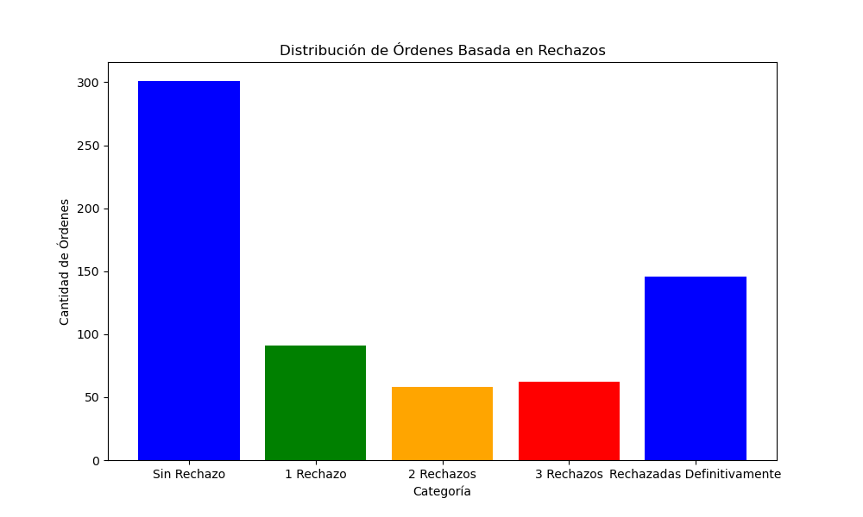
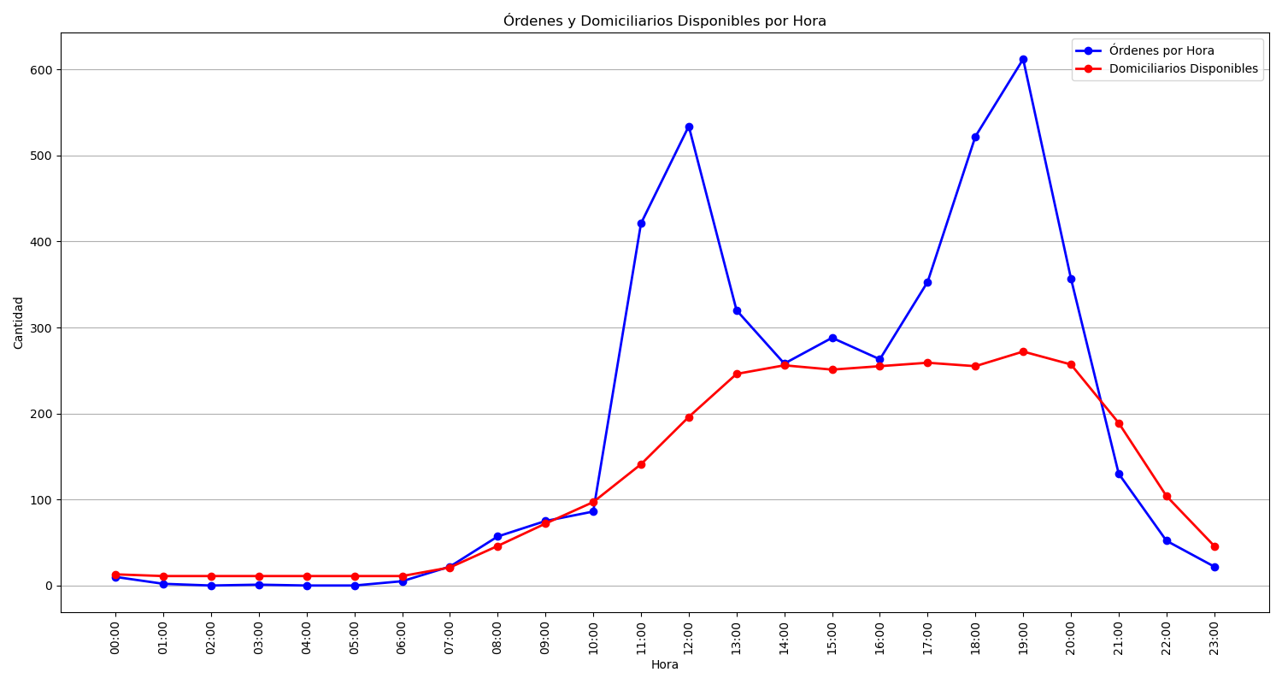
Categoría | Cantidad de Órdenes
Sin Rechazo | 301
1 Rechazo | 91
2 Rechazos | 58
3 Rechazos | 62
Rechazadas Definitivamente | 146

