Rechazos
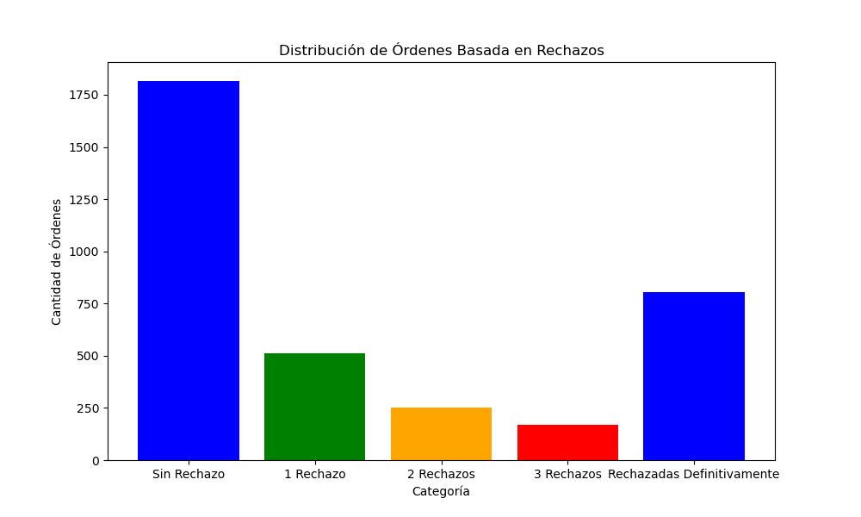
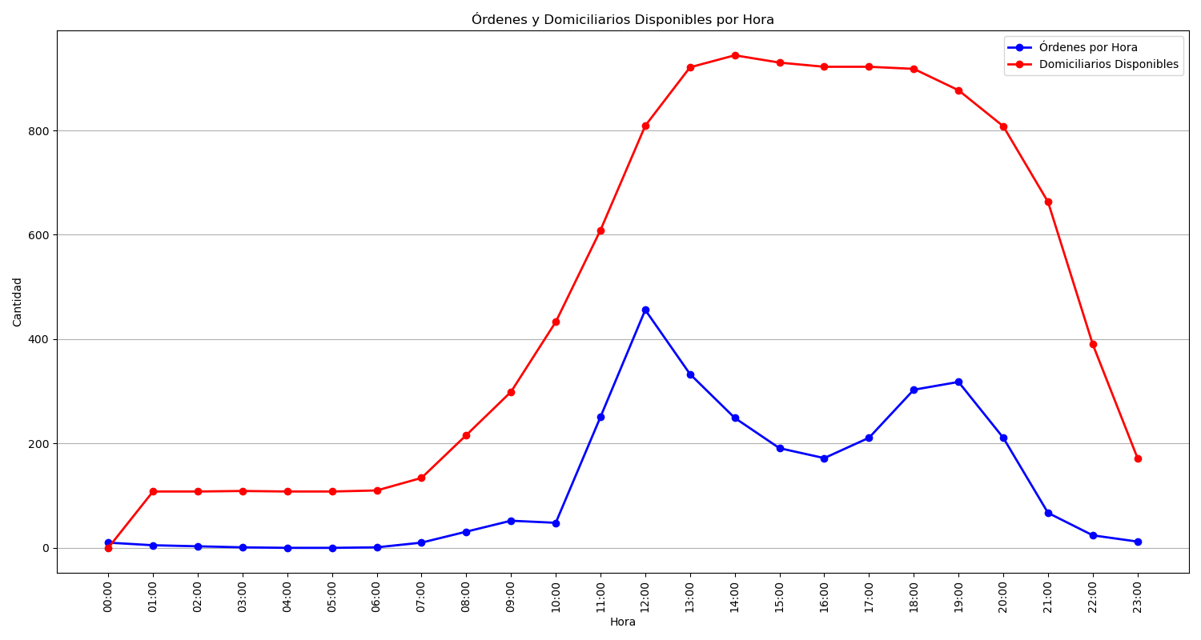
Categoría | Cantidad de Órdenes
Sin Rechazo | 1816
1 Rechazo | 511
2 Rechazos | 250
3 Rechazos | 170
Rechazadas Definitivamente | 806

