Rechazos
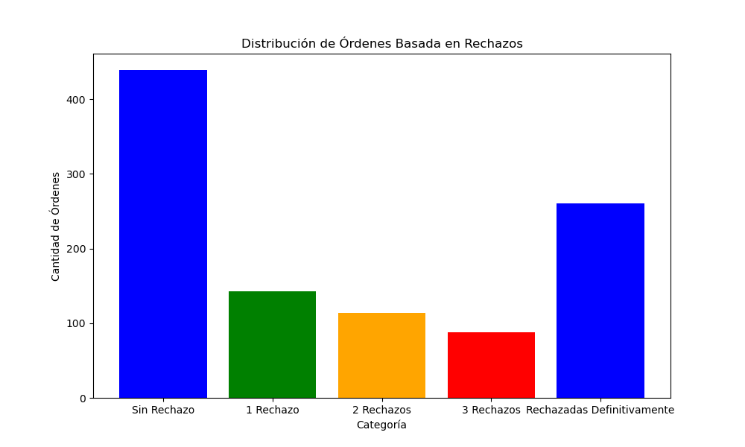
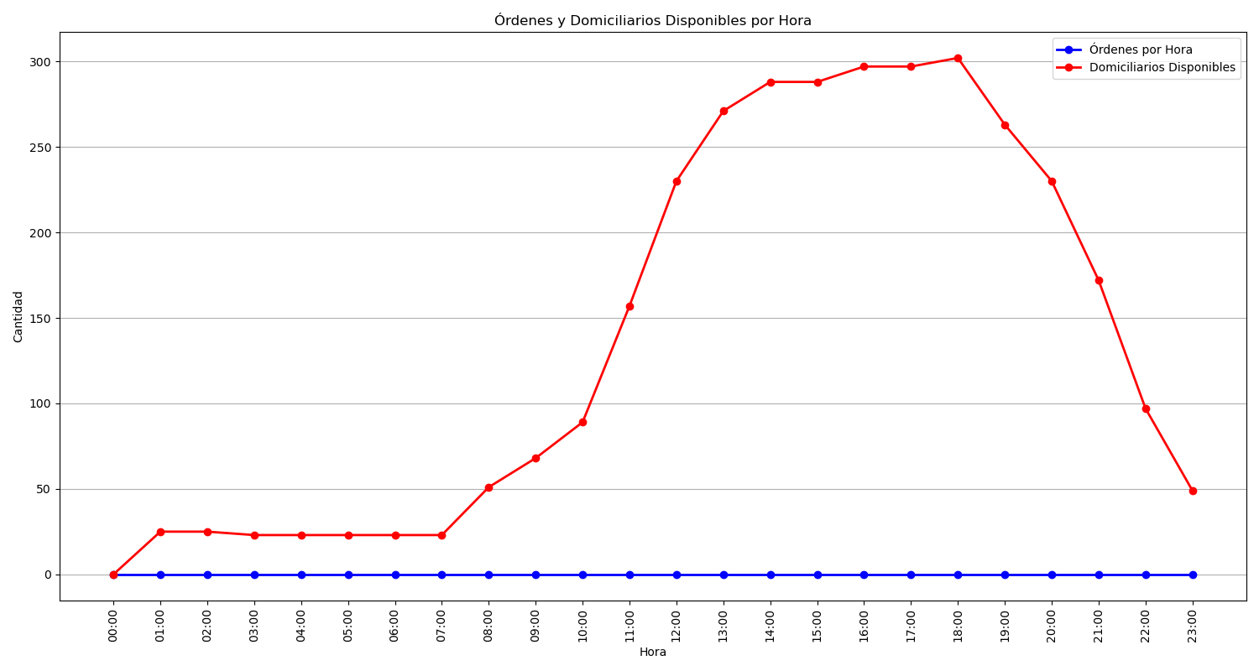
Categoría | Cantidad de Órdenes
Sin Rechazo | 439
1 Rechazo | 143
2 Rechazos | 114
3 Rechazos | 88
Rechazadas Definitivamente | 260

