Rechazos
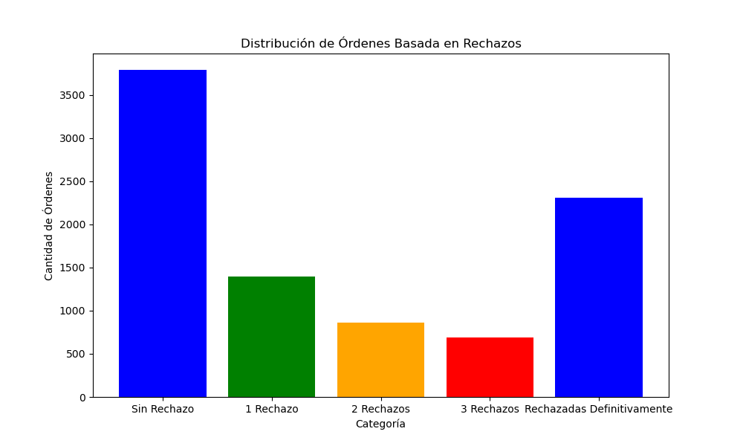
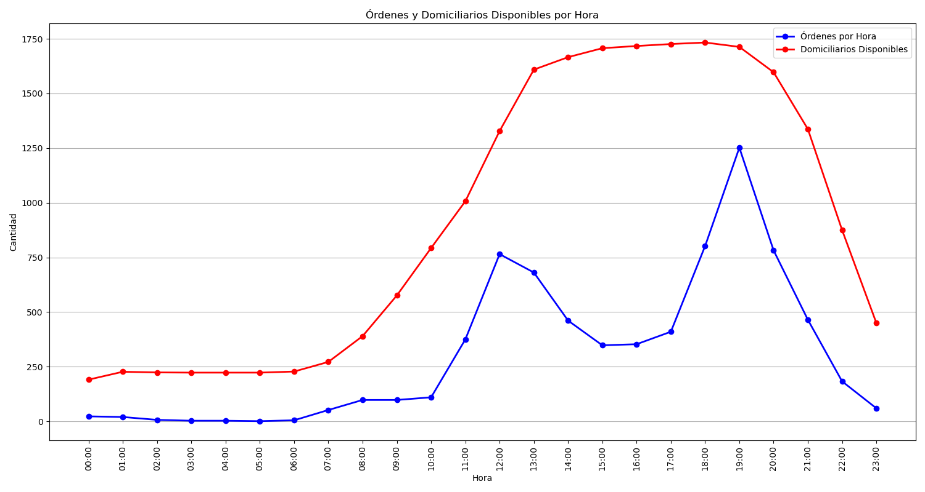
Categoría | Cantidad de Órdenes
Sin Rechazo | 3790
1 Rechazo | 1394
2 Rechazos | 863
3 Rechazos | 687
Rechazadas Definitivamente | 2306

