Rechazos
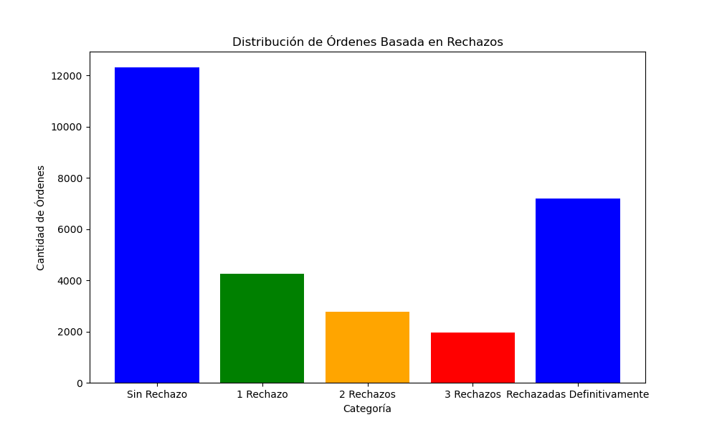
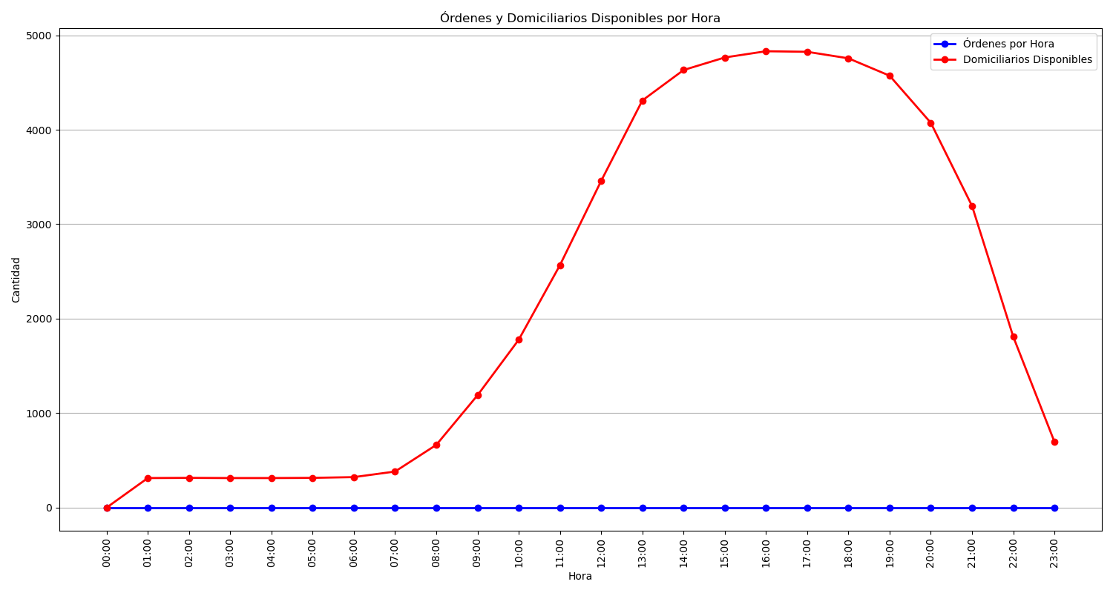
Categoría | Cantidad de Órdenes
Sin Rechazo | 12309
1 Rechazo | 4254
2 Rechazos | 2774
3 Rechazos | 1948
Rechazadas Definitivamente | 7186

