Sheet1
PLACE | LOGGER | INOUT | found | comments
KRR1-OTC1-DDB | 95145260 | out | found
KRR1-OTC1-DDB | 95145257 | in | found
KRR4-OTC2-D | 95329118 | out | found
KRR4-OTC2-D | 95329117 | in | found | It is not recording all the information
H15 | 95139716 |  | found | sub
J15 | 95139712 |  | found
H15L01 | 95145248 |  | found
H15L10 | 95145247 |  | found
J13L01 | 95145250 |  | done | dug up
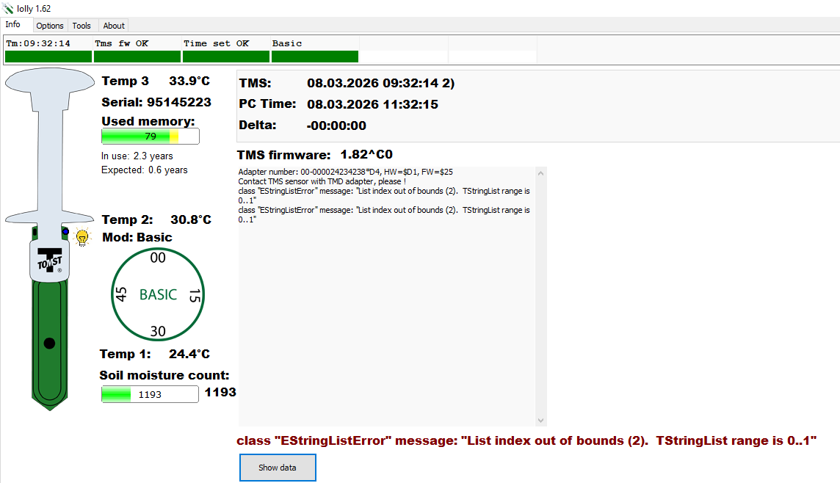
J13L10 | 95145249 |  | done
J13 | 95139715 |  | done
J15L01 | 95145246 |  | found
J15L10 | 95145256 |  | found
P15L01 | 95145259 |  | found
P15L10 | 95145258 |  | found
L17L01 | 95145255 |  | done
L17L10 | 95145254 |  | done
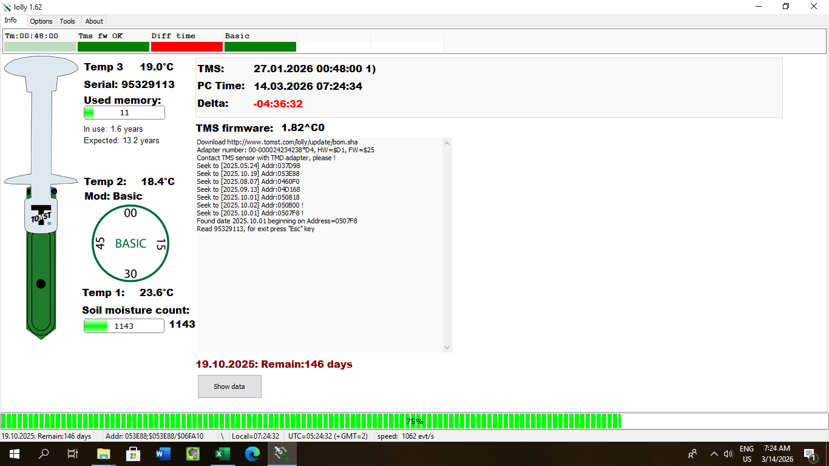
Q17L01 | 95145225 |  | done
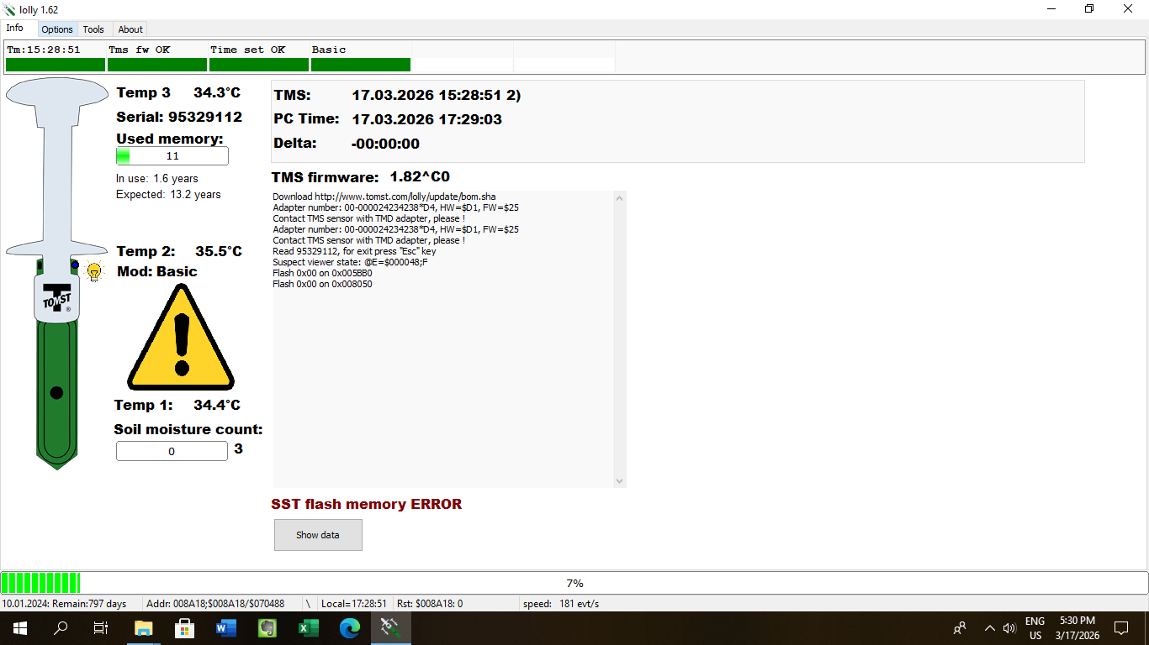
Q17L10 | 95145253 |  | done
L15L01 | 95145252 |  | done
L15L10 | 95145251 |  | done
O18L01 | 95145224 |  | done
O18L10 | 95145223 |  | done
K18L01 | 95145221 |  | done
K18L10 | 95145222 |  | done
REPRO | 95647506 |  | done | it was inside the bucket, I REMOVED IT!
REPRO | 95647504 |  | done
JS4 | 95329115 |  | done
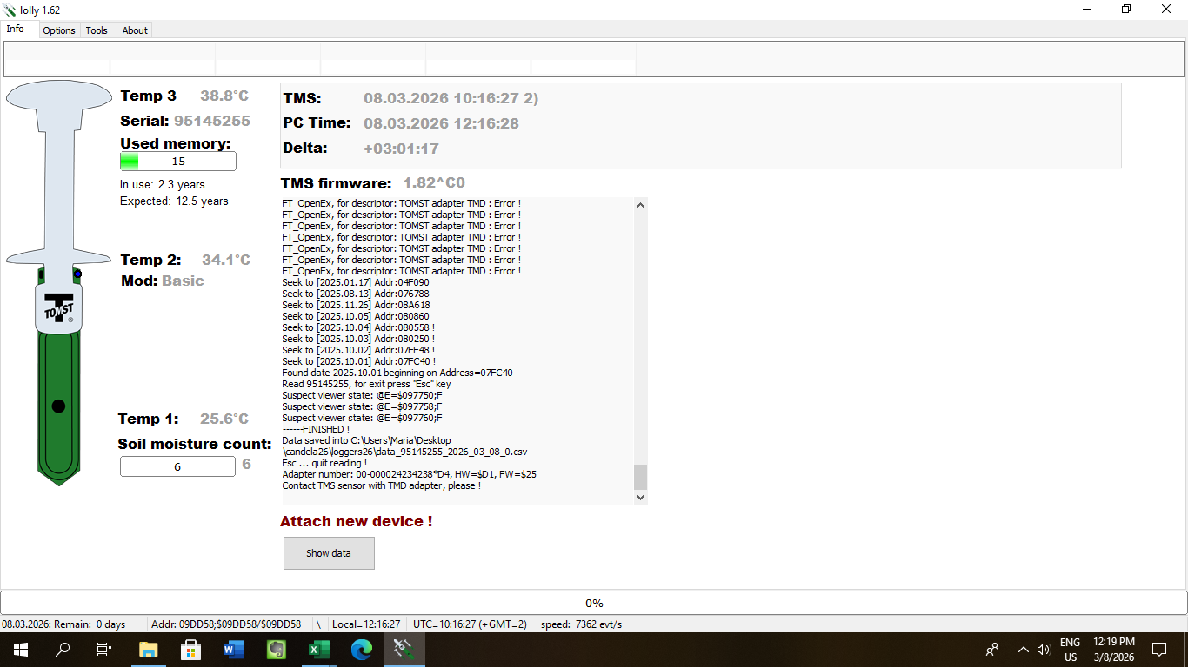
JS4 | 95329113 |  | done
JS4 | 95329111 |  | done
JS4 | 95329114 |  | done
jn4 | 95329112 | out | done
jn4 | 95329116 | in | done

