dashboard
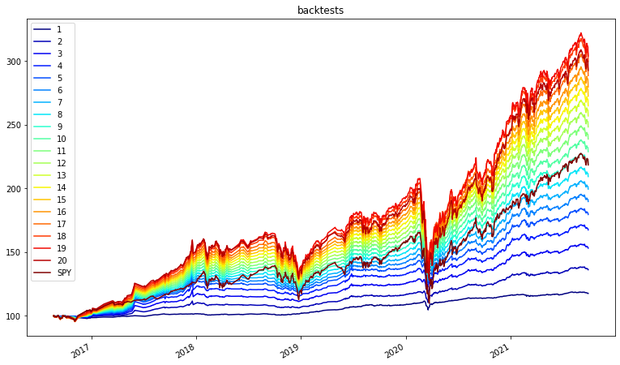
Dashboard | 1 | 2 | 3 | 4 | 5 | 6 | 7 | 8 | 9 | 10 | 11 | 12 | 13 | 14 | 15 | 16 | 17 | 18 | 19 | 20
ema_historical_return | 4.70% | 9.34% | 12.10% | 14.38% | 16.44% | 18.23% | 19.90% | 21.47% | 22.96% | 24.42% | 25.85% | 27.25% | 28.60% | 29.85% | 31.04% | 32.15% | 33.25% | 34.33% | 35.31% | 35.56%
oracle_approximating | 2.95% | 4.05% | 5.16% | 6.26% | 7.36% | 8.46% | 9.57% | 10.67% | 11.77% | 12.87% | 13.98% | 15.08% | 16.18% | 17.28% | 18.39% | 19.49% | 20.59% | 21.69% | 22.80% | 23.90%
sharpe_ratio | 0.9148 | 1.8132 | 1.9579 | 1.9777 | 1.9619 | 1.9187 | 1.8709 | 1.8243 | 1.7810 | 1.7417 | 1.7062 | 1.6745 | 1.6439 | 1.6114 | 1.5789 | 1.5471 | 1.5178 | 1.4903 | 1.4608 | 1.4045
Commodity | 0.00% | 0.00% | 0.00% | 0.00% | 0.00% | 0.00% | 0.00% | 0.00% | 0.00% | 0.00% | 0.00% | 0.00% | 0.00% | 0.00% | 0.00% | 0.00% | 0.00% | 0.00% | 0.00% | 0.00%
Equity | 2.66% | 8.24% | 11.57% | 13.25% | 18.20% | 24.48% | 30.33% | 36.13% | 41.71% | 47.04% | 52.18% | 57.58% | 64.15% | 70.68% | 76.90% | 82.01% | 87.09% | 90.82% | 96.83% | 96.85%
Fixed Income | 96.20% | 89.82% | 84.69% | 80.99% | 75.62% | 69.38% | 63.53% | 57.72% | 52.15% | 46.82% | 41.69% | 36.28% | 29.72% | 23.19% | 16.96% | 11.85% | 6.78% | 3.05% | 0.00% | 0.00%
REIT | 0.00% | 0.00% | 1.58% | 3.00% | 3.00% | 3.00% | 3.00% | 3.00% | 3.00% | 3.00% | 3.00% | 3.00% | 3.00% | 3.00% | 3.00% | 2.99% | 3.00% | 2.82% | 0.00% | 0.00%
Specialty | 0.00% | 1.07% | 1.98% | 2.77% | 3.12% | 3.12% | 3.12% | 3.12% | 3.12% | 3.12% | 3.12% | 3.12% | 3.12% | 3.12% | 3.12% | 3.12% | 3.12% | 3.12% | 3.12% | 3.12%

efficient_frontier
