dashboard
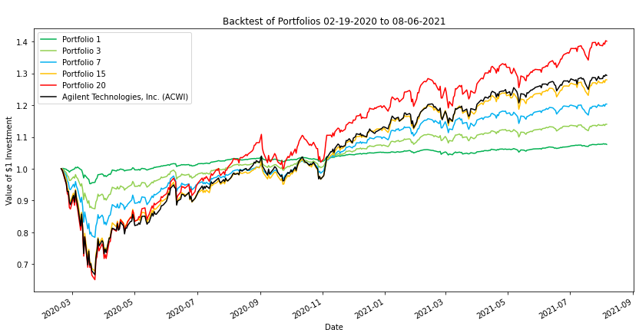
Dashboard | 1 | 2 | 3 | 4 | 5 | 6 | 7 | 8 | 9 | 10 | 11 | 12 | 13 | 14 | 15 | 16 | 17 | 18 | 19 | 20
capm_return | 2.98% | 4.02% | 4.75% | 5.42% | 6.06% | 6.69% | 7.31% | 7.93% | 8.56% | 9.17% | 9.79% | 10.40% | 11.02% | 11.63% | 12.23% | 12.83% | 13.41% | 13.99% | 14.55% | 14.98%
oracle_approximating | 2.01% | 2.82% | 3.62% | 4.43% | 5.23% | 6.04% | 6.84% | 7.65% | 8.46% | 9.26% | 10.07% | 10.87% | 11.68% | 12.49% | 13.29% | 14.10% | 14.90% | 15.71% | 16.51% | 17.32%
sharpe_ratio | 0.4857 | 0.7180 | 0.7599 | 0.7722 | 0.7754 | 0.7759 | 0.7757 | 0.7754 | 0.7749 | 0.7743 | 0.7735 | 0.7728 | 0.7720 | 0.7712 | 0.7701 | 0.7684 | 0.7661 | 0.7632 | 0.7600 | 0.7493
Bond | 93.75% | 86.04% | 80.70% | 75.76% | 70.86% | 66.50% | 61.81% | 57.13% | 52.45% | 47.70% | 42.90% | 38.16% | 33.37% | 28.06% | 21.78% | 15.20% | 9.86% | 5.60% | 1.87% | 0.00%
Equity | 6.22% | 13.96% | 19.30% | 24.23% | 28.51% | 33.50% | 37.73% | 42.87% | 47.57% | 52.32% | 57.10% | 61.84% | 66.62% | 71.94% | 77.81% | 84.81% | 90.13% | 94.41% | 98.12% | 100.00%

efficient_frontier
