Info
Sattelite Surface Chl Anomalies
Created by: Taylor Shropshire
Date: 04/27/22

Notes:
*Values in each sheet are anomalies standardized by the standard deviation
*Anomalies are determined from combined SeaWIFS and MODIS datasets

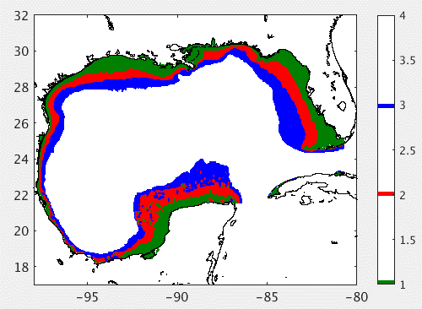
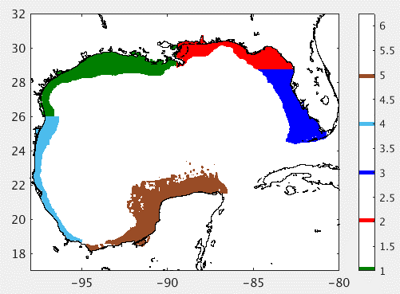
Season | Months
Winter | 12, 1, 2
Spring | 3, 4, 5
Summer | 6, 7, 8
Fall | 9, 10, 11

Region | Description
0-25m ISO | 0-25 m Isobath
25-50m ISO | 25-50 m Isobath
50-200m ISO | 50-200 m Isobath
LATEX | Louisiana - Texas Shelf
NEG | North East Gulf
WF | West Florida
WGS | West Gulf Shelf
CB | Campeeche Bank

