MON Upwell
YR | MON | UI | UI_smooth
1993 | 1 | 0.48582093803 | 0.31813019642
1993 | 2 | 0.20323351292 | 0.31949974604
1993 | 3 | 0.36350765191 | 0.32145315066
1993 | 4 | 0.47358662608 | 0.32416184347
1993 | 5 | 0.11555684077 | 0.32693859243
1993 | 6 | 0.094986493969 | 0.32922276736
1993 | 7 | 0.28042207515 | 0.33033626126
1993 | 8 | 0.3992362758 | 0.33079209145
1993 | 9 | 0.57455009339 | 0.33457326495
1993 | 10 | 0.30499149806 | 0.3377836809
1993 | 11 | 0.42089573623 | 0.34142607864
1993 | 12 | 0.42713259782 | 0.34145954791
1994 | 1 | 0.29886449049 | 0.32925956092
1994 | 2 | 0.18154234303 | 0.305117932
1994 | 3 | 0.28764965452 | 0.27591006583
1994 | 4 | 0.38818881351 | 0.24129222185
1994 | 5 | 0.27846873482 | 0.20942453046
1994 | 6 | 0.13249611355 | 0.17619392001
1994 | 7 | 0.11415840104 | 0.14337842498
1994 | 8 | 0.12680758123 | 0.11182411847
1994 | 9 | -0.03830645029 | 0.084105665704
1994 | 10 | 0.039590111304 | 0.061086199276
1994 | 11 | 0.14660855576 | 0.046203564615
1994 | 12 | -0.13493630175 | 0.040506939817
1995 | 1 | -0.15526032415 | 0.041739375698
1995 | 2 | 0.1745393762 | 0.044903505024
1995 | 3 | 0.13194435692 | 0.048667772827
1995 | 4 | -0.055880063748 | 0.052109707967
1995 | 5 | 0.14690585512 | 0.052583347039
1995 | 6 | 0.1769442029 | 0.05059173832
1995 | 7 | 0.08996721284 | 0.045567169691
1995 | 8 | -0.024014143802 | 0.036379013289
1995 | 9 | 0.076107812017 | 0.027235508972
1995 | 10 | -0.069318710101 | 0.023024444973
1995 | 11 | -0.015631175293 | 0.024290909272
1995 | 12 | -0.059709806598 | 0.030186114671
1996 | 1 | -0.10453319249 | 0.044457135516
1996 | 2 | 0.075932861278 | 0.065934970329
1996 | 3 | 0.15152648467 | 0.091577602833
1996 | 4 | 0.070042978824 | 0.11955426164
1996 | 5 | 0.22893992945 | 0.14083980994
1996 | 6 | 0.22448751186 | 0.15517411548
1996 | 7 | 0.21398432599 | 0.16406070689
1996 | 8 | 0.23695461962 | 0.1680688312
1996 | 9 | 0.38434785229 | 0.17048992533
1996 | 10 | 0.077834084386 | 0.17011847345
1996 | 11 | -0.096221978708 | 0.16375895085
1996 | 12 | 0.082608549768 | 0.15169563957
1997 | 1 | 0.22671492486 | 0.1398178518
1997 | 2 | 0.19188675689 | 0.13577426554
1997 | 3 | 0.28227306916 | 0.14269045878
1997 | 4 | 0.052316528448 | 0.16399727906
GS Distance from shelf Averaged Over Entire SAB
1997 | 5 | 0.037942152968 | 0.19603718678
1997 | 6 | 0.029999322501 | 0.23324600099
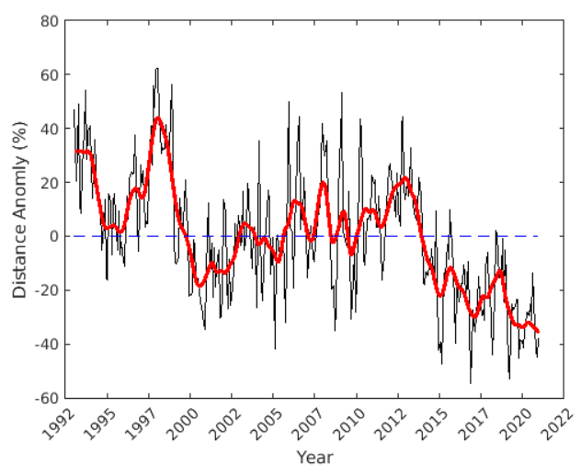
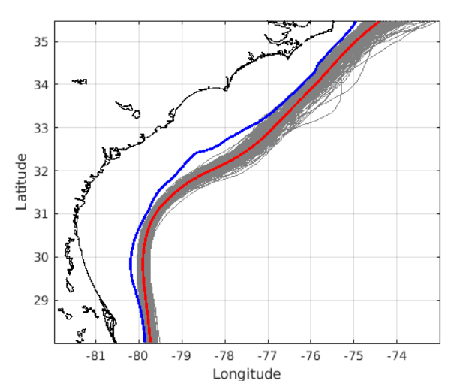
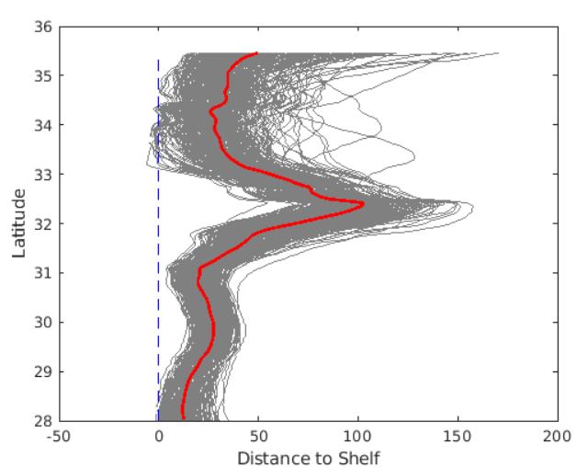
1997 | 7 | 0.22584865509 | 0.26867311959
1997 | 8 | 0.38883831784 | 0.30506621665
1997 | 9 | 0.28427487597 | 0.33958309781
Offshore
1997 | 10 | 0.56989527099 | 0.36936864334
1997 | 11 | 0.47174864093 | 0.39296365482
1997 | 12 | 0.59577350778 | 0.40903350569
1998 | 1 | 0.56566624748 | 0.4145965688
Shelf Break
Avg GS Position
Monthly GS Position
1998 | 2 | 0.32566105141 | 0.41019175912
1998 | 3 | 0.33543595338 | 0.3981237324
1998 | 4 | 0.27957914333 | 0.37927743365
Onshore
1998 | 5 | 0.33769614984 | 0.36106018744
1998 | 6 | 0.3494258184 | 0.34540392936
1998 | 7 | 0.40935022434 | 0.33043322729
1998 | 8 | 0.27176593707 | 0.31104728565
Note: calculated based on the 18 deg C isotherm at 200 m
1998 | 9 | 0.23621770504 | 0.28340124188
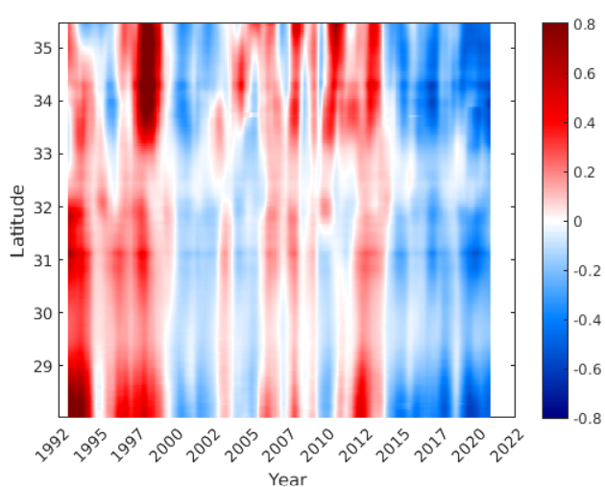
1998 | 10 | 0.3203896384 | 0.24889516429
1998 | 11 | 0.49821031913 | 0.21043287087
1998 | 12 | 0.33405696148 | 0.17592891005
1999 | 1 | -0.015035063167 | 0.14372723141
1999 | 2 | -0.091653342569 | 0.11477446367
1999 | 3 | -0.10082499892 | 0.091829470324
Note: 0.8 means 80% greater distance offshore than climatogy
1999 | 4 | -0.054190953567 | 0.069051399317
1999 | 5 | 0.14508274418 | 0.052222248286
1999 | 6 | 0.063764964617 | 0.039276294823
1999 | 7 | 0.03119111202 | 0.030682131602
1999 | 8 | 0.066554237801 | 0.021073421379
1999 | 9 | 0.19961327422 | 0.0088411640954
1999 | 10 | 0.076659381806 | -0.0060323284709
1999 | 11 | 0.019365485082 | -0.023653709514
1999 | 12 | -0.21211397803 | -0.042962227758
2000 | 1 | -0.21973071937 | -0.065367370477
2000 | 2 | -0.20197448322 | -0.091221478785
2000 | 3 | -0.002090539604 | -0.11649549358
2000 | 4 | -0.020028247376 | -0.14076839124
2000 | 5 | -0.15170775128 | -0.15890401022
2000 | 6 | -0.13985731692 | -0.17112024034
2000 | 7 | -0.19525485537 | -0.17657593323
2000 | 8 | -0.24545877454 | -0.17589791938
2000 | 9 | -0.25107509639 | -0.17131719878
2000 | 10 | -0.28833156693 | -0.16405191827
2000 | 11 | -0.33037496289 | -0.15293219497
2000 | 12 | -0.12217373463 | -0.14108499747
2001 | 1 | 0.018355701267 | -0.12821929913
2001 | 2 | 0.10972667198 | -0.11425928165
2001 | 3 | -0.10245156197 | -0.10217137749
2001 | 4 | -0.013786388422 | -0.094321811596
2001 | 5 | -0.21448544 | -0.097738640293
2001 | 6 | -0.044042782379 | -0.11035807835
2001 | 7 | -0.18809537739 | -0.12434046033
2001 | 8 | -0.11161943226 | -0.13149190094
2001 | 9 | -0.057425407318 | -0.13062774211
2001 | 10 | -0.30597923825 | -0.12664602495
2001 | 11 | -0.29946135472 | -0.12363494658
2001 | 12 | -0.19686159619 | -0.12392411748
2002 | 1 | 0.13718528871 | -0.12644041107
2002 | 2 | 0.11449565523 | -0.12574471958
2002 | 3 | -0.15360376732 | -0.12016668825
2002 | 4 | -0.25225767168 | -0.10972445378
2002 | 5 | -0.063291251967 | -0.098304607587
2002 | 6 | -0.251554414 | -0.089029109786
2002 | 7 | -0.19068374048 | -0.083434297971
2002 | 8 | -0.09244347161 | -0.074346310692
2002 | 9 | 0.056338276368 | -0.056731235606
2002 | 10 | -0.060232359086 | -0.034289220397
2002 | 11 | 0.069064079 | -0.011567557811
2002 | 12 | 0.045691960399 | 0.010059367733
2003 | 1 | -0.01326232658 | 0.030594888193
2003 | 2 | 0.016390154127 | 0.045204476914
2003 | 3 | 0.18657890753 | 0.051376861699
2003 | 4 | -0.026281935466 | 0.052818094606
2003 | 5 | -0.012611901634 | 0.050679192218
2003 | 6 | 0.2050103897 | 0.04538326471
2003 | 7 | 0.15000505892 | 0.037812883155
2003 | 8 | 0.01343230609 | 0.031738240585
2003 | 9 | -0.11156054172 | 0.026713239195
2003 | 10 | 0.00926032339 | 0.019098528436
2003 | 11 | 0.045545499626 | 0.0055215115627
2003 | 12 | -0.012820062276 | -0.011798430521
2004 | 1 | -0.26794530188 | -0.027624889102
2004 | 2 | 0.37465495533 | -0.03456442067
2004 | 3 | -0.0072439577235 | -0.031530309136
2004 | 4 | -0.19488751837 | -0.023438604564
2004 | 5 | -0.24267160663 | -0.017021584508
2004 | 6 | -0.0953497516 | -0.015111761108
2004 | 7 | 0.041967361329 | -0.019317496383
2004 | 8 | 0.096646865421 | -0.031950942442
2004 | 9 | 0.14591319292 | -0.045354729584
2004 | 10 | 0.10558612953 | -0.051610992175
2004 | 11 | -0.14476576327 | -0.057169239852
2004 | 12 | -0.038272566221 | -0.06588608595
2005 | 1 | -0.19593743069 | -0.07871038232
2005 | 2 | -0.43402311165 | -0.093137873008
2005 | 3 | -0.029527162701 | -0.10612331893
2005 | 4 | -0.026118772756 | -0.11495437033
2005 | 5 | -0.1024798603 | -0.10847741856
2005 | 6 | -0.090308939351 | -0.083428662717
2005 | 7 | -0.024742639073 | -0.048962199348
2005 | 8 | -0.025135738393 | -0.012514334784
2005 | 9 | -0.31762276367 | 0.012581389437
2005 | 10 | -0.079463222631 | 0.024734757477
2005 | 11 | 0.29846562939 | 0.033975940224
2005 | 12 | 0.50552567967 | 0.04986996711
2006 | 1 | 0.082207609678 | 0.074774385061
2006 | 2 | 0.012960201688 | 0.10086572245
2006 | 3 | -0.17410296343 | 0.11817038728
2006 | 4 | -0.011841908983 | 0.12522447531
2006 | 5 | 0.095470103216 | 0.1219319917
2006 | 6 | 0.30879132364 | 0.11599437942
2006 | 7 | 0.42832689426 | 0.11430302
2006 | 8 | -0.0088682405282 | 0.11491233728
2006 | 9 | 0.11471069288 | 0.11065772512
2006 | 10 | 0.070265591207 | 0.09860007629
2006 | 11 | 0.25323007195 | 0.077338539969
2006 | 12 | 0.027793812622 | 0.052689820607
2007 | 1 | -0.13269051075 | 0.028569992978
2007 | 2 | -0.077363430996 | 0.009636200033
2007 | 3 | 0.008993603001 | -0.0016105324418
2007 | 4 | 0.064698507637 | -0.0078813289127
2007 | 5 | -0.066396884052 | -0.0019495927522
2007 | 6 | -0.07723288311 | 0.018567548532
2007 | 7 | -0.024775183679 | 0.049495775721
2007 | 8 | -0.020521105488 | 0.085631047158
2007 | 9 | 0.061420090925 | 0.11910507525
2007 | 10 | 0.15010554067 | 0.14646874112
2007 | 11 | 0.30300919165 | 0.16827799779
2007 | 12 | 0.44087267988 | 0.18206522581
2008 | 1 | 0.30019116833 | 0.18165978483
2008 | 2 | 0.22728204773 | 0.16573699093
2008 | 3 | 0.25772967594 | 0.13470002142
2008 | 4 | 0.064772617128 | 0.087596828019
2008 | 5 | 0.06097463432 | 0.036792456654
2008 | 6 | -0.0296960273 | -0.0061986934064
2008 | 7 | -0.19687316705 | -0.031012735422
2008 | 8 | -0.15340229773 | -0.031316784592
2008 | 9 | -0.34384472045 | -0.019480417574
2008 | 10 | -0.26510201374 | -0.0039326732566
2008 | 11 | -0.039595285767 | 0.014159966184
2008 | 12 | 0.33293499078 | 0.032677635975
2009 | 1 | 0.3285535946 | 0.054678589349
2009 | 2 | 0.4898299215 | 0.075830754891
2009 | 3 | -0.029273420208 | 0.085465882531
2009 | 4 | -0.0086727007447 | 0.079844185991
2009 | 5 | -0.016226011885 | 0.054881869135
2009 | 6 | -0.033264605448 | 0.01513829344
2009 | 7 | 0.14578582672 | -0.026872866406
2009 | 8 | -0.043676049508 | -0.057609313185
2009 | 9 | -0.29092248316 | -0.065877148875
2009 | 10 | -0.15730692591 | -0.053877520201
2009 | 11 | -0.018071827807 | -0.031928094337
2009 | 12 | -0.28567018456 | -0.014306173539
2010 | 1 | -0.14166826099 | -0.0011559086506
2010 | 2 | 0.054674811074 | 0.0098777079385
2010 | 3 | 0.44887636515 | 0.021754363343
2010 | 4 | 0.38331967868 | 0.037370840973
2010 | 5 | 0.082268644897 | 0.051042646244
2010 | 6 | -0.18610424721 | 0.06254952804
2010 | 7 | -0.14188407518 | 0.06738441109
2010 | 8 | 0.038350114126 | 0.063831277433
2010 | 9 | 0.0087710885666 | 0.056359496609
2010 | 10 | 0.080825124921 | 0.053237852874
2010 | 11 | 0.080250480801 | 0.05982393225
2010 | 12 | 0.15380288297 | 0.070491023062
2011 | 1 | 0.13565031558 | 0.075507109011
2011 | 2 | 0.18859329663 | 0.070572826444
2011 | 3 | 0.034445030728 | 0.059355773107
2011 | 4 | 0.025710590879 | 0.045166912503
2011 | 5 | 0.13182378673 | 0.03457318256
2011 | 6 | -0.03423566365 | 0.030794145541
2011 | 7 | -0.14657979076 | 0.034621502979
2011 | 8 | -0.088723487154 | 0.046387027761
2011 | 9 | -0.067349316017 | 0.062151644817
2011 | 10 | 0.090320125829 | 0.079424912995
2011 | 11 | 0.18284933169 | 0.097535069423
2011 | 12 | 0.25374030922 | 0.11713120201
2012 | 1 | 0.26210380234 | 0.13704843024
2012 | 2 | 0.23900889873 | 0.15347612424
2012 | 3 | 0.13337811699 | 0.16612326506
2012 | 4 | 0.086178163882 | 0.17812335268
2012 | 5 | 0.093255445114 | 0.18705566329
2012 | 6 | 0.22607779159 | 0.19238736486
2012 | 7 | 0.09456954346 | 0.19527163608
2012 | 8 | 0.065221394745 | 0.19746775087
2012 | 9 | 0.44510744671 | 0.20039347496
2012 | 10 | 0.4465277001 | 0.20503497871
2012 | 11 | 0.16373487106 | 0.20796261832
2012 | 12 | 0.12730135137 | 0.20667170208
2013 | 1 | 0.17316964032 | 0.19795642391
2013 | 2 | 0.13992704199 | 0.18270906989
2013 | 3 | 0.17858654452 | 0.16520411878
2013 | 4 | 0.22583332474 | 0.14785463184
2013 | 5 | 0.13110240933 | 0.13855142848
2013 | 6 | 0.09611193105 | 0.13228511079
2013 | 7 | 0.074123678431 | 0.12206724356
2013 | 8 | 0.073451158226 | 0.10322680066
2013 | 9 | 0.093927132652 | 0.078122142814
2013 | 10 | 0.23102705074 | 0.051406305736
2013 | 11 | 0.12554866058 | 0.024765897283
2013 | 12 | 0.029411314186 | 0.0018137227055
2014 | 1 | -0.15273011431 | -0.020179895289
2014 | 2 | -0.14944080941 | -0.041854569653
2014 | 3 | -0.11746416329 | -0.06046275222
2014 | 4 | -0.12452843655 | -0.077014633149
2014 | 5 | -0.1016178458 | -0.087565913939
2014 | 6 | -0.11171157656 | -0.097441433084
2014 | 7 | -0.028451476275 | -0.10919505931
2014 | 8 | -0.08280994541 | -0.12852777068
2014 | 9 | -0.11890571743 | -0.15315956138
2014 | 10 | 0.096675613761 | -0.17632012784
2014 | 11 | -0.17760046655 | -0.194671143
2014 | 12 | -0.42055324078 | -0.20667224401
2015 | 1 | -0.37637769279 | -0.21205244071
2015 | 2 | -0.46495756911 | -0.2102166007
2015 | 3 | -0.30316202024 | -0.20108393513
2015 | 4 | -0.11679918927 | -0.18366592459
2015 | 5 | -0.12959576422 | -0.16167259946
2015 | 6 | -0.047199607791 | -0.13972491024
2015 | 7 | -0.068202875035 | -0.12328968724
2015 | 8 | 0.095292768715 | -0.11645349093
2015 | 9 | 0.011543966796 | -0.11858954849
2015 | 10 | -0.021384607652 | -0.12896784671
2015 | 11 | -0.25716361925 | -0.14346036628
2015 | 12 | -0.40666612007 | -0.15828870194
2016 | 1 | -0.18817149213 | -0.17261705881
2016 | 2 | -0.22258033064 | -0.18473619069
2016 | 3 | -0.2468562928 | -0.1914021042
2016 | 4 | -0.17104235961 | -0.19427865866
2016 | 5 | -0.16841507294 | -0.19819961254
2016 | 6 | -0.074912225427 | -0.20674160961
2016 | 7 | -0.12336193422 | -0.2193420405
2016 | 8 | -0.22351601005 | -0.23708438272
2016 | 9 | -0.11067405663 | -0.25397533017
2016 | 10 | -0.32335722414 | -0.26839527709
2016 | 11 | -0.55228269066 | -0.27939742513
2016 | 12 | -0.42302636208 | -0.28786268295
2017 | 1 | -0.26977819258 | -0.29197275677
2017 | 2 | -0.34184163035 | -0.29157556132
2017 | 3 | -0.26280406615 | -0.28671728844
2017 | 4 | -0.21646982951 | -0.27496904074
2017 | 5 | -0.13198184256 | -0.25767234103
2017 | 6 | -0.20740234441 | -0.23923466014
2017 | 7 | -0.29303920573 | -0.22624813012
2017 | 8 | -0.26656533741 | -0.22062613786
2017 | 9 | -0.31240183452 | -0.22302865744
2017 | 10 | -0.13714920956 | -0.22913928637
2017 | 11 | -0.094582302143 | -0.23046330622
2017 | 12 | -0.22248455187 | -0.22300968389
2018 | 1 | -0.2179535061 | -0.20785451369
2018 | 2 | -0.30682599502 | -0.19172680987
2018 | 3 | -0.42938360048 | -0.17964120739
2018 | 4 | -0.21593740003 | -0.16920012221
2018 | 5 | 0.037483807377 | -0.15978049546
2018 | 6 | 0.011947918006 | -0.14666472469
2018 | 7 | -0.1276680221 | -0.13162037235
2018 | 8 | -0.13530503705 | -0.1239376911
2018 | 9 | -0.1255916408 | -0.13119917094
2018 | 10 | -0.034662538172 | -0.15250060797
2018 | 11 | -0.21673256051 | -0.18301120034
2018 | 12 | -0.024855376592 | -0.21104445246
2019 | 1 | -0.15552592697 | -0.23325428005
2019 | 2 | -0.47105645365 | -0.24992618919
2019 | 3 | -0.52016890331 | -0.26359720084
2019 | 4 | -0.33819864292 | -0.28026979692
2019 | 5 | -0.24193290103 | -0.29570211548
2019 | 6 | -0.24784302205 | -0.30855700535
2019 | 7 | -0.24951884954 | -0.31607116228
2019 | 8 | -0.23015343953 | -0.31797047545
2019 | 9 | -0.21839937345 | -0.31741851913
2019 | 10 | -0.4649171189 | -0.31958439507
2019 | 11 | -0.37201371853 | -0.32428563305
2019 | 12 | -0.37066861734 | -0.3285813667
2020 | 1 | -0.39924382304 | -0.32922844343
2020 | 2 | -0.34037194673 | -0.32478097012
2020 | 3 | -0.32218876214 | -0.31690057646
2020 | 4 | -0.26731021146 | -0.30783596344
2020 | 5 | -0.27956036397 | -0.31056781021
2020 | 6 | -0.24933172819 | -0.31558708645
2020 | 7 | -0.30057430804 | -0.32003953494
2020 | 8 | -0.12034356479 | -0.32472075737
2020 | 9 | -0.32876952997 | -0.32995782503
2020 | 10 | -0.42580709768 | -0.33606008887
2020 | 11 | -0.45003732003 | -0.34377367673
2020 | 12 | -0.36324457204 | -0.35264358596

