MON Upwell
GS Distance from shelf Averaged Over Entire SAB
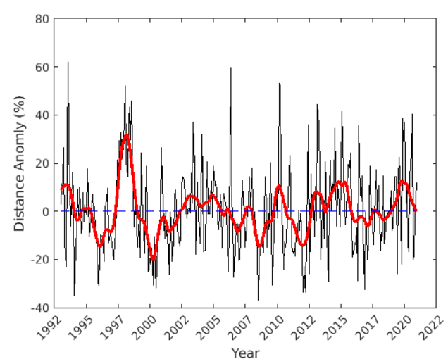
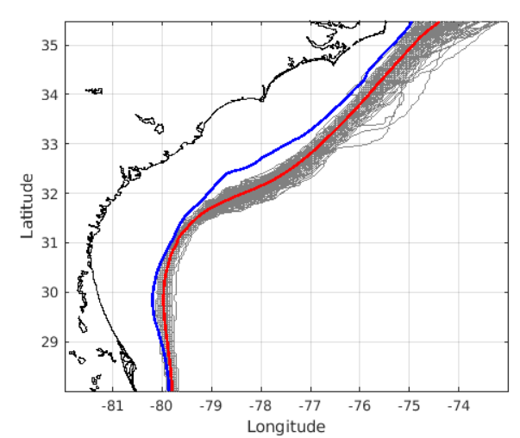
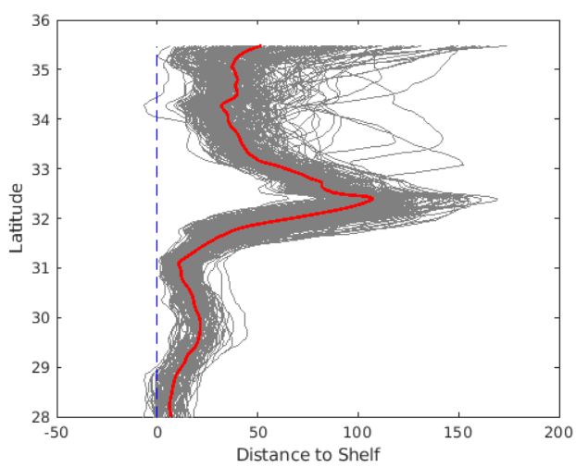
YR | MON | UI | UI_smooth
1993 | 1 | 0.04232861992 | 0.091229902127
1993 | 2 | 0.13366673162 | 0.10037880663
1993 | 3 | 0.15637294633 | 0.10796999373
Offshore
1993 | 4 | 0.22584345089 | 0.11532092314
1993 | 5 | -0.1397033395 | 0.12085139741
1993 | 6 | -0.23354086413 | 0.12410859224
1993 | 7 | 0.29280216808 | 0.12452017636
1993 | 8 | 0.65642587974 | 0.1232841376
Shelf Break
Avg GS Position
Monthly GS Position
1993 | 9 | 0.30096565012 | 0.12274521011
1993 | 10 | -0.047789744011 | 0.10817826299
1993 | 11 | 0.056396618659 | 0.09123612621
1993 | 12 | 0.17632123861 | 0.072462310721
Onshore
1994 | 1 | 0.10227715292 | 0.047250841363
1994 | 2 | -0.32083727465 | 0.019417624025
1994 | 3 | -0.13387670588 | -0.00014040653949
1994 | 4 | -0.043934640168 | -0.011473049832
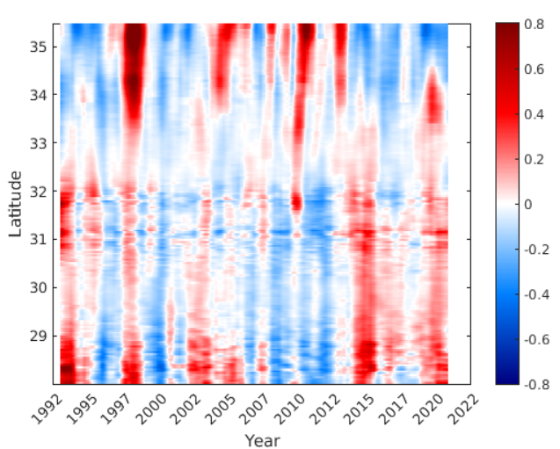
1994 | 5 | 0.12156395949 | -0.014940948281
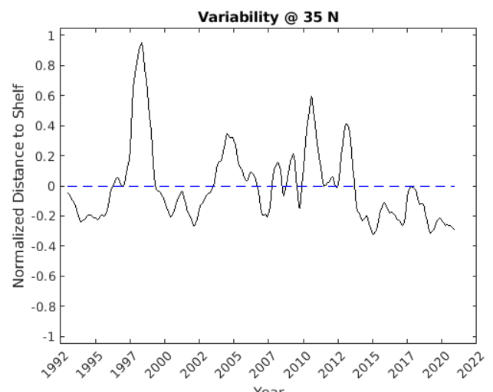
1994 | 6 | -0.016059507792 | -0.013634193855
1994 | 7 | 0.11584175348 | -0.0061952550332
1994 | 8 | -0.097277511319 | 0.0085922571053
1994 | 9 | -0.024324696167 | 0.023366982297
1994 | 10 | 0.079216288183 | 0.030212851243
Note: 0.8 means 80% greater distance offshore than climatogy
1994 | 11 | -0.030030953077 | 0.030449502997
1994 | 12 | 0.079388135282 | 0.029134380708
1995 | 1 | 0.0053926664317 | 0.029762904558
1995 | 2 | 0.19916868551 | 0.032509623328
1995 | 3 | 0.062473172814 | 0.035470477226
1995 | 4 | -0.080719831037 | 0.034933169295
1995 | 5 | -0.058063171086 | 0.027109363742
1995 | 6 | 0.046729656687 | 0.010125195426
1995 | 7 | 0.097785355129 | -0.014053642844
1995 | 8 | 0.036730032882 | -0.042394054072
1995 | 9 | 0.04707547511 | -0.068195342973
Note: calculated from SSH gradient maximum.
1995 | 10 | -0.084786838989 | -0.088469559307
1995 | 11 | -0.15898824418 | -0.10748521503
1995 | 12 | -0.28832188508 | -0.1273150846
1996 | 1 | -0.31032582184 | -0.14471116629
1996 | 2 | -0.17825421 | -0.15352436783
1996 | 3 | -0.11707961632 | -0.15042358862
1996 | 4 | -0.11584859141 | -0.13750624078
1996 | 5 | -0.14948939207 | -0.11963223475
1996 | 6 | -0.2449380917 | -0.10241632197
1996 | 7 | 0.0049148901026 | -0.090778599164
1996 | 8 | 0.047178449459 | -0.087504561599
1996 | 9 | 0.093908159264 | -0.089398611965
1996 | 10 | -0.10562823869 | -0.092807368299
1996 | 11 | -0.12356820472 | -0.096708350612
1996 | 12 | -0.13527190462 | -0.097460612863
1997 | 1 | -0.18717143521 | -0.093243559896
1997 | 2 | -0.19378432876 | -0.081973751298
1997 | 3 | -0.18087090297 | -0.062488779945
1997 | 4 | -0.10650357545 | -0.030362089278
1997 | 5 | -0.13319774855 | 0.0092434263676
1997 | 6 | 0.20672709528 | 0.053273740241
1997 | 7 | 0.1301401483 | 0.098154808513
1997 | 8 | 0.26341321573 | 0.14431933592
1997 | 9 | 0.20109535222 | 0.18441339755
1997 | 10 | 0.33333886011 | 0.21316614655
1997 | 11 | 0.19514634443 | 0.23336122703
1997 | 12 | 0.23646399753 | 0.24839434161
1998 | 1 | 0.29719165171 | 0.26029558387
1998 | 2 | 0.40060050429 | 0.27035817403
1998 | 3 | 0.11391481455 | 0.27297767528
1998 | 4 | 0.10241890097 | 0.26471953735
1998 | 5 | 0.39559283398 | 0.2442668136
1998 | 6 | 0.45420997133 | 0.21536586437
1998 | 7 | 0.27732147353 | 0.18284189903
1998 | 8 | 0.39707468625 | 0.14615878081
1998 | 9 | -0.052181473753 | 0.10852739521
1998 | 10 | -0.097762406322 | 0.069707758085
1998 | 11 | -0.063288922523 | 0.030711469271
1998 | 12 | -0.032698804669 | -0.0028289699931
1999 | 1 | -0.14957292491 | -0.026220773734
1999 | 2 | -0.045928696919 | -0.040215940215
1999 | 3 | -0.10249737306 | -0.044122394416
1999 | 4 | -0.17963111815 | -0.040128542842
1999 | 5 | 0.25018605631 | -0.036302945216
1999 | 6 | 0.049875480729 | -0.036721357109
1999 | 7 | -0.076021521939 | -0.042057058749
1999 | 8 | -0.16655654618 | -0.054011259481
1999 | 9 | 0.011542435647 | -0.071751634168
1999 | 10 | 0.19033551119 | -0.09365299261
1999 | 11 | -0.2930275468 | -0.11735570736
1999 | 12 | -0.21769510506 | -0.1398951181
2000 | 1 | -0.20672435548 | -0.16060154703
2000 | 2 | -0.21493590111 | -0.17956332496
2000 | 3 | -0.15484569914 | -0.19334636296
2000 | 4 | -0.31442377427 | -0.1995851778
2000 | 5 | -0.10343103501 | -0.1907386335
2000 | 6 | -0.23038751894 | -0.16643462277
2000 | 7 | -0.32644717723 | -0.13644876358
2000 | 8 | -0.21375906187 | -0.10457680302
2000 | 9 | -0.032986789589 | -0.076965256751
2000 | 10 | -0.033031792339 | -0.053483099923
2000 | 11 | 0.051915477671 | -0.033754087474
2000 | 12 | 0.3051148183 | -0.018526525076
2001 | 1 | 0.096551917204 | -0.010768516998
2001 | 2 | -0.094432876122 | -0.011366217032
2001 | 3 | -0.096508482181 | -0.020440472762
2001 | 4 | 0.012850128621 | -0.038180652014
2001 | 5 | -0.082760801349 | -0.058051105304
2001 | 6 | -0.10206736743 | -0.074403151991
2001 | 7 | -0.27357868856 | -0.081473685282
2001 | 8 | -0.0082530724454 | -0.077078028854
2001 | 9 | -0.056704696024 | -0.067618894323
2001 | 10 | -0.18820749256 | -0.058571469326
2001 | 11 | -0.12241436424 | -0.051225742811
2001 | 12 | 0.11704672081 | -0.04423271429
2002 | 1 | 0.10017462479 | -0.035090336841
2002 | 2 | 0.025399629627 | -0.022128208686
2002 | 3 | -0.061557434094 | -0.00829392827
2002 | 4 | -0.050565842961 | 0.0069450731048
2002 | 5 | -0.12679918155 | 0.017049079452
2002 | 6 | -0.083284023207 | 0.020389718332
2002 | 7 | 0.11895659743 | 0.020653223381
2002 | 8 | 0.17918584114 | 0.023598102025
2002 | 9 | 0.13699389901 | 0.030629239143
2002 | 10 | 0.033681649865 | 0.040024387267
2002 | 11 | -0.01884055164 | 0.049301245493
2002 | 12 | -0.020169517676 | 0.058642174127
2003 | 1 | 0.025298478624 | 0.066878026195
2003 | 2 | 0.037472685461 | 0.069965236149
2003 | 3 | 0.0092537069675 | 0.069723478342
2003 | 4 | 0.18556980086 | 0.069201867219
2003 | 5 | 0.0082062585184 | 0.067676931528
2003 | 6 | 0.39337777007 | 0.063548214982
2003 | 7 | 0.19446187795 | 0.058372214974
2003 | 8 | -0.20781789703 | 0.054579898957
2003 | 9 | -0.068419731839 | 0.050622103883
2003 | 10 | 0.1022294573 | 0.042281364865
2003 | 11 | -0.0093310585973 | 0.028176994543
2003 | 12 | -0.13745117615 | 0.01511588777
2004 | 1 | 0.025496638739 | 0.0093044008741
2004 | 2 | 0.31682868008 | 0.012563102265
2004 | 3 | 0.083845624538 | 0.018222893556
2004 | 4 | -0.18271414324 | 0.021138865249
2004 | 5 | -0.16530879453 | 0.020812073395
2004 | 6 | 0.078884980158 | 0.01834652479
2004 | 7 | 0.21253963842 | 0.015992511187
2004 | 8 | -0.022638460299 | 0.017426844769
2004 | 9 | -0.072576553851 | 0.024896605626
2004 | 10 | 0.0022350726238 | 0.036397098417
2004 | 11 | 0.09872434895 | 0.04407949754
2004 | 12 | -0.10026491565 | 0.04376197116
2005 | 1 | 0.21153245571 | 0.038397202486
2005 | 2 | 0.099749338259 | 0.033454090418
2005 | 3 | 0.092997419226 | 0.029227551629
2005 | 4 | 0.064451093979 | 0.023057662395
2005 | 5 | -0.066440067543 | 0.015357455389
2005 | 6 | -0.083161647225 | 0.0070867093156
2005 | 7 | 0.029768792145 | -0.001043310132
2005 | 8 | -0.032494137953 | -0.010209656355
2005 | 9 | -0.1310772903 | -0.020464082867
2005 | 10 | 0.024039618351 | -0.0280492083
2005 | 11 | 0.052745741289 | -0.02522003324
2005 | 12 | 0.0062333248811 | -0.014794692528
2006 | 1 | 0.058470635619 | -0.0031399208515
2006 | 2 | -0.1257454864 | 0.00090743332419
2006 | 3 | -0.24291385481 | -0.0042098810837
2006 | 4 | -0.096340318703 | -0.016863568163
2006 | 5 | 0.57543064922 | -0.030581773965
2006 | 6 | 0.013702705164 | -0.039748960283
2006 | 7 | -0.052724091543 | -0.045288638881
2006 | 8 | -0.31194520785 | -0.052566917921
2006 | 9 | -0.22497776873 | -0.062964892106
2006 | 10 | -0.049072409972 | -0.07427805791
2006 | 11 | -0.016908840147 | -0.080322371543
2006 | 12 | -0.056743590685 | -0.077288968196
2007 | 1 | -0.16998525914 | -0.063065942832
2007 | 2 | -0.19070950333 | -0.048351079646
2007 | 3 | 0.016260702379 | -0.038358541206
2007 | 4 | 0.16357160269 | -0.029394720591
2007 | 5 | 0.069753513947 | -0.017938103973
2007 | 6 | 0.038100591443 | -0.0018275122768
2007 | 7 | -0.15642112872 | 0.01477670771
2007 | 8 | -0.091226650827 | 0.025401435033
2007 | 9 | 0.0099175432274 | 0.025093426032
2007 | 10 | 0.086713912195 | 0.017313282957
2007 | 11 | 0.20758057478 | 0.0072312625485
2007 | 12 | 0.024202171176 | -0.0031039760008
2008 | 1 | 0.12436036103 | -0.019645886349
2008 | 2 | -0.087186577432 | -0.042528580789
2008 | 3 | -0.16776235729 | -0.069456502121
2008 | 4 | -0.015533465779 | -0.10002929246
2008 | 5 | -0.14004646933 | -0.12533464009
2008 | 6 | -0.23725383603 | -0.14464144233
2008 | 7 | -0.37161093244 | -0.1554205531
2008 | 8 | -0.17394214458 | -0.15680743087
2008 | 9 | -0.14313702234 | -0.15220637664
2008 | 10 | -0.13356906175 | -0.14279287004
2008 | 11 | -0.092702597471 | -0.12788364924
2008 | 12 | -0.14957973897 | -0.10881995976
2009 | 1 | -0.042228348155 | -0.087504209781
2009 | 2 | 0.042560321173 | -0.072113478659
2009 | 3 | -0.22264467709 | -0.065628784302
2009 | 4 | 0.050508376122 | -0.063680623162
2009 | 5 | -0.07014592484 | -0.062586996719
2009 | 6 | -0.040952352579 | -0.058022611667
2009 | 7 | 0.18334447347 | -0.050119587749
2009 | 8 | -0.33844146853 | -0.035255041926
2009 | 9 | -0.12342022593 | -0.0096936044749
2009 | 10 | -0.10683444516 | 0.024099253708
2009 | 11 | 0.051065982079 | 0.059418413324
2009 | 12 | 0.15242911642 | 0.084827091789
2010 | 1 | 0.0083613629226 | 0.097308078269
2010 | 2 | 0.20239003888 | 0.097500370329
2010 | 3 | 0.55950147307 | 0.088514970347
2010 | 4 | 0.5026666575 | 0.070418757322
2010 | 5 | -0.0086672508549 | 0.047799012242
2010 | 6 | -0.23143246938 | 0.023280469036
2010 | 7 | -0.28906238579 | -0.0019664105608
2010 | 8 | -0.16955992913 | -0.027326716967
2010 | 9 | -0.2164016667 | -0.051870096285
2010 | 10 | -0.10760621875 | -0.068927384497
2010 | 11 | 0.064165144421 | -0.074390263542
2010 | 12 | 0.037689264591 | -0.070844676064
2011 | 1 | 0.12921269035 | -0.065698490668
2011 | 2 | 0.067382802215 | -0.062175826642
2011 | 3 | -0.15961123115 | -0.061582342213
2011 | 4 | -0.18201542551 | -0.06451522706
2011 | 5 | -0.18505557674 | -0.0706981065
2011 | 6 | -0.18357111207 | -0.080444124817
2011 | 7 | -0.056587213688 | -0.092425064594
2011 | 8 | -0.072721488205 | -0.10542298716
2011 | 9 | 0.022288571905 | -0.11806297343
2011 | 10 | -0.049852540935 | -0.13169435568
2011 | 11 | -0.013695211397 | -0.14358644798
2011 | 12 | -0.14040243477 | -0.14866358834
2012 | 1 | -0.36857476774 | -0.15019271848
2012 | 2 | -0.22936866917 | -0.15010315922
2012 | 3 | -0.33523679984 | -0.14549351499
2012 | 4 | -0.36702704126 | -0.1353441385
2012 | 5 | -0.05722766793 | -0.11888684097
2012 | 6 | 0.36252376831 | -0.096778920222
2012 | 7 | -0.27893204689 | -0.07022754853
2012 | 8 | -0.056928593753 | -0.043250979443
2012 | 9 | 0.19271542748 | -0.015222574886
2012 | 10 | -0.039956477927 | 0.011994798644
2012 | 11 | -0.017526902268 | 0.035029743564
2012 | 12 | -0.13384949612 | 0.04724989945
2013 | 1 | 0.072094007443 | 0.051903868731
2013 | 2 | -0.065554942987 | 0.051953171431
2013 | 3 | 0.42377027283 | 0.047760987015
2013 | 4 | 0.25704461122 | 0.046123610175
2013 | 5 | 0.12845433627 | 0.049000925706
2013 | 6 | -0.20721939892 | 0.048605430511
2013 | 7 | -0.12328217517 | 0.038037761197
2013 | 8 | 0.047534973796 | 0.019686375371
2013 | 9 | -0.11980534514 | 0.0042040623326
2013 | 10 | 0.22079331299 | -0.0017597466522
2013 | 11 | 0.073291171501 | 0.0066326907711
2013 | 12 | -0.10325102461 | 0.023738859176
2014 | 1 | -0.26883688274 | 0.046095266672
2014 | 2 | 0.15022321984 | 0.066330764411
2014 | 3 | 0.24180937106 | 0.081168389039
2014 | 4 | 0.031466721425 | 0.095266963512
2014 | 5 | 0.14450839808 | 0.10600257644
2014 | 6 | 0.087120761588 | 0.11511519601
2014 | 7 | 0.39213807392 | 0.1231882392
2014 | 8 | 0.18837250493 | 0.13183737107
2014 | 9 | -0.037768056308 | 0.14255110019
2014 | 10 | 0.11962551919 | 0.1522739511
2014 | 11 | 0.054945531192 | 0.15596531186
2014 | 12 | -0.044845809991 | 0.15068040281
2015 | 1 | 0.224810482 | 0.14105413783
2015 | 2 | 0.48812591979 | 0.13584660301
2015 | 3 | 0.3456104187 | 0.13889752269
2015 | 4 | 0.027847850356 | 0.14639455357
2015 | 5 | -0.024466088212 | 0.14743312641
2015 | 6 | -0.015873261992 | 0.13545539255
2015 | 7 | 0.10692749273 | 0.10980024092
2015 | 8 | 0.21198339593 | 0.07428928435
2015 | 9 | 0.17246512864 | 0.041186860804
2015 | 10 | 0.24810613496 | 0.016640299872
2015 | 11 | -0.055603817328 | -0.0037956303939
2015 | 12 | -0.17617143263 | -0.019169455417
2016 | 1 | -0.18951152902 | -0.030475148001
2016 | 2 | -0.13473935819 | -0.03722300387
2016 | 3 | -0.13712065872 | -0.037386507763
2016 | 4 | -0.069065368861 | -0.032680770286
2016 | 5 | -0.28191128214 | -0.026249130293
2016 | 6 | 0.42545357508 | -0.018711993351
2016 | 7 | 0.093050385633 | -0.011455528952
2016 | 8 | 0.077472192538 | -0.0099534218361
2016 | 9 | 0.11785024798 | -0.01230834104
2016 | 10 | -0.088196191016 | -0.016280921545
2016 | 11 | -0.30902219824 | -0.023265893573
2016 | 12 | 0.018560137337 | -0.033311501718
2017 | 1 | -0.077655875963 | -0.042795388921
2017 | 2 | -0.19127410771 | -0.047012856881
2017 | 3 | -0.10100933314 | -0.044926258132
2017 | 4 | 0.23037801043 | -0.035430407085
2017 | 5 | -0.041927400595 | -0.021646231275
2017 | 6 | 0.036188958146 | -0.0081111713522
2017 | 7 | -0.043478013555 | 0.0020801574763
2017 | 8 | -0.1328196168 | 0.0076426009374
2017 | 9 | 0.080501361527 | 0.0061626560287
2017 | 10 | 0.14071838292 | -0.00010922615483
2017 | 11 | -0.054223237205 | -0.0049438630801
2017 | 12 | -0.020592140528 | -0.0071111815469
2018 | 1 | 0.12460108417 | -0.010276597258
2018 | 2 | -0.14763153783 | -0.014913068811
2018 | 3 | -0.064628207736 | -0.020883381944
2018 | 4 | -0.092731583087 | -0.028179698148
2018 | 5 | 0.16910051596 | -0.031274964109
2018 | 6 | -0.14837779783 | -0.028994820091
2018 | 7 | -0.093795140912 | -0.025030298333
2018 | 8 | 0.0037576146576 | -0.019865731253
2018 | 9 | -0.01140303103 | -0.012894513811
2018 | 10 | -0.044499651193 | -0.0039629912478
2018 | 11 | 0.028845784364 | 0.0078280220509
2018 | 12 | 0.12502609401 | 0.018647255656
2019 | 1 | -0.082720856358 | 0.030474382634
2019 | 2 | -0.021507713272 | 0.042616781778
2019 | 3 | 0.078677389468 | 0.053010665734
2019 | 4 | 0.19893483694 | 0.062529086231
2019 | 5 | 0.17019995642 | 0.073802433565
2019 | 6 | -0.23930927759 | 0.090898741162
2019 | 7 | 0.18348872697 | 0.1126131565
2019 | 8 | 0.24961558482 | 0.13580494142
2019 | 9 | 0.16650525393 | 0.15267725605
2019 | 10 | -0.23224844958 | 0.15823788761
2019 | 11 | 0.45433258337 | 0.15379724911
2019 | 12 | 0.3297980506 | 0.14776960718
2020 | 1 | 0.41815967746 | 0.1433380648
2020 | 2 | 0.078315259817 | 0.14278876728
2020 | 3 | 0.10128026171 | 0.14071703103
2020 | 4 | -0.14182117326 | 0.12948212107
2020 | 5 | -0.15030150413 | 0.10768320393
2020 | 6 | 0.17334050297 | 0.089104765591
2020 | 7 | 0.28259484319 | 0.074341780373
2020 | 8 | 0.4401444597 | 0.061512025831
2020 | 9 | -0.2056661045 | 0.050095181982
2020 | 10 | -0.17194252278 | 0.039353095478
2020 | 11 | -0.0099878476086 | 0.028191853078
2020 | 12 | 0.17266346412 | 0.017491304065

