README

Occurrence Data Template
environmental DNA (eDNA)

These templates are used to consolidate eDNA qPCR and/or metabarcoding project metadata and sample data for use in the Guidance on Optimal Timing for eDNA (GOTeDNA) online tool.
Column headers are derived from Darwin Core Archive (DwC-A) where possible to be consistent with Ocean Biodiversity Information System (OBIS) reporting standards.

Publishing DNA-derived data through biodiversity data platforms (gbif.org)
DNA derived data – Extension (gbif.org)
REQUIRED
OPTIONAL

SAMPLE_METADATA
Column Header | Example | Details
GOTeDNA_ID | 6 | Common project ID to be used when lab and qPCR methods are identical, even for different species and locations.
GOTeDNA_version | 1 | To be entered when project lab or field methods differ slightly. For example, when all field and lab methods are identical except for extraction kit, the GOTeDNA_ID would be the same, differing by version number. Rationale to combine data into a single GOTeDNA project to be provided in GOTeDNA_version_rationale (i.e., justifying validity of method by testing efficiency and/or peer-reviewed publication).

basisOfRecord | MaterialSample | Based on the method of data collection; MaterialSample, HumanObservation, PreservedSpecimen, LivingSpecimen, etc.
materialSampleID | 30070 | Sample Identifier (from original sample vial). Extraction negative is identified as -ENEG.
eventID | 6-30070 | An identifier for the set of information associated with an Event (something that occurs at a place and time). May be a global unique identifier or an identifier specific to the data set. Data pre-populates in form "projectID-sampleID" once projectID and sampleID are inputted.

eventDate | 21/8/2018 | Date of sampling event, in DD/MM/YYYY format.
eventTime | 17:11:00 | The time during which a sampling Event occurred.
decimalLatitude | 45.062083 | Decimal latitude as spatial reference system EPSG:4326.
decimalLongitude | -66.732933 | Decimal longitude as spatial reference system EPSG:4326.
recordedBy | Person 1 | Person 2 | A list (concatenated and separated by | ) of names of people, groups, or organizations responsible for recording the original Occurrence. The primary collector or observer should be listed first.

sampleDepth | 2 | Depth at which sample was taken (m)
waterTemp | 5.0 | The temperature of the water at sampling site during sampling event (°C).
volumeFiltered | 1 | Volume of water filtered for each sample (L).
dateFiltration | 21/8/2018 | Date of sample filtration. Should be within 24 hours to minimise DNA degradation. In DD/MM/YYYY format.
timeFiltration | 18:00:00 | Time of sample filtration.
ecodistrict | Bay of Fundy-18 | Ecodistrict where sampling occurred, adapted from Environment Canada (1994) and DFO (2009). See "Lists" for maps of Eastern Canadian marine ecoregions.

controlType | Field blank | Field or lab control identified in sample ID; pick from drop down list.
samplingStation | Station name | The station at which sampling occurred.
waterColumnDepth | 0 | Depth of the water column where sample was taken (m).
tide | 3.1 | Height of tide at sampling (m).
depthWaterTemp | 2 | Depth at which water temperature was recorded (m).
totalDNAconc | 5.20 | Concentration of total DNA in sample.
unitsDNAconc | ng/L | Units of DNA concentration.

SAMPLE_qPCR DATA
Column Header | Example | Details
GOTeDNA_ID | 6 | Common project ID to be used when lab and qPCR methods are identical, even for different species and locations.
GOTeDNA_version | 1 | To be entered when project lab or field methods differ slightly. For example, when all field and lab methods are identical except for extraction kit, the GOTeDNA_ID would be the same, differing by version number. Rationale to combine data into a single GOTeDNA project to be provided in GOTeDNA_version_rationale (i.e., justifying validity of method by testing efficiency and/or peer-reviewed publication).

basisOfRecord | MaterialSample | Based on the method of data collection; MaterialSample, HumanObservation, PreservedSpecimen, LivingSpecimen, etc.
materialSampleID | 30070 | Sample Identifier (from original sample vial). Extraction negative is identified as -ENEG
eventID | 6-30070 | An identifier for the set of information associated with Sampling Event. May be a global unique identifier or an identifier specific to the data set. Data pre-populates in form "projectID-sampleID" once projectID and sampleID are inputted.

recordedBy | Person 1 | Person 2 | A list (concatenated and separated by | ) of names of people, groups, or organizations responsible for recording the original Occurrence. The primary collector or observer should be listed first.

target_gene | COI | Targeted gene or marker name for marker-based studies.
target_subfragment | COI-1 | Marker gene subfragment.
scientificName | Ciona intestinalis | The full scientific name of the sample with the highest precision possible. Use originally recorded name.
taxonID | urn:lsid:marinespecies.org:taxname:103732 | Matched from WoRMS, enter AphiaID match of the originally recorded scientificName even if the term is no longer accepted.
kingdom, phylum, class, order, etc. | Animalia, Chordata, etc. | Taxonomic rank info for the sample.
occurrenceID | 6-30070-Cint | An identifier for the Occurrence (as opposed to a particular digital record of the occurrence). Data pre-populates in form "eventID-Abcd" once eventID and scientificName are inputted.

occurrenceStatus | Detected | A statement about the presence or absence of a Taxon at a Location. Detection = 3/3 replicates; suspected = 2/3 replicates or 3/3 replicates AND concentration below LOD; inconclusive = 1/3 replicates AND concentration below LOD; not detected = 0/3 replicates.

quantificationCycle | 37.661 | Quantification cycle (Cq) of qPCR replicates; Undetermined = no amplification in 45 cycles
concentrationUnit | pg/rxn, copies/rxn, copies/L | Units of which the quantity is calculated.
concentration | 0.727 | Calculated quantity for each qPCR replicate.
pcr_primer_lod | 10.6 copies/rx | The assay’s ability to detect the target at low levels. Required to know occurrenceStatus.
thresholdQuantificationCycle | 0.3 | Threshold for change in fluorescence signal between cycles
baselineValue | 15 | The number of cycles when fluorescence signal from the target amplification is below background fluorescence not originated from the real target amplification.

SAMPLE_METABARCODING DATA
Column Header | Example | Details
GOTeDNA_ID | 6 | Common project ID to be used when lab and qPCR methods are identical, even for different species and locations.
GOTeDNA_version | 1 | To be entered when project lab or field methods differ slightly. For example, when all field and lab methods are identical except for extraction kit, the GOTeDNA_ID would be the same, differing by version number. Rationale to combine data into a single GOTeDNA project to be provided in GOTeDNA_version_rationale (i.e., justifying validity of method by testing efficiency and/or peer-reviewed publication).

basisOfRecord | MaterialSample | Based on the method of data collection; MaterialSample, HumanObservation, PreservedSpecimen, LivingSpecimen, etc.
materialSampleID | 30070 | Sample Identifier (from original sample vial). Extraction negative is identified as -ENEG
eventID | 6-30070 | An identifier for the set of information associated with Sampling Event. May be a global unique identifier or an identifier specific to the data set. Data pre-populates in form "projectID-sampleID" once projectID and sampleID are inputted.

recordedBy | Person 1 | Person 2 | A list (concatenated and separated by | ) of names of people, groups, or organizations responsible for recording the original Occurrence. The primary collector or observer should be listed first.

target_gene | 18S rRNA, ITS, COI | Targeted gene or marker name for marker-based studies.
target_subfragment | 18S1 | Marker gene subfragment targetted for DNA metabarcoding.
scientificName | Ciona intestinalis | The full scientific name.
taxonID | urn:lsid:marinespecies.org:taxname:103732 | Matched from WoRMS, enter AphiaID match of the originally recorded scientificName even if the term is no longer accepted.
kingdom, phylum, class, order, etc. | Animalia, Chordata, etc. | Taxonomic rank info for the sample.
occurrenceID | 6-30070-18S1-Cint | An identifier for the Occurrence (as opposed to a particular digital record of the occurrence). Data pre-populates in form "eventID-target_subfragment_Abcd" once eventID, target_subfragment, and scientificName are inputted.

organismQuantity | 4210 | Number of reads (OTU or ASV) in the sample.
organismQuantityType | DNA sequence reads | Should always be "DNA sequence reads".
sampleSizeValue | 1233890 | Total number of reads in the sample. This is important since it allows calculating the relative abundance of each OTU or ASV within the sample. This number should preferably be calculated after universal processing (quality control, ASV denoising, chimera removal, etc.), but before manual/selective removal of e.g. non-target OTUs or ASVs from the dataset. Rarefaction (resampling to even sequencing depth across samples) is not necessary or advised.

sampleSizeUnit | DNA sequence reads | Should always be "DNA sequence reads".
samplingProtocol | Niskin bottle | The name of, reference to, or description of the method or protocol used during a sampling Event.
associatedSequences | https://www.ncbi.nlm.nih.gov/nuccore/MK405371 | A list (concatenated and separated) of identifiers (publication, global unique identifier, URI) of genetic sequence information associated with the Occurrence. Could be used for linking to archived raw barcode reads and/or associated genome sequences, e.g. in a public repository.

identificationRemarks | RDP annotation confidence (at lowest specified taxon): 0.96, against reference database: GTDB | Specification of taxonomic identification process, ideally including data on applied algorithm and reference database, as well as on level of confidence in the resulting identification.

LISTS
Lists | These lists were populated through a collaborative effort with Fisheries and Oceans Canada and Maine-eDNA. For questions or concerns, or to request to add additional items to the lists, send an email to melissa.morrison@dfo-mpo.gc.ca.

Lists
basisOfRecord | controlType | occurrenceStatus | ecodistrict |  |  |  | unitsDNAconc | organismQuantityType | sampleSizeUnit
MaterialSample | Field blank | Detected | Ecoregion | Ecodistrict | Number | ID | pg/L | DNA sequence reads | DNA sequence reads
 | Extraction blank | Not detected | Eastern Arctic Shelf | Baffin Bay/Davis Strait | 1 | Baffin Bay/Davis Strait-1
 | Positive control | Inconclusive |  | Jones Sounds | 2 | Jones Sounds-2
 |  | Suspected |  | North Baffin Fjords | 3 | North Baffin Fjords-3
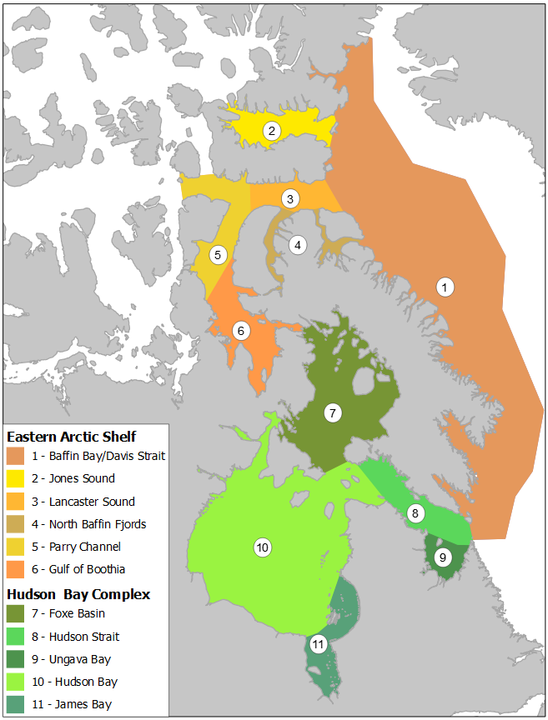
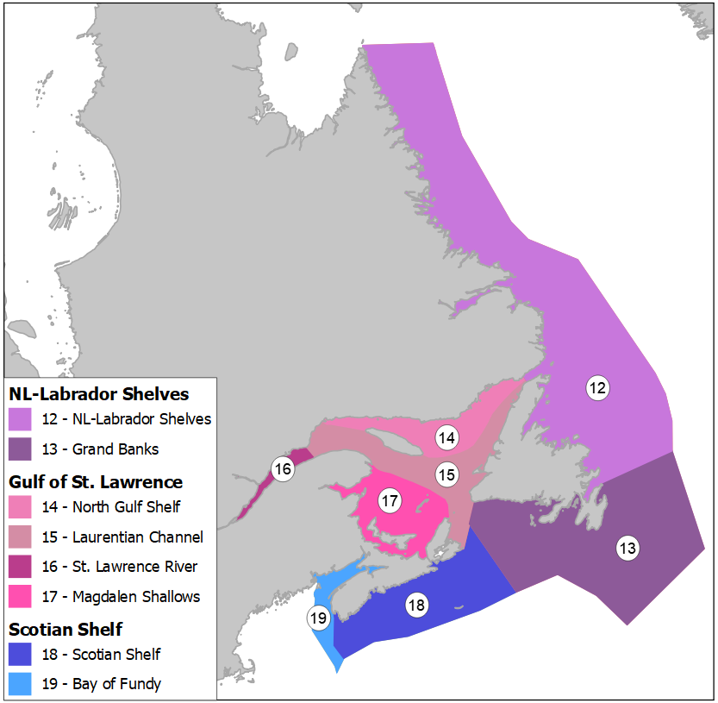
 |  |  |  | Lancaster Sound | 4 | Lancaster Sound-4
 |  |  |  | Parry Channel | 5 | Parry Channel-5
 |  |  |  | Gulf of Boothia | 6 | Gulf of Boothia-6
 |  |  | Hudson Bay Complex | Foxe Basin | 7 | Foxe Basin-7
 |  |  |  | Hudson Strait | 8 | Hudson Strait-8
 |  |  |  | Ungava Bay | 9 | Ungava Bay-9
 |  |  |  | Hudson Bay | 10 | Hudson Bay-10
 |  |  |  | James Bay | 11 | James Bay-11
 |  |  | Newfoundland-Labrador Shelves | NL-Labrador Shelves | 12 | NL-Labrador Shelves-12
 |  |  |  | Grand Banks | 13 | Grand Banks-13
 |  |  | Gulf of St. Lawrence | North Gulf Shelf | 14 | North Gulf Shelf-14
 |  |  |  | Laurentian Channel | 15 | Laurentian Channel-15
 |  |  |  | St. Lawrence River | 16 | St. Lawrence River-16
 |  |  |  | Magdalen Shallows | 17 | Magdalen Shallows-17
 |  |  | Scotian Shelf | Scotian Shelf | 18 | Scotian Shelf-18
 |  |  |  | Bay of Fundy | 19 | Bay of Fundy-19

