Sheet1
 |  |  |  | train |  | no_train
 |  | accuracy | top_accuracy | disease_only | with_genes | disease_only | with_genes
Gcn_no_feat | 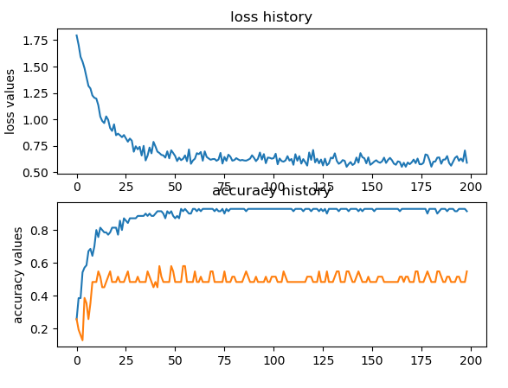 | Epoch: 195, Train: 0.9286, Test: 0.5161 | !!!!! epoch = 43 = [0.5806451612903226, 0.5483870967741935, 0.4838709677419355] !!!!!!! | 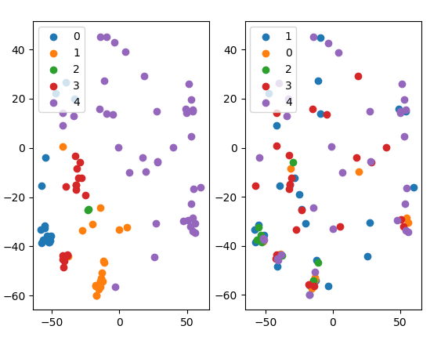 | 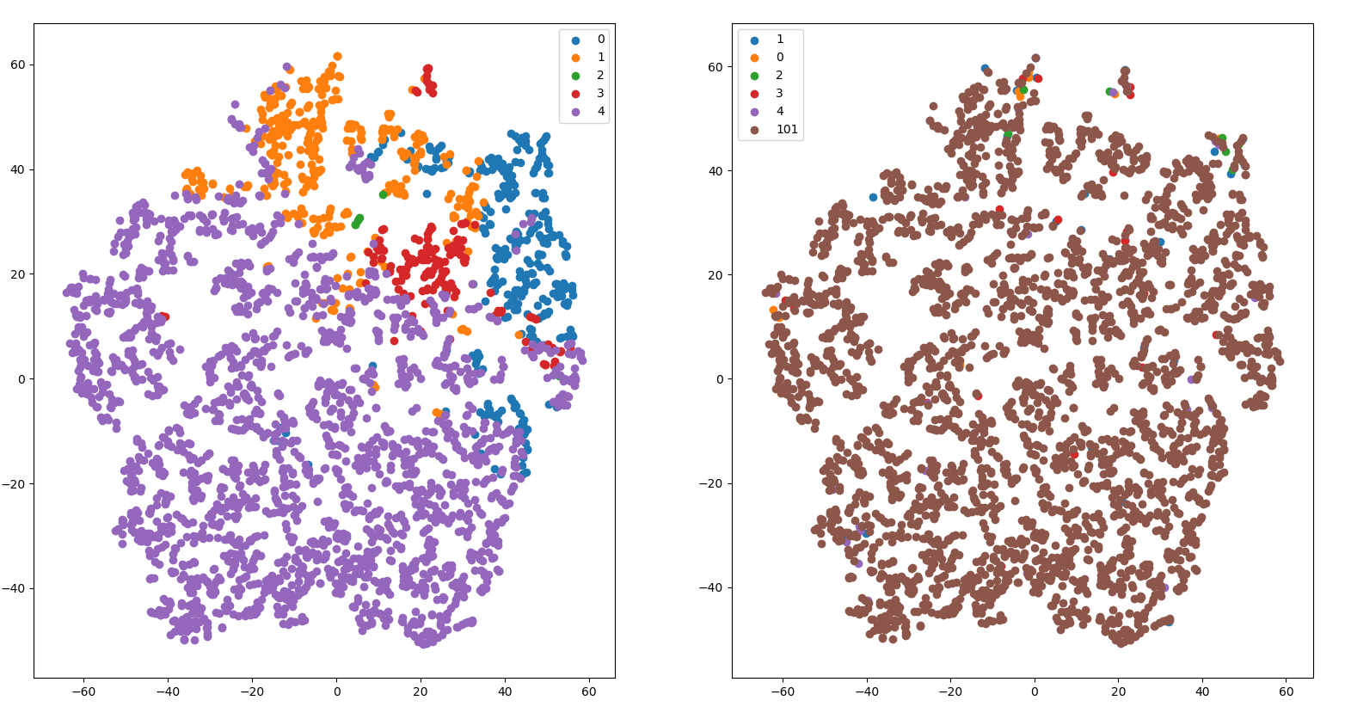 | 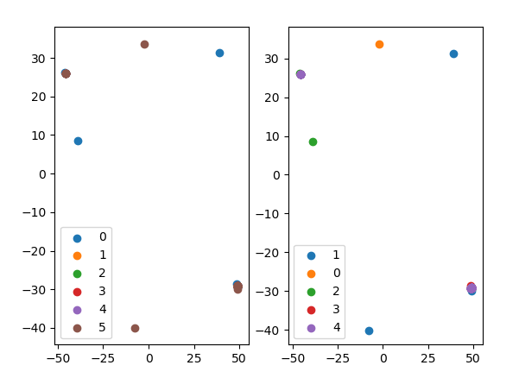 | 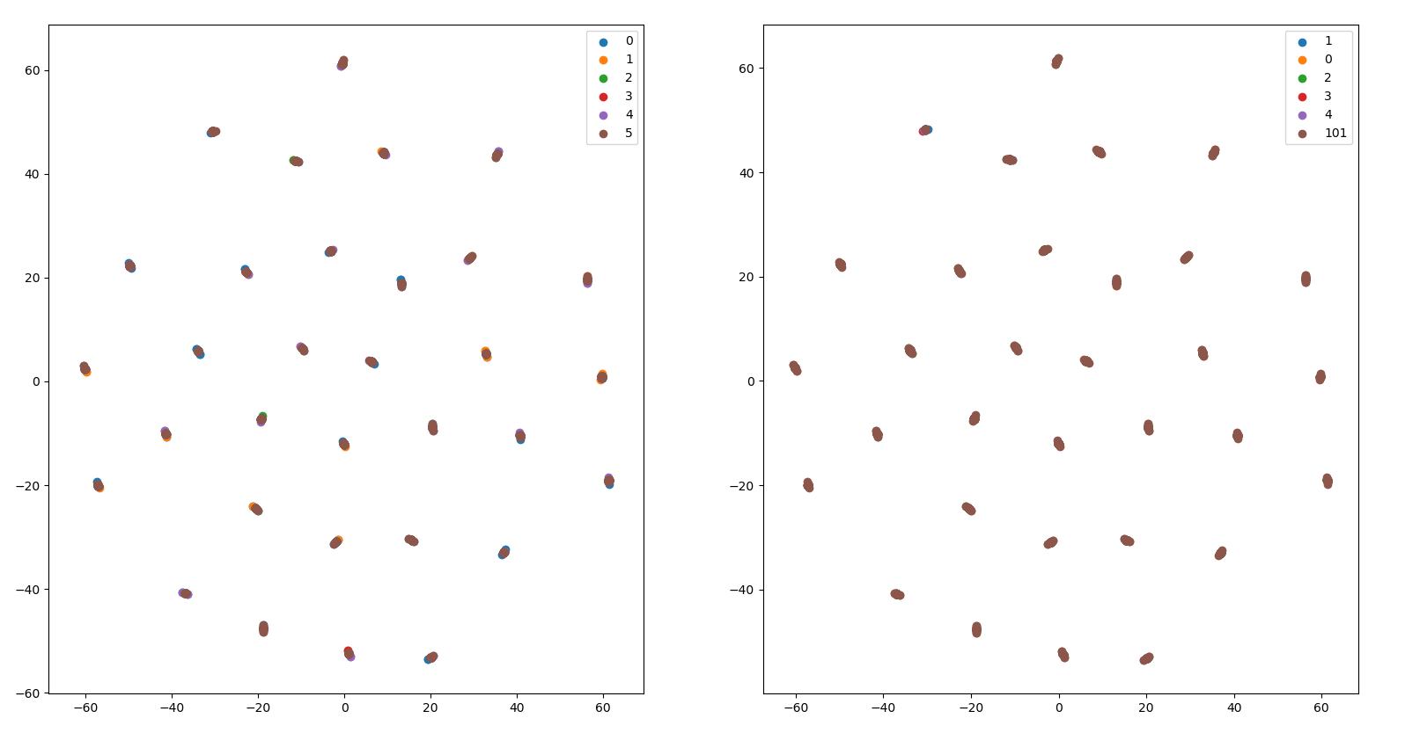
 |  | Epoch: 196, Train: 0.9286, Test: 0.4839
 |  | Epoch: 197, Train: 0.9286, Test: 0.4839
 |  | Epoch: 198, Train: 0.9286, Test: 0.4839
 |  | Epoch: 199, Train: 0.9143, Test: 0.5484
Gcn_bine | 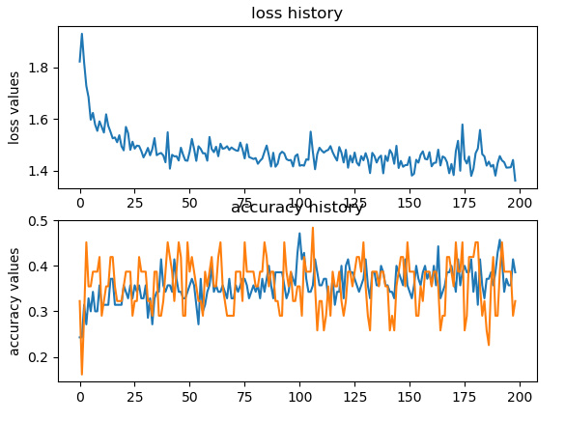 | Epoch: 195, Train: 0.4429, Test: 0.3548 | !!!!! epoch = 43 = [0.5806451612903226, 0.5483870967741935, 0.4838709677419355] !!!!!!! |  | 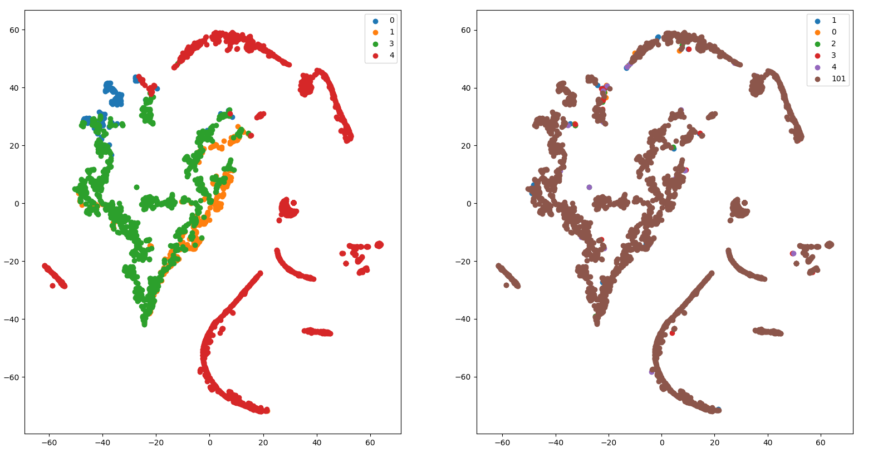
 |  | Epoch: 196, Train: 0.5000, Test: 0.3226
 |  | Epoch: 197, Train: 0.3286, Test: 0.2258
 |  | Epoch: 198, Train: 0.4000, Test: 0.3548
 |  | Epoch: 199, Train: 0.3857, Test: 0.3226

Gcn_attention_walk | 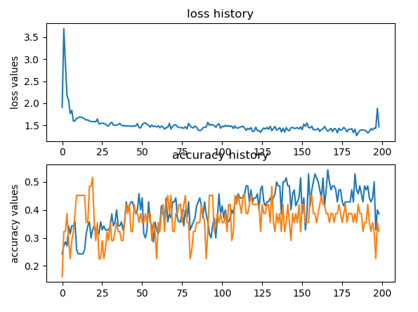 | Epoch: 195, Train: 0.4429, Test: 0.3548 | !!!!! epoch = 20 = [0.5161290322580645, 0.4838709677419355, 0.45161290322580644] !!!!!!! |  | 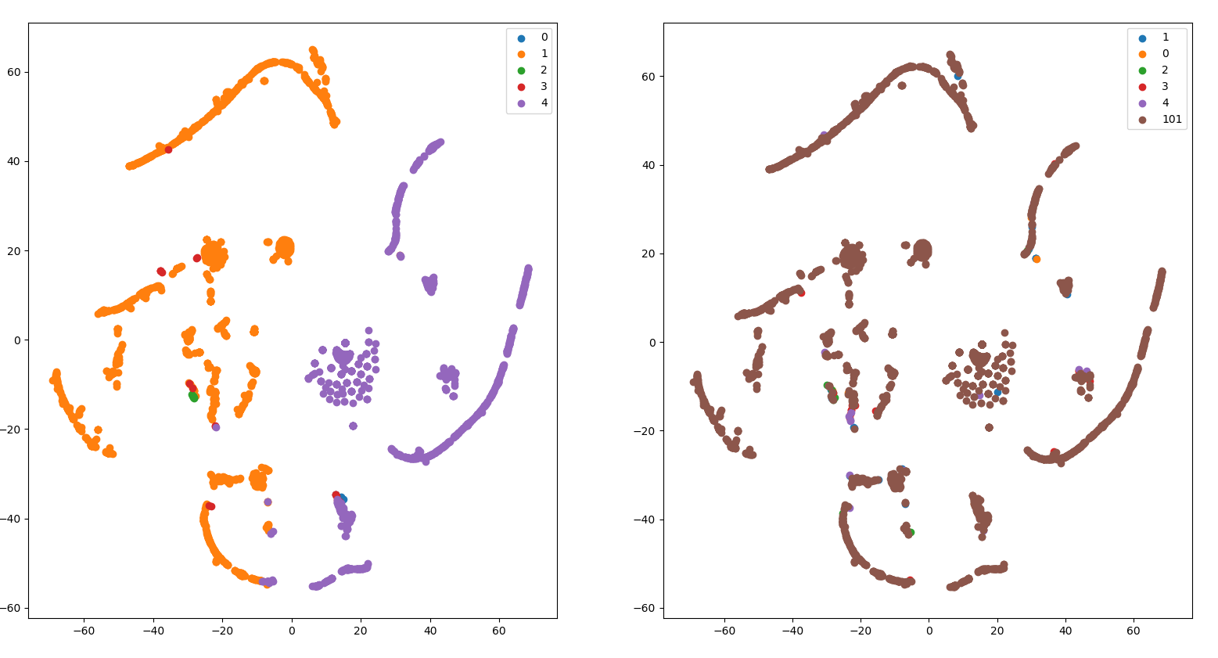 |  | 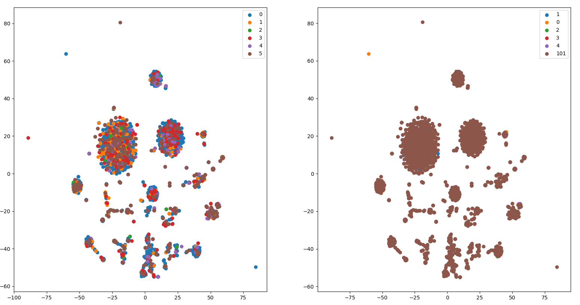
 |  | Epoch: 196, Train: 0.5000, Test: 0.3226
 |  | Epoch: 197, Train: 0.3286, Test: 0.2258
 |  | Epoch: 198, Train: 0.4000, Test: 0.3548
 |  | Epoch: 199, Train: 0.3857, Test: 0.3226

Gcn_node2vec | 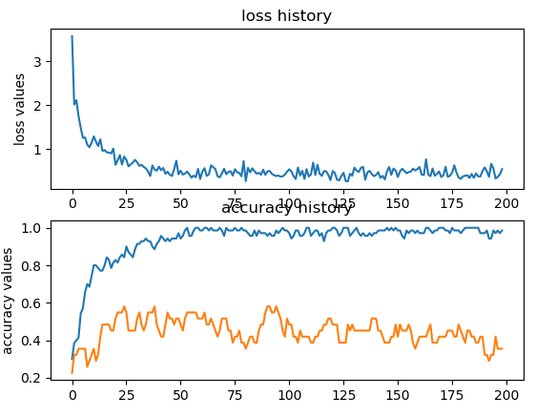 | Epoch: 195, Train: 0.9857, Test: 0.3226 | !!!!! epoch = 25 = [0.5806451612903226, 0.5483870967741935, 0.5161290322580645] !!!!!!! |  | 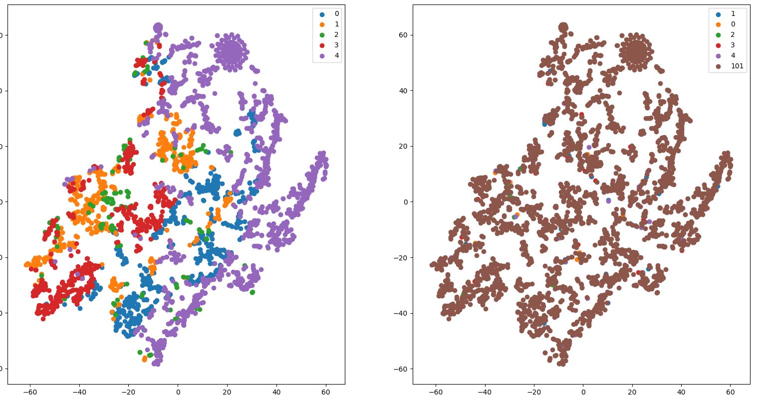
 |  | Epoch: 196, Train: 0.9714, Test: 0.4194
 |  | Epoch: 197, Train: 0.9857, Test: 0.3548
 |  | Epoch: 198, Train: 0.9714, Test: 0.3548
 |  | Epoch: 199, Train: 0.9857, Test: 0.3548

logist_no_feat | Misclassified samples: 17
 | Accuracy: 0.76
 | For test data
 | Misclassified samples: 23
 | Accuracy: 0.26
logist_bine | Misclassified samples: 24
 | Accuracy: 0.66
 | For test data
 | Misclassified samples: 19
 | Accuracy: 0.39
logist_attentionwalk | Misclassified samples: 44
 | Accuracy: 0.37
 | For test data
 | Misclassified samples: 24
 | Accuracy: 0.23
logist_node2vec | Misclassified samples: 8
 | Accuracy: 0.89
 | For test data
 | Misclassified samples: 15
 | Accuracy: 0.52
Gat_no_feat
Gat_attention_walk
Gat_bine

