Sheet1
MAX32570 Antenna Matching Network Design

Step1. Define targets of the matching network
Define | Rmatch | 7 | Ohm
Define | Q | 20
Define | Fcutoff | 21 | MHz

Step2. Measure the antenna impedance
Measure | La | 1265 | nH
Measure | Ra | 1.3 | Ohm |  |  |  |  | Frequency of operation:
Estimate | Ca | 0.1 | pF |  |  |  |  | 13.56 | MHz

Step3. EMC filter design
Select | Le | 470 | nH | Finalize | L8,L9 | 470 | nH
Calculate | Ce | 122.20917601 | pF | Finalize | C72,C74 | 68 | pF
 |  |  |  | Finalize | C73,C75 | 56 | pF

Step4. Q-tuning resistor
Calculate | Rq | 2.0444497712 | Ohm | Finalize | R2,R5 | 1.5 | Ohm

Step5.Impedance matching design
Calculate | Cs | 67.079422094 | pF | Finalize | C1,C10 | 24 | pF
Calculate | Cp | 107.12100838 | pF | Finalize | C2,C9 | 43 | pF
 |  |  |  | Finalize | C5 | 43 | pF
 |  |  |  | Finalize | C6 | 3 | pF

Step6. Resistive divider resistor for receiver
Initial | Rr | 10 | kOhm | Finalize | R1,R2 | 8.2 | kOhm

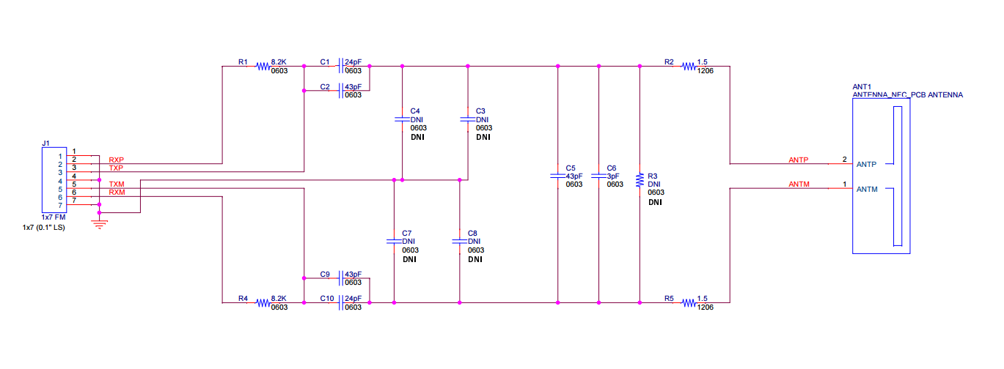
Finalized matching circuit schematic:
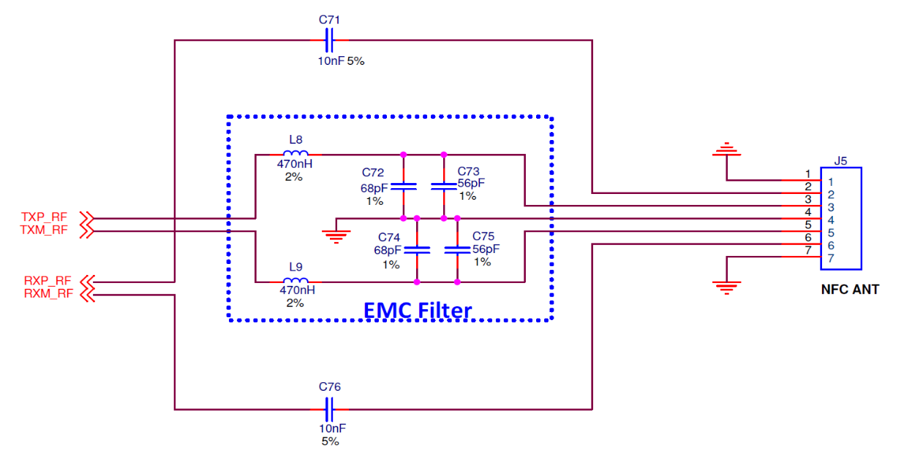

 |  |  |  |  |  |  |  |  |  |  |  |  |  | 21
 |  |  |  |  |  |  |  |  |  |  |  |  |  | 137
 |  |  |  |  |  |  |  |  |  |  |  |  |  | 2156
 |  |  |  |  |  |  |  |  |  |  |  |  |  | 2156

 |  |  |  |  |  |  |  |  |  | 0.57694322065 | 0.33286347985 | 0.03697679686 | 0.001367283506

 |  |  |  |  |  |  |  |  |  | f | 13.56 | MHz
 |  |  |  |  |  |  |  |  |  | omega | 85199992.765 | 1/s

