Sheet1
Specifications
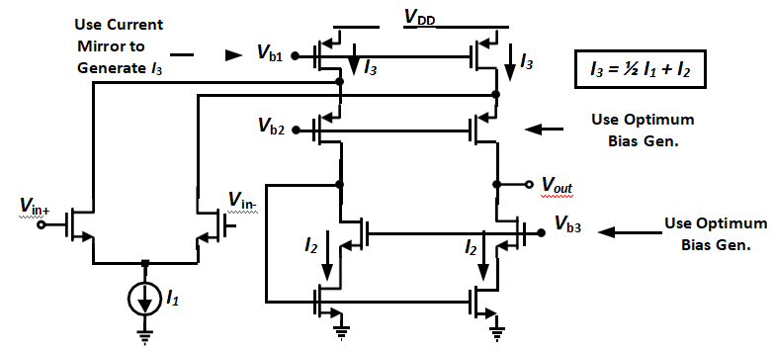
DC Gain

