Sheet5
Count of Name | Column Labels
Row Labels | Middle | Young | Senior | Grand Total
Arthritis | 35.66% | 16.82% | 47.51% | 100.00%
Asthma | 27.68% | 42.77% | 29.55% | 100.00%
Cancer | 37.28% | 19.25% | 43.47% | 100.00%
Diabetes | 37.94% | 23.43% | 38.63% | 100.00%
Hypertension | 39.35% | 23.20% | 37.45% | 100.00%
Obesity | 43.09% | 24.71% | 32.21% | 100.00%
Grand Total | 37.02% | 24.85% | 38.13% | 100.00%

Sheet6
Count of Name | Column Labels
Row Labels | A- | A+ | AB- | AB+ | B- | B+ | O- | O+ | Grand Total
Arthritis | 11.97% | 12.22% | 12.22% | 13.80% | 11.41% | 12.41% | 13.17% | 12.79% | 100.00%
Asthma | 12.84% | 13.55% | 11.87% | 11.48% | 12.52% | 12.32% | 11.87% | 13.55% | 100.00%
Cancer | 12.26% | 12.20% | 11.48% | 12.14% | 13.05% | 13.05% | 12.57% | 13.24% | 100.00%
Diabetes | 12.97% | 11.92% | 13.39% | 12.69% | 13.74% | 12.34% | 12.13% | 10.81% | 100.00%
Hypertension | 12.06% | 12.30% | 12.85% | 12.44% | 12.02% | 13.09% | 12.81% | 12.44% | 100.00%
Obesity | 12.35% | 12.29% | 14.69% | 12.97% | 12.66% | 11.19% | 11.92% | 11.92% | 100.00%
Grand Total | 12.38% | 12.41% | 12.75% | 12.58% | 12.52% | 12.44% | 12.44% | 12.48% | 100.00%

Sheet4
Medical condition | Female | Male |  | Age | age group
Arthritis | 52% | 48% |  | 18 | Young
Asthma | 48% | 52% |  | 19 | Young
Cancer | 51% | 49% |  | 20 | Young
Diabetes | 58% | 42% |  | 21 | Young
Hypertension | 39% | 61% |  | 22 | Young
Obesity | 62% | 38% |  | 23 | Young
 |  |  |  | 24 | Young
 |  |  |  | 25 | Young
 |  |  |  | 26 | Young
 |  |  |  | 27 | Young
 |  |  |  | 28 | Young
 |  |  |  | 29 | Young
 |  |  |  | 30 | Young
 |  |  |  | 31 | Young
 |  |  |  | 32 | Young
 |  |  |  | 33 | Young
 |  |  |  | 34 | Young
 |  |  |  | 35 | Middle
Medical condition | Young | Middle | Senior | 36 | Middle
Arthritis | 17% | 36% | 48% | 37 | Middle
Asthma | 43% | 28% | 30% | 38 | Middle
Cancer | 19% | 37% | 43% | 39 | Middle
Diabetes | 23% | 38% | 39% | 40 | Middle
Hypertension | 23% | 39% | 37% | 41 | Middle
Obesity | 25% | 43% | 32% | 42 | Middle
 |  |  |  | 43 | Middle
 |  |  |  | 44 | Middle
 |  |  |  | 45 | Middle
 |  |  |  | 46 | Middle
 |  |  |  | 47 | Middle
 |  |  |  | 48 | Middle
 |  |  |  | 49 | Middle
 |  |  |  | 50 | Middle
 |  |  |  | 51 | Middle
 |  |  |  | 52 | Middle
 |  |  |  | 53 | Middle
 |  |  |  | 54 | Middle
 |  |  |  | 55 | Middle
 |  |  |  | 56 | Middle
 |  |  |  | 57 | Middle
 |  |  |  | 58 | Middle
 |  |  |  | 59 | Middle
 |  |  |  | 60 | Middle
 |  |  |  | 61 | Old
 |  |  |  | 62 | Old
 |  |  |  | 63 | Old
 |  |  |  | 64 | Old
 |  |  |  | 65 | Old
 |  |  |  | 66 | Old
 |  |  |  | 67 | Old
 |  |  |  | 68 | Old
 |  |  |  | 69 | Old
 |  |  |  | 70 | Old
 |  |  |  | 71 | Old
 |  |  |  | 72 | Old
 |  |  |  | 73 | Old
 |  |  |  | 74 | Old
 |  |  |  | 75 | Old
 |  |  |  | 76 | Old
 |  |  |  | 77 | Old
 |  |  |  | 78 | Old
 |  |  |  | 79 | Old
 |  |  |  | 80 | Old
 |  |  |  | 81 | Old
 |  |  |  | 82 | Old
 |  |  |  | 83 | Old
 |  |  |  | 84 | Old
 |  |  |  | 85 | Old

Sheet7
 |  |  | Medical condition |  |  |  |  |  |  | rt |  | Medical condition
 |  |  | Arthritis | Asthma | Cancer | Diabetes | Hypertension | Obesity | Total |  |  | Arthritis | Asthma | Cancer | Diabetes | Hypertension | Obesity | Total | 100 SF
 | demo segment | Senior_Female | 386 | 237 | 324 | 338 | 324 | 349 | 1958 | demo segment | Senior_Female | 20% | 12% | 17% | 17% | 17% | 18% | 100%
 |  | Middle_Male | 263 | 255 | 255 | 261 | 561 | 240 | 1835 |  | Middle_Male | 14% | 14% | 14% | 14% | 31% | 13% | 100%
 |  | Senior_Male | 368 | 221 | 392 | 216 | 483 | 175 | 1855 |  | Senior_Male | 20% | 12% | 21% | 12% | 26% | 9% | 100%
 |  | Middle_Female | 303 | 174 | 359 | 283 | 287 | 461 | 1867 |  | Middle_Female | 16% | 9% | 19% | 15% | 15% | 25% | 100%
 |  | Young_Male | 135 | 332 | 164 | 132 | 275 | 197 | 1235 |  | Young_Male | 11% | 27% | 13% | 11% | 22% | 16% | 100%
 |  | Young_Female | 132 | 331 | 153 | 204 | 225 | 205 | 1250 |  | Young_Female | 11% | 26% | 12% | 16% | 18% | 16% | 100%
 |  | Total | 1587 | 1550 | 1647 | 1434 | 2155 | 1627 | 10000 |  | Total | 16% | 16% | 16% | 14% | 22% | 16% | 100%
Medical condition vs Demographic Variable
ct |  |  | Medical condition
 |  |  | Arthritis | Asthma | Cancer | Diabetes | Hypertension | Obesity | Total
 | demo segment | Senior_Female | 24% | 15% | 20% | 24% | 15% | 21% | 20%
 |  | Middle_Male | 17% | 16% | 15% | 18% | 26% | 15% | 18%
 |  | Senior_Male | 23% | 14% | 24% | 15% | 22% | 11% | 19%
 |  | Middle_Female | 19% | 11% | 22% | 20% | 13% | 28% | 19%
 |  | Young_Male | 9% | 21% | 10% | 9% | 13% | 12% | 12%
 |  | Young_Female | 8% | 21% | 9% | 14% | 10% | 13% | 13%
 |  | Total | 100% | 100% | 100% | 100% | 100% | 100% | 100%

 | 100 arthritis

 |  |  |  |  |  |  |  |  |  |  | Hypertension is more prominent amongst males, overall. Middle aged male are more suffering from hyper tension, close to 31%
 |  |  |  |  |  |  |  |  |  |  | Young generation, irrespective of their gender, is more prone to Asthma.
 |  |  |  |  |  |  |  |  |  |  | Arthritis increases with age, irrespective of gender.

Communication
31% of all middle males suffer from hypertension; age and gender plays a major role in medical condition

Header - Demographic analysis of medical conditions (Talking Head)

header

Sub header - Analyzed different segments based on age & gender to their most prevalent medical condition; Blood type doesnt play a role
sub-header
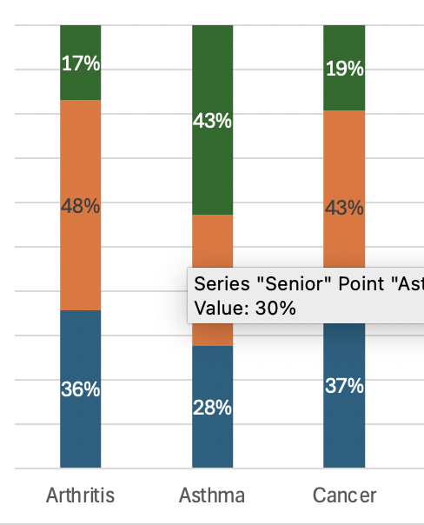
KEY INSIGHTS
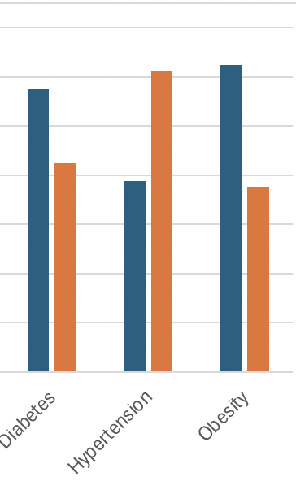
* Younge people suffer more from asthma* * Old people generally siuffer from XYZ

insights

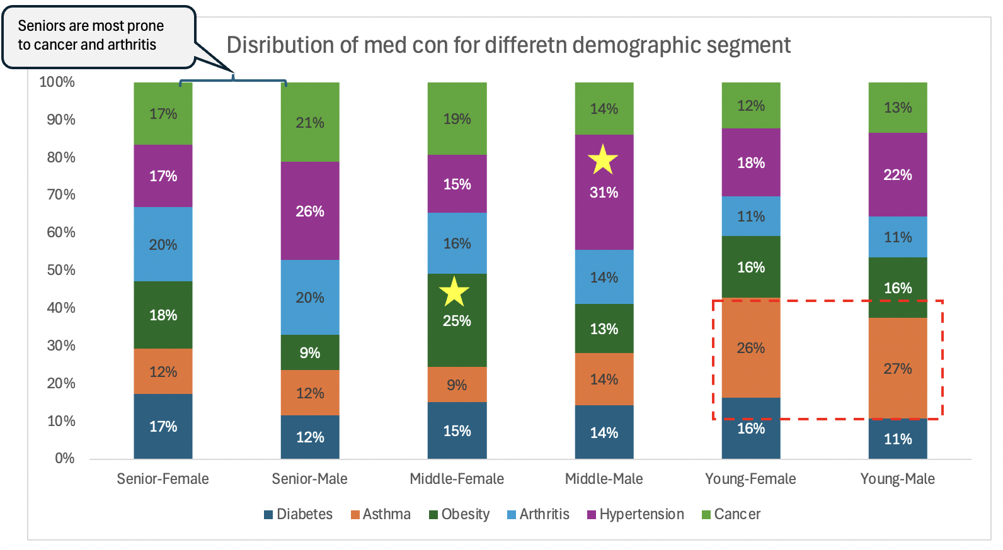

graphical section

chart no 2

* gender plays a role in XYZ disease * Old people generally siuffer more from XYZ
KEy INSIGHTS

(optional) Takeaway box - talks about key recommendation/takewaways - Next steps
recommendation box, conclusion box

Data source - American Hospitals xyz dataset * additional details. # refer to tab 4 for more details on clkeaning
Data Time - Oct' 2018 to Oct'23. Data size - 10k patients across 8.8k hospitals
Caveats there were 8.8k hospitals in the data so hospital wasn't analysed; bno location information was present; blood type doesnt play any role
Mapping used - Young (18-25 years) ; Middle (<60 years) old (>=60 years)
additional information | 3C - complete

