What_If_Analysis
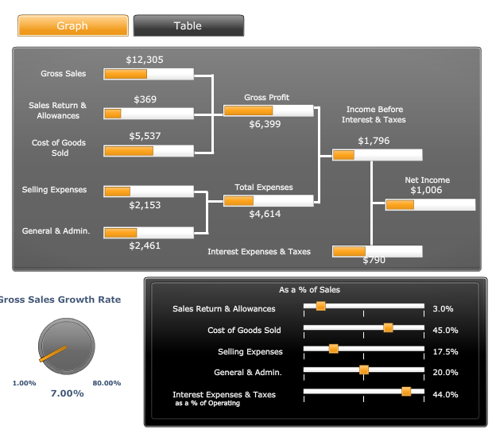
Income Statement
 | 2022 | 2021
Revenues
Gross Sales | 12305 | 11500 | 7% | Growth Rate
Sales Returns & Allowances | 369.15 | 500 | 3% | as a % of Sales
Net Sals | 11935.85 | 11000
Cost of Goods Sold | 5537.25 | 5550 | 45%
Gross Profit | 6398.6 | 5450
Selling Expenses | 2153.375 | 1900 | 17.50% | as a % of Sales
General & Admin | 2461 | 1099 | 20% | as a & of Sales
Operating Incomes | 1784.225 | 2451
Other Income | 12 | 25
Income Before Interest & Taxes | 1796.225 | 2476
Interest Expenses & Taxes | 790.339 | 990 | 44% | as a % of EBIT
Net Income | 1005.886 | 1486

Total Expenses | 5404.714

