LOGICAL
IF EXAMPLE 1
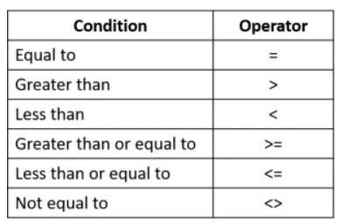
Name | Score | Result |  | Passing Marks | 75
Deborah | 93 | Pass
Adam | 65 | Fail
Brooke | 58 | Fail
James | 79 | Pass
Rob | 41 | Fail
Kata | 60 | Fail

IF EXAMPLE 2

Name | Spent | Inc of Discount |  | Discount | 3000
Claire | $1,642.00 | $1,642.00
Julie | $3,456.00 | $2,764.80
Max | $1,543.00 | $1,543.00
Ben | $3,672.00 | $2,937.60
Courtney | $3,610.00 | $2,888.00

AND

Name | Score 1 | Score2 | Result
Claire | 93 | 80 | TRUE
Julie | 65 | 91 | TRUE
Max | 50 | 72 | FALSE
Ben | 78 | 93 | TRUE
Courtney | 38 | 30 | FALSE

OR

Name | Score 1 | Score2 | Result
Claire | 93 | 80 | TRUE
Julie | 65 | 91 | TRUE
Max | 50 | 72 | TRUE
Ben | 78 | 93 | TRUE
Courtney | 38 | 30 | FALSE

