Sheet1
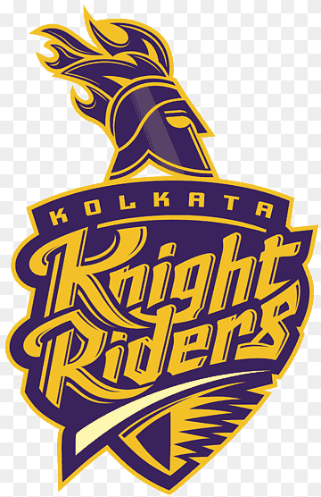
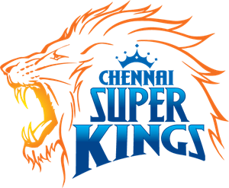
Year | Winner | Runner Up | logo
2024 | Kolkata Knight Riders | Sunrisers Hyderabad
2023 | Chennai Super Kings | Gujarat Titans
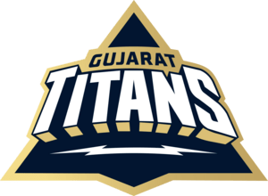
2022 | Gujarat Titans | Rajasthan Royals
2021 | Chennai Super Kings | Kolkata Knight Riders
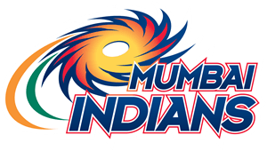
2020 | Mumbai Indians | Delhi Capitals
2019 | Mumbai Indians | Chennai Super Kings
2018 | Chennai Super Kings | Sunrisers Hyderabad
2017 | Mumbai Indians | Rising Pune Supergiants
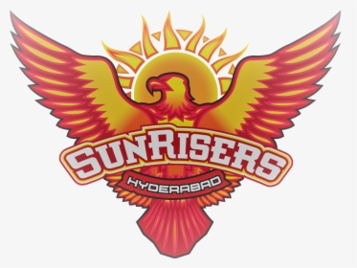
2016 | Sunrisers Hyderabad | Royal Challengers Bangalore
2015 | Mumbai Indians | Chennai Super Kings
2014 | Kolkata Knight Riders | Kings XI Punjab
2013 | Mumbai Indians | Chennai Super Kings
2012 | Kolkata Knight Riders | Chennai Super Kings
2011 | Chennai Super Kings | Royal Challengers Bangalore
2010 | Chennai Super Kings | Mumbai Indians
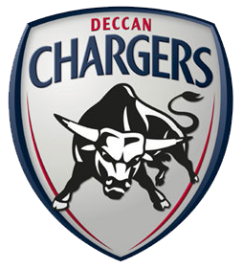
2009 | Deccan Chargers | Royal Challengers Bangalore
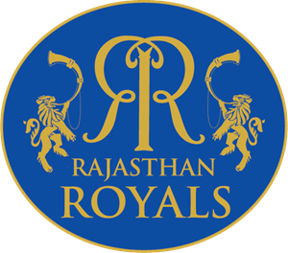
2008 | Rajasthan Royals | Chennai Super Kings

