GZ Competitors AND WACC
 |  |  |  |  | This 3 can consider as competitor as GZ consider themself as C-store |  |  |  |  |  | CASY | ANCUF | ANCADRNY
Column1 | CMG | SFM | VLGEA | KR | CASY | ANCUF | ANCADRNY | WMT |  |  | C-Store | C-Store | C-Store
Positioning | Fast Casual | Natural & Organie | Grocery | Grocery | C-Store | C-Store | C-Store | Supercenters and Wholesalers |  | TTM Revenues ($ Bil) | 9400000000 | 58500000000 | 64500000000
 |  |  |  |  |  |  |  |  |  | EBITDA ($ Mil) | 586900000000 | 3700000000000 | 4300000000000
TTM Revenues ($ Bil) | 5.2 | 5.4 | 1.6 | 120.9 | 9.4 | 58.5 | 64.5 | 518 |  | Ent. Value to EBITDA | 12500000000 | 11700000000 | 5900000000
EBITDA ($ Mil) | 644.4 | 369.5 | 67.3 | 5,700.00 | 586.9 | 3,700.00 | 4,300.00 | 31.7 | Industry EV/Revenue | 1.329787234 | 0.2 | 0.091472868217 | Avg | 0.54
3yr Revenue growth rate % | 2.60% | 13.20% | 0.60% | 3.30% | 9.50% | 20.10% | 18% | 2.20% | Industry EV/EBITDA | 0.021298347248 | 0.0031621621622 | 0.0013720930233 | Avg | 0.0086
ROE % | 17% | 25.10% | 7.90% | 23.40% | 15.70% | 22.20% | 12.40% | 18.20%
ROIC % | 6% | 9.40% | 6.70% | 9% | 8% | 12.30% | 10.80% | 10.80%
EBITDA Margin % | 12.40% | 6.80% | 4.10% | 4.70% | 6.30% | 6.30% | 6.70% | 6.10%
Net Margin | 4.80% | 2.60% | 1.50% | 1.50% | 2.30% | 3.30% | 2.70% | 2.50% | If 1-Store expasion in Portland | 2020 | 2021 | 2022 | 2023 | 2024 | 2025

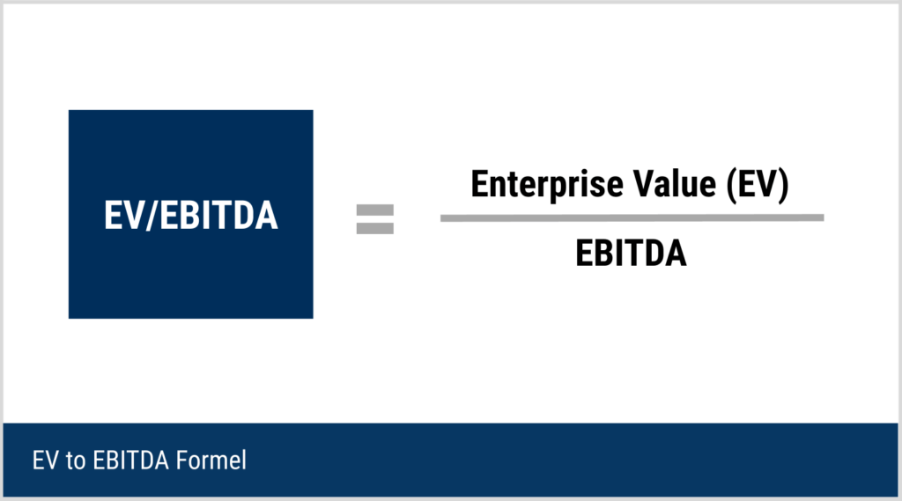
Market Capitalization ($ Bil) | 23.4 | 2.3 | 0.3727 | 20.6 | 6.2 | 35.2 | 27.2 | 334.5 | Projected Revenue | 17,100,000 | 18,297,000 | 19,211,850 | 19,980,324 | 20,379,930 | 20,583,730
Enterprise Value ($ Bil) | 14.5 | 3.9 | 0.3169 | 40.5 | 7.3 | 43.5 | 28.4 | 398.2 | EV | 9241182.5829 | 9888065.3637 | 10382468.632 | 10797767.377 | 11013722.725 | 11123859.952
Book Value |  |  |  |  |  |  |  |  | Net Debt | $8,101,978 | $8,168,172 | $8,209,889 | $8,255,690 | $8,279,507 | $8,291,653
 |  |  |  |  |  |  |  |  | Equity Value | $1,139,205 | $1,719,893 | $2,172,579 | $2,542,077 | $2,734,216 | $2,832,207
D/E | 1.8 | 3.2 | 0.2 | 2.4 | 0.9 | 1 | 0.3 | 1.1
Interest Bearing Debt ($) | 2.7 | 1.7 | 0.1 | 20.6 | 1.4 | 9.4 | 3.9 | 74.7 | If 3-Store expansion in Seattle
Shareholders Equity ($) | 1.5 | 0.5 | 0.3 | 8.5 | 1.5 | 9.7 | 13.6 | 77.1 | Projected Revenue | $25,855,557 | $41,483,057 | $59,273,395 | $76,321,037 | $94,233,061 | $109,271,364
Bond Rating | na | na | na | Baa | na | na | na | AA | EV | 13972860.995 | 22418274.916 | 32032530.346 | 41245417.492 | 50925434.035 | 59052434.044
 |  |  |  |  |  |  |  |  | Net Debt | $3,592,728 | $8,970,373 | $9,374,560 | $9,750,139 | $10,120,070 | $10,406,806
Beta coefficient | 1.1 | 0.3 | 0.6 | 0.8 | 0.8 | 0.5 | 0.2 | 0.7 | Equity Value | $10,380,133 | $13,447,902 | $22,657,971 | $31,495,278 | $40,805,364 | $48,645,628
Ent. Value to EBITDA | 39 | 10.5 | 4.7 | 7.3 | 12.5 | 11.7 | 5.9 | 12.6
Price / Sales | 4.5 | 0.4 | 0.2 | 0.2 | 0.7 | 0.6 | 0.4 | 0.7 | Share price becuase of VC Investment
WACC, % (2019) | 8.60% | 3.70% | 5.30% | 5.40% | 6.20% | 4.30% | 1.60% | 5.30% | New Equity Investment | 12000000
 |  |  |  |  |  |  |  |  | New Shares Issued | 11146367
 |  |  |  |  |  |  |  |  | Share price | 1.0765839668
 |  |  |  | Calculation of Relevent Industry WACC |  |  |  |  | Total shares outstanding after the VC investment | 42859839
 |  |  |  | Relevent Competitor | CASY | ANCUF | ANCADRNY |  | Total Valution | 46142215.486
 |  |  |  |  | C-Store | C-Store | C-Store
Data Given |  |  |  | Beta coefficient | 0.8 | 0.5 | 0.2
Risk Free Rate (Rf) | 1.80% |  |  | D/E | 0.9 | 1 | 0.3 |  |  | Pre-Vc | Post Vc
Market Risk Premimum (Rm-Rf) | 5.90% |  | Step-1 | Beta_Asset | 0.48703275295 | 0.25 | 0.15384615385 |  | Sedlar share number | 5323542 | 5323542
Industry Beta (ß) | 0.59 |  |  | AV. D/E | 0.73333333333 |  |  |  | Percentage | 31.84% | 12.42%
Tax Rate | 28.60% | Oregon Tax Rates & Rankings | Tax Foundation |  | Av. Beta_Asset | 0.2969596356 |  |  |  | Price of total owner ship by Equity value (2025) | $901,781 | $6,042,184.21
Equity € | 9173230 |  | Step-2 | Industry Average Levered Beta | 0.19490656051
Debt (D) | 8543497
 |  |  |  | Industry Cost of Equity | 2.95%
 |  |  |  | WACC, % (2019) | 6.20% | 4.30% | 1.60%
WACC Calculation of GZ |  |  |  | E/V | 0.53 | 0.50 | 0.77
Total Capital (E+D) | 17716727 |  |  | D/V | 0.47 | 0.50 | 0.23
Weight of Equity (We) | 0.5177722725 |  |  | Cost of debt | 13.74% | 7.91% | -4.06%
Weight of Debt (D) | 0.4822277275 |  |  | Industry Cost of Debt | 5.86%
Levered Beta | 0.35435762782 |  |  | Av. E/V | 0.60
Cost of Equity Return (Re) | 3.89% |  |  | AV. D/V | 0.40
Industry Average Cost of Debt | 5.86% |  |  | Industry WACC | 3.45%
WACC | 4.84%
 |  |  |  |  |  |  |  | WACC to kon yaer ta nibo as a discount rate hisabe?

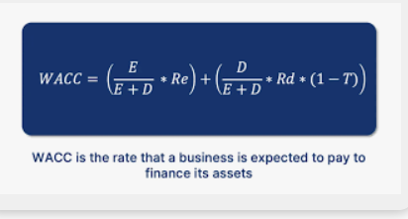

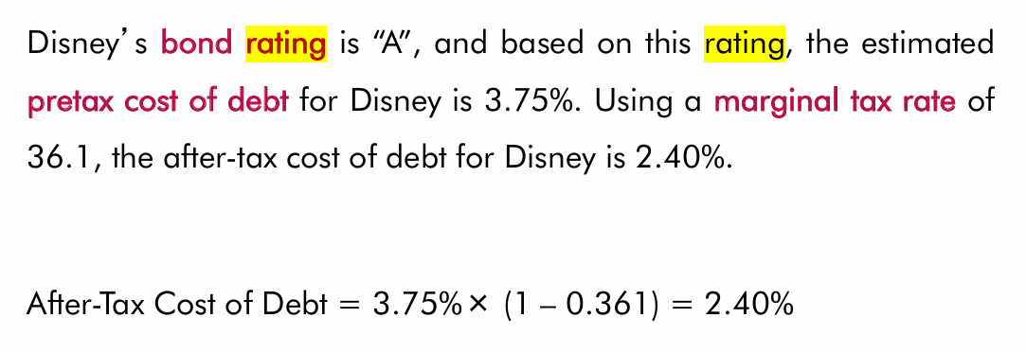

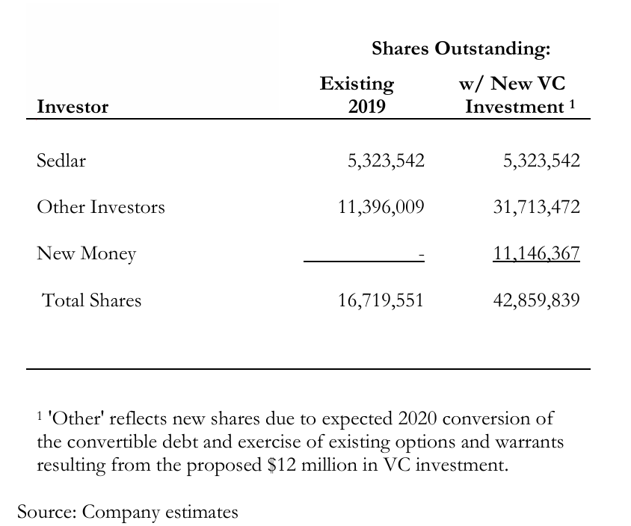

 |  | Calculation of Pre-Money Valution
 |  | Per Share Price | 1.0765839668
 |  | Pre-Money Valuation | 18000000.538

3‐Store Seattle Expan
 |  |  |  |  | Depreciation
 | 1-Store Seattle Expansion | 1250000 | 3750000 |  | 750000
 | pre-opening costs | 94100
 | advertasement | 7700
 | working capital 1% next year revenue | 45000
 | Site selection | 33333.333333
 | Total up front cost for 1 store | 1430133
 | Total up front cost is x3 | 4290400 | needed |  |  | Year | Payroll & Benefits | Occupancy & Other | Advertising & Marketing | Total Operating Expenses of sale
 |  |  | interest rate | 12.50% |  | 1 | 18.90% | 11.50% | 1.00% | 31.40%
 |  |  |  |  |  | 2 | 18.70% | 11.50% | 1.00% | 31.20%
Other given data |  |  |  |  |  | 3 | 18.50% | 11.50% | 1.00% | 31.00%
 | Item | Value / Rate |  |  |  | 4 | 18.30% | 11.50% | 1.00% | 30.80%
 | 2020 Sales (4 total stores) | 4500000 |  |  |  | 5 | 18.10% | 11.50% | 1.00% | 30.60%
 | Sales Growth (2021–2025) | in 2020 4.5M, then +10%, +10%, +5%, +2%, +1% |  |  |  | 6 | 18.00% | 11.50% | 1.00% | 30.50%
 | COGS (% Sales) | 60%, 59% , 59% , 58.50% , 58.50% , 58% |  |  |  |  |  |  |  |  | 31.40% | 31.20% | 31.00% | 30.80% | 30.60% | 30.50%
 | Operating Expenses | 31.40% , 31.20% , 31.00% , 30.80% , 30.60% , 30.50%

 | Depreciation (2020-25)
 | Interest Expense Rate
 | State Tax | 15,000 per year (minimum) AND 28.6% if pofitable (7.6% state and 21% federal tax) |  |  |  | $9,218,289.47
 | Forecast year | 2020–2025

 |  |  |  |  | 3 store expantion sale | $13,500,000 | $14,850,000 | $16,335,000 | $17,151,750 | $18,009,338 | $18,189,431
 |  |  |  |  | cogs |  | 60.00% | 59.00% | 59.00% | 58.50% | 58.00%
 |  |  |  |  | Total Operating Expenses of sale | 31.40% | 31.20% | 31.00% | 30.80% | 30.60% | 30.50%
 | Working Capital (WC) Assumptions from exibit 7: |  |  |  | Income Statement (2020-2025):
 |  |  |  |  | Item | 2020 | 2021 | 2022 | 2023 | 2024 | 2025
 | Cash: 2% of sales. |  |  |  | Sales | $13,500,000 | $14,850,000 | $16,335,000 | $17,151,750 | $18,009,338 | $18,189,431
 | Inventory: 6.3% of COGS. |  |  |  | COGS | $8,100,000 | $8,910,000 | $9,637,650 | $10,119,533 | $10,535,463 | $10,549,870 | 3 store and existing 3 store have different cogs
 | Accounts Payable: 7% of COGS. |  |  |  | Gross Profit | $5,400,000 | $5,940,000 | $6,697,350 | $7,032,218 | $7,473,875 | $7,639,561
 | Other Current Liabilities: 1.9% of sales. |  |  |  | Operating Expenses | $4,239,000 | $4,633,200 | $5,063,850 | $5,282,739 | $5,510,857 | $5,547,776
 |  |  |  |  | EBITDA | $1,161,000 | $1,306,800 | $1,633,500 | $1,749,479 | $1,963,017 | $2,091,784
 |  |  |  |  | Depreciation | 1,170,072.00 | 1,152,711.00 | 1,076,661.00 | 1,061,583.00 | 1,012,919.00 | 875,551.00
 |  |  |  |  | EBIT | ($9,072) | $154,089 | $556,839 | $687,896 | $950,098 | $1,216,233
 |  |  |  |  | Interest Expense | $433,114 | $433,114 | $433,114 | $433,114 | $433,114 | $433,114 | no new loan taken and no information about interest
 |  |  |  |  | EBT | ($442,186) | ($279,025) | $123,725 | $254,782 | $516,984 | $783,119
 |  |  |  |  | Tax | $15,000 | $15,000 | $15,000 | $15,000 | $15,000 | $15,000 | As 2021 income alone higher than all the loss made in past, taxed only amunt remaining loss - income2021 |  | total loss | 2021 ebit - total previous loss
 |  |  |  |  | Net Income | ($457,186) | -$294,025.00 | $108,725.00 | $239,781.50 | $501,984.34 | $768,119.44 |  |  | -751,211 | 99,482

 |  |  |  |  | Cash Flow Statement (2020-2025):
 |  |  |  |  | Item | 2020 | 2021 | 2022 | 2023 | 2024 | 2025
 |  |  |  |  | Net Income | ($457,186) | ($294,025) | $108,725 | $239,782 | $501,984 | $768,119
 |  |  |  |  | Adjustments for:
 |  |  |  |  | - Depreciation | $1,170,072 | $1,152,711 | $1,076,661 | $1,061,583 | $1,012,919 | $875,551
 |  |  |  |  | Changes in Working Capital:
 |  |  |  |  | - Inventories | $510,300 | $561,330 | $607,172 | $637,531 | $663,734 | $664,642
 |  |  |  |  | + Accounts Payable | $567,000 | $623,700 | $674,636 | $708,367 | $737,482 | $738,491
 |  |  |  |  | Cash from Operations | $769,586 | $921,056 | $1,252,850 | $1,372,201 | $1,588,652 | $1,717,520
 |  |  |  |  | Cash from Investing:
 |  |  |  |  | - Capital Expenditures | ($4,290,400) | $0 | $0 | $0 | $0 | $0
 |  |  |  |  | Cash from Financing:
 |  |  |  |  | - VC Investment | 12000000 | $0 | $0 | $0 | $0 | $0
 |  |  |  |  | Net Increase in Cash | $8,479,186 | $921,056 | $1,252,850 | $1,372,201 | $1,588,652 | $1,717,520
 |  |  |  |  | Net cash flow | $991,610 | $9,470,796 | $10,391,852 | $11,644,702 | $13,016,903 | $14,605,554
 |  |  |  |  | Closing Cash Balance | $9,470,796 | $10,391,852 | $11,644,702 | $13,016,903 | $14,605,554 | $16,323,074
 |  | EFN
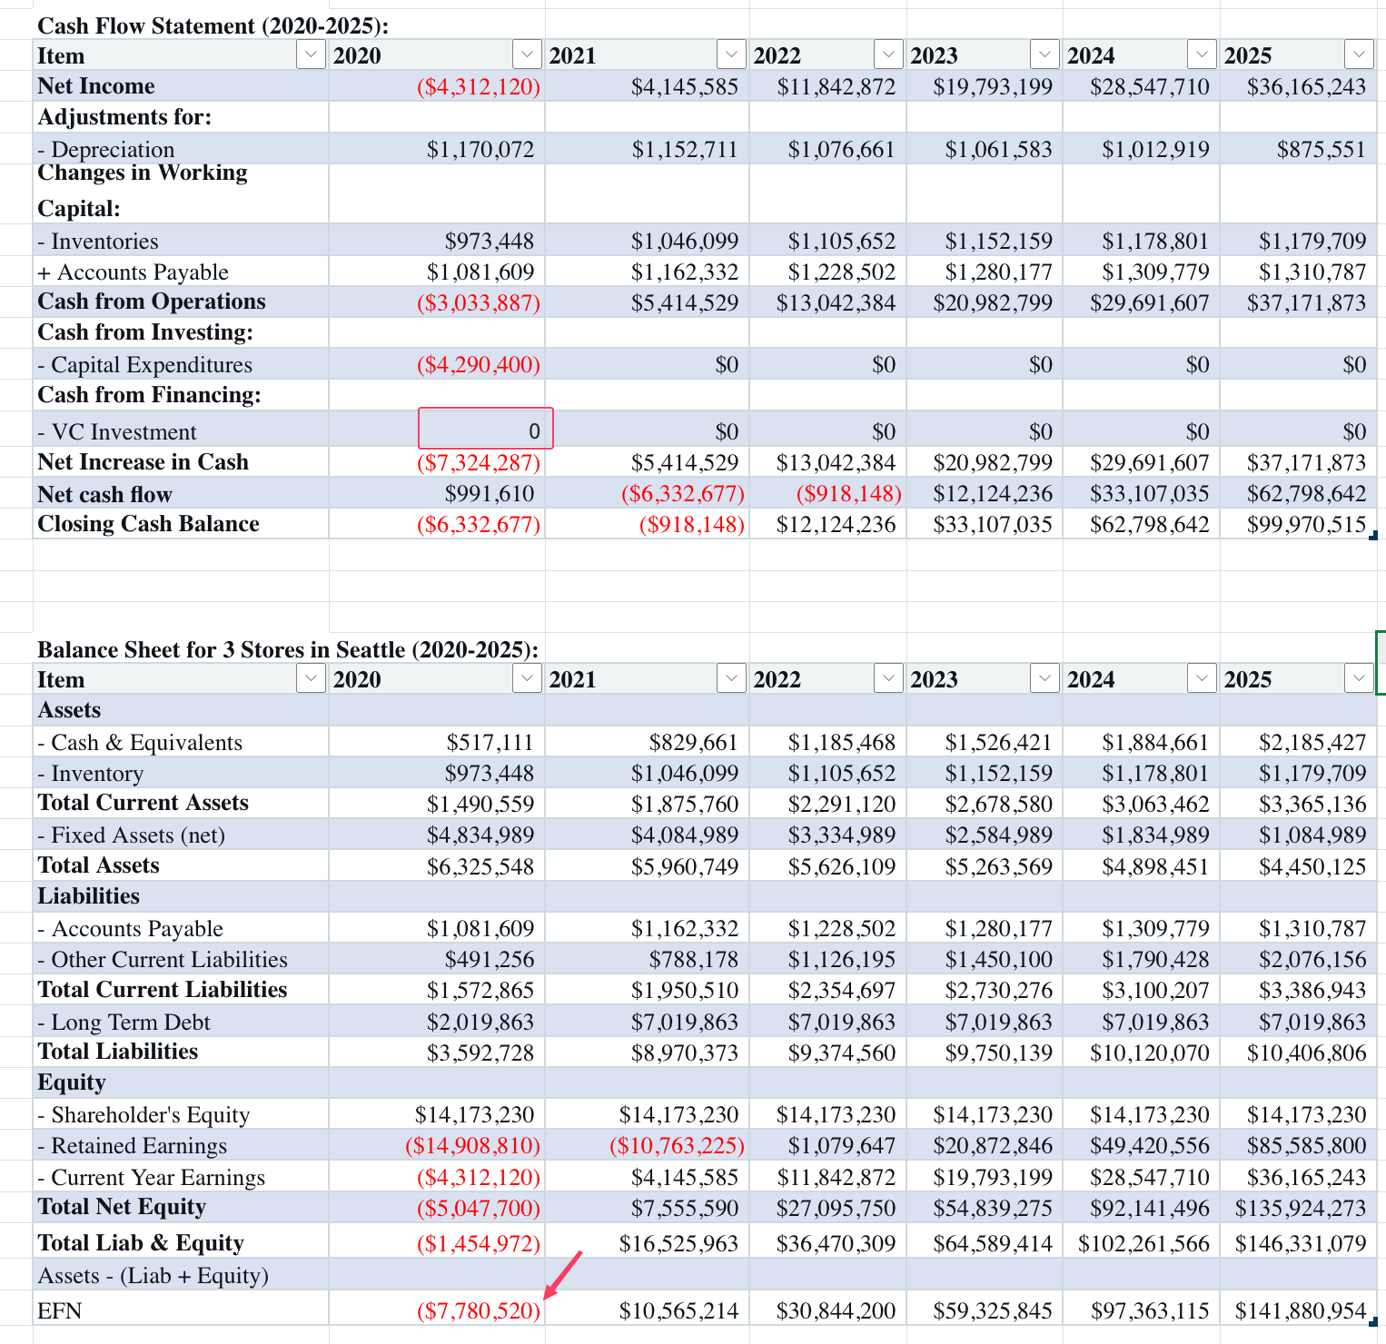

 |  |  |  |  | Balance Sheet for 3 Stores in Seattle (2020-2025):
 |  |  |  |  | Item | 2020 | 2021 | 2022 | 2023 | 2024 | 2025
 |  |  |  |  | Assets
 |  |  |  |  | - Cash & Equivalents | $270,000 | $297,000 | $326,700 | $343,035 | $360,187 | $363,789
 |  |  |  |  | - Inventory | $510,300 | $561,330 | $607,172 | $637,531 | $663,734 | $664,642
 |  |  |  |  | Total Current Assets | $780,300 | $858,330 | $933,872 | $980,566 | $1,023,921 | $1,028,430
 |  |  |  |  | - Fixed Assets (net) | $2,524,500 | $1,774,500 | $1,024,500 | $274,500 | ($475,500) | ($1,225,500)
 |  |  |  |  | Total Assets | $3,304,800 | $2,632,830 | $1,958,372 | $1,255,066 | $548,421 | ($197,070)
 |  |  |  |  | Liabilities
 |  |  |  |  | - Accounts Payable | $567,000 | $623,700 | $674,636 | $708,367 | $737,482 | $738,491
 |  |  |  |  | - Other Current Liabilities | $256,500 | $282,150 | $310,365 | $325,883 | $342,177 | $345,599
 |  |  |  |  | Total Current Liabilities | $823,500 | $905,850 | $985,001 | $1,034,251 | $1,079,660 | $1,084,090
 |  |  |  |  | - Long Term Debt | $2,019,863 | $7,019,863 | $7,019,863 | $7,019,863 | $7,019,863 | $7,019,863
 |  |  |  |  | Total Liabilities | $2,843,363 | $7,925,713 | $8,004,864 | $8,054,114 | $8,099,523 | $8,103,953
 |  |  |  |  | Equity
 |  |  |  |  | - Shareholder's Equity | $26,173,230 | $26,173,230 | $26,173,230 | $26,173,230 | $26,173,230 | $26,173,230
 |  |  |  |  | - Retained Earnings | ($11,053,876) | ($11,347,901) | ($11,239,176) | ($10,999,395) | ($10,497,410) | ($9,729,291)
 |  |  |  |  | - Current Year Earnings | ($457,186) | ($294,025) | $108,725 | $239,782 | $501,984 | $768,119
 |  |  |  |  | Total Net Equity | $14,662,168 | $14,531,304 | $15,042,779 | $15,413,617 | $16,177,804 | $17,212,059
 |  |  |  |  | Total Liab & Equity | $17,505,531 | $22,457,017 | $23,047,643 | $23,467,731 | $24,277,327 | $25,316,012
 |  |  |  |  | Assets - (Liab + Equity)
 |  |  |  |  | EFN | $14,200,731 | $19,824,187 | $21,089,271 | $22,212,665 | $23,728,906 | $25,513,081

 |  |  |  |  | Amdr seattle expension er sudhu data ase ar opposite a Portland er data 4ta store er combined a, tahole NPV comparision korbo kmne?

3 and 3‐Store Seattle Expansion
 |  |  |  |  | Depreciation
 | 1-Store Seattle Expansion | 1250000 | 3750000 |  | 750000
 | pre-opening costs | 94100
 | advertasement | 7700
 | working capital 1% next year revenue | 45000
 | Site selection | 33333.333333
 | Total up front cost for 1 store | 1430133
 | Total up front cost is x3 | 4290400 | needed |  |  | Year | Payroll & Benefits | Occupancy & Other | Advertising & Marketing | Total Operating Expenses of sale
 |  |  | interest rate | 12.50% |  | 1 | 18.90% | 11.50% | 1.00% | 31.40%
 |  |  |  |  |  | 2 | 18.70% | 11.50% | 1.00% | 31.20%
Other given data |  |  |  |  |  | 3 | 18.50% | 11.50% | 1.00% | 31.00%
 | Item | Value / Rate |  |  |  | 4 | 18.30% | 11.50% | 1.00% | 30.80%
 | 2020 Sales (4 total stores) | 4500000 |  |  |  | 5 | 18.10% | 11.50% | 1.00% | 30.60%
 | Sales Growth (2021–2025) | in 2020 4.5M, then +10%, +10%, +5%, +2%, +1% |  |  |  | 6 | 18.00% | 11.50% | 1.00% | 30.50%
 | COGS (% Sales) | 60%, 59% , 59% , 58.50% , 58.50% , 58% |  |  |  |  |  |  |  |  | 31.40% | 31.20% | 31.00% | 30.80% | 30.60% | 30.50%
 | Operating Expenses | 31.40% , 31.20% , 31.00% , 30.80% , 30.60% , 30.50%

 | Depreciation (2020-25)
 | Interest Expense Rate
 | State Tax | 15,000 per year (minimum) AND 28.6% if pofitable (7.6% state and 21% federal tax) |  |  |  | $9,218,289.47
 | Forecast year | 2020–2025

 |  |  |  |  | 3 store expantion sale | $13,500,000 | $14,850,000 | $16,335,000 | $17,151,750 | $18,009,338 | $18,189,431
 |  |  |  |  | cogs |  | 60.00% | 59.00% | 59.00% | 58.50% | 58.00%
 |  |  |  |  | Total Operating Expenses of sale | 31.40% | 31.20% | 31.00% | 30.80% | 30.60% | 30.50%
 | Working Capital (WC) Assumptions from exibit 7: |  |  |  | Income Statement (2020-2025):
 |  |  |  |  | Item | 2020 | 2021 | 2022 | 2023 | 2024 | 2025
 | Cash: 2% of sales. |  |  |  | Sales | $25,855,557 | $41,483,057 | $59,273,395 | $76,321,037 | $94,233,061 | $109,271,364
 | Inventory: 6.3% of COGS. |  |  |  | COGS | $15,451,556 | $16,604,747 | $17,550,029 | $18,288,236 | $18,711,126 | $18,725,534 | 3 store and existing 3 store have different cogs
 | Accounts Payable: 7% of COGS. |  |  |  | Gross Profit | $10,404,001 | $24,878,310 | $41,723,366 | $58,032,801 | $75,521,935 | $90,545,830
 | Other Current Liabilities: 1.9% of sales. |  |  |  | Operating Expenses | $9,218,289 | $9,784,768 | $10,316,033 | $10,592,396 | $10,768,655 | $10,805,574
 |  |  |  |  | EBITDA | $1,185,711 | $15,093,542 | $31,407,334 | $47,440,404 | $64,753,280 | $79,740,256
 |  |  |  |  | Depreciation | 1,170,072.00 | 1,152,711.00 | 1,076,661.00 | 1,061,583.00 | 1,012,919.00 | 875,551.00
 |  |  |  |  | EBIT | $15,639 | $13,940,831 | $30,330,673 | $46,378,821 | $63,740,361 | $78,864,705
 |  |  |  |  | Interest Expense | $433,114 | $433,114 | $433,114 | $433,114 | $433,114 | $433,114 | no new loan taken and no information about interest
 |  |  |  |  | EBT | ($417,475) | $13,507,717 | $29,897,559 | $45,945,707 | $63,307,247 | $78,431,591
 |  |  |  |  | Tax | $15,000 | $2,319,561 | $8,550,702 | $13,140,472 | $18,105,873 | $22,431,435 | As 2021 income alone higher than all the loss made in past, taxed only amunt remaining loss - income2021 |  | total loss | 2021 ebit - total previous loss
 |  |  |  |  | Net Income | ($432,475) | 11188155.975 | $21,346,857 | $32,805,235 | $45,201,374 | $56,000,156 |  |  | -5,397,364 | 8,110,353

 |  |  |  |  | Cash Flow Statement (2020-2025):
 |  |  |  |  | Item | 2020 | 2021 | 2022 | 2023 | 2024 | 2025
 |  |  |  |  | Net Income | ($432,475) | $11,188,156 | $21,346,857 | $32,805,235 | $45,201,374 | $56,000,156
 |  |  |  |  | Adjustments for:
 |  |  |  |  | - Depreciation | $1,170,072 | $1,152,711 | $1,076,661 | $1,061,583 | $1,012,919 | $875,551
 |  |  |  |  | Changes in Working Capital:
 |  |  |  |  | - Inventories | $973,448 | $1,046,099 | $1,105,652 | $1,152,159 | $1,178,801 | $1,179,709
 |  |  |  |  | + Accounts Payable | $1,081,609 | $1,162,332 | $1,228,502 | $1,280,177 | $1,309,779 | $1,310,787
 |  |  |  |  | Cash from Operations | $845,758 | $12,457,100 | $22,546,368 | $33,994,836 | $46,345,271 | $57,006,786
 |  |  |  |  | Cash from Investing:
 |  |  |  |  | - Capital Expenditures | ($4,290,400) | $0 | $0 | $0 | $0 | $0
 |  |  |  |  | Cash from Financing:
 |  |  |  |  | - VC Investment | 12000000 | $0 | $0 | $0 | $0 | $0
 |  |  |  |  | Net Increase in Cash | $8,555,358 | $12,457,100 | $22,546,368 | $33,994,836 | $46,345,271 | $57,006,786
 |  |  |  |  | Net cash flow | $991,610 | $9,546,968 | $22,004,068 | $44,550,436 | $78,545,272 | $124,890,543
 |  |  |  |  | Closing Cash Balance | $9,546,968 | $22,004,068 | $44,550,436 | $78,545,272 | $124,890,543 | $181,897,328
 |  | EFN

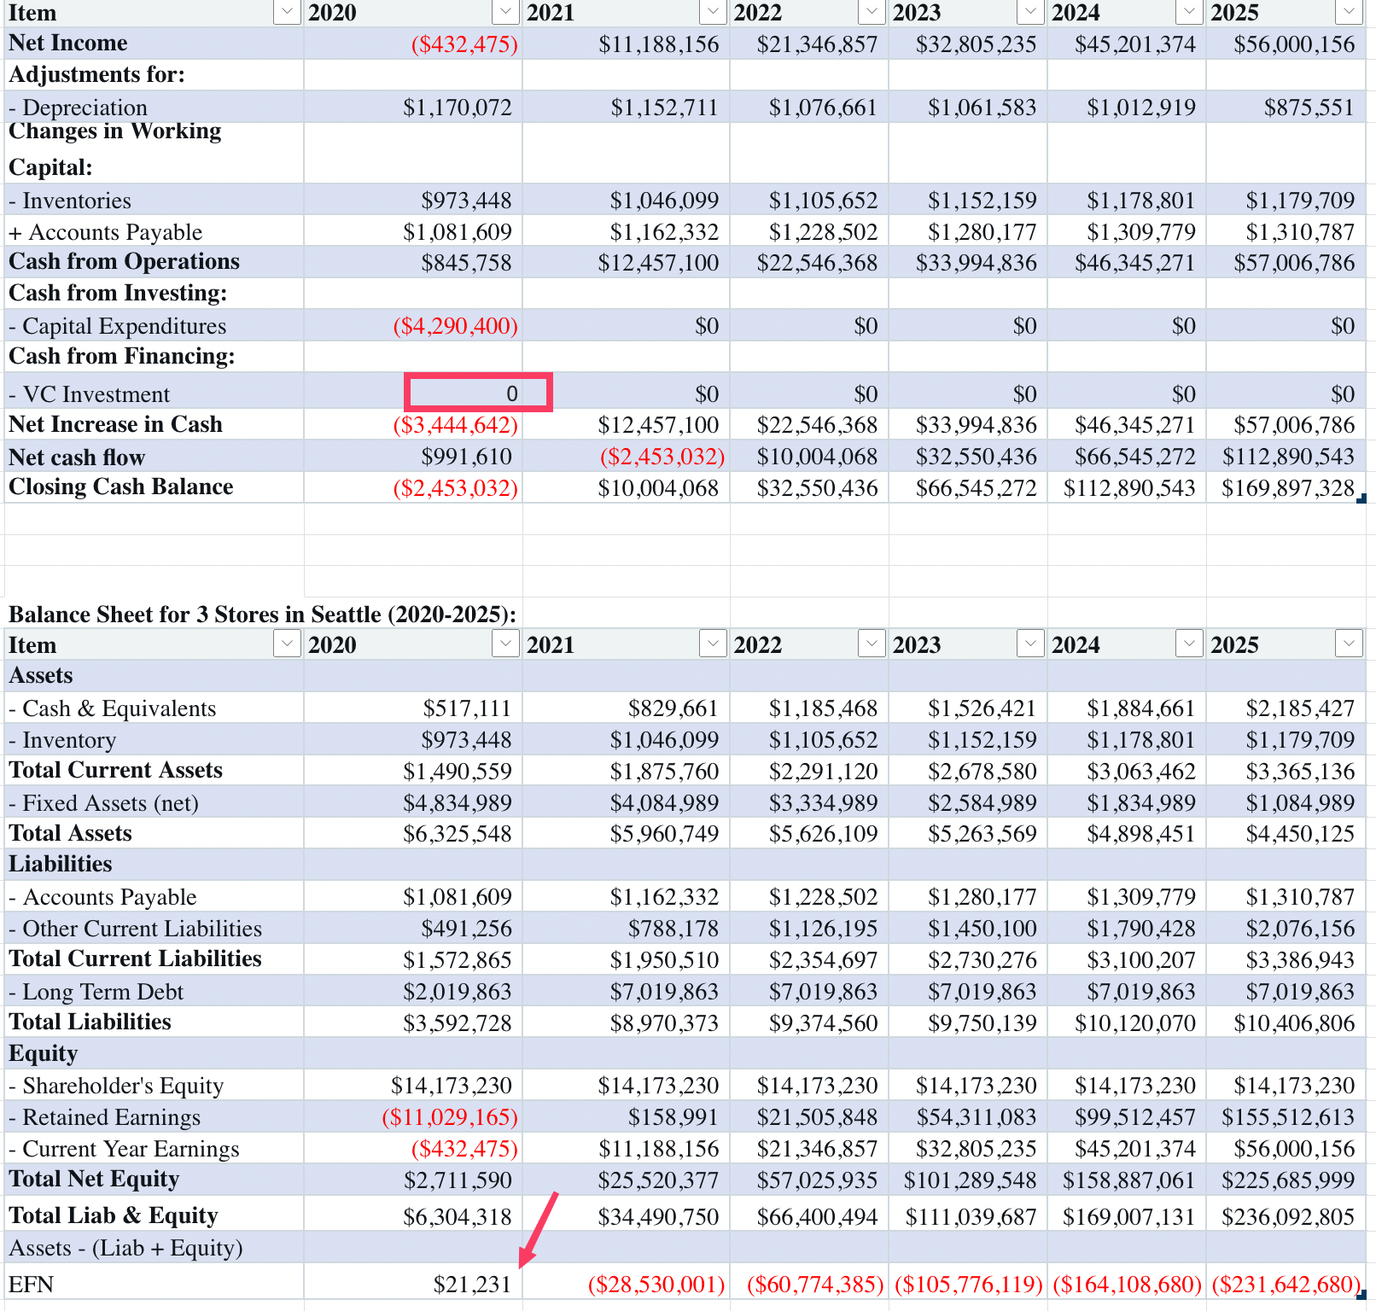
 |  |  |  |  | Balance Sheet for 3 Stores in Seattle (2020-2025):
 |  |  |  |  | Item | 2020 | 2021 | 2022 | 2023 | 2024 | 2025
 |  |  |  |  | Assets
 |  |  |  |  | - Cash & Equivalents | $517,111 | $829,661 | $1,185,468 | $1,526,421 | $1,884,661 | $2,185,427
 |  |  |  |  | - Inventory | $973,448 | $1,046,099 | $1,105,652 | $1,152,159 | $1,178,801 | $1,179,709
 |  |  |  |  | Total Current Assets | $1,490,559 | $1,875,760 | $2,291,120 | $2,678,580 | $3,063,462 | $3,365,136
 |  |  |  |  | - Fixed Assets (net) | $4,834,989 | $4,084,989 | $3,334,989 | $2,584,989 | $1,834,989 | $1,084,989
 |  |  |  |  | Total Assets | $6,325,548 | $5,960,749 | $5,626,109 | $5,263,569 | $4,898,451 | $4,450,125
 |  |  |  |  | Liabilities
 |  |  |  |  | - Accounts Payable | $1,081,609 | $1,162,332 | $1,228,502 | $1,280,177 | $1,309,779 | $1,310,787
 |  |  |  |  | - Other Current Liabilities | $491,256 | $788,178 | $1,126,195 | $1,450,100 | $1,790,428 | $2,076,156
 |  |  |  |  | Total Current Liabilities | $1,572,865 | $1,950,510 | $2,354,697 | $2,730,276 | $3,100,207 | $3,386,943
 |  |  |  |  | - Long Term Debt | $2,019,863 | $7,019,863 | $7,019,863 | $7,019,863 | $7,019,863 | $7,019,863
 |  |  |  |  | Total Liabilities | $3,592,728 | $8,970,373 | $9,374,560 | $9,750,139 | $10,120,070 | $10,406,806
 |  |  |  |  | Equity
 |  |  |  |  | - Shareholder's Equity | $26,173,230 | $26,173,230 | $26,173,230 | $26,173,230 | $26,173,230 | $26,173,230
 |  |  |  |  | - Retained Earnings | ($11,029,165) | $158,991 | $21,505,848 | $54,311,083 | $99,512,457 | $155,512,613
 |  |  |  |  | - Current Year Earnings | ($432,475) | $11,188,156 | $21,346,857 | $32,805,235 | $45,201,374 | $56,000,156
 |  |  |  |  | Total Net Equity | $14,711,590 | $37,520,377 | $69,025,935 | $113,289,548 | $170,887,061 | $237,685,999
 |  |  |  |  | Total Liab & Equity | $18,304,318 | $46,490,750 | $78,400,494 | $123,039,687 | $181,007,131 | $248,092,805
 |  |  |  |  | Assets - (Liab + Equity)
 |  |  |  |  | EFN | ($11,978,769) | ($40,530,001) | ($72,774,385) | ($117,776,119) | ($176,108,680) | ($243,642,680)

 |  |  |  |  | Amdr seattle expension er sudhu data ase ar opposite a Portland er data 4ta store er combined a, tahole NPV comparision korbo kmne?

