DATA GUIDANCE
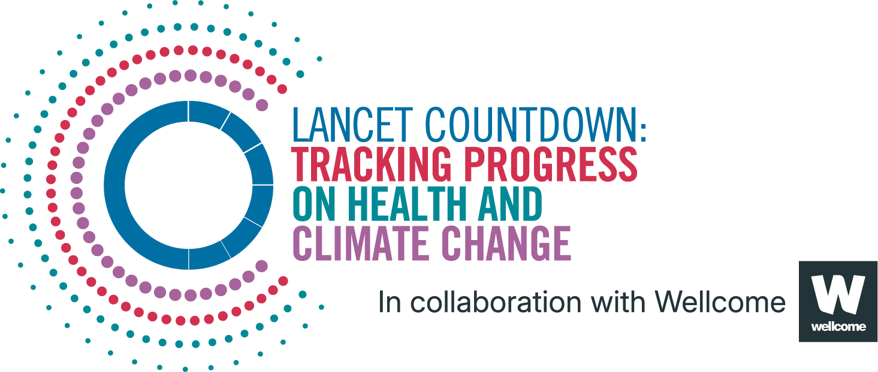
Lancet Countdown Report Data
Report | The 2025 report of the Lancet Countdown on health and climate change
Indicator | 1.1.1 exposure of vulnerable populations to heatwaves
Indicator Authors | Dr Federico Tartarini, Prof Ollie Jay

1. Report Key Findings
In 2024, people older than 65 years and infants younger than 1-year experienced record-high heatwave exposures – up by 304% and 389%, respectively, from the 1986-2005 baseline.

2.1 Indicator Description
This indicator defines a heatwave as a period of two or more consecutive days in which both the minimum and maximum temperatures exceed the 95th percentile of the local climatology,​3​ based on the 1986–2005 reference period. The indicator is designed to capture both direct heat stress from high maximum temperatures and the health risks associated with insufficient nighttime cooling due to elevated minimum temperatures.​ Exposure is calculated using the person-days metric, which quantifies heatwave exposure by multiplying the number of heatwave days by the total vulnerable population. Caveats: As two distinct sources were used for population data to obtain estimates of both the spatial and temporal characteristics there may be some inconsistencies between the pre and post 2000 values.

2.2 Data Licence
 |  | This data, and associated data visualisations, are provided at no-cost under a Creative Commons Attribution-Non Commercial-Share Alike License (CC BY-NC-SA 4.0). Before you use the data contained within this spreadsheet, you must ensure that you fully understand the terms and conditions of this license by reviewing the description at https://creativecommons.org/licenses/by-nc-sa/4.0/ Lancet Countdown, and associated indicator authors, expect attribution for any of its databases in accordance with good scientific practice. In particular, under CC BY-NC-SA: Attribution — You must give appropriate credit, provide a link to the license, and indicate if changes were made. You may do so in any reasonable manner, but not in any way that suggests the licensor endorses you or your use. Non Commercial — You may not use the material for commercial purposes. Share Alike — If you remix, transform, or build upon the material, you must distribute your contributions under the same license as the original. No additional restrictions — You may not apply legal terms or technological measures that legally restrict others from doing anything the license permits. For further information, please contact Marina Romanello: m.romanello@ucl.ac.uk

2.3 Contributing Datasources
The data produced by third parties and made available by Lancet Countdown is subject to the license terms from the original third-party authors. We will always indicate the original source of the data in our documentation, so you should always check the license of any such third-party data before use and redistribution. Data sources used in this indicator include: 1. European Centre for Medium-Range Weather Forecasts Reanalysis 5th Generation. Copernicus Climate Change Service Climate Data Store. 2. Hybrid gridded demographic data for the world, 1950-2020 0.25° resolution. 3. WorldPop Age and Sex Structure Unconstrained Global Mosaic data for 2000–2020. School of Geography and Environmental Science U of SD of G and GU of LD de GU de N, and Center for International Earth Science Information Network (CIESIN) CU. 2018.

2.4 Description of the Columns
Column |  | Column Header | Units | Description
A |  | Country |  | Country name
B |  | ISO3 |  | Country three-letter ISO identification code
C |  | WHO Region |  | World Health Organization region
D |  | HDI Level |  | 2023-24 Human Development Index level
E |  | Year
F |  | population_infants | people | People younger than 1 year of age
G |  | exposures_total_infants | person-days | Total number of heatwaves days experienced by people younger than 1 year of age
H |  | exposure_average_infant | days | Avergage number of heatwaves days experienced
I |  | population_65 | people | People older then 65 years of age
J |  | exposures_total_65 | person-days | Total number of heatwaves days experienced by people older than 65 years of age
K |  | exposures_average_65 | days | Avergage number of heatwaves days experienced

2.5 How to Interpret Missing Data
Data is shared at the highest resolution possible while ensuring data quality. The absence of country-level data for some regions, may indicate a lack of high-quality data at a fine scale in that region. Some countries might therefore only be included as an aggregated value in one of the regional sheets. Please note that estimated values are more uncertain for smaller areas, and all estimated values should be interpreted carefully. ‘0’ represents the numerical value, blank space indicates that no data was available and N/A that the value could not be calculated. UN territories have been used. The Lancet Countdown takes a neutral position with respect to territorial claims in territorial designations and institutional affiliations. The HDI groupings represent United Nations Development Programme's Human Development Index scores (2023/2024 update).

3. Suggested Citation
Romanello M, Walawender M, Hsu S-C, et al. The 2025 report of the Lancet Countdown on health and climate change. Lancet 2025; published online Oct 29. https://doi.org/10.1016/S0140-6736(25)01919-1.

