DATA GUIDANCE
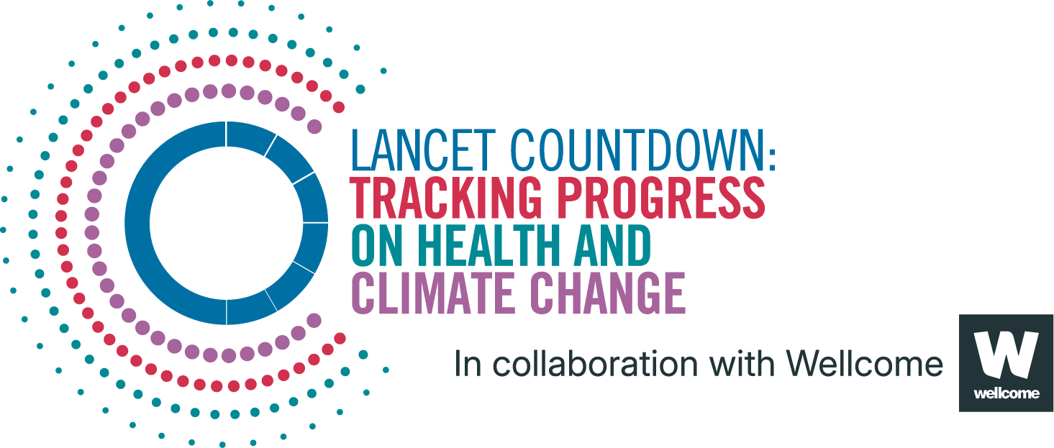
Lancet Countdown Report Data
Report | The 2025 report of the Lancet Countdown on health and climate change
Indicator | Indicator 1.1.2: Heat and Physical Activity
Indicator Authors | Dr Troy J Cross, Dr Samuel H Gunther, Prof Jason KW Lee, Prof Ollie Jay

1. Report Key Findings
In 2024, each person was exposed, on average, to a record-high 1,609 hours during which ambient heat posed at least a moderate heat stress risk during light outdoor exercise, 35.8% above 1990-1999

2.1 Indicator Description
The methodology for this indicator has been slightly updated from the 2024 report of the Lancet Countdown.​12​ Our estimation of moderate–, high–, and extreme–risk hours incorporates the international boundaries for each country based on the Detailed Boundaries ADM0 shapefiles provided by the WHO, as opposed to those provided by the National Identifier Grid packaged with the UN–adjusted Gridded Population of the World. Hourly 2–metre temperature and 2–metre dew point temperature data were retrieved from European Centre for Medium–Range Weather Forecasts (ECMWF) ERA5 climate reanalysis datasets. Heat stress risk was estimated from these climate variables in accordance with the 2021 Sports Medicine Australia (SMA) Extreme Heat Policy, which stratifies estimated heat stress risk into four categories – low, moderate, high, and extreme – based on ambient temperature and relative humidity​13​. Sports and activities are further classified into five risk classification groups, ranging from leisurely walking to mountain biking, based on intensity of the activity and clothing worn​13​. The present analysis includes assessments of heat stress risk for Risk Classification 1, which we term “low intensity” (e.g., leisurely walking) and Risk Classification 3, which we term “moderate intensity” (e.g., jogging, cycling). Caveats: The estimation of heat stress risk for a given exercise category may not be uniform across the entire population, and risk estimates in particular may be different for older adults, young children, pregnant women, and those living with disabilities or chronic diseases. A more detailed interpretation model of heat effects on exercise would incorporate individual factors such as age, health status, physiology, and clothing.

2.2 Data Licence
 |  | This data, and associated data visualisations, are provided at no-cost under a Creative Commons Attribution-Non Commercial-Share Alike License (CC BY-NC-SA 4.0). Before you use the data contained within this spreadsheet, you must ensure that you fully understand the terms and conditions of this license by reviewing the description at https://creativecommons.org/licenses/by-nc-sa/4.0/ Lancet Countdown, and associated indicator authors, expect attribution for any of its databases in accordance with good scientific practice. In particular, under CC BY-NC-SA: Attribution — You must give appropriate credit, provide a link to the license, and indicate if changes were made. You may do so in any reasonable manner, but not in any way that suggests the licensor endorses you or your use. Non Commercial — You may not use the material for commercial purposes. Share Alike — If you remix, transform, or build upon the material, you must distribute your contributions under the same license as the original. No additional restrictions — You may not apply legal terms or technological measures that legally restrict others from doing anything the license permits. For further information, please contact Marina Romanello: m.romanello@ucl.ac.uk

2.3 Contributing Datasources
The data produced by third parties and made available by Lancet Countdown is subject to the license terms from the original third-party authors. We will always indicate the original source of the data in our documentation, so you should always check the license of any such third-party data before use and redistribution. Data sources used in this indicator include: 1. World Health Organisation Detailed Boundary ADM0 Shapefiles 2. Gridded Population of the World Version 4, 2021. Socioeconomic Data and Applications Center, National Aeronautics and Space Administration. 3. European Centre for Medium-Range Weather Forecasts Reanalysis 5th Generation. Copernicus Climate Change Service Climate Data Store.

2.4 Description of the Columns
Column |  | Column Header | Units | Description
A |  | Country |  | Country name
B |  | ISO3 |  | Country three-letter ISO identification code
C |  | WHO Region |  | World Health Organization region
D |  | HDI Level |  | 2023-24 Human Development Index level
E |  | Year
F |  | Population | People
G |  | annual_yhrs_pp_low_1 | Hours | Annual hours per-person of low heat stress risk during walking (Class 1) in a given year
H |  | annual_yhrs_pp_moderate_1 | Hours | Annual hours per-person of moderate heat stress risk during walking (Class 1) in a given year
I |  | annual_yhrs_pp_high_1 | Hours | Annual hours per-person of high heat stress risk during walking (Class 1) in a given year
J |  | annual_yhrs_pp_extreme_1 | Hours | Annual hours per-person of extreme heat stress risk during walking (Class 1) in a given year
K |  | annual_yhrs_pp_low_3 | Hours | Annual hours per-person of low heat stress risk during running (Class 3) in a given year
L |  | annual_yhrs_pp_moderate_3 | Hours | Annual hours per-person of moderate heat stress risk during running (Class 3) in a given year
M |  | annual_yhrs_pp_high_3 | Hours | Annual hours per-person of high heat stress risk during running (Class 3) in a given year
N |  | annual_yhrs_pp_extreme_3 | Hours | Annual hours per-person of extreme heat stress risk during running (Class 3) in a given year
O |  | annual_yhrs_pp_at_least_moderate_1 | Hours | Annual hours per-person of at least moderate or higher heat stress risk during walking (Class 1) in a given year
P |  | annual_yhrs_pp_at_least_moderate_3 | Hours | Annual hours per-person of at least moderate or higher heat stress risk during running (Class 3) in a given year

2.5 How to Interpret Missing Data
Data is shared at the highest resolution possible while ensuring data quality. The absence of country-level data for some regions, may indicate a lack of high-quality data at a fine scale in that region. Some countries might therefore only be included as an aggregated value in one of the regional sheets. Please note that estimated values are more uncertain for smaller areas, and all estimated values should be interpreted carefully. ‘0’ represents the numerical value, blank space indicates that no data was available and N/A that the value could not be calculated. UN territories have been used. The Lancet Countdown takes a neutral position with respect to territorial claims in territorial designations and institutional affiliations. The HDI groupings represent United Nations Development Programme's Human Development Index scores (2023/2024 update).

3. Suggested Citation
Romanello M, Walawender M, Hsu S-C, et al. The 2025 report of the Lancet Countdown on health and climate change. Lancet 2025; published online Oct 29. https://doi.org/10.1016/S0140-6736(25)01919-1.

