DATA GUIDANCE
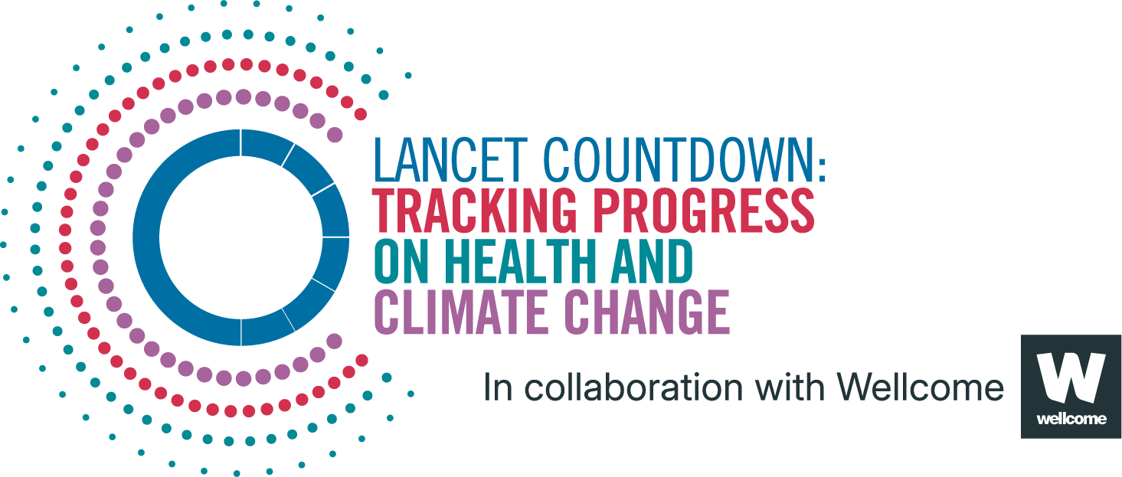
Lancet Countdown Report Data
Report | The 2025 report of the Lancet Countdown on health and climate change
Indicator | Indicator 1.1.3: Change in Labour Capacity
Indicator Authors | Chris Freyberg, Dr Bruno Lemke, Matthias Otto

1. Report Key Findings
A record-high 640 billion potential work hours were lost in 2024, a 98% increase compared to the 1990–99 annual average.

2.1 Indicator Description
This indicator monitors potential hours lost by linking Wet Bulb Globe Temperature (including temperature, humidity and solar radiation) with the amount of energy expended by workers through the typical metabolic rate of workers both for indoor and outdoor work. It then combines this calculation with the proportion of people working over 15 years old in each of the four sectors in each country to estimate the potential work hours lost per year. To calculate potential work hours lost by sector, each sector is assigned to a metabolic rate and to sun, or indoors/shade conditions. Caveats: The distribution of agricultural, construction manufacturing, and service sector workers used are country averages, applied evenly to the population of each grid cell, thus not accounting for sub-national variation in industry sector. Only work undertaken during formal employment was considered. From 2020, the analysis of cells that are shared between two or more countries has been improved. This may appear as a discontinuity in any time series that includes 2019 and 2020 where a country has a large proportion of such cells. Any comparison of data prior to 2020 with data from that and later years should have this possibility in mind.

2.2 Data Licence
 |  | This data, and associated data visualisations, are provided at no-cost under a Creative Commons Attribution-Non Commercial-Share Alike License (CC BY-NC-SA 4.0). Before you use the data contained within this spreadsheet, you must ensure that you fully understand the terms and conditions of this license by reviewing the description at https://creativecommons.org/licenses/by-nc-sa/4.0/ Lancet Countdown, and associated indicator authors, expect attribution for any of its databases in accordance with good scientific practice. In particular, under CC BY-NC-SA: Attribution — You must give appropriate credit, provide a link to the license, and indicate if changes were made. You may do so in any reasonable manner, but not in any way that suggests the licensor endorses you or your use. Non Commercial — You may not use the material for commercial purposes. Share Alike — If you remix, transform, or build upon the material, you must distribute your contributions under the same license as the original. No additional restrictions — You may not apply legal terms or technological measures that legally restrict others from doing anything the license permits. For further information, please contact Marina Romanello: m.romanello@ucl.ac.uk

2.3 Contributing Datasources
The data produced by third parties and made available by Lancet Countdown is subject to the license terms from the original third-party authors. We will always indicate the original source of the data in our documentation, so you should always check the license of any such third-party data before use and redistribution. Data sources used in this indicator include: 1. European Centre for Medium-Range Weather Forecasts Reanalysis 5th Generation. Copernicus Climate Change Service Climate Data Store 2. Gridded Population of the World Version 4, 2021. Socioeconomic Data and Applications Center, National Aeronautics and Space Administration. 3. United Nation. Population Division Data Portal. 2025. 4. ILOSTAT. Data Explorer. 2025. 5. World Bank. World Bank official boundaries. 2024. 6. GADM Project Group. Country boundaries v 3.6

2.4 Description of the Columns in the Worksheets
Column |  | Column Header | Units | Description
A |  | Country |  | Country name
B |  | ISO3 |  | Country three-letter ISO identification code
C |  | WHO Region |  | World Health Organization region
D |  | HDI Level |  | 2023-24 Human Development Index level
E |  | Year
F |  | TotPopn | Persons | Total population (UN estimates, persons)
G |  | Pop 15+ | Persons | Population of working age (UN estimates, persons)
H |  | EmplServ | Persons | Population employed in Service sector
I |  | EmplManuf | Persons | Population employed in Manufacturing sector
J |  | EmplAgr | Persons | Population employed in Agriculture sector
K |  | EmplConstr | Persons | Population employed in Construction sector
L |  | EmplPop 15+ | Persons | Population employed in any of the sectors analysed - sum of column H-K
M |  | WHLpp200 | Hours | Mean Work Hours Lost per person working at 200w metabolic rate in shade
N |  | WHLpp300 | Hours | Mean Work Hours Lost per person working at 300w metabolic rate in shade
O |  | WHLpp400shade | Hours | Mean Work Hours Lost per person working at 400w metabolic rate in shade
P |  | WHLpp400sun | Hours | Mean Work Hours Lost per person working at 400w metabolic rate in sun
Q |  | WHL200Serv | Hours in 1000s | Work Hours Lost - working hours lost in Service sector (200w in shade)
R |  | WHL300Manuf | Hours in 1000s | Work Hours Lost - working hours lost in Manufacturing sector (300w in shade)
S |  | WHL400sunAgr | Hours in 1000s | Work Hours Lost - working hours lost in Agriculture sector (400w in sun)
T |  | WHL400sunConstr | Hours in 1000s | Work Hours Lost - working hours lost in Construction sector (400w in sun)
U |  | TotalsunAgCon | Hours in 1000s | Work Hours Lost assuming Service & Manfacturing Sectors in shade and Agriculture and Construction sectors in sun
V |  | TotalSunWHLpp | Hours | Mean Work Hours Lost per worker assuming Service & Manfacturing sectors in shade and Agriculture and Construction sectors in sun

2.5 How to Interpret Missing Data
Data is shared at the highest resolution possible while ensuring data quality. The absence of country-level data for some regions, may indicate a lack of high-quality data at a fine scale in that region. Some countries might therefore only be included as an aggregated value in one of the regional sheets. Please note that estimated values are more uncertain for smaller areas, and all estimated values should be interpreted carefully. ‘0’ represents the numerical value, blank space indicates that no data was available and N/A that the value could not be calculated. UN territories have been used. The Lancet Countdown takes a neutral position with respect to territorial claims in territorial designations and institutional affiliations. The HDI groupings represent United Nations Development Programme's Human Development Index scores (2023/2024 update).

3. Suggested Citation
Romanello M, Walawender M, Hsu S-C, et al. The 2025 report of the Lancet Countdown on health and climate change. Lancet 2025; published online Oct 29. https://doi.org/10.1016/S0140-6736(25)01919-1.

