DATA GUIDANCE
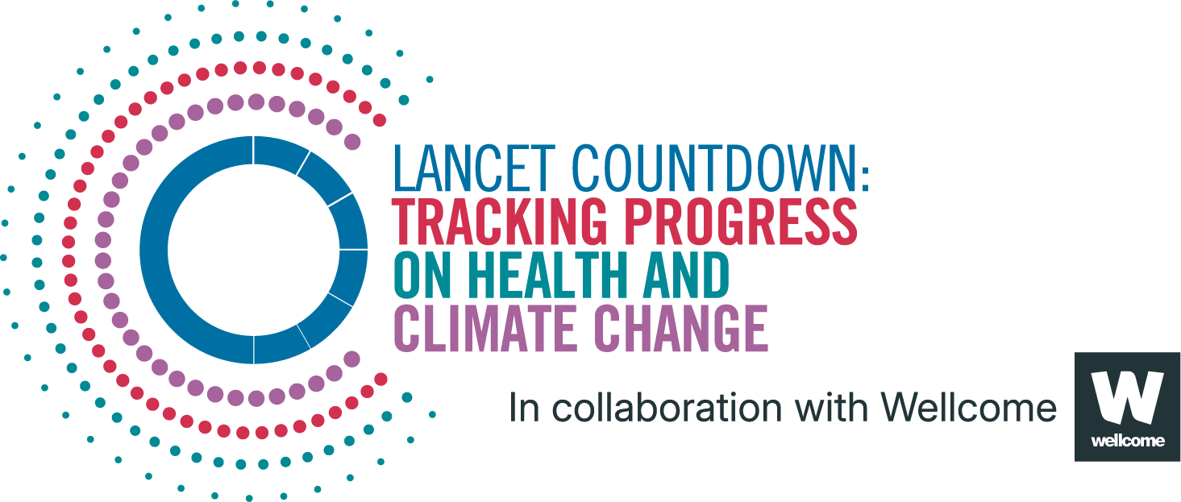
Lancet Countdown Report Data
Report | The 2025 report of the Lancet Countdown on health and climate change
Indicator | Indicator 1.1.3: Outdoor workers
Indicator Authors | Dr Natalie Momen, Dr Frank Pega

1. Report Key Findings
Globally, in 2024, an estimated 1.5 billion people—25.3% of the working-age population—worked outdoors, representing a small decrease from 2023 (25.9%).

2.1 Indicator Description
This indicator presents estimates of the number and percentage of outdoor workers among the population of working age (≥15 years). Estimates of occupational exposure to solar ultraviolet radiation produced by the World Health Organization and the International Labour Organization are combined with estimates of the population produced by the United Nations to estimate the number and proportion of working-age people who worked outdoors for 195 countries/areas and each of the years 2000-2024, disaggregated by sex and age group. Caveats: The percentage and the number of outdoor workers for the estimation year 2024 were estimated, assuming a linear trend for these variables over time. Estimates of exposures to occupational and other risk factors to human health commonly apply this assumption.​ Workers in the formal economy were captured by all Labour Force Surveys used to produce the estimates, but only some of the Labour Force Surveys also captured workers in the informal economy.

2.2 Data Licence
 |  | This data, and associated data visualisations, are provided at no-cost under a Creative Commons Attribution-Non Commercial-Share Alike License (CC BY-NC-SA 4.0). Before you use the data contained within this spreadsheet, you must ensure that you fully understand the terms and conditions of this license by reviewing the description at https://creativecommons.org/licenses/by-nc-sa/4.0/ Lancet Countdown, and associated indicator authors, expect attribution for any of its databases in accordance with good scientific practice. In particular, under CC BY-NC-SA: Attribution — You must give appropriate credit, provide a link to the license, and indicate if changes were made. You may do so in any reasonable manner, but not in any way that suggests the licensor endorses you or your use. Non Commercial — You may not use the material for commercial purposes. Share Alike — If you remix, transform, or build upon the material, you must distribute your contributions under the same license as the original. No additional restrictions — You may not apply legal terms or technological measures that legally restrict others from doing anything the license permits. For further information, please contact Marina Romanello: m.romanello@ucl.ac.uk

2.3 Contributing Datasources
The data produced by third parties and made available by Lancet Countdown is subject to the license terms from the original third-party authors. We will always indicate the original source of the data in our documentation, so you should always check the license of any such third-party data before use and redistribution. Data sources used in this indicator include: 1. Global, regional and national burdens of non-melanoma skin cancer attributable to occupational exposure to solar ultraviolet radiation for 183 countries, 2000–2019: A systematic analysis from the WHO/ILO Joint Estimates of the Work-related Burden of Disease and Injury. Environ Int. 2023. Pega F, Momen NC, Streicher KN, et al 2. 2024 revision of the World Population Prospects. 2024. United Nations

2.4 Description of the Columns in the Worksheets
Column |  | Column Header | Units | Description
A |  | Country |  | Country name
B |  | ISO3 |  | Country three-letter ISO identification code
C |  | WHO Region |  | World Health Organization region
D |  | HDI Level |  | 2023-24 Human Development Index level
E |  | Year
F |  | Outdoor workers | People | Total number of outdoor workers
G |  | Outdoor workers _percentage | % | Proportion of outdoor workers out of population of working age (>= 15 years)

2.5 How to Interpret Missing Data
Data is shared at the highest resolution possible while ensuring data quality. The absence of country-level data for some regions, may indicate a lack of high-quality data at a fine scale in that region. Some countries might therefore only be included as an aggregated value in one of the regional sheets. Please note that estimated values are more uncertain for smaller areas, and all estimated values should be interpreted carefully. ‘0’ represents the numerical value, blank space indicates that no data was available and N/A that the value could not be calculated. UN territories have been used. The Lancet Countdown takes a neutral position with respect to territorial claims in territorial designations and institutional affiliations. The HDI groupings represent United Nations Development Programme's Human Development Index scores (2023/2024 update).

3. Suggested Citation
Romanello M, Walawender M, Hsu S-C, et al. The 2025 report of the Lancet Countdown on health and climate change. Lancet 2025; published online Oct 29. https://doi.org/10.1016/S0140-6736(25)01919-1.

