DATA GUIDANCE
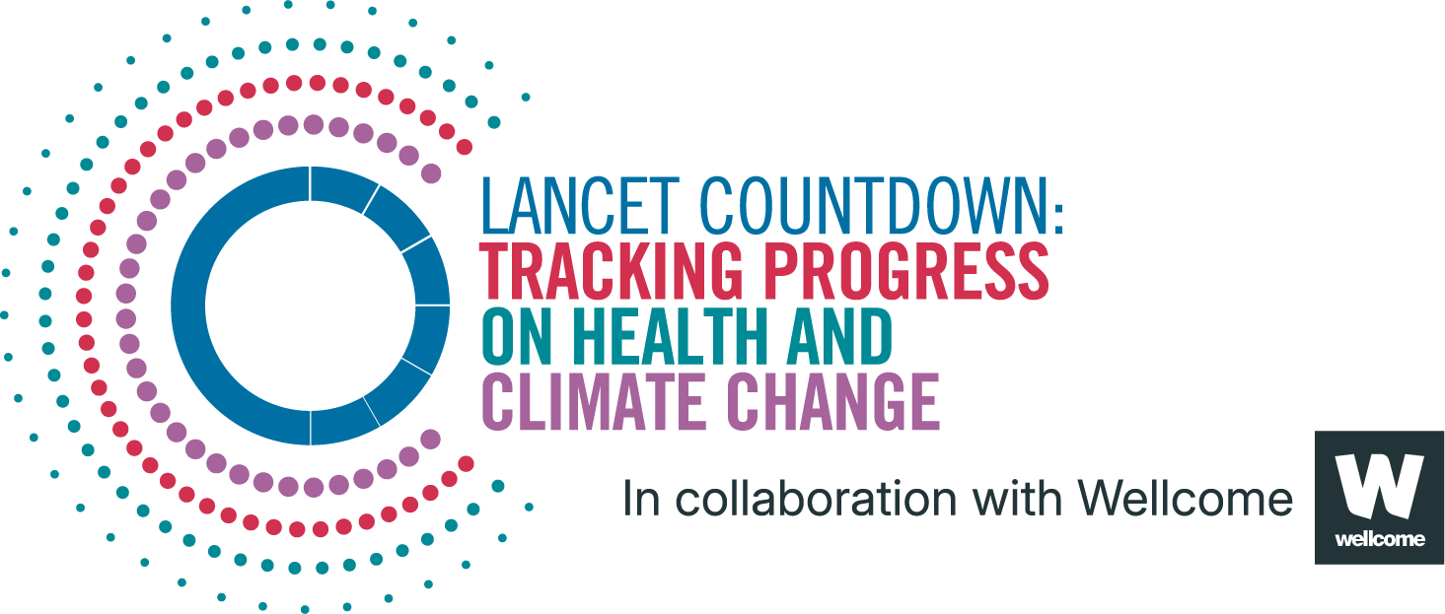
Lancet Countdown Report Data
Report | The 2025 report of the Lancet Countdown on health and climate change
Indicator | 1.1.4 Rising Nighttime Temperatures and Sleep Loss
Indicator Authors | Dr Kelton Minor and Dr Nick Obradovich

1. Report Key Findings
Total sleep time lost due to high night-time temperatures increased by 6% in 2020–24 relative to the 1986–2005 baseline, reaching a record 9% increase in 2024

2.1 Indicator Description
This indicator tracks the relationship between human sleep and warmer nighttime temperatures employing estimates from published research that monitors fitness tracking bands to measure over ten billion sleep observations across over 40,000 individuals living in 68 countries around the world between 2015–2017. The indicator estimates the percentage change in annual total number of hours of sleep lost globally due to warmer than opitmal nighttime temperature relative to the 1986-2005 baseline average in this metric. Caveats: As with other statistical samples, the indicator’s analytic approach assumes that the estimates obtained in the underlying global study of tens of thousands of individuals are likely to apply to the individuals not within the sample. This means that the original data may be more likely to include wealthier persons who can afford fitness trackers and less likely to include the world’s poorest than a truly representative sample, potentially underestimating the impact. Additionally, the relationship between ambient temperatures and human sleep may change in the future as individuals adapt and/or decompensate to altered future temperatures. An increased availability of air conditioning in the future, for example, might alter the global response curve. It is also possible, given the spatial resolution of the indicator, that areas with high air conditioning/fan penetration already reflect some expected adaptation particularly at the higher end of the temperature distribution.

2.2 Data Licence
 |  | This data, and associated data visualisations, are provided at no-cost under a Creative Commons Attribution-Non Commercial-Share Alike License (CC BY-NC-SA 4.0). Before you use the data contained within this spreadsheet, you must ensure that you fully understand the terms and conditions of this license by reviewing the description at https://creativecommons.org/licenses/by-nc-sa/4.0/ Lancet Countdown, and associated indicator authors, expect attribution for any of its databases in accordance with good scientific practice. In particular, under CC BY-NC-SA: Attribution — You must give appropriate credit, provide a link to the license, and indicate if changes were made. You may do so in any reasonable manner, but not in any way that suggests the licensor endorses you or your use. Non Commercial — You may not use the material for commercial purposes. Share Alike — If you remix, transform, or build upon the material, you must distribute your contributions under the same license as the original. No additional restrictions — You may not apply legal terms or technological measures that legally restrict others from doing anything the license permits. For further information, please contact Marina Romanello: m.romanello@ucl.ac.uk

2.3 Contributing Datasources
The data produced by third parties and made available by Lancet Countdown is subject to the license terms from the original third-party authors. We will always indicate the original source of the data in our documentation, so you should always check the license of any such third-party data before use and redistribution. Data sources used in this indicator include: 1. Climate data from the European Centre for Medium-Range Weather Forecasts (ECMWF) ERA5 reanalysis. 2. Population count data from the Gridded Population of the World, version 4, from the Center for International Earth Science Information Network at Columbia University. 3. Linear spline parameters drawn from the empirical estimation contained in Minor et al. 2022.​

2.4 Description of the Columns in the '2024 Report Data' Worksheet
Column |  | Column Header | Units | Description
A |  | Year |  | Year
B |  | Sleep_loss_percentage |  | Percent change in sleep hours lost, compared to baseline (1986–2005)

2.5 How to Interpret Missing Data
Data is shared at the highest resolution possible while ensuring data quality. The absence of country-level data for some regions, may indicate a lack of high-quality data at a fine scale in that region. Some countries might therefore only be included as an aggregated value in one of the regional sheets. Please note that estimated values are more uncertain for smaller areas, and all estimated values should be interpreted carefully. ‘0’ represents the numerical value, blank space indicates that no data was available and N/A that the value could not be calculated. UN territories have been used. The Lancet Countdown takes a neutral position with respect to territorial claims in territorial designations and institutional affiliations. The HDI groupings represent United Nations Development Programme's Human Development Index scores (2023/2024 update).

3. Suggested Citation
Romanello M, Walawender M, Hsu S-C, et al. The 2025 report of the Lancet Countdown on health and climate change. Lancet 2025; published online Oct 29. https://doi.org/10.1016/S0140-6736(25)01919-1.

