DATA GUIDANCE
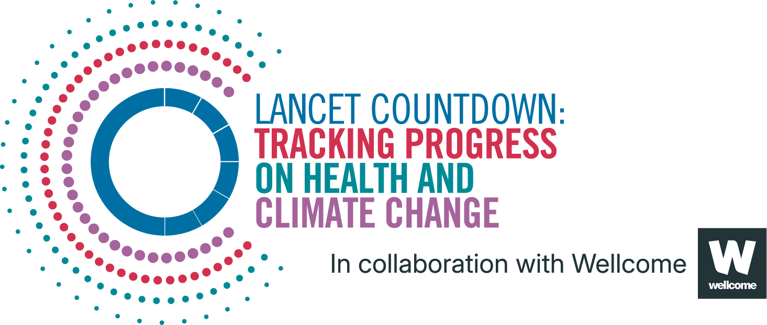
Lancet Countdown Report Data
Report | The 2025 report of the Lancet Countdown on health and climate change
Indicator | Indicator 1.1.5: Heat Related Mortality
Indicator Authors | Prof Joan Ballester, Prof Xavier Basagaña, Jorge Ruiz-Cabrejos

1. Report Key Findings
In 2012-2021, global heat-related mortality reached an estimated average 546,000 deaths annually, up 63.2% from 335,000 in 1990-1999

2.1 Indicator Description
The analysis was conducted in three stages, as described in Zhao et al. (2021). In the first stage, the association between temperature and mortality was independently estimated in each location by using quasi-Poisson regression models in combination with distributed lag non-linear models. In the second stage, we used a multivariate multilevel meta-regression analysis to pool the location-specific reduced coefficients of the crossbasis obtained in the first step. In the third stage, predictions of the exposure-response associations were obtained for all countries and locations by using (i) the fitted meta-regression model, and (ii) the meta-predictors used in the second stage. Caveats: The exposure-response associations were meta-predicted for all countries.

2.2 Data Licence
 |  | This data, and associated data visualisations, are provided at no-cost under a Creative Commons Attribution-Non Commercial-Share Alike License (CC BY-NC-SA 4.0). Before you use the data contained within this spreadsheet, you must ensure that you fully understand the terms and conditions of this license by reviewing the description at https://creativecommons.org/licenses/by-nc-sa/4.0/ Lancet Countdown, and associated indicator authors, expect attribution for any of its databases in accordance with good scientific practice. In particular, under CC BY-NC-SA: Attribution — You must give appropriate credit, provide a link to the license, and indicate if changes were made. You may do so in any reasonable manner, but not in any way that suggests the licensor endorses you or your use. Non Commercial — You may not use the material for commercial purposes. Share Alike — If you remix, transform, or build upon the material, you must distribute your contributions under the same license as the original. No additional restrictions — You may not apply legal terms or technological measures that legally restrict others from doing anything the license permits. For further information, please contact Marina Romanello: m.romanello@ucl.ac.uk

2.3 Contributing Datasources
The data produced by third parties and made available by Lancet Countdown is subject to the license terms from the original third-party authors. We will always indicate the original source of the data in our documentation, so you should always check the license of any such third-party data before use and redistribution. Data sources used in this indicator include: 1. United Nations. Population Division Data Portal. 2025. 2. Tracking excess mortality across countries during the covid-19 pandemic with the world mortality dataset. Elife. 2021. Karlinsky A, Kobak D. 3. European Centre for Medium-Range Weather Forecasts Reanalysis 5th Generation. Copernicus Climate Change Service Climate Data Store 4. Global age-sex-specific mortality, life expectancy, and population estimates in 204 countries and territories and 811 subnational locations, 1950–2021, and the impact of the COVID-19 pandemic: a comprehensive demographic analysis for the Global Burden of Disease Study 2021. The Lancet. 2024. Schumacher AE, Kyu HH, Aali A, et al. 5. Gridded Population of the World Version 4, 2021. Socioeconomic Data and Applications Center, National Aeronautics and Space Administration. 6. The World Bank Group, 2015. World Development Indicators

2.4 Description of the Columns in the Worksheets
Column |  | Column Header | Units | Description
B |  | WHO Region |  | World Health Organization region
C |  | Lancet Countdown Region |  | Lancet Countdown region
D |  | HDI Level |  | Human Development Index level
E |  | Year
F |  | AF | % | Percent of deaths attributable to heat, with respect to total number of deaths
G |  | AN | Deaths | Number of deaths attributable to heat

2.5 How to Interpret Missing Data
Note that estimated values are more uncertain for smaller regions, and all estimated values should be interpreted carefully. ‘0’ represents the numerical value. UN territories have been used. The Lancet Countdown takes a neutral position with respect to territorial claims in territorial designations and institutional affiliations. The HDI groupings represent United Nations Development Programme's Human Development Index scores (2023/2024 update).

3. Suggested Citation
Romanello M, Walawender M, Hsu S-C, et al. The 2025 report of the Lancet Countdown on health and climate change. Lancet 2025; published online Oct 29. https://doi.org/10.1016/S0140-6736(25)01919-1.

