DATA GUIDANCE
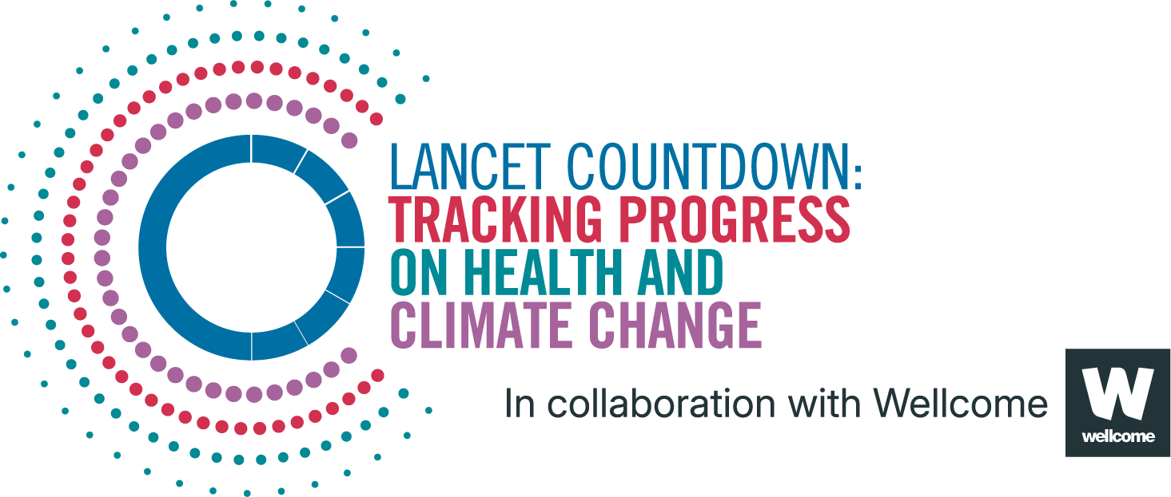
Lancet Countdown Report Data
Report | The 2025 report of the Lancet Countdown on health and climate change
Indicator | 1.2.5 Extreme Weather and Sentiment
Indicator Authors | Dr Kelton Minor and Dr Nick Obradovich

1. Report Key Findings
In 2024, extreme heat events cumulatively worsened human sentiment by a record 132% relative to the 2006–22 baseline.

2.1 Indicator Description
This indicator monitors expressed sentiment on Twitter, using billions of geolocated tweets collected between 2015 and 2022. It deploys a multivariate ordinary least squares fixed effects model to estimate the annual effect of heatwaves (as defined in indicator 1.1.2) on online sentiment expression. It compares sentiment expression between heatwave days and non-heatwave days. Caveats: While sentiment is related to mental wellbeing, it should not be confused as a measure of it and should be interpreted as an indicative proxy of the mental implications of extremes of heat. Countries that did not have Twitter broadly available to the public, such as China, were underrepresented despite the addition of Mandarin tweets this year. Furthermore, geo-tagged tweets constituted approximately 2% of all tweets and thus may be somewhat limited in their generalisability due to opt-in geo-localization. The vast majority of the Twitter observations were posted in wealthy countries who have greater access to adaptive amenities and potentially underestimates the sentiments of those most disproportionately exposed to some of the hottest conditions in poorer socioeconomic contexts.

2.2 Data Licence
 |  | This data, and associated data visualisations, are provided at no-cost under a Creative Commons Attribution-Non Commercial-Share Alike License (CC BY-NC-SA 4.0). Before you use the data contained within this spreadsheet, you must ensure that you fully understand the terms and conditions of this license by reviewing the description at https://creativecommons.org/licenses/by-nc-sa/4.0/ Lancet Countdown, and associated indicator authors, expect attribution for any of its databases in accordance with good scientific practice. In particular, under CC BY-NC-SA: Attribution — You must give appropriate credit, provide a link to the license, and indicate if changes were made. You may do so in any reasonable manner, but not in any way that suggests the licensor endorses you or your use. Non Commercial — You may not use the material for commercial purposes. Share Alike — If you remix, transform, or build upon the material, you must distribute your contributions under the same license as the original. No additional restrictions — You may not apply legal terms or technological measures that legally restrict others from doing anything the license permits. For further information, please contact Marina Romanello: m.romanello@ucl.ac.uk

2.3 Contributing Datasources
The data produced by third parties and made available by Lancet Countdown is subject to the license terms from the original third-party authors. We will always indicate the original source of the data in our documentation, so you should always check the license of any such third-party data before use and redistribution. Data sources used in this indicator include: 1. European Centre for Medium-Range Weather Forecasts Reanalysis 5th Generation. Copernicus Climate Change Service Climate Data Store. 2. Geolocated Tweets collected via the Twitter Streaming Application Programming Interface, 2015-2022. 3. Gridded Population of the World Version 4, 2021. Socioeconomic Data and Applications Center, National Aeronautics and Space Administration.

2.4 Description of the Columns in the Worksheet
Column |  | Column Header | Units | Description
A |  | Year
B |  | Impact on Worsening Sentiment | % | Impact of extreme heat events on human sentiment (increase = worsening in sentiment)

2.5 How to Interpret Missing Data
Data is shared at the highest resolution possible while ensuring data quality. The absence of country-level data for some regions, may indicate a lack of high-quality data at a fine scale in that region. Some countries might therefore only be included as an aggregated value in one of the regional sheets. Please note that estimated values are more uncertain for smaller areas, and all estimated values should be interpreted carefully. ‘0’ represents the numerical value, blank space indicates that no data was available and N/A that the value could not be calculated. UN territories have been used. The Lancet Countdown takes a neutral position with respect to territorial claims in territorial designations and institutional affiliations. The HDI groupings represent United Nations Development Programme's Human Development Index scores (2023/2024 update).

3. Suggested Citation
Romanello M, Walawender M, Hsu S-C, et al. The 2025 report of the Lancet Countdown on health and climate change. Lancet 2025; published online Oct 29. https://doi.org/10.1016/S0140-6736(25)01919-1.

