positive_Test case 1
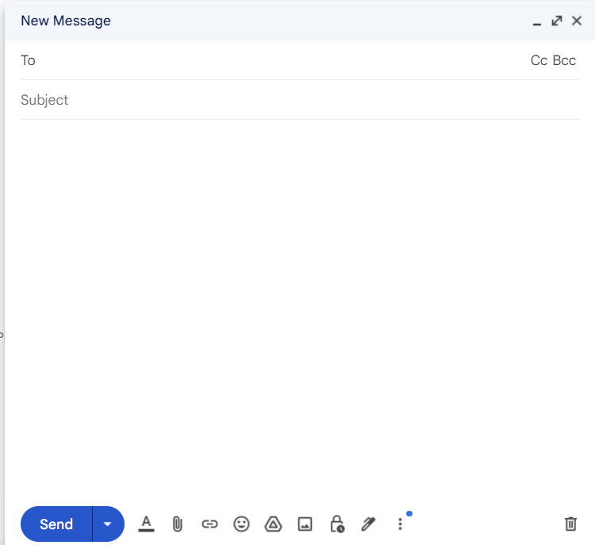
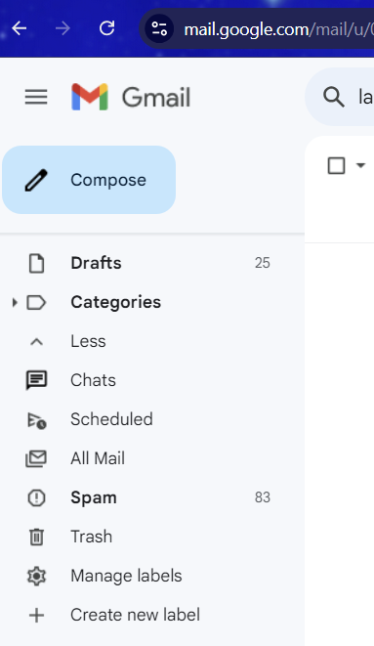
Feature: | Gmail compose functionality

Scenario: | User clicks on 'compose' button to open a "new message" window and enter details and send mail to valid email id.

Given | the user logged into gmail account with valid credential.
when | the user clicks on 'compose' button.
Then | new message window pop-up should appear
And | fields like To, Subject,CC, BCC , email body field and send button ,discard draft(delete icon) etc are shown in pop-up
when | user enter subject as "Incubyte" in subject field and enter body as " QA test for Incubyte" in email body field.
And | user enters valid email id "xyz@incubyte.com" in To address field and click on "send" button
Then | mail is sent successfully and it is reflected in sent folder.

FYR

Positive_Test Case 4
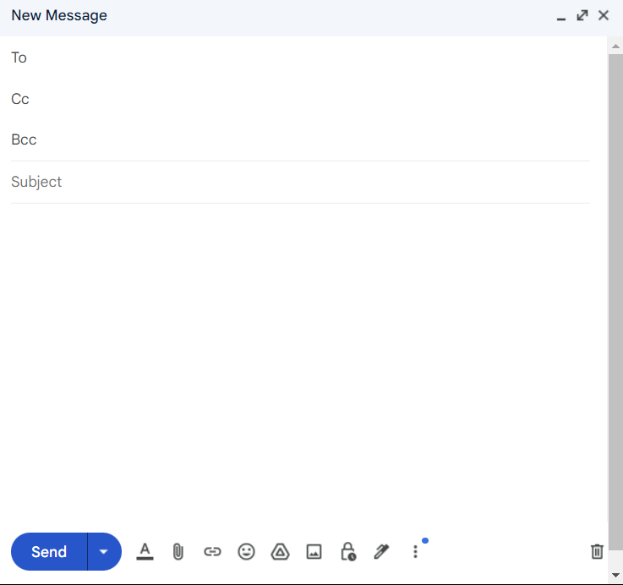
Feature: | Gmail compose functionality

Scenario: | User clicks on 'compose' button to open a "new message" window and enter details and send mail to multiple valid email ID's in TO, CC and BCC

Given | the user logged into gmail account with valid credential.
when | the user clicks on 'compose' button.
Then | new message window pop-up should appear
And | fields like To, Subject,CC, BCC , email body field and send button ,discard draft(delete icon) etc are shown in pop-up
when | user enter subject as "Incubyte" in subject field and enter body as " QA test for Incubyte" in email body field.
And | user enters valid email id "xyz@incubyte.com" and "abc@incubyte.com" seprated by comma(,) in To address field.
when | user clicks on cc and enters a valid email ID in the cc field and clicks on bcc and enters a valid email ID in the BCC field and clicks on the "send" button
Then | mail is sent successfully and it is reflected in sent folder.

FYR

Negative_Test Case 6
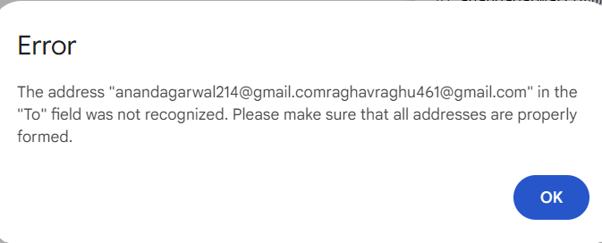
Feature: | Gmail compose functionality

Scenario: | The user clicks on the 'compose' button to open a "new message" window enter details and send mail to multiple valid email IDs in To field without separating by comma.

Given | the user logged into gmail account with valid credential.
when | the user clicks on 'compose' button.
Then | new message window pop-up should appear
And | fields like To, Subject,CC, BCC , email body field and send button ,discard draft(delete icon) etc are shown in pop-up
when | user enter subject as "Incubyte" in subject field and enter body as " QA test for Incubyte" in email body field.
And | user enters valid email id "xyz@incubyte.com" and "abc@incubyte.com" without seperated by comma(,) in To address field and clicks on send button.
Then | user gets error message "The address "xyz@incubyte.comabc@incubyte.com" in the "To" field was not recognized. Please make sure that all addresses are properly formed."

FYR

Negative_Test Case 7
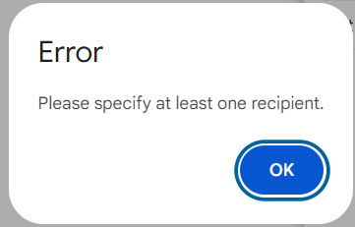
Feature: | Gmail compose functionality

Scenario: | The user clicks on the 'compose' button to open a "new message" window enter details and send mail without entering any mail address.

Given | the user logged into gmail account with valid credential.
when | the user clicks on 'compose' button.
Then | new message window pop-up should appear
And | fields like To, Subject,CC, BCC , email body field and send button ,discard draft(delete icon) etc are shown in pop-up
when | user enter subject as "Incubyte" in subject field and enter body as " QA test for Incubyte" in email body field.
And | user maintain TO field as blank and clcik on send button
Then | user gets error message "Please specify at least one recipient."

FYR

Negative_Test Case 8
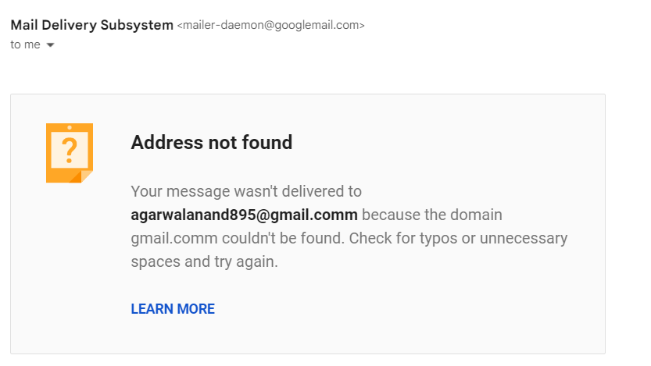
Feature: | Gmail compose functionality

Scenario: | The user clicks on the 'compose' button to open a "new message" window enter details and send mail to the invalid domain email ID.

Given | the user logged into gmail account with valid credential.
when | the user clicks on 'compose' button.
Then | new message window pop-up should appear
And | fields like To, Subject,CC, BCC , email body field and send button ,discard draft(delete icon) etc are shown in pop-up
when | user enter subject as "Incubyte" in subject field and enter body as " QA test for Incubyte" in email body field.
And | the user enters an invalid domain email ID in To field and click on send button.
Then | mail is not sent and user receives system generated mail mentioning message was not delivered.

FYR

