CONTACTS-Done
MENU
CONTACTS > existing code this is named as data number

 |  |  | Page 1
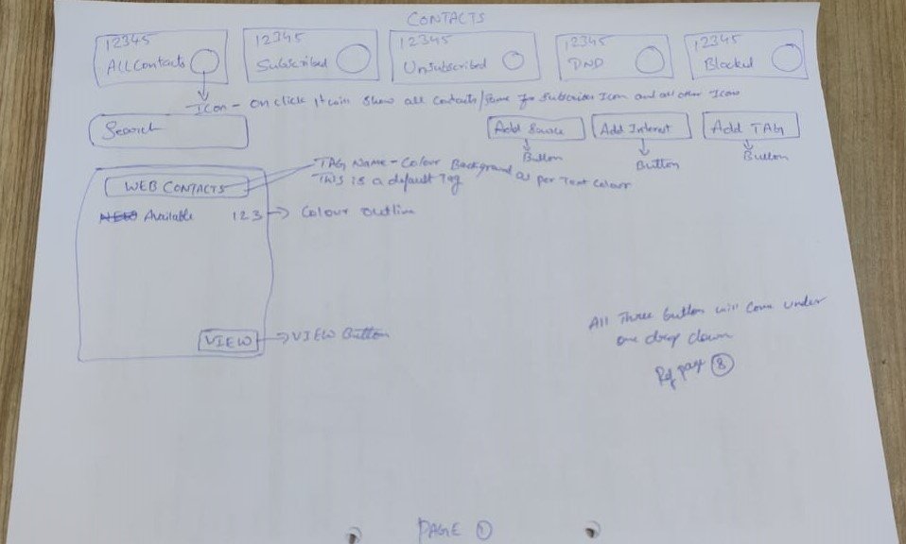

Header Refer > https://pixinvent.com/demo/vuexy-html-bootstrap-admin-template/html/ltr/vertical-menu-template/app-user-list.html

- All Contacts = Sum of Subscribed, Unsubscribed, DND, Blocked

- Icon for - Allcontacts - Subscribed - unsubscribed - DND - Blocked > Refer icon sheet
- Click on icon will show all the contacts as per title
>> All contacts - Will show all contacts from all tags
>> Subscribed - Will show all contacts from all tags, whose status is subscribed
>> Unsubscribed - Will show all contacts from all tags, whose status is unsubscribed
>> DND - Will show all contacts from all tags, whose status is DND
>> Blocked - Will show all contacts from all tags, whose status is Blocked

[Search] > to search created tags

Click on [Add] dropdown from page one will have 3 options
1. Add Tag 2. Add Source 3. Add Interest

Add Tag > Click on add tag will open a pop up to add tag > User will enter tag name and click on [save] to to complete tag creation process, & [discard] to cancel
>> Once tag is created user can click in view button on particular tag to add and view contacts under that tag
Add Tag : Ref > Use Add New card > UI, > https://pixinvent.com/demo/vuexy-html-bootstrap-admin-template/html/ltr/vertical-menu-template/modal-examples.html

Add Source & Add Interest > Refer page 8 Image to check function of this.

Web Contacts - Is a default tag(cannot be edited by anybody), all contacts from webchat plugin will be added here
click on [view] will show all the web contacts

 |  |  | PAGE 2
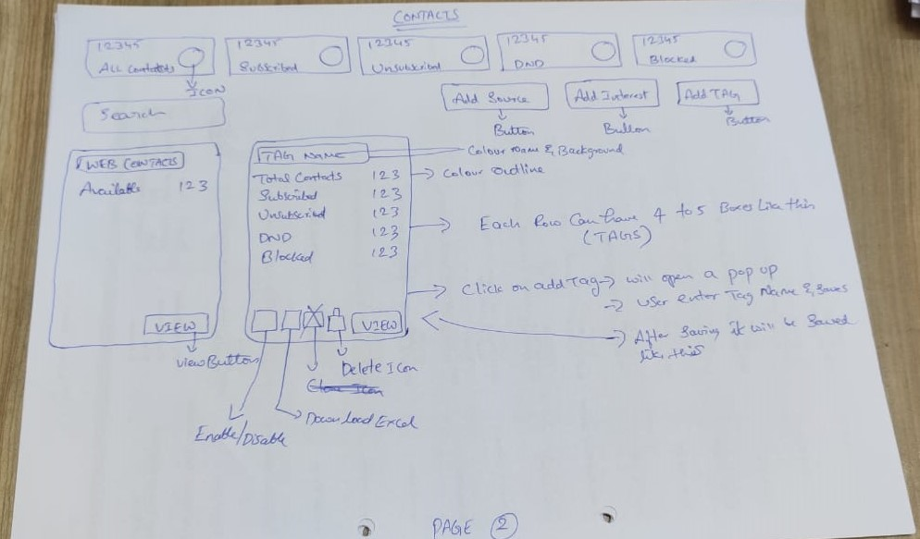

Tag Overview > Once tag is created will have
- Total Contacts > Sum of subscribed + unsubscribed + DND + Blocked of that particular tag contacts
- Subscribed > Sum of subscribed of that particular tag contacts
- Unsubscribed > Sum of unsubscribed of that particular tag contacts
- DND > Sum of DND of that particular tag contacts
- Blocked > Sum of blocked of that particular tag contacts

Tag Boxes > each row can have 4 to 5 tag boxes as shown in image

Enable Tag & Disable Tag Switch > On = Green & Off = Red > https://pixinvent.com/demo/vuexy-html-bootstrap-admin-template/html/ltr/vertical-menu-template/form-switch.html
enable = if this is enabled user can use this tag for campaigns
disable = if this is disabled user cannot use this tag for campaigns

Download Excel > Ref Icon Download from theme
option to download all contacts of that particular tag > with all profile fields

Delete > This will delete that particular tag and all contacts of that tag, once pop up confirmation will be asked before deleting

[View] click on view will take to next screen , where contacts and be added manually and uploaded in bulk.

 |  |  | Page 3
 |  | Once Tag is Added = Before adding contacts
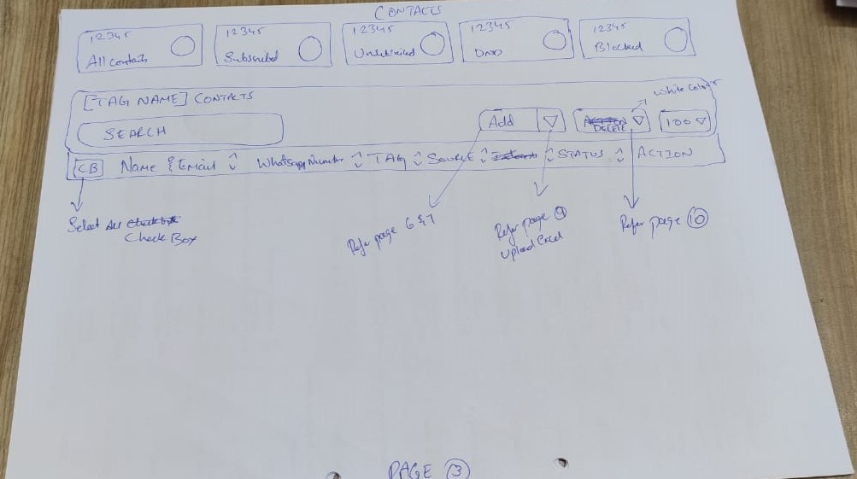

Ref > https://pixinvent.com/demo/vuexy-html-bootstrap-admin-template/html/ltr/vertical-menu-template/app-user-list.html

[tag Name] Contacts > tag name = selected tag
[Search bar] to search contacts in that particular tag

Contacts Overview :
Contacts overview (Display)

[Cb] Image, Name & Email, WhatsApp Number, Tag, Source, Status, [3 Edit Icon]

[Cb] = Check box

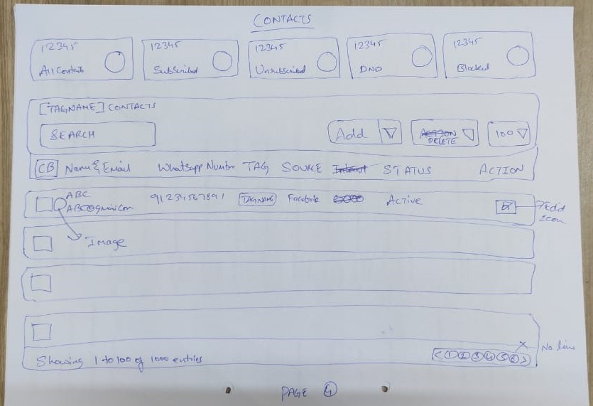
 |  |  | Page 4

Ref > https://pixinvent.com/demo/vuexy-html-bootstrap-admin-template/html/ltr/vertical-menu-template/app-user-list.html
[Add] Dropdown
Add = Click on this add button will open contact profile, which enables user to add contact manually > Ref page 6 & 7 for UIX
Dropdown = Click on this dropdown will show upload option button, click on button will open pop up to upload excel > Ref page 9 for UIX

[Delete] Dropdown > Ref Page 10 for UIX
Delete = Click on delete will delete selected contacts
Dropdown = Click on dropdown will show [change tag] button, click on change tag button will open popup
popup will have dropdown option to select available tag and [submit] button
Change tag is moving contacts in bulk from one tag to another tag
popup will open only when more than one contact is selected to change contact tag in bulk

Edit Icon > Click on contact edit icon will take user to contact profile

 |  |  | PAGE 5 - 6 - 7
 |  |  | Contacts Profile
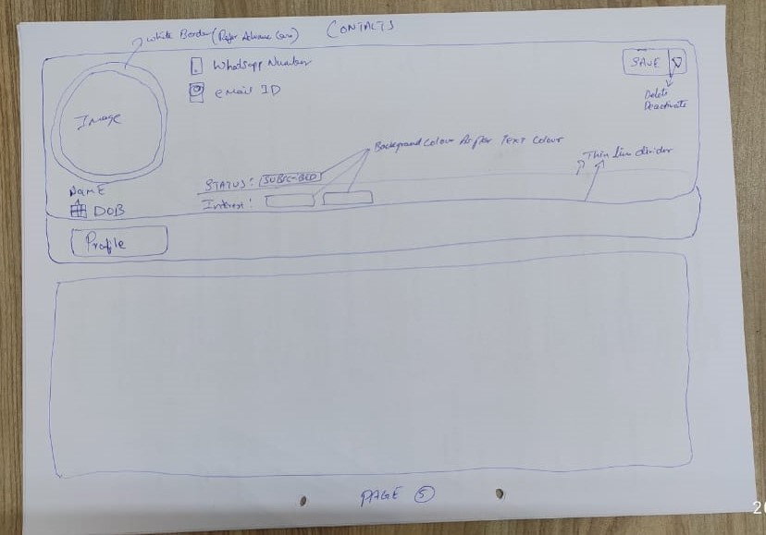

As per theme user flow > Click on edit will open above contact profile
Change profile view from vertical to horizontal from theme
Ref > https://pixinvent.com/demo/vuexy-html-bootstrap-admin-template/html/ltr/vertical-menu-template/app-user-view-account.html
Ref > https://pixinvent.com/demo/vuexy-html-bootstrap-admin-template/html/ltr/vertical-menu-template/page-profile.html

[Save] Dropdown
[Save] > save button will save any changes made
[Dropdown] > will have 2 option delete and Deactivate > Delete will delete profile with confirmation pop up, Deactivate will deactivate the profile with confirmation popup

Contacts can be added in 2 ways
1 Manually > using profile |  |  | 2 Upload > using excel

[Profile] Click on profile will open contact profile
All profile fields will be filled by user here manually

 |  |  | Page 6
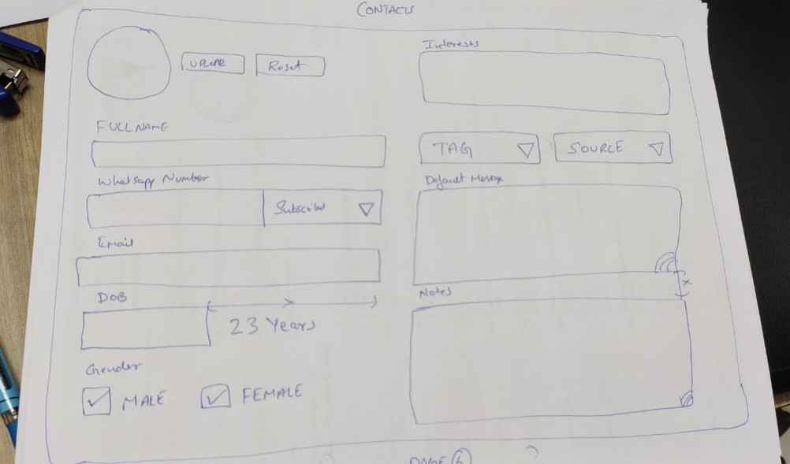

 |  |  | Page 7
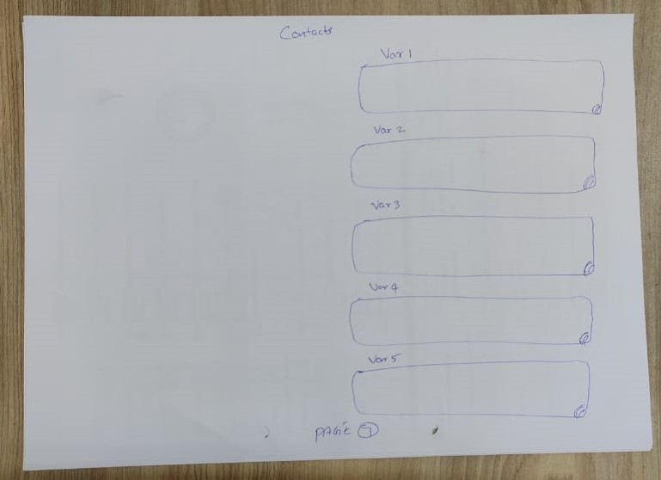

[Interest] > in this box user can add manually multiple available interested
[Tag] > Drop down to select or change tag of that particular contact
[Source] > Drop down to select or change source
[WhatsApp Number] [Dropdown] > First box user can enter whatsapp number, from dropdown down user can change status manually,

Note : Status will be subscribed by default for all contact which are added manually or uploaded via excel or added via webcontacts

Contact Form Contents :
Name,
[WhatsApp Number] & [Status] Status : Dropdown [Subscribed, Unsubscribed, DND, Blocked]
Email Id
DOB
Gender [Cb] Male [Cb] Female
Default Message
Tag (Contact group)
Source (Lead source like facebook, Instagram etc)
Interests
Notes
Var1-Var2-Var3-Var4-Var5

 |  |  | Page 8
 |  |  | Source & Interest
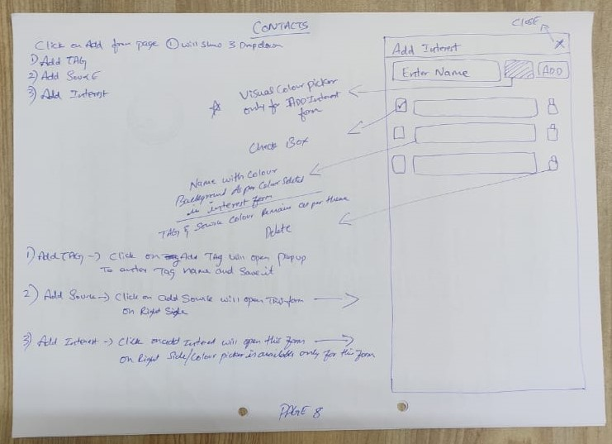

Click on [Add] dropdown from page one will have 3 options
1. Add Tag 2. Add Source 3. Add Interest
1. Add Tag > Function already given

2. Add Source >
User click on [Add Source] button, form will be opened
Step 1 > Open Form UIX Ref > Select > Both scrolling & Backdrop > https://pixinvent.com/demo/vuexy-html-bootstrap-admin-template/html/ltr/vertical-menu-template/component-offcanvas.html

Form will have
[Enter Name Box] [Add] <<<<< User will enter Source name in box and click on add will create source & saved automatically
Step 2 > Add Source - For add function use > Form Repeater ref > https://pixinvent.com/demo/vuexy-html-bootstrap-admin-template/html/ltr/vertical-menu-template/form-repeater.html

All added source will look like this & user can show and hide source and delete as shown in image
Colour - All added source will have theme colour text with theme colour background (Ref below link > as in calender)
Step 3 > View UI > https://pixinvent.com/demo/vuexy-html-bootstrap-admin-template/html/ltr/vertical-menu-template/app-calendar.html

3. Add Interest >
User click on [Add Interest] button, form will be opened
Step 1 > Open Form UIX Ref > Select > Both scrolling & Backdrop > https://pixinvent.com/demo/vuexy-html-bootstrap-admin-template/html/ltr/vertical-menu-template/component-offcanvas.html

Form will have
[Enter Name Box] [Visual Colour Picker] [Add] <<<<< User will enter Interest name in box and click on add will create source & saved automatically
Step 2 > Add Interest - For add function use > Form Repeater ref > https://pixinvent.com/demo/vuexy-html-bootstrap-admin-template/html/ltr/vertical-menu-template/form-repeater.html

All added Interest will look like this & user can show and hide Interest and delete as shown in image
Colour - All added Interest will have multiple colour text with colour background, which can be selected from visual colour picker (Ref below link > as in calender)
Step 3 > View UI > https://pixinvent.com/demo/vuexy-html-bootstrap-admin-template/html/ltr/vertical-menu-template/app-calendar.html

Note: Only Interest form will have visual colour picker

 |  |  | Page 9
 |  |  | Excel Upload

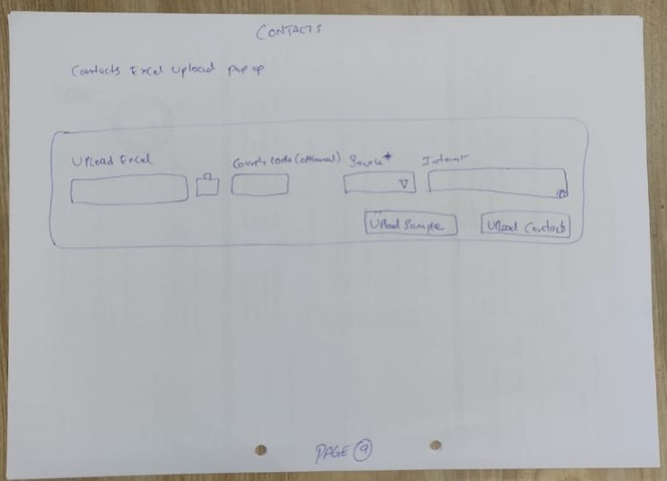

2. Upload Excel : POP UP REF > Add New Card > https://pixinvent.com/demo/vuexy-html-bootstrap-admin-template/html/ltr/vertical-menu-template/modal-examples.html

Inside tag click on [add] dropdown and select [upload contacts] button
Click on upload button Contacts option will open popup

[Upload Excel] Popup will have option to upload excel > Ref >
[BOX] > to enter country code > Add country code in box if not added in excel
[Source] > Dropdown to select source - make this as mandatory field
[BOX] > to add multiple interest > mandatory

[Download Sample] [Submit] Button

Note : Once contact is uploaded using excel, duplicate contacts will neither be merged or added, duplicate contacts report will be downloaded immediately
so that user can make necessary changes manually with duplicate contacts

Download Sample Excel Format : Name, WhatsApp Number, Email Id, DOB, Default Message, Notes, Var1, Var2, Var3, Var4, Var5,

 |  |  | Page 10
 |  |  | Change tag Bulk
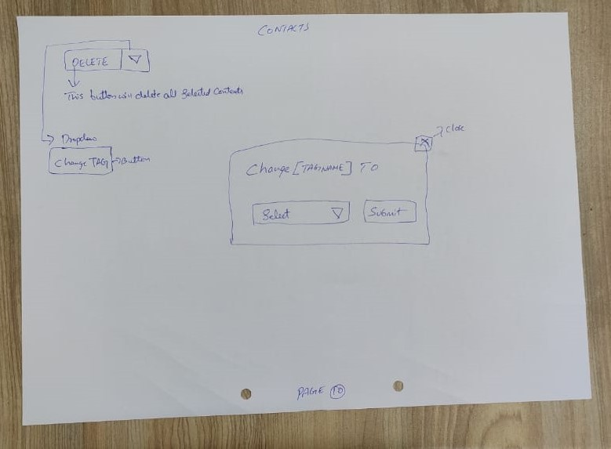

 |  |  |  |  | <<< Change Tag Name Is present tag name

Prototype Changes = Functions
Add Button > Its my error that i described wrong |  |  |  | Add Tag [Dd] > Dd = Dropdown this will have "Add Source" & "Add Interest"
Add Interest > Feature is not functional |  |  |  | Check Box Colour should be same as text colour picker for interest
 |  |  |  | Check box enable & disable is not functional
Tag Name | Inside Tag > Need only "Tag Name - Contacts", Dont Need "(Total-2)"
DOB > All Date format shoul be in DDMMYY format In Download file And Upload File , Not Functional
Tag Delete | Delete Confirmation > Ref > Confirm Button Option > Confirm Button Text >https://pixinvent.com/demo/vuexy-html-bootstrap-admin-template/html/ltr/vertical-menu-template/ext-component-sweet-alerts.html
Inside Profile > Delete button is not functional > Deactivate button is not added
Contacts Icon > Users not user
Inside Profile > Subscribed Dropdown is old look
Contact Image > uploaded image is not visible on contact profile.
Contact profile as per theme & other profile contents
Duplicate contacts > function is not added still,

MERGED - CAMPAIGNS-Done
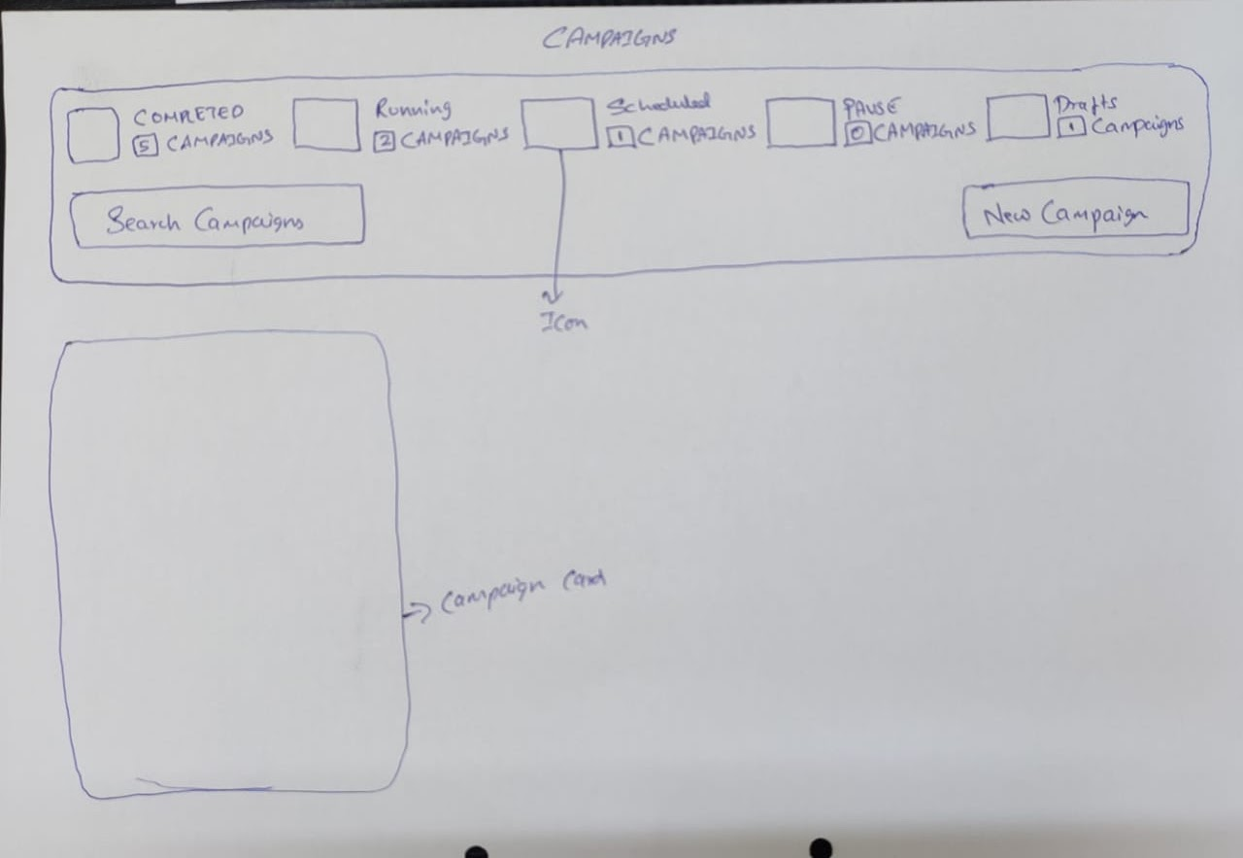
MENU | > CAMPAIGNS | Card form is due will be shared very soon
 |  |  |  |  | Campaigns Page
 |  |  |  |  | Once click on campaign, page will show like this
 |  |  |  |  | Ref > https://pixinvent.com/demo/vuexy-html-bootstrap-admin-template/html/ltr/vertical-menu-template/form-wizard.html
 |  |  |  |  | Ref above link > Use First form, replacec number with icon,
 |  |  |  |  | > Icon Colour as per address form in same link
 |  |  |  |  | Click on icon will show respect campaigns cards

 |  |  |  |  | - Completed Campaigns > Is sum of all completed campaigns
 |  |  |  |  | - Running Campaigns > Is sum of all running campaigns
 |  |  |  |  | - Scheduled Campaigns > Is sum of all scheduled campaigns
 |  |  |  |  | - Paused Campaigns > Is sum of all paused campaigns
 |  |  |  |  | - Draft Campaigns > Is sum of all draft campaigns
 |  |  |  |  | - [Search Bar] > Used to search campaigns
 |  |  |  |  | - [New Campaign] Button > Click on this button will show Campaign Form
 |  |  |  |  | - Campaign Card > Campaign card is overview of that particular campaign.
 |  |  |  |  | Campaign card will be created only > When form is saved as draft
 |  |  |  |  | > When campaign is scheduled
 |  |  |  |  | > When campaign is created or started

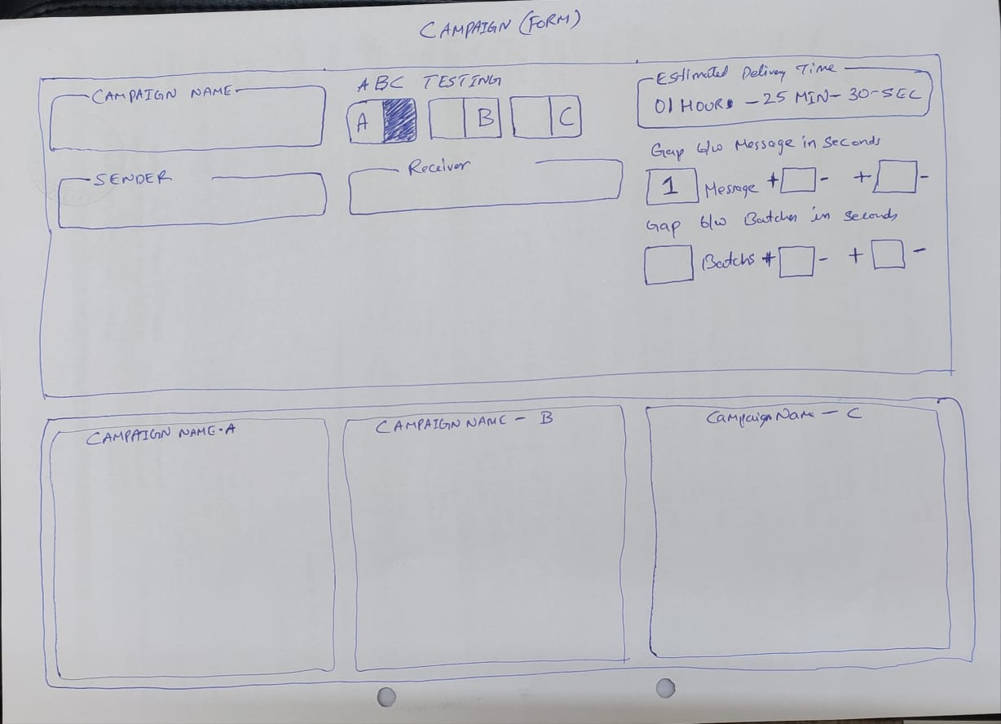
 |  |  |  |  | Campaign Form
 |  |  |  |  | Campaign Name > Campaign Name
 |  |  |  |  | [Sender] is devices > Ref > Select2 Options >> Multiple > https://pixinvent.com/demo/vuexy-html-bootstrap-admin-template/html/ltr/vertical-menu-template/form-select.html
 |  |  |  |  | [Sender] > Display all number from Campaigns devices from dropdown
 |  |  |  |  | [Cb] Device Name-Number | >> [Cb] is check box
 |  |  |  |  | [Cb] Device Name-Number
 |  |  |  |  | [Cb] Select All
 |  |  |  |  | [Cb] Unselect All

 |  |  |  |  | [Receiver] is contacts > Ref > Select2 Options >> Multiple > https://pixinvent.com/demo/vuexy-html-bootstrap-admin-template/html/ltr/vertical-menu-template/form-select.html
 |  |  |  |  | [Receiver] > Display all Tags, under that all interest of that particular tags
 |  |  |  |  | [Cb] Select All
 |  |  |  |  | [Cb] Unselect All
 |  |  |  |  | [Cb] Tags > Select Tag will select all the interest under that particular Tag
 |  |  |  |  | [Cb] Interests
 |  |  |  |  | [Cb] All Subscribed
 |  |  |  |  | [Cb] All Unsubscribed
 |  |  |  |  | [Cb] All DND

 |  |  |  |  | Campaign Form
 |  |  |  |  | A B C Testing | Receiver(Contacts) - 600 | Sender(Devices)
 |  |  |  |  | A = A Campaign Form = Message 1 | 200 | S1
 |  |  |  |  | B = B Campaign Form = Message 2 | 200 | S2
 |  |  |  |  | C = C Campaign Form = Message 3 | 200 | S3

 |  |  |  |  | A Message = 600 Contacts, Divided by 3 Devices
 |  |  |  |  | A Message & B Message = 600 Contacts Divided by 2(A= 300 & B= 300), Divided by 3 Devices
 |  |  |  |  | A Message & B Message & C Message = 600 Contacts Divided by 3 (A= 200 & B= 200 & C= 200), Divided by 3 Devices

 |  |  |  |  | Estimated Delivery Time
 |  |  |  |  | Arrving the time required to complete the campaign
 |  |  |  |  | Gap between messages in seconds > Buttons ref > https://pixinvent.com/demo/vuexy-html-bootstrap-admin-template/html/ltr/vertical-menu-template/form-number-input.html
 |  |  |  |  | This is time delay between each message - After delivery of each message it will wait for set time in seconds
 |  |  |  |  | User can set time in seconds
 |  |  |  |  | Gap between batches in seconds > Buttons ref > https://pixinvent.com/demo/vuexy-html-bootstrap-admin-template/html/ltr/vertical-menu-template/form-number-input.html
 |  |  |  |  | [Box] Batch << Rename batch as Messages
 |  |  |  |  | This is time delay between each batch
 |  |  |  |  | Batch = set of message - User can set number in box
 |  |  |  |  | For Ex : [50] Message is one batch - After delivery of each message as per gap between messages
 |  |  |  |  | and on completion of 50 messages, it will wait for set time in seconds
 |  |  |  |  | User can set time in seconds

 |  |  |  |  | Time Delay Logic
 |  |  |  |  | 5 to 10 seconds will take random time delay between 5 to 10 Seconds,
 |  |  |  |  | 5 to 5 Seconds will take time delay of 5 seconds,

Sender (Devices = D) |  | Receiver (Interest = I) |  | Contacts = C
 |  | Rule > 1 Contact = 1 Tag

Case1

D1 - D2 - D3 - D4 - D5 |  | i1 - i2 - i3 - i4 - i5 |  | C1 >> i1 @ tag1
 |  | i1 = 1C |  | C2 >> i2 + i1 @ tag1
 |  | i2 = 1C |  | C3 >> i3 @ tag2
 |  | i3 = 2C |  | C4 >> i4 + i3 + i1 + i2 @ tag2
 |  | i4 = 1C |  | C5 >> i3 @ tag3
 |  | i5 = Zero Contacts
 |  | Message will be delivered to 5 contacts
 |  | As 5 devices are selected 5 contacts will be divided to selected devices equally

Case2

D1 - D2 |  | i1 - i2 - i3 - i4 - i5 |  | C1 >> i1 @ tag1
 |  | i1 = 1C |  | C2 >> i2 + i1 @ tag1
 |  | i2 = 1C |  | C3 >> i3 @ tag2
 |  | i3 = 2C |  | C4 >> i4 + i3 + i1 + i2 @ tag2
 |  | i4 = 1C |  | C5 >> i3 @ tag3
 |  | i5 = Zero Contacts
 |  | Message will be delivered to 5 contacts
 |  | As 2 devices are selected 5 contacts will be divided to selected devices equally

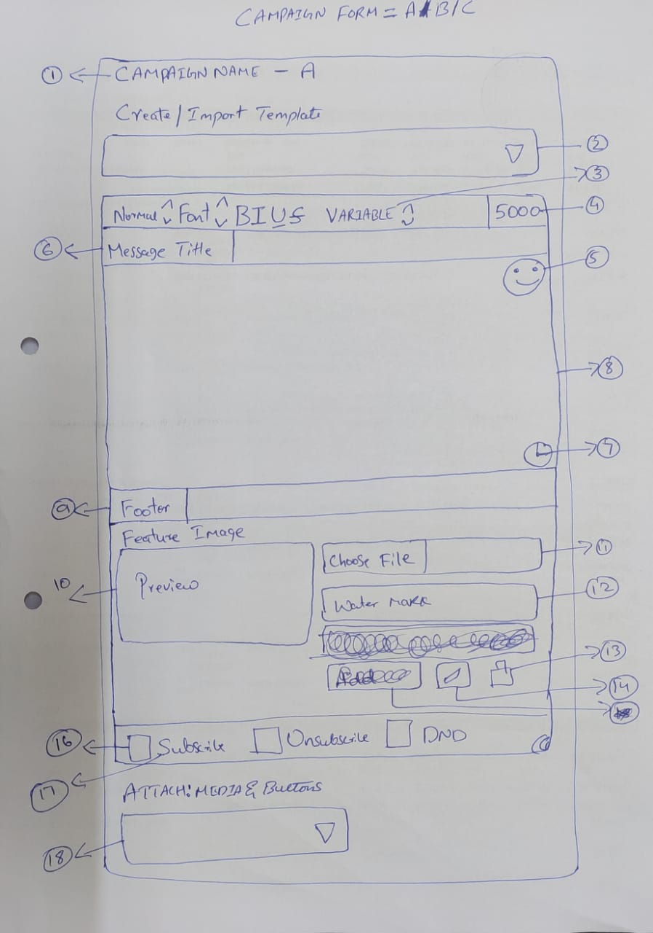
 |  |  | Campaign Form
 |  |  | Click on New Campaign , will open this Campaign form
 |  |  | 1 - Campaign Name as entered above, with Prefix A > Prefix A = Campaign Form for A
 |  |  | 2 - Dropdown to select templates > this will load all saved templates from template menu
 |  |  | 3 - Variables = This is a drop down, to select variables & Spintax > Ref Beta Sender
 |  |  | 8 - Ref > Snow Editor > https://pixinvent.com/demo/vuexy-html-bootstrap-admin-template/html/ltr/vertical-menu-template/form-quill-editor.html
 |  |  | Variables = Contact Name (from profile) , Default Message (from profile), SpinTax, Var1 to Var5( From Contact Profile)
 |  |  | Spintax = Hi, Hey, Hello, Hii, Dear, Sir, Ms, Mr > Ref > Show Express Bete Sender
 |  |  | 4 - Character Count > ref UI > Basic > https://pixinvent.com/demo/vuexy-html-bootstrap-admin-template/html/ltr/vertical-menu-template/form-input-groups.html
 |  |  | 5 - Emojis> Ref > https://www.whatsera.com/dashboard/campaign/new
 |  |  | 6 - Message Title > This is from existing code List form > Ref UI > https://pixinvent.com/demo/vuexy-html-bootstrap-admin-template/html/ltr/vertical-menu-template/form-input-groups.html
 |  |  | 7 - Time Stamp > 15 August 2022, Monday, 14 : 22 : 55 PM
 |  |  | 9 - Footer > form existing form > Ref UI > Same as Message Title > https://pixinvent.com/demo/vuexy-html-bootstrap-admin-template/html/ltr/vertical-menu-template/form-input-groups.html
 |  |  | 10 - Featured Image > Ref UI > Upload Image > https://pixinvent.com/demo/vuexy-html-bootstrap-admin-template/html/ltr/vertical-menu-template/page-blog-edit.html
 |  |  | > Preview of image as shown in above link
 |  |  | 11 - Upload Image file Only
 |  |  | > Images uploaded here will be sent along with above message
 |  |  | > Image will be sent first, along above message as Caption
 |  |  | 12 - Watermark is text water mark on image - Not required Here
 |  |  | 13 - Delete icon > If user do not want to send image after uploading, image can be removed from here
 |  |  | 14 - Set Caption > Not Required Here
 |  |  | 15 - Ignore

 |  |  | 16 - Check Box ref > https://pixinvent.com/demo/vuexy-html-bootstrap-admin-template/html/ltr/vertical-menu-template/app-calendar.html
 |  |  | Subscribe > Green Check BoX
 |  |  | Unsubscribe > Orange Check BoX
 |  |  | DND > Red Check BoX

 |  |  | 17 - Subscribe Button > Default button, can be rename in autoreply menu
 |  |  | when user check this > Subscribe button will be sent with all the messages
 |  |  | > Unsubscribe Button > Default button, can be rename in autoreply menu
 |  |  | when user check this > Unsubscribe button will be sent with all the messages
 |  |  | > DND buttonon > Default button, can be rename in autoreply menu
 |  |  | when user check this > DND button will be sent with all the messages

 |  |  | 1 Contact = 1 Status
 |  |  | All the added contacts by default Subscribed Status will be assigned
 |  |  | when receipent clicks on respective buttons = Status will be changed automatically

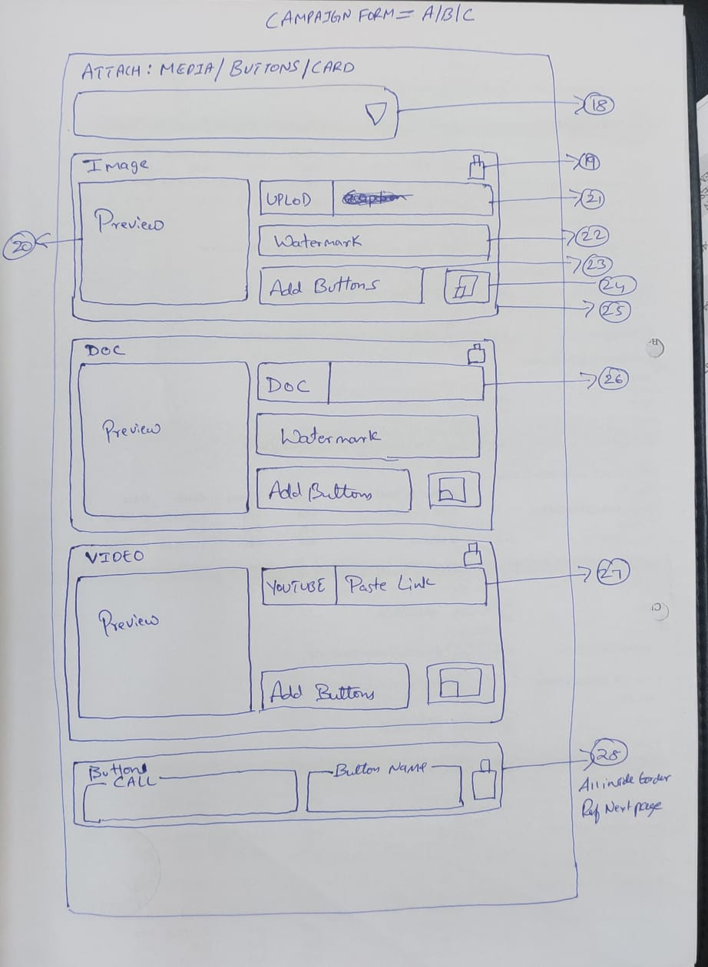
 |  |  | 18 - Attach : Media & Buttons
 |  |  | This is drop down to attach Media & Buttons
 |  |  | Dropdown will have > Ref > Select2 Options > Icon > https://pixinvent.com/demo/vuexy-html-bootstrap-admin-template/html/ltr/vertical-menu-template/form-select.html
 |  |  | MEDIA
 |  |  | > [Icon] Image
 |  |  | > [Icon] Doc
 |  |  | > [Icon] Video
 |  |  | BUTTONS
 |  |  | > [Icon] Call
 |  |  | > [Icon] URL
 |  |  | > [Icon] Chat
 |  |  | > [Icon] Button
 |  |  | > [Icon] List
 |  |  | Click on buttons will directly add Media or Buttons > Unlimited buttons can be added
 |  |  | 19 - Delete Icon = To delete Media or Buttons
 |  |  | 20 - Preview of Uploaded Media
 |  |  | 21 - > Image = [? ] user can add upto 10 Images & Size ?
 |  |  | Image can be uploaded using uploaded button
 |  |  | 22 - Watermark = Text watermark = right bottom placement
 |  |  | 23 - Click on add button will load all buttons option
 |  |  | BUTTONS
 |  |  | > [Icon] Call
 |  |  | > [Icon] URL
 |  |  | > [Icon] Chat
 |  |  | > [Icon] Button
 |  |  | > [Icon] List
 |  |  | 24 - Set caption Icon = will open snow editor to set caption for particular media
 |  |  | Text editor as above without footer and Feature Image
 |  |  | 25 - Colour Outline & DragnDrop
 |  |  | Multiple Colour Outline > Ref > Style Variation > https://pixinvent.com/demo/vuexy-html-bootstrap-admin-template/html/ltr/vertical-menu-template/card-basic.html
 |  |  | DragnDrop > Ref > Basic List Group Sortable > https://pixinvent.com/demo/vuexy-html-bootstrap-admin-template/html/ltr/vertical-menu-template/ext-component-drag-drop.html
 |  |  | 26 - > Doc = [? ] user can add upto 2 Pdf, each upto 2mb
 |  |  | 27 - > Video = [? ] user can add upto 10 Video Links, All comes with preview

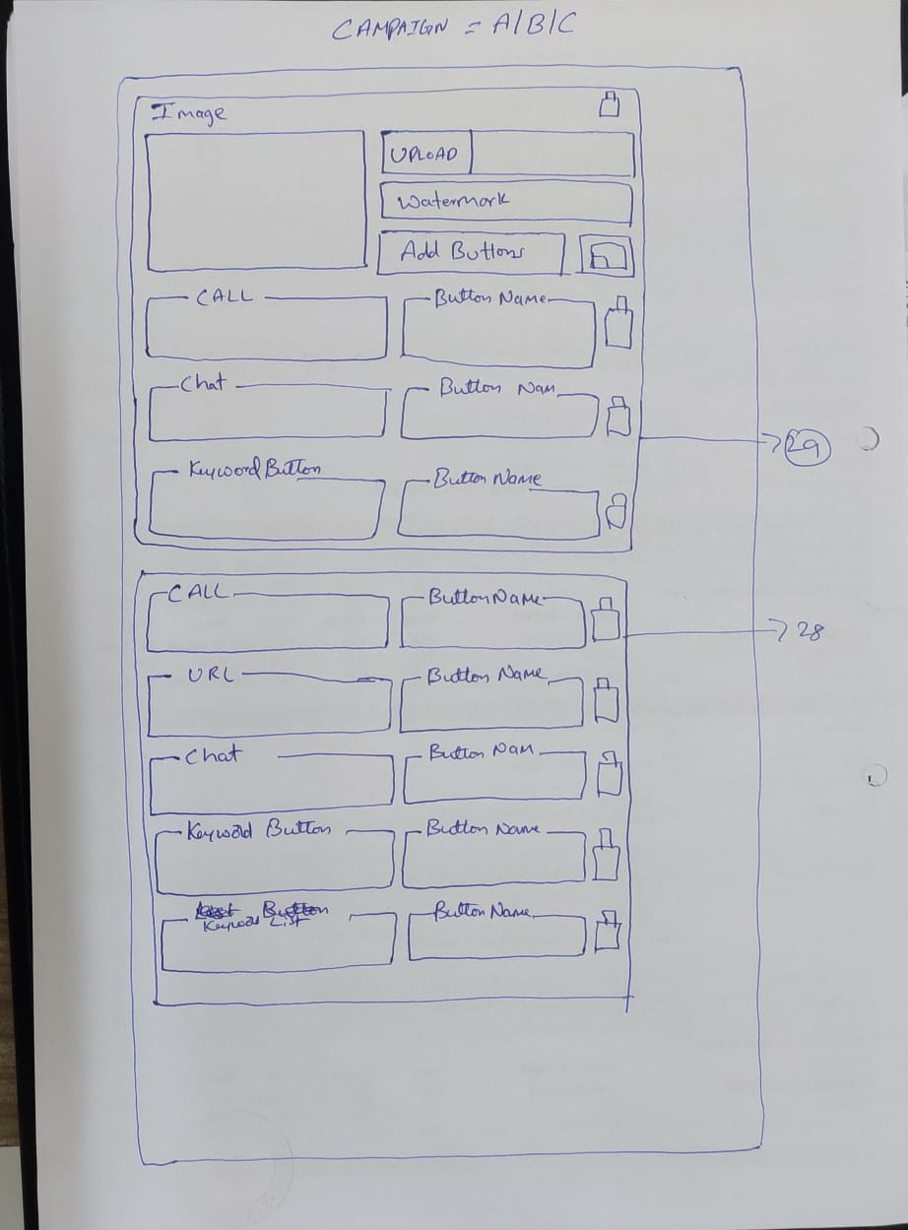
 |  |  | 28. Button Alingments - When only buttons are added directly from Attach : Dropdown
 |  |  | All buttons will come inside one border and can be arranged using dragndrop
 |  |  | Note : Subscribe Unsubscribe & DND buttons if selected under editor will come below these buttons

 |  |  | 29 - View of buttons when added with media
 |  |  | added buttons will come inside particular media border, buttons can be arranged using dragndrop

 |  |  | Ref : Drag N Drop
 |  |  | https://pixinvent.com/demo/vuexy-html-bootstrap-admin-template/html/ltr/vertical-menu-template/ext-component-drag-drop.html

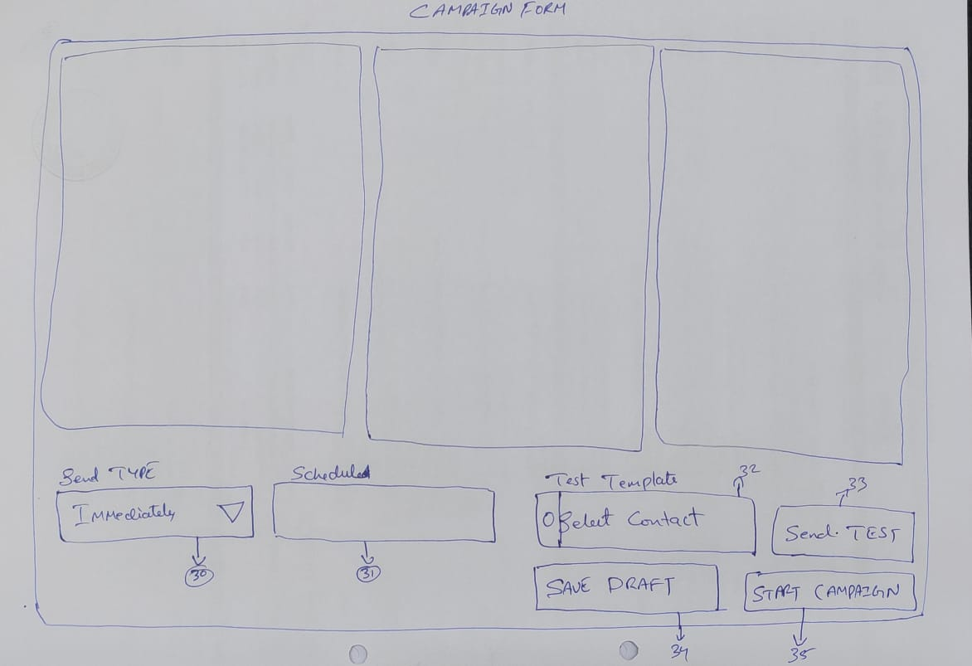
 |  |  |  |  | 30 - Send type = Send Immediately or Schedule
 |  |  |  |  | This will come at the end of the form with dropdown
 |  |  |  |  | Ref > Mped
 |  |  |  |  | selecting [Immediately} option and click on start campaign will start sending messages immediately

 |  |  |  |  | 31 - Selecting schedule from dropdown will open time and date picker to schedule campaign
 |  |  |  |  | Time Picker ref > https://pixinvent.com/demo/vuexy-html-bootstrap-admin-template/html/ltr/vertical-menu-template/form-date-time-picker.html
 |  |  |  |  | 32 > [Search Box] to select contacts to send test message
 |  |  |  |  | 33 > After selecting contacts click on send test will send all three form message to selected contacts
 |  |  |  |  | 34 > Will save message as draft
 |  |  |  |  | 35 > Will execute campaign as per send type
 |  |  |  |  | > Once campaign is started, campaign can be paused & resumed, cannot be edited or modified
 |  |  |  |  | > It can be modified only in case of SCHEDULED
 |  |  |  |  | > Campaign can be cloned (Duplicated), clone copy will be saved as "copy of campaign name"

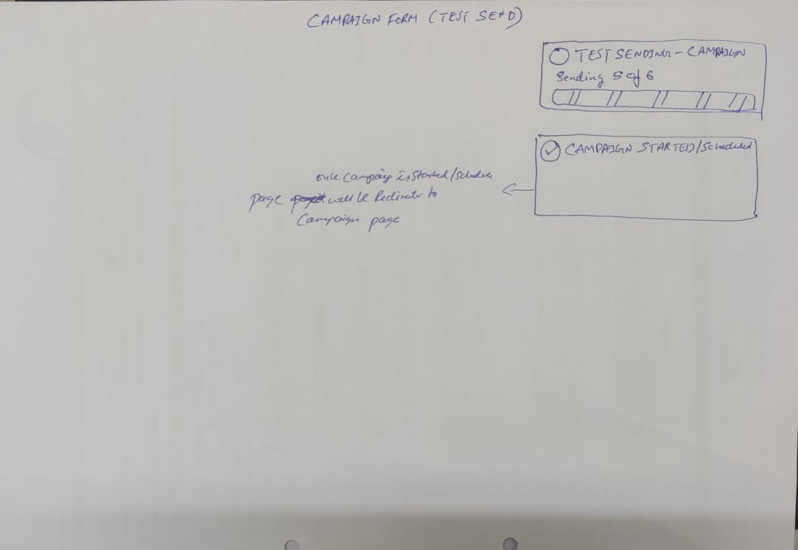
 |  |  |  |  | Confirmation Toaster
 |  |  |  |  | Ref > Show / Hide Animation > Slidedown / slideup >https://pixinvent.com/demo/vuexy-html-bootstrap-admin-template/html/ltr/vertical-menu-template/ext-component-toastr.html

 |  |  |  |  | (Green Check icon) Test Sending - Campaign Name
 |  |  |  |  | Sending 5 of 6
 |  |  |  |  | Progress Bar > Ref > Animated Progress > https://pixinvent.com/demo/vuexy-html-bootstrap-admin-template/html/ltr/vertical-menu-template/component-progress.html

 |  |  |  |  | (Green Check icon) Campaign Name Started
 |  |  |  |  | Same for > Campaign Scheduled, Drafted, Autoreply, Templates, Contacts Added

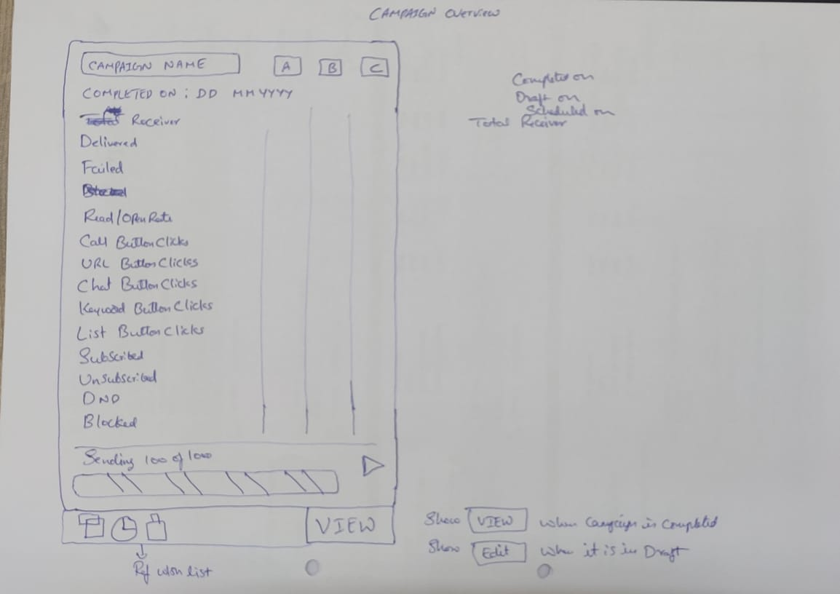
 |  |  |  |  | Campaign Overview cars
 |  |  |  |  | Once campaign is created or scheduled or drafted this card will be created
 |  |  |  |  | Campaign Name = Campaign Name = background colour as per text
 |  |  |  |  | Campaign text > Ref = > https://pixinvent.com/demo/vuexy-html-bootstrap-admin-template/html/ltr/vertical-menu-template/component-alerts.html
 |  |  |  |  | A B C > ref > Developer Meetup = Square icons > Replace icon with text > https://pixinvent.com/demo/vuexy-html-bootstrap-admin-template/html/ltr/vertical-menu-template/card-advance.html
 |  |  |  |  | Completed on = DD : MM : YYYY
 |  |  |  |  | Completed on = When Campaign is completed
 |  |  |  |  | Scheduled on = When Campaign is scheduled
 |  |  |  |  | Drafted on = When Campaign is drafted
 |  |  |  |  | Delivered = Sum of all delivered message >>> A B C
 |  |  |  |  | Failed = Sum of all undelivered message >>> A B C
 |  |  |  |  | Read / Open Rate = Sum of all contacts who read / opened message >>> A B C
 |  |  |  |  | Call Button Clicks = Sum of Call button clicks of this campaign >>> A B C
 |  |  |  |  | URL Button Clicks = Sum of URL button clicks of this campaign >>> A B C
 |  |  |  |  | Chat Button Clicks = Sum of Chat button clicks of this campaign >>> A B C
 |  |  |  |  | Button Clicks = Sum of Button clicks of this campaign >>> A B C
 |  |  |  |  | List Button Clicks = Sum of List Button clicks of this campaign >>> A B C
 |  |  |  |  | Sum of Sunscribed, Unsubscribed, DND, Blocked, Button clicks of this campaign >>> A B C
 |  |  |  |  | Sending 100 of 1000
 |  |  |  |  | Progress Bar > Ref > Animated Progress > https://pixinvent.com/demo/vuexy-html-bootstrap-admin-template/html/ltr/vertical-menu-template/component-progress.html
 |  |  |  |  | [Clone Icon] [Clock Icon] [Delete Icon] [View] > Ref > Add to cart >https://pixinvent.com/demo/vuexy-html-bootstrap-admin-template/html/ltr/vertical-menu-template/app-ecommerce-shop.html
 |  |  |  |  | Clone will clone the card with all the same details
 |  |  |  |  | Click on Clock icon will open popup with a message "Delivery Report for this Campaign is can be viewed or downloaded till 60 days from the date of Campaign Execution.
 |  |  |  |  | Count of delivery report will be available in credits report forever of each campaign, even if card is deleted
 |  |  |  |  | [View} > This button will show only after Campaign is started or executed only.
 |  |  |  |  | Click on view will direct to respective campaign delivery report > As show in bleow image
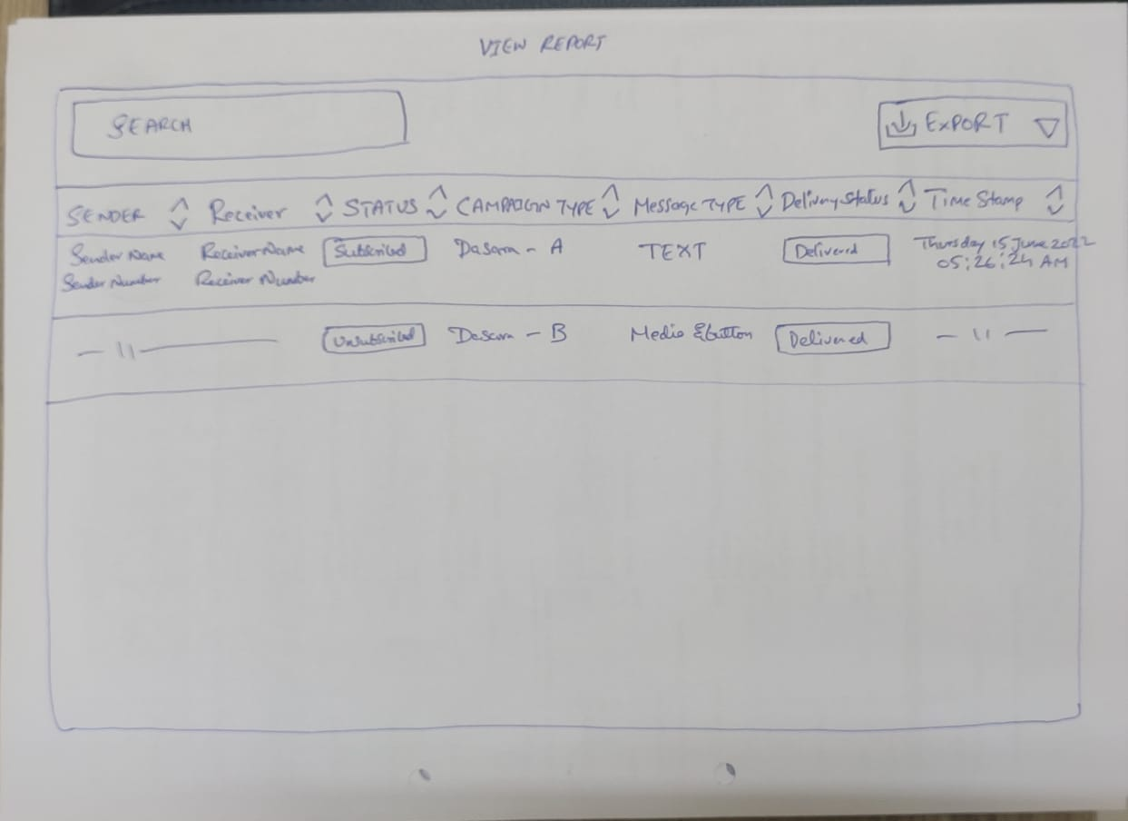
 |  |  |  |  | [Edit} > This button will when campaign is draft or scheduled

 |  |  |  |  | Search > To search receipents via name and mobile number
 |  |  |  |  | Export > Delivery report can be exported in excel format using drop down, with 3 options
 |  |  |  |  | Export Dropdown > All & Delivered & Failed
 |  |  |  |  | Sender = Device Contact number from which message is delivered
 |  |  |  |  | Receiver = Receiver contact number
 |  |  |  |  | Status = Contact Status = Sunscribed , Unsubscribed, DND, Blocked
 |  |  |  |  | Campaign Type = Campaign A or Campaign B or Campaign C
 |  |  |  |  | Message Type = Text, Button, List
 |  |  |  |  | Delivery Status = Delivered, Failed, Blocked
 |  |  |  |  | Time Stamp = Thursday 15 Aug 2022 05 : 25 : 24 AM

 |  |  |  |  | Export Report Details
 |  |  |  |  | First Row = campaigns name
 |  |  |  |  | Second Row
 |  |  |  |  | Sender Name
 |  |  |  |  | Sender Number
 |  |  |  |  | Campaign Type
 |  |  |  |  | Message Type
 |  |  |  |  | Recipient Name
 |  |  |  |  | Recipient Number
 |  |  |  |  | Contact Status = Subscribed , Unsubscribed, DND, Blocked
 |  |  |  |  | Delivery Status = Delivered, Failed, Blocked
 |  |  |  |  | Time Stamp

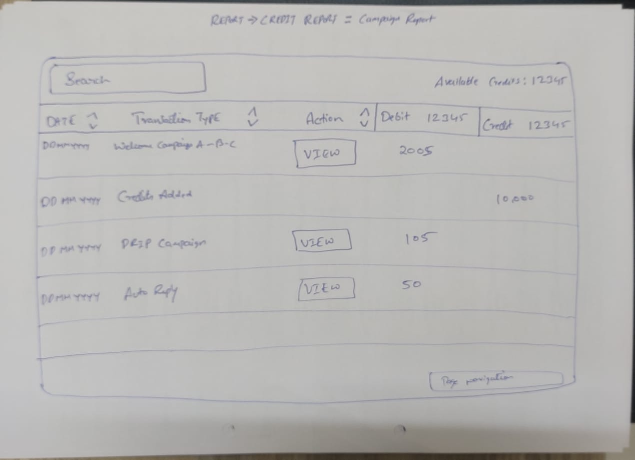
 |  |  |  |  | Credits Report
 |  |  |  |  | Credit report will show count of all delivered number
 |  |  |  |  | Search > Seach with campaign name
 |  |  |  |  | Date > Campaign completion date
 |  |  |  |  | Transaction Type > this is title for which credit is utilised
 |  |  |  |  | Types can be > Campaigns > Autoreply > Drip Campaign
 |  |  |  |  | [View] > is = campaign view button

AUTOREPLY-Done
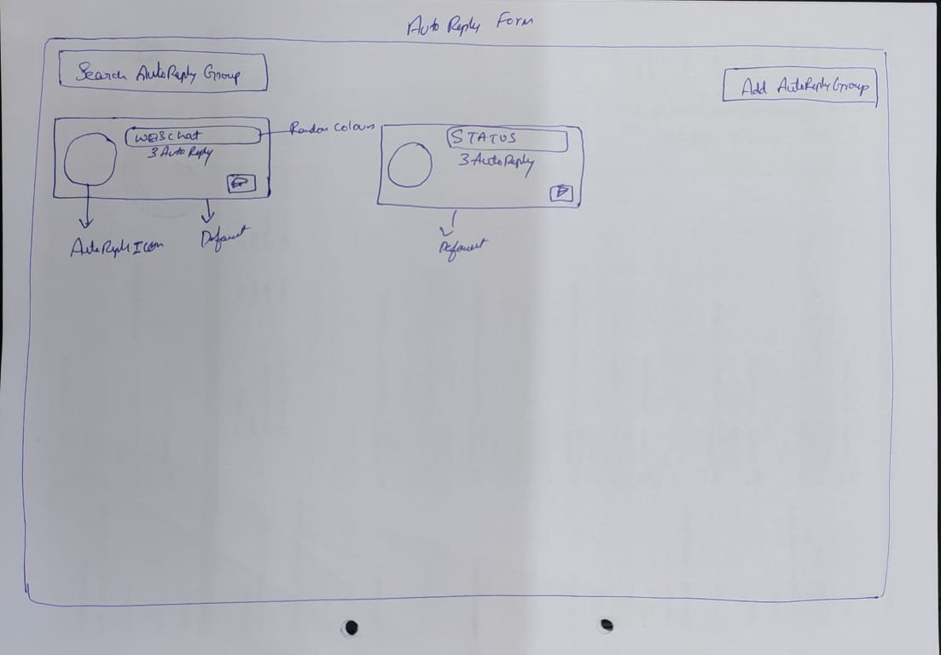
MENU | Webchat Autoreply Due
AUTOREPLY
 |  | Search Group = Search Autoreply Groups
 |  | Preset Group > Cannot be deleted
 |  | WebChat = Is a preset group, We can update this while working on chat plugin
 |  | Web Chat = Any autoreply created under this group will be shown as FAQ in Webchat > This Group will have all message type forms
 |  | Status = Is a preset group, where we user can set Subscribe, Unsubscribe and DND button setting

 |  | Add Autoreply Group = Click on this button will create Autoreply Card, same as preset card
 |  | Autoreply icon = "Repeater" icon from theme
 |  | Once Group is created > user can add autoreply inside that group
 |  | Status = WebChat are preset group name, user created groups will be created in same manner,
 |  | All status group name will have text colur with backgroup colour.. as in contact card ,,,, colour will be theme colour
 |  | Below Group name, display number of auto reply created under that particular group

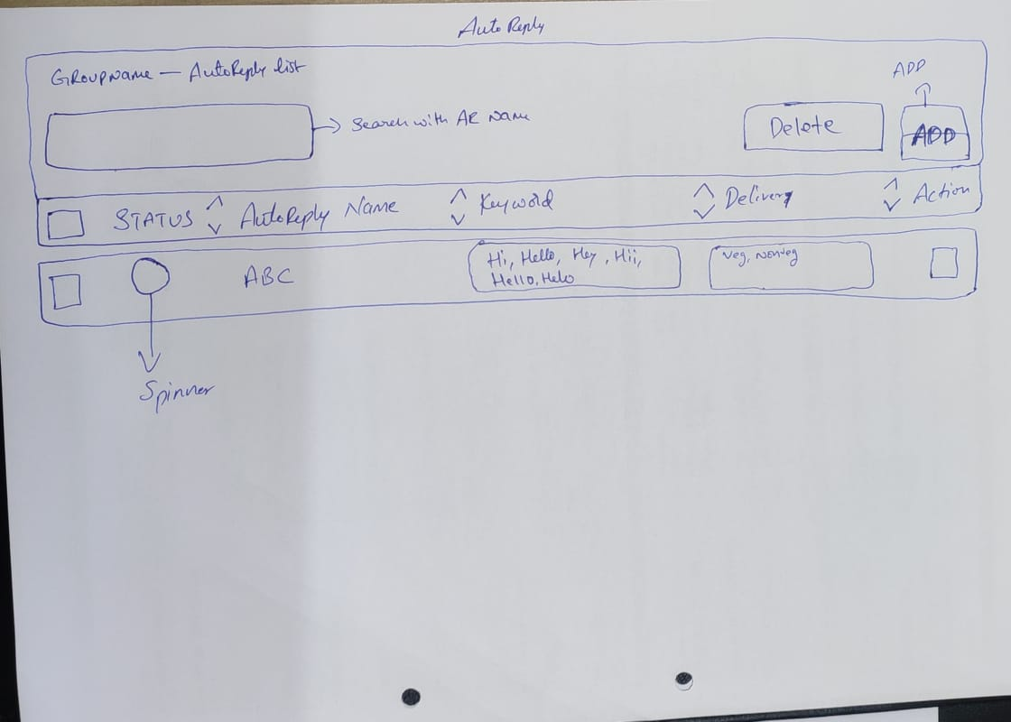
 |  | This card will have 2 icon 1. icon is Delete icon, 2. Icon is edit icon as same as in contacts
 |  | Delete icon will delete autoreply group
 |  | Edit icon = user can create new autoreply under this group and and edit existing autoreply

 |  | Inside autoreply Group
 |  | Group Name Autoreply List = Same updated format as in contacts
 |  | Search = This is to search, Autoreply Name name
 |  | Delete = Is to delet select autoreply
 |  | Add = will open autoreply form

 |  | After adding autoreply inside autoreply group
 |  | Status = Status will have spinner = ref Coloured growing spinner Ref https://pixinvent.com/demo/vuexy-html-bootstrap-admin-template/html/ltr/vertical-menu-template/component-spinner.html
 |  | Green spinner represent = autoreply is enabled
 |  | Red spinner represent = autoreply is disabled

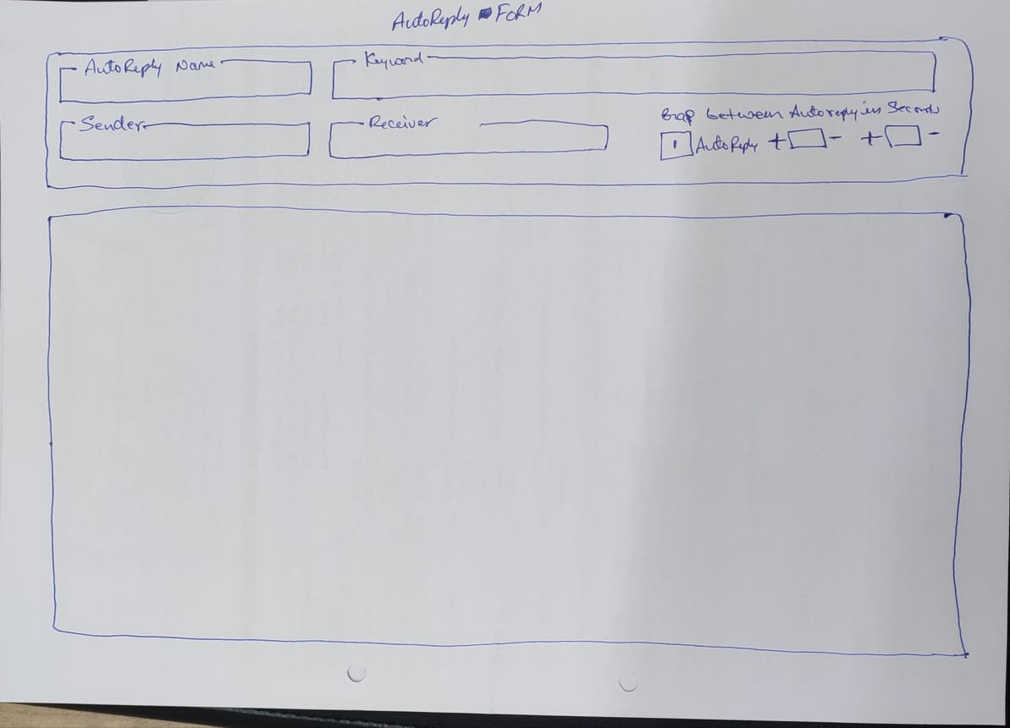
 |  | Green by default = All added autoreply will be in green spinner by default, that means enabled,
 |  | Click on same spinner will disable that autoreply and spinner will be in red colour as it is disabled

 |  | Autoreply name is = Autoreply name given in autoreply form
 |  | Keyword = all keyword related to that particular autoreply form
 |  | Delivery = Rename delivery as "Receiver"
 |  | All = If No Interest selected in autoreply form, it will show Label as "All"
 |  | Interest Name = if any interest is selected in autoreply form it will show all selected interest here
 |  | Last icon = This is edit icon to edit autoreply form

 |  | Autoreply Form

 |  | Autoreply Name = Is Autoreply name
 |  | Keyword = autoreply keyword, multiple keyword can be added - Incasesensitive
 |  | Example : If some body sends
 |  | Hi > Autoreply 1 will be sent
 |  | Hi, Hello, Hey, Helo, Hii > Same Autoreply will be sent
 |  | Keyword Input > Ref Styling Options > https://pixinvent.com/demo/vuexy-vuejs-admin-dashboard-template/demo-1/forms/form-element/tag
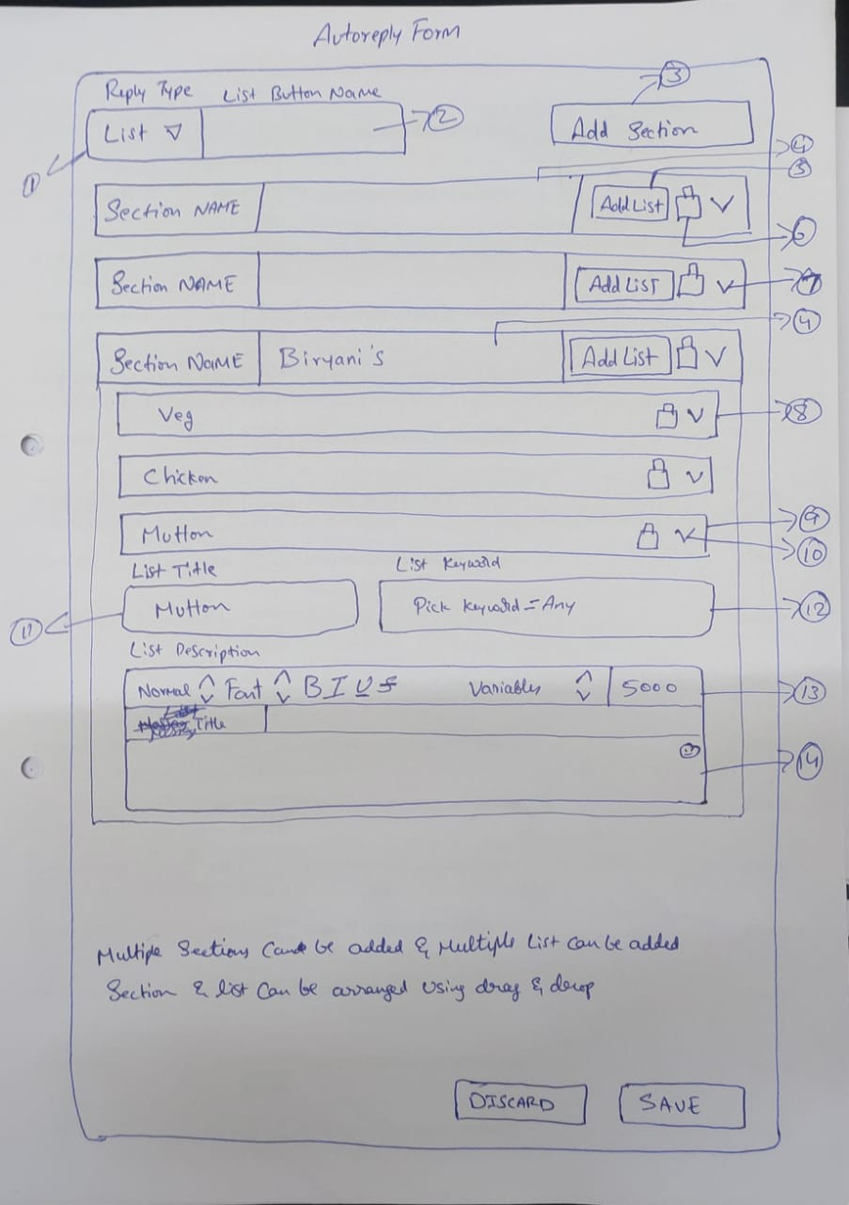
 |  | One Autoreply Form can have Multiple Key word,

 |  | Sender > Sender is device selection, same as campaigns, user can select multiple devices from list
 |  | Receiver > receiver Dropdown same as campaigns, user can select multiple interest
 |  | Any interest added in receiver , auto reply will be delivered only to those contacts who has the same interest in their contact profile
 |  | No interest selected in receiver > will deliver autoreply to all select contacts

 |  | Time Gap is time delay between delivering autoreply messages after receiving keyword

 |  | Autoreply Form
 |  | This page is same as campaign form, till Attach : Media & Button

 |  | Reply Type
 |  | On selecting Button
 |  | [Button] Dropdown [Button Name]
 |  | By default reply type will be button > In the next box user can add Button Name
 |  | Ref > last dropdown of this page, which is in left side > https://pixinvent.com/demo/vuexy-html-bootstrap-admin-template/html/ltr/vertical-menu-template/form-input-groups.html

 |  | On selecting List
 |  | On selecting list from dropdown , Add Section button will be displayed
 |  | Refer below image

 |  | Water Mark
 |  | Emojis> Ref > https://www.whatsera.com/dashboard/campaign/new
 |  | Message Title > This is from existing code List form > Ref UI > https://pixinvent.com/demo/vuexy-html-bootstrap-admin-template/html/ltr/vertical-menu-template/form-input-groups.html
 |  | Time Stamp > 15 August 2022, Monday, 14 : 22 : 55 PM

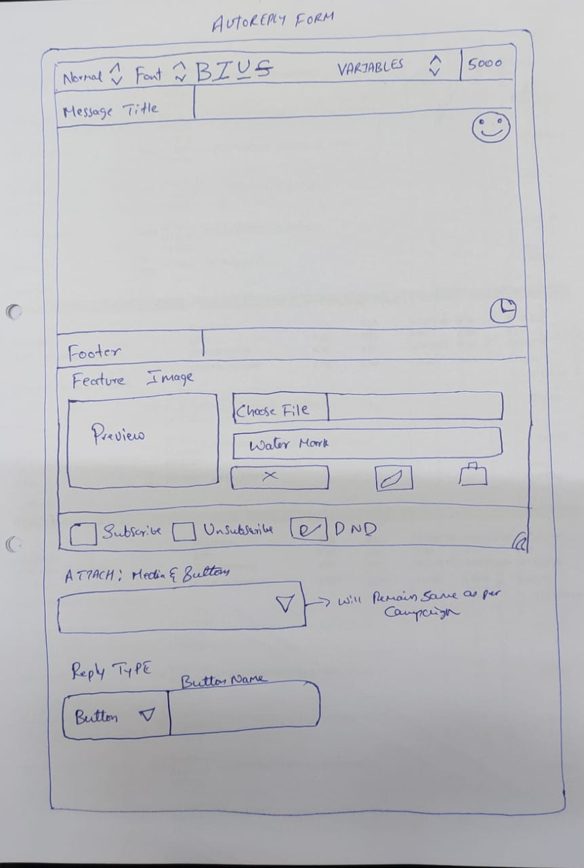

 |  | Contunitation of autoreply form
 |  | 1. On selecting list from dropdown , Add Section button will be displayed
 |  | 2. User can enter List Button Name > this field is mandatory
 |  | 3. [ Add Section] > This will add List Section, Multiple section can be added and rearranged using drag n drop
 |  | under section multiple list can be added and rearranged using drag n drop
 |  | For Section Refer > Input group with dropdown in the page last, dropdown both side
 |  | Ref > https://pixinvent.com/demo/vuexy-html-bootstrap-admin-template/html/ltr/vertical-menu-template/form-input-groups.html
 |  | 4. User can enter section name directly in this box, > this si mandatory filed
 |  | 5. Click on add list will add list as shown in point number 8 of same page
 |  | User can add multiple list, under that particular section
 |  | 6. Delet icon to delete taht particular section
 |  | 7. Dropdown as refer > Collapisable > https://pixinvent.com/demo/vuexy-html-bootstrap-admin-template/html/ltr/vertical-menu-template/card-actions.html
 |  | Click on this will show added list under that particular section
 |  | 8. All added list will show like this, and can be arranged usin dragndrop
 |  | Ref > https://pixinvent.com/demo/vuexy-html-bootstrap-admin-template/html/ltr/vertical-menu-template/ext-component-drag-drop.html
 |  | 9. Line is for delete icon in the image > this will delete that list
 |  | 10. Dropdown as refer > Collapisable > https://pixinvent.com/demo/vuexy-html-bootstrap-admin-template/html/ltr/vertical-menu-template/card-actions.html
 |  | Click on this will show list form,
 |  | 11. List title
 |  | 12. List title rename it as "Autoreply Name"
 |  | This will show all autoreply names
 |  | 13. List Description >
 |  | This is same as main form editor,

 |  | Autoreply > Group Name (Status)
 |  | This is a preset group, User cannot change, Group Name
 |  | This group will have 4 preset autoreply , Uses same autoreply form, only condition is
 |  | > User cannot change Autoreply Form Name, Keyword & Reply Type will be "Button" in all the forms, but can change button Name
 |  | keywords for all the 4 autoreply can be set as mentioned below, and these keywords cannot be visible in keyword box in these 4 autoreply forms, (make it grey)

 |  | Autoreply Form Name = Subscribe & keyword = subs
 |  | Autoreply Form Name = Unsubscribe & keyword = unsubs
 |  | Autoreply Form Name = DND & keyword = dnds
 |  | Autoreply Form Name = Block & keyword = bls

 |  | By default all contacts status will Subscribed
 |  | if receipent click on unsubscribe button, contact status of that that particular receipent,
 |  | will be changed from unsubscribe to unsubscribed

 |  | All added contacts default status will be Subscribed, depending on receipent action, status will get changed automatically

DEVICES-Done
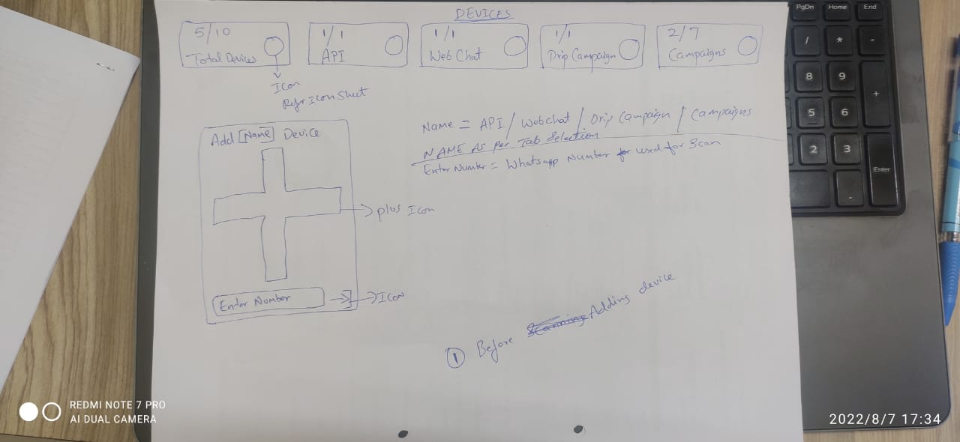
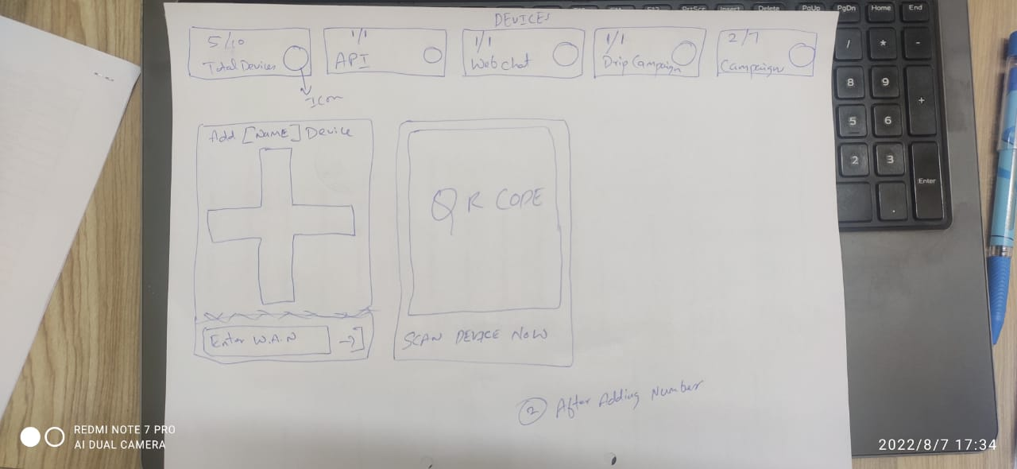
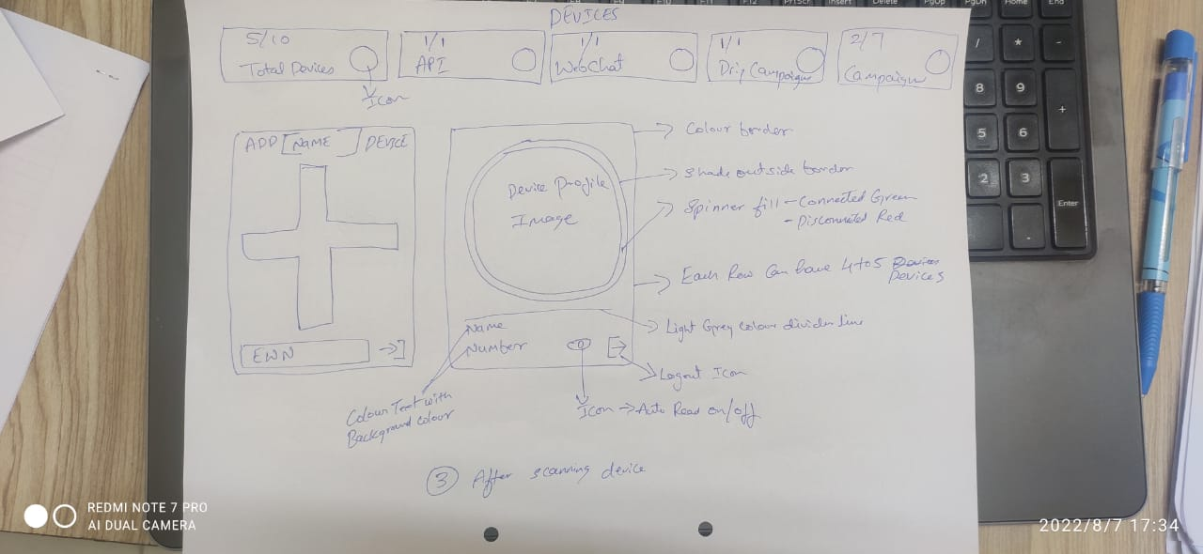
MENU
DEVICES >

Devices are whatsapp number through which messages are sent

Devices = WhatsApp Accounts

Devices Page Overview

- Total Devices = > Sum of API Devices + Webchat + Drip Campaign + Campaigns
- Api Devices = > This devices is dedicatedly used for api / webhook / crm integrations etc
- Webchat Devices = > This devices is dedicatedly used for chatplugin conversations.
- Drip Campaign Devices = > This devices is dedicatedly used for Drip Campaigns.
- Campaign Devices = > This devices is dedicatedly used for Campaigns only.

While adding device, user can assign device to above feature, using dropdown > API / Webhook , webchat, Drip Campaign, Campaigns
Api Devices / Webchat Devices / Drip Campaigns Devices / Campaigns Devices / Additional Devices for Campaigns can be added as per plan and invoices (Package)

Device connected green spinner & Device disconnected red spinner - Ref > https://pixinvent.com/demo/vuexy-html-bootstrap-admin-template/html/ltr/vertical-menu-template/component-spinner.html
Note : Auto read on & off = Existing code Edit Device Feature

Add Devices Ref > Combination Merge of ....Curtis Stone or Carrie Hawkins
https://pixinvent.com/demo/vuexy-html-bootstrap-admin-template/html/ltr/vertical-menu-template/card-advance.html

Refer Images Below

