CONTACTS-Done
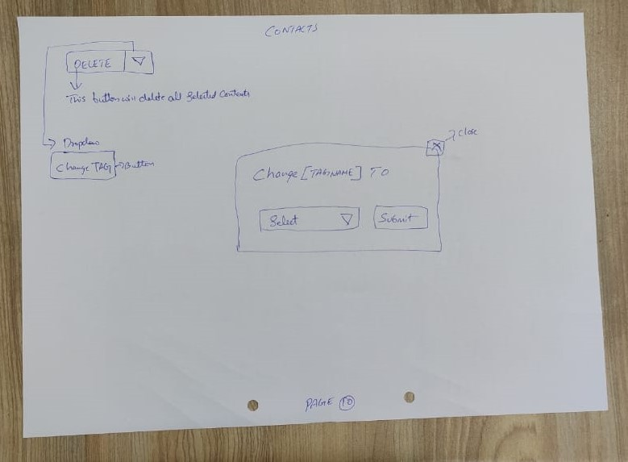
MENU
CONTACTS > existing code this is named as data number

 |  | Page 1
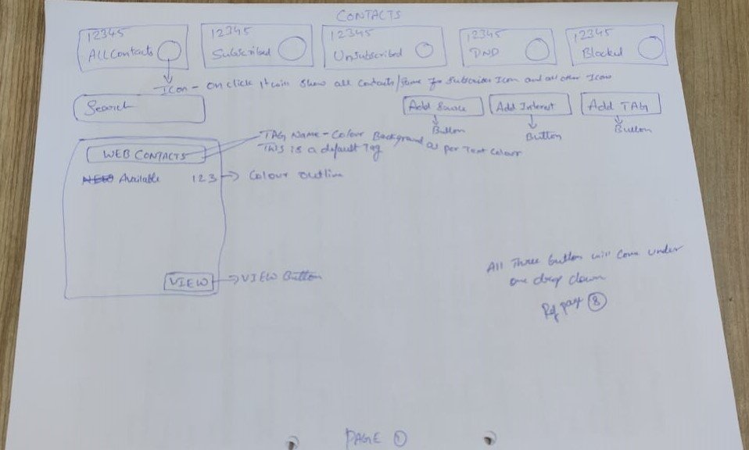

Header Refer > https://pixinvent.com/demo/vuexy-html-bootstrap-admin-template/html/ltr/vertical-menu-template/app-user-list.html

- All Contacts = Sum of Subscribed, Unsubscribed, DND, Blocked

- Icon for - Allcontacts - Subscribed - unsubscribed - DND - Blocked > Refer icon sheet
- Click on icon will show all the contacts as per title
>> All contacts - Will show all contacts from all tags
>> Subscribed - Will show all contacts from all tags, whose status is subscribed
>> Unsubscribed - Will show all contacts from all tags, whose status is unsubscribed
>> DND - Will show all contacts from all tags, whose status is DND
>> Blocked - Will show all contacts from all tags, whose status is Blocked

[Search] > to search created tags

Click on [Add] dropdown from page one will have 3 options
1. Add Tag 2. Add Source 3. Add Interest

Add Tag > Click on add tag will open a pop up to add tag > User will enter tag name and click on [save] to to complete tag creation process, & [discard] to cancel
>> Once tag is created user can click in view button on particular tag to add and view contacts under that tag
Add Tag : Ref > Use Add New card > UI, > https://pixinvent.com/demo/vuexy-html-bootstrap-admin-template/html/ltr/vertical-menu-template/modal-examples.html

Add Source & Add Interest > Refer page 8 Image to check function of this.

Web Contacts - Is a default tag(cannot be edited by anybody), all contacts from webchat plugin will be added here
click on [view] will show all the web contacts

 |  | PAGE 2
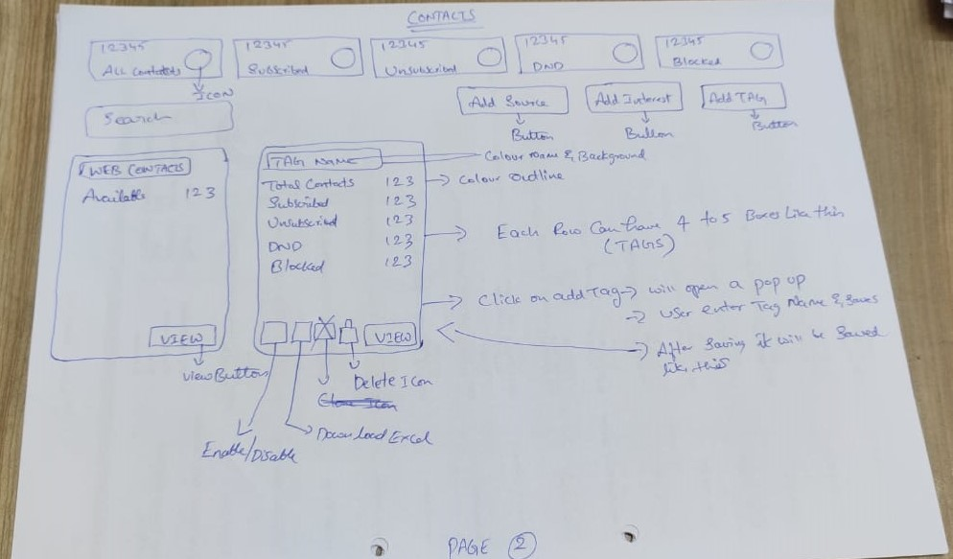

Tag Overview > Once tag is created will have
- Total Contacts > Sum of subscribed + unsubscribed + DND + Blocked of that particular tag contacts
- Subscribed > Sum of subscribed of that particular tag contacts
- Unsubscribed > Sum of unsubscribed of that particular tag contacts
- DND > Sum of DND of that particular tag contacts
- Blocked > Sum of blocked of that particular tag contacts

Tag Boxes > each row can have 4 to 5 tag boxes as shown in image

Enable Tag & Disable Tag Switch > On = Green & Off = Red > https://pixinvent.com/demo/vuexy-html-bootstrap-admin-template/html/ltr/vertical-menu-template/form-switch.html
enable = if this is enabled user can use this tag for campaigns
disable = if this is disabled user cannot use this tag for campaigns

Download Excel > Ref Icon Download from theme
option to download all contacts of that particular tag > with all profile fields

Delete > This will delete that particular tag and all contacts of that tag, once pop up confirmation will be asked before deleting

[View] click on view will take to next screen , where contacts and be added manually and uploaded in bulk.

 |  | Page 3
 | Once Tag is Added = Before adding contacts
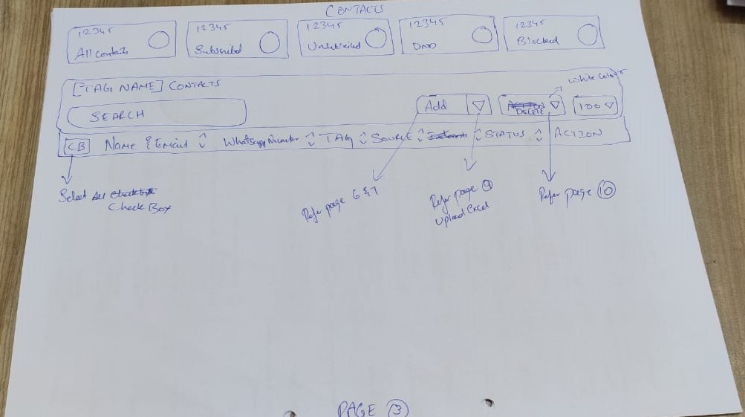

Ref > https://pixinvent.com/demo/vuexy-html-bootstrap-admin-template/html/ltr/vertical-menu-template/app-user-list.html

[tag Name] Contacts > tag name = selected tag
[Search bar] to search contacts in that particular tag

Contacts Overview :
Contacts overview (Display)

[Cb] Image, Name & Email, WhatsApp Number, Tag, Source, Status, [3 Edit Icon]

[Cb] = Check box

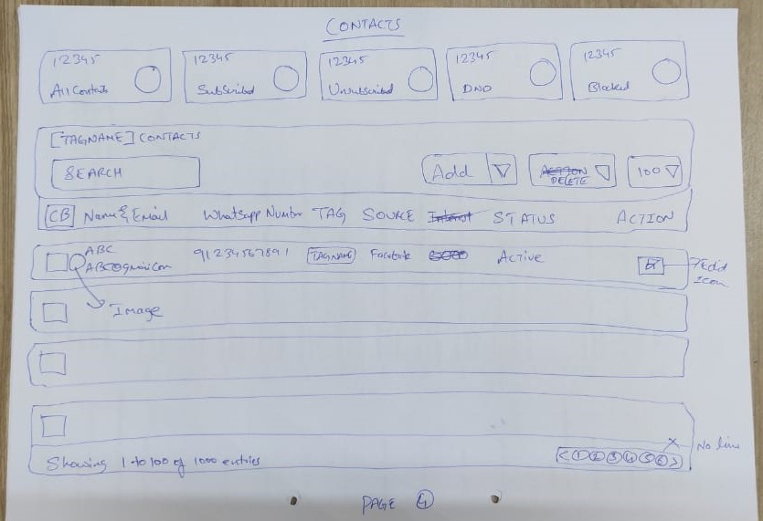
 |  | Page 4

Ref > https://pixinvent.com/demo/vuexy-html-bootstrap-admin-template/html/ltr/vertical-menu-template/app-user-list.html
[Add] Dropdown
Add = Click on this add button will open contact profile, which enables user to add contact manually > Ref page 6 & 7 for UIX
Dropdown = Click on this dropdown will show upload option button, click on button will open pop up to upload excel > Ref page 9 for UIX

[Delete] Dropdown > Ref Page 10 for UIX
Delete = Click on delete will delete selected contacts
Dropdown = Click on dropdown will show [change tag] button, click on change tag button will open popup
popup will have dropdown option to select available tag and [submit] button
Change tag is moving contacts in bulk from one tag to another tag
popup will open only when more than one contact is selected to change contact tag in bulk

Edit Icon > Click on contact edit icon will take user to contact profile

 |  | PAGE 5 - 6 - 7
 |  | Contacts Profile
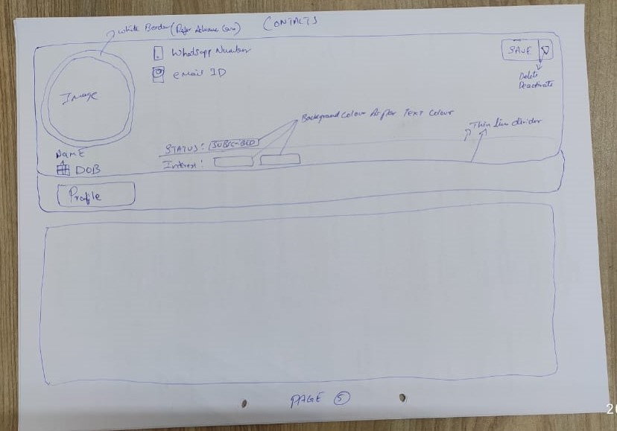

As per theme user flow > Click on edit will open above contact profile
Change profile view from vertical to horizontal from theme
Ref > https://pixinvent.com/demo/vuexy-html-bootstrap-admin-template/html/ltr/vertical-menu-template/app-user-view-account.html
Ref > https://pixinvent.com/demo/vuexy-html-bootstrap-admin-template/html/ltr/vertical-menu-template/page-profile.html

[Save] Dropdown
[Save] > save button will save any changes made
[Dropdown] > will have 2 option delete and Deactivate > Delete will delete profile with confirmation pop up, Deactivate will deactivate the profile with confirmation popup

Contacts can be added in 2 ways
1 Manually > using profile |  | 2 Upload > using excel

[Profile] Click on profile will open contact profile
All profile fields will be filled by user here manually

 |  | Page 6
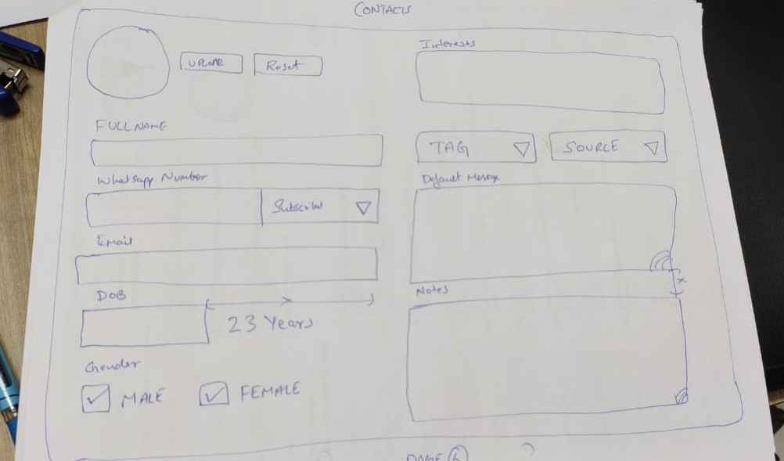

 |  | Page 7
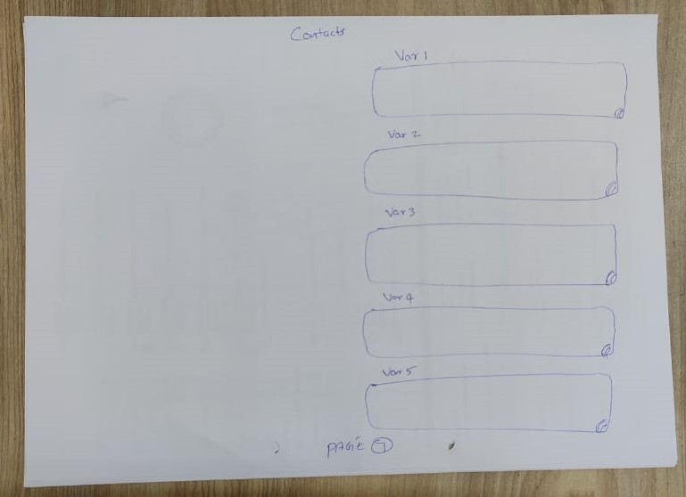

[Interest] > in this box user can add manually multiple available interested
[Tag] > Drop down to select or change tag of that particular contact
[Source] > Drop down to select or change source
[WhatsApp Number] [Dropdown] > First box user can enter whatsapp number, from dropdown down user can change status manually,

Note : Status will be subscribed by default for all contact which are added manually or uploaded via excel or added via webcontacts

Contact Form Contents :
Name,
[WhatsApp Number] & [Status] Status : Dropdown [Subscribed, Unsubscribed, DND, Blocked]
Email Id
DOB
Gender [Cb] Male [Cb] Female
Default Message
Tag (Contact group)
Source (Lead source like facebook, Instagram etc)
Interests
Notes
Var1-Var2-Var3-Var4-Var5

 |  | Page 8
 |  | Source & Interest
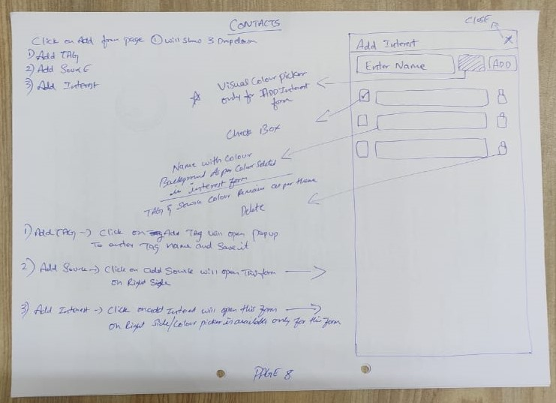

Click on [Add] dropdown from page one will have 3 options
1. Add Tag 2. Add Source 3. Add Interest
1. Add Tag > Function already given

2. Add Source >
User click on [Add Source] button, form will be opened
Step 1 > Open Form UIX Ref > Select > Both scrolling & Backdrop > https://pixinvent.com/demo/vuexy-html-bootstrap-admin-template/html/ltr/vertical-menu-template/component-offcanvas.html

Form will have
[Enter Name Box] [Add] <<<<< User will enter Source name in box and click on add will create source & saved automatically
Step 2 > Add Source - For add function use > Form Repeater ref > https://pixinvent.com/demo/vuexy-html-bootstrap-admin-template/html/ltr/vertical-menu-template/form-repeater.html

All added source will look like this & user can show and hide source and delete as shown in image
Colour - All added source will have theme colour text with theme colour background (Ref below link > as in calender)
Step 3 > View UI > https://pixinvent.com/demo/vuexy-html-bootstrap-admin-template/html/ltr/vertical-menu-template/app-calendar.html

3. Add Interest >
User click on [Add Interest] button, form will be opened
Step 1 > Open Form UIX Ref > Select > Both scrolling & Backdrop > https://pixinvent.com/demo/vuexy-html-bootstrap-admin-template/html/ltr/vertical-menu-template/component-offcanvas.html

Form will have
[Enter Name Box] [Visual Colour Picker] [Add] <<<<< User will enter Interest name in box and click on add will create source & saved automatically
Step 2 > Add Interest - For add function use > Form Repeater ref > https://pixinvent.com/demo/vuexy-html-bootstrap-admin-template/html/ltr/vertical-menu-template/form-repeater.html

All added Interest will look like this & user can show and hide Interest and delete as shown in image
Colour - All added Interest will have multiple colour text with colour background, which can be selected from visual colour picker (Ref below link > as in calender)
Step 3 > View UI > https://pixinvent.com/demo/vuexy-html-bootstrap-admin-template/html/ltr/vertical-menu-template/app-calendar.html

Note: Only Interest form will have visual colour picker

 |  | Page 9
 |  | Excel Upload

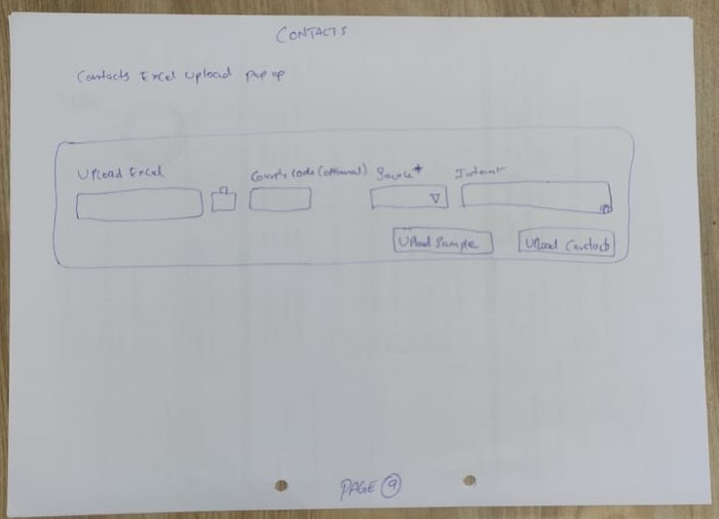

2. Upload Excel : POP UP REF > Add New Card > https://pixinvent.com/demo/vuexy-html-bootstrap-admin-template/html/ltr/vertical-menu-template/modal-examples.html

Inside tag click on [add] dropdown and select [upload contacts] button
Click on upload button Contacts option will open popup

[Upload Excel] Popup will have option to upload excel > Ref > https://pixinvent.com/demo/vuexy-html-bootstrap-admin-template/html/ltr/vertical-menu-template/form-file-uploader.html
[BOX] > to enter country code > Add country code in box if not added in excel
[Source] > Dropdown to select source - make this as mandatory field
[BOX] > to add multiple interest

[Download Sample] [Upload] Button

Note : Once contact is uploaded using excel, duplicate contacts will neither be merged or added, duplicate contacts report will be downloaded immediately
so that user can make necessary changes manually with duplicate contacts

Download Sample Excel Format : Name, WhatsApp Number, Email Id, DOB, Default Message, Notes, Var1, Var2, Var3, Var4, Var5, Var6.
Difference in column fields for bulk upload sample mentioned in this sheet and in youtube video.
 |  | Page 10
 |  | Change tag Bulk

DEVICES-Done
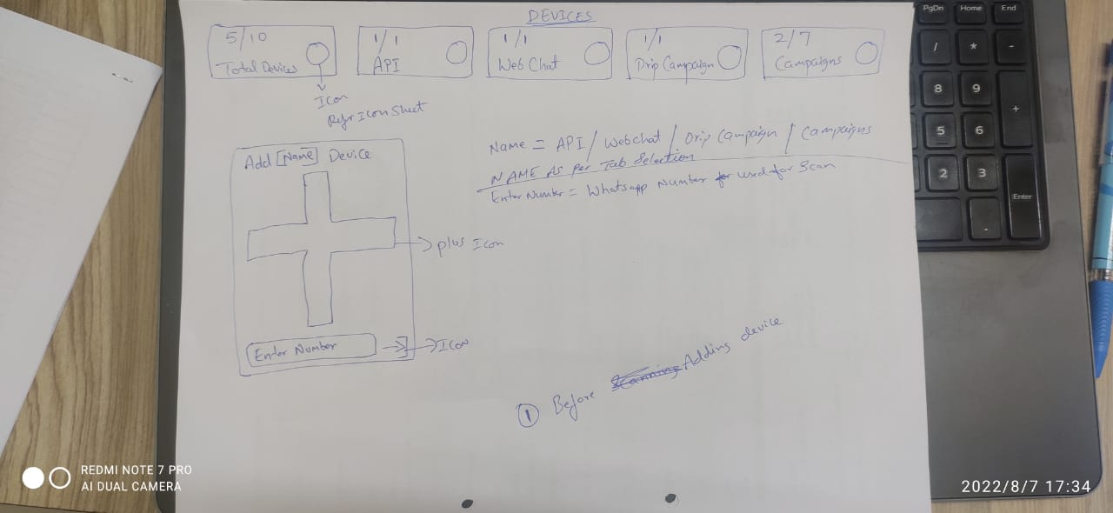
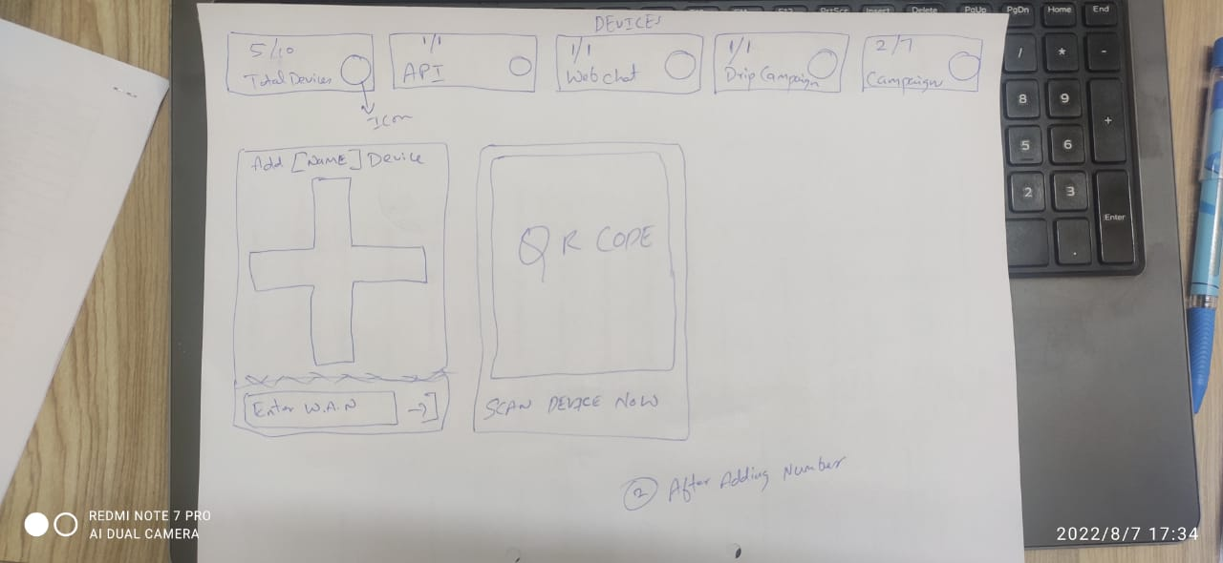
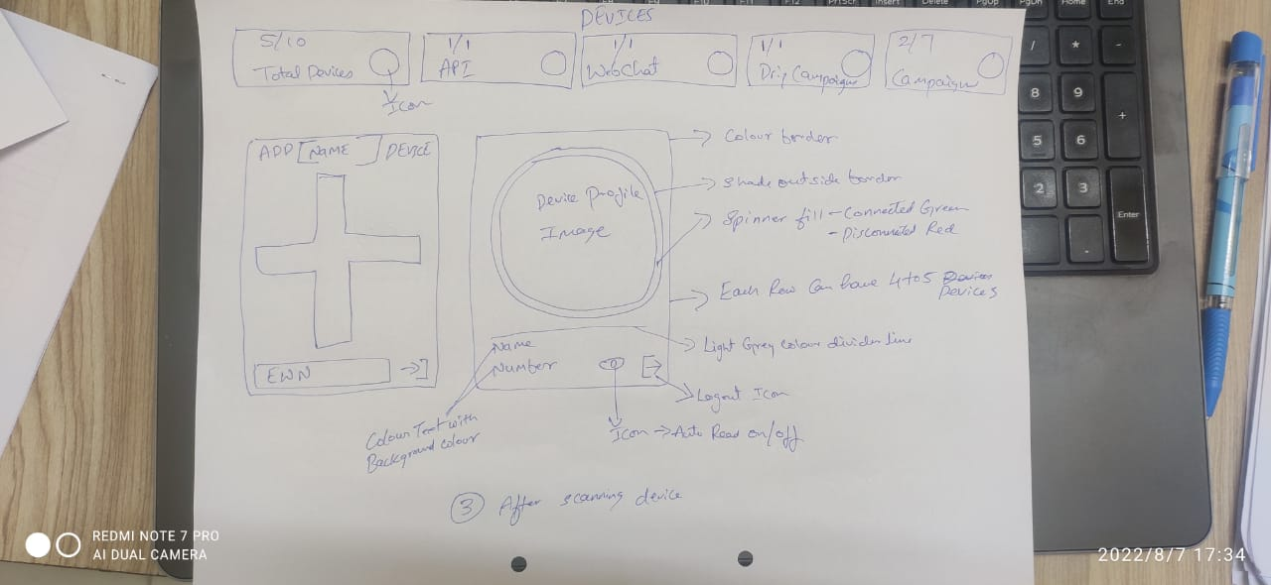
MENU
DEVICES >

Devices are whatsapp number through which messages are sent

Devices = WhatsApp Accounts

Devices Page Overview

- Total Devices = > Sum of API Devices + Webchat + Drip Campaign + Campaigns
- Api Devices = > This devices is dedicatedly used for api / webhook / crm integrations etc
- Webchat Devices = > This devices is dedicatedly used for chatplugin conversations.
- Drip Campaign Devices = > This devices is dedicatedly used for Drip Campaigns.
- Campaign Devices = > This devices is dedicatedly used for Campaigns only.

While adding device, user can assign device to above feature, using dropdown > API / Webhook , webchat, Drip Campaign, Campaigns
Api Devices / Webchat Devices / Drip Campaigns Devices / Campaigns Devices / Additional Devices for Campaigns can be added as per plan and invoices (Package)

Device connected green spinner & Device disconnected red spinner - Ref > https://pixinvent.com/demo/vuexy-html-bootstrap-admin-template/html/ltr/vertical-menu-template/component-spinner.html
Note : Auto read on & off = Existing code Edit Device Feature

Add Devices Ref > Combination Merge of ....Curtis Stone or Carrie Hawkins
https://pixinvent.com/demo/vuexy-html-bootstrap-admin-template/html/ltr/vertical-menu-template/card-advance.html

Refer Images Below

MERGED - CAMPAIGNS
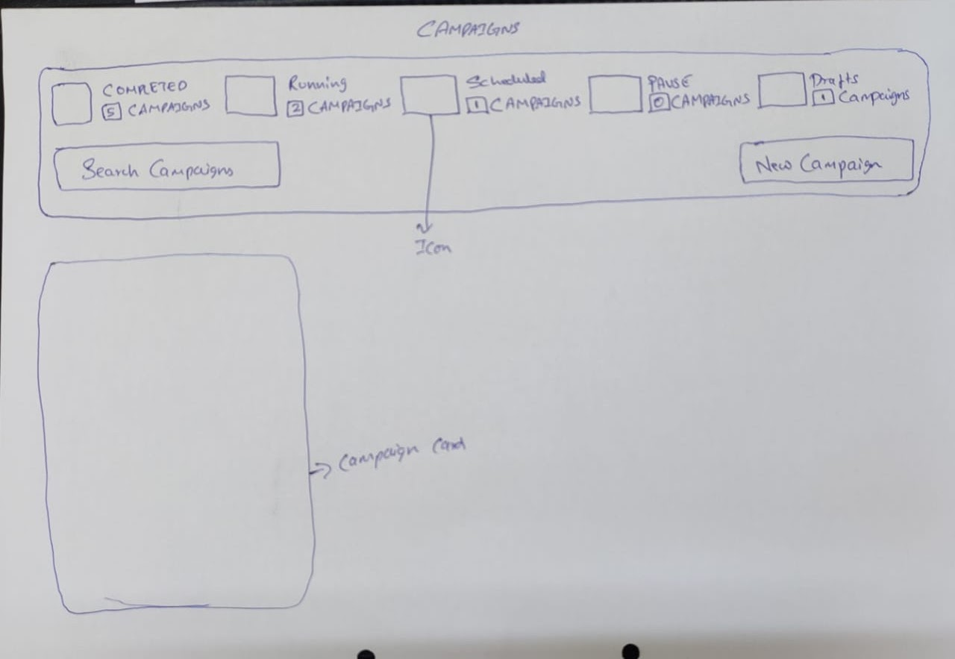
MENU | > CAMPAIGNS | Card form is due will be shared very soon
 |  |  |  |  | Campaigns Page
 |  |  |  |  | Once click on campaign, page will show like this
 |  |  |  |  | Ref > https://pixinvent.com/demo/vuexy-html-bootstrap-admin-template/html/ltr/vertical-menu-template/form-wizard.html
 |  |  |  |  | Ref above link > Use First form, replacec number with icon,
 |  |  |  |  | > Icon Colour as per address form in same link
 |  |  |  |  | Click on icon will show respect campaigns cards

 |  |  |  |  | - Completed Campaigns > Is sum of all completed campaigns
 |  |  |  |  | - Running Campaigns > Is sum of all running campaigns
 |  |  |  |  | - Scheduled Campaigns > Is sum of all scheduled campaigns
 |  |  |  |  | - Paused Campaigns > Is sum of all paused campaigns
 |  |  |  |  | - Draft Campaigns > Is sum of all draft campaigns
 |  |  |  |  | - [Search Bar] > Used to search campaigns
 |  |  |  |  | - [New Campaign] Button > Click on this button will show Campaign Form
 |  |  |  |  | - Campaign Card > Campaign card is overview of that particular campaign.
 |  |  |  |  | Campaign card will be created only > When form is saved as draft
 |  |  |  |  | > When campaign is scheduled
 |  |  |  |  | > When campaign is created or started

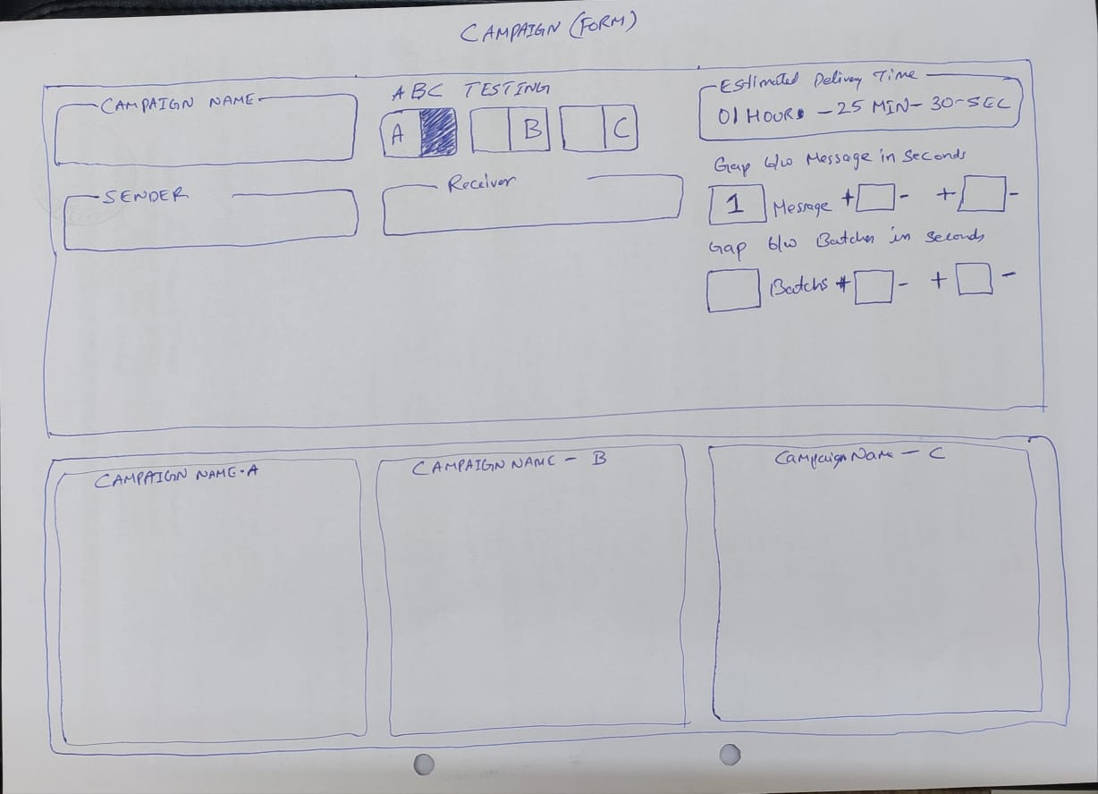
 |  |  |  |  | Campaign Form
 |  |  |  |  | Campaign Name > Campaign Name
 |  |  |  |  | [Sender] is devices > Ref > Select2 Options >> Multiple > https://pixinvent.com/demo/vuexy-html-bootstrap-admin-template/html/ltr/vertical-menu-template/form-select.html
 |  |  |  |  | [Sender] > Display all number from Campaigns devices from dropdown
 |  |  |  |  | [Cb] Device Name-Number | >> [Cb] is check box
 |  |  |  |  | [Cb] Device Name-Number
 |  |  |  |  | [Cb] Select All
 |  |  |  |  | [Cb] Unselect All

 |  |  |  |  | [Receiver] is contacts > Ref > Select2 Options >> Multiple > https://pixinvent.com/demo/vuexy-html-bootstrap-admin-template/html/ltr/vertical-menu-template/form-select.html
 |  |  |  |  | [Receiver] > Display all Tags, under that all interest of that particular tags
 |  |  |  |  | [Cb] Select All
 |  |  |  |  | [Cb] Unselect All
 |  |  |  |  | [Cb] Tags > Select Tag will select all the interest under that particular Tag
 |  |  |  |  | [Cb] Interests
 |  |  |  |  | [Cb] All Subscribed
 |  |  |  |  | [Cb] All Unsubscribed
 |  |  |  |  | [Cb] All DND

 |  |  |  |  | A B C Testing | Receiver(Contacts) - 600 | Sender(Devices)
 |  |  |  |  | A = A Campaign Form = Message 1 | 200 | S1
 |  |  |  |  | B = B Campaign Form = Message 2 | 200 | S2
 |  |  |  |  | C = C Campaign Form = Message 3 | 200 | S3

 |  |  |  |  | A Message = 600 Contacts, Divided by 3 Devices
 |  |  |  |  | A Message & B Message = 600 Contacts Divided by 2(A= 300 & B= 300), Divided by 3 Devices
 |  |  |  |  | A Message & B Message & C Message = 600 Contacts Divided by 3 (A= 200 & B= 200 & C= 200), Divided by 3 Devices

 |  |  |  |  | Estimated Delivery Time
 |  |  |  |  | Arrving the time required to complete the campaign
 |  |  |  |  | Gap between messages in seconds > Buttons ref > https://pixinvent.com/demo/vuexy-html-bootstrap-admin-template/html/ltr/vertical-menu-template/form-number-input.html
 |  |  |  |  | This is time delay between each message - After delivery of each message it will wait for set time in seconds
 |  |  |  |  | User can set time in seconds
 |  |  |  |  | Gap between batches in seconds > Buttons ref > https://pixinvent.com/demo/vuexy-html-bootstrap-admin-template/html/ltr/vertical-menu-template/form-number-input.html
 |  |  |  |  | [Box] Batch << Rename batch as Messages
 |  |  |  |  | This is time delay between each batch
 |  |  |  |  | Batch = set of message - User can set number in box
 |  |  |  |  | For Ex : [50] Message is one batch - After delivery of each message as per gap between messages
 |  |  |  |  | and on completion of 50 messages, it will wait for set time in seconds
 |  |  |  |  | User can set time in seconds

 |  |  |  |  | Time Delay Logic
 |  |  |  |  | 5 to 10 seconds will take random time delay between 5 to 10 Seconds,
 |  |  |  |  | 5 to 5 Seconds will take time delay of 5 seconds,

Sender (Devices = D) |  | Receiver (Interest = I) |  | Contacts = C
 |  | Rule > 1 Contact = 1 Tag

Case1

D1 - D2 - D3 - D4 - D5 |  | i1 - i2 - i3 - i4 - i5 |  | C1 >> i1 @ tag1
 |  | i1 = 1C |  | C2 >> i2 + i1 @ tag1
 |  | i2 = 1C |  | C3 >> i3 @ tag2
 |  | i3 = 2C |  | C4 >> i4 + i3 + i1 + i2 @ tag2
 |  | i4 = 1C |  | C5 >> i3 @ tag3
 |  | i5 = Zero Contacts
 |  | Message will be delivered to 5 contacts
 |  | As 5 devices are selected 5 contacts will be divided to selected devices equally

Case2

D1 - D2 |  | i1 - i2 - i3 - i4 - i5 |  | C1 >> i1 @ tag1
 |  | i1 = 1C |  | C2 >> i2 + i1 @ tag1
 |  | i2 = 1C |  | C3 >> i3 @ tag2
 |  | i3 = 2C |  | C4 >> i4 + i3 + i1 + i2 @ tag2
 |  | i4 = 1C |  | C5 >> i3 @ tag3
 |  | i5 = Zero Contacts
 |  | Message will be delivered to 5 contacts
 |  | As 2 devices are selected 5 contacts will be divided to selected devices equally

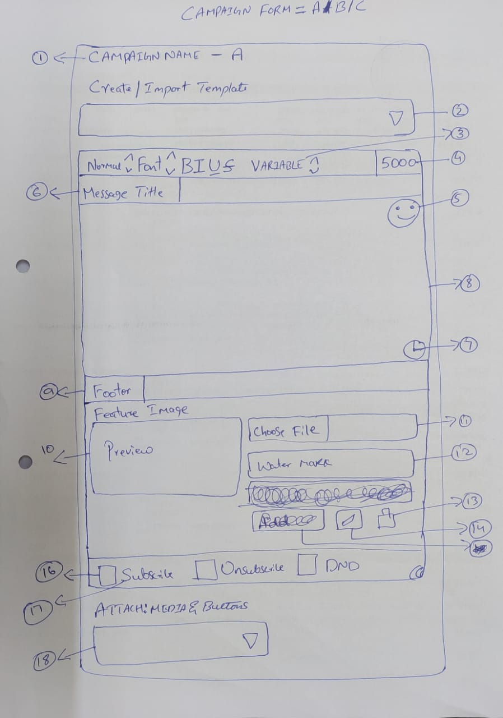
 |  |  | Click on New Campaign , will open this Campaign form
 |  |  | 1 - Campaign Name as entered above, with Prefix A > Prefix A = Campaign Form for A
 |  |  | 2 - Dropdown to select templates > this will load all saved templates from template menu
 |  |  | 3 - Variables = This is a drop down, to select variables & Spintax > Ref Beta Sender
 |  |  | 8 - Ref > Snow Editor > https://pixinvent.com/demo/vuexy-html-bootstrap-admin-template/html/ltr/vertical-menu-template/form-quill-editor.html
 |  |  | Variables = Contact Name (from profile) , Default Message (from profile), SpinTax, Var1 to Var5( From Contact Profile)
 |  |  | Spintax = Hi, Hey, Hello, Hii, Dear, Sir, Ms, Mr > Ref > Show Express Bete Sender
 |  |  | 4 - Character Count > ref UI > Basic > https://pixinvent.com/demo/vuexy-html-bootstrap-admin-template/html/ltr/vertical-menu-template/form-input-groups.html
 |  |  | 5 - Emojis> Ref > https://www.whatsera.com/dashboard/campaign/new
 |  |  | 6 - Message Title > This is from existing code List form > Ref UI > https://pixinvent.com/demo/vuexy-html-bootstrap-admin-template/html/ltr/vertical-menu-template/form-input-groups.html
 |  |  | 7 - Time Stamp > 15 August 2022, Monday, 14 : 22 : 55 PM
 |  |  | 9 - Footer > form existing form > Ref UI > Same as Message Title > https://pixinvent.com/demo/vuexy-html-bootstrap-admin-template/html/ltr/vertical-menu-template/form-input-groups.html
 |  |  | 10 - Featured Image > Ref UI > Upload Image > https://pixinvent.com/demo/vuexy-html-bootstrap-admin-template/html/ltr/vertical-menu-template/page-blog-edit.html
 |  |  | > Preview of image as shown in above link
 |  |  | 11 - Upload Image file Only
 |  |  | > Images uploaded here will be sent along with above message
 |  |  | > Image will be sent first, along above message as Caption
 |  |  | 12 - Watermark is text water mark on image - Not required Here
 |  |  | 13 - Delete icon > If user do not want to send image after uploading, image can be removed from here
 |  |  | 14 - Set Caption > Not Required Here
 |  |  | 15 - Ignore

 |  |  | 16 - Check Box ref > https://pixinvent.com/demo/vuexy-html-bootstrap-admin-template/html/ltr/vertical-menu-template/app-calendar.html
 |  |  | Subscribe > Green Check BoX
 |  |  | Unsubscribe > Orange Check BoX
 |  |  | DND > Red Check BoX

 |  |  | 17 - Subscribe Button > Default button, can be rename in autoreply menu
 |  |  | when user check this > Subscribe button will be sent with all the messages
 |  |  | > Unsubscribe Button > Default button, can be rename in autoreply menu
 |  |  | when user check this > Unsubscribe button will be sent with all the messages
 |  |  | > DND buttonon > Default button, can be rename in autoreply menu
 |  |  | when user check this > DND button will be sent with all the messages

 |  |  | 1 Contact = 1 Status
 |  |  | All the added contacts by default Subscribed Status will be assigned
 |  |  | when receipent clicks on respective buttons = Status will be changed automatically

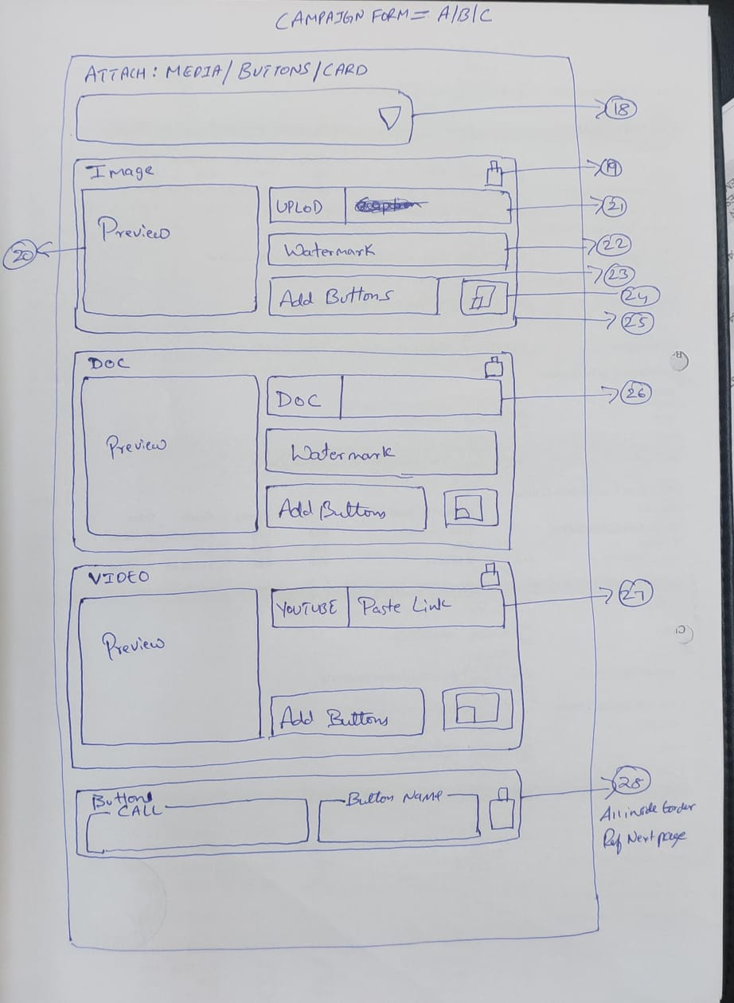
 |  |  | 18 - Attach : Media & Buttons
 |  |  | This is drop down to attach Media & Buttons
 |  |  | Dropdown will have > Ref > Select2 Options > Icon > https://pixinvent.com/demo/vuexy-html-bootstrap-admin-template/html/ltr/vertical-menu-template/form-select.html
 |  |  | MEDIA
 |  |  | > [Icon] Image
 |  |  | > [Icon] Doc
 |  |  | > [Icon] Video
 |  |  | BUTTONS
 |  |  | > [Icon] Call
 |  |  | > [Icon] URL
 |  |  | > [Icon] Chat
 |  |  | > [Icon] Button
 |  |  | > [Icon] List
 |  |  | Click on buttons will directly add Media or Buttons
 |  |  | 19 - Delete Icon = To delete Media or Buttons
 |  |  | 20 - Preview of Uploaded Media
 |  |  | 21 - > Image = [? ] user can add upto 10 Images & Size ?
 |  |  | Image can be uploaded using uploaded button
 |  |  | 22 - Watermark = Text watermark = right bottom placement
 |  |  | 23 - Click on add button will load all buttons option
 |  |  | BUTTONS
 |  |  | > [Icon] Call
 |  |  | > [Icon] URL
 |  |  | > [Icon] Chat
 |  |  | > [Icon] Button
 |  |  | > [Icon] List
 |  |  | 24 - Set caption Icon = will open snow editor to set caption for particular media
 |  |  | Text editor as above without footer and Feature Image
 |  |  | 25 - Colour Outline & DragnDrop
 |  |  | Multiple Colour Outline > Ref > Style Variation > https://pixinvent.com/demo/vuexy-html-bootstrap-admin-template/html/ltr/vertical-menu-template/card-basic.html
 |  |  | DragnDrop > Ref > Basic List Group Sortable > https://pixinvent.com/demo/vuexy-html-bootstrap-admin-template/html/ltr/vertical-menu-template/ext-component-drag-drop.html
 |  |  | 26 - > Doc = [? ] user can add upto 2 Pdf, each upto 2mb
 |  |  | 27 - > Video = [? ] user can add upto 10 Video Links, All comes with preview

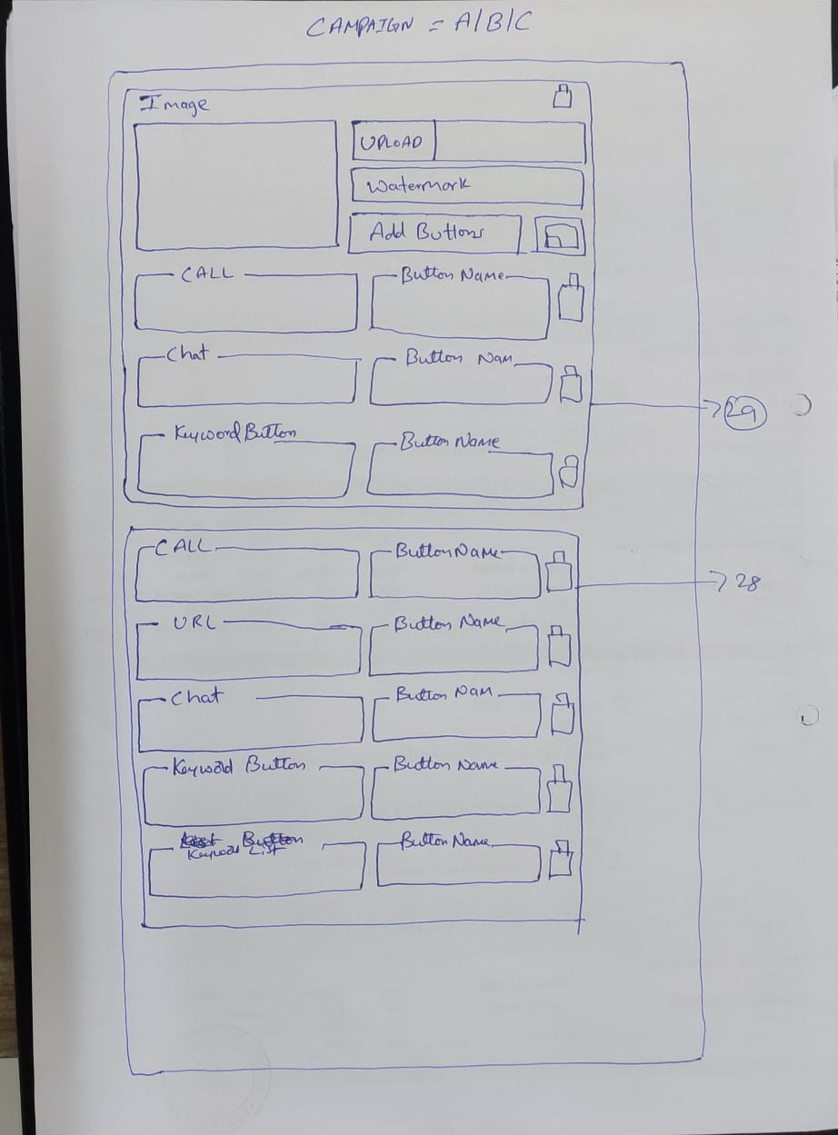
 |  |  | 28. Button Alingments - When only buttons are added directly from Attach : Dropdown
 |  |  | All buttons will come inside one border and can be arranged using dragndrop
 |  |  | Note : Subscribe Unsubscribe & DND buttons if selected under editor will come below these buttons

 |  |  | 29 - View of buttons when added with media
 |  |  | added buttons will come inside particular media border, buttons can be arranged using dragndrop

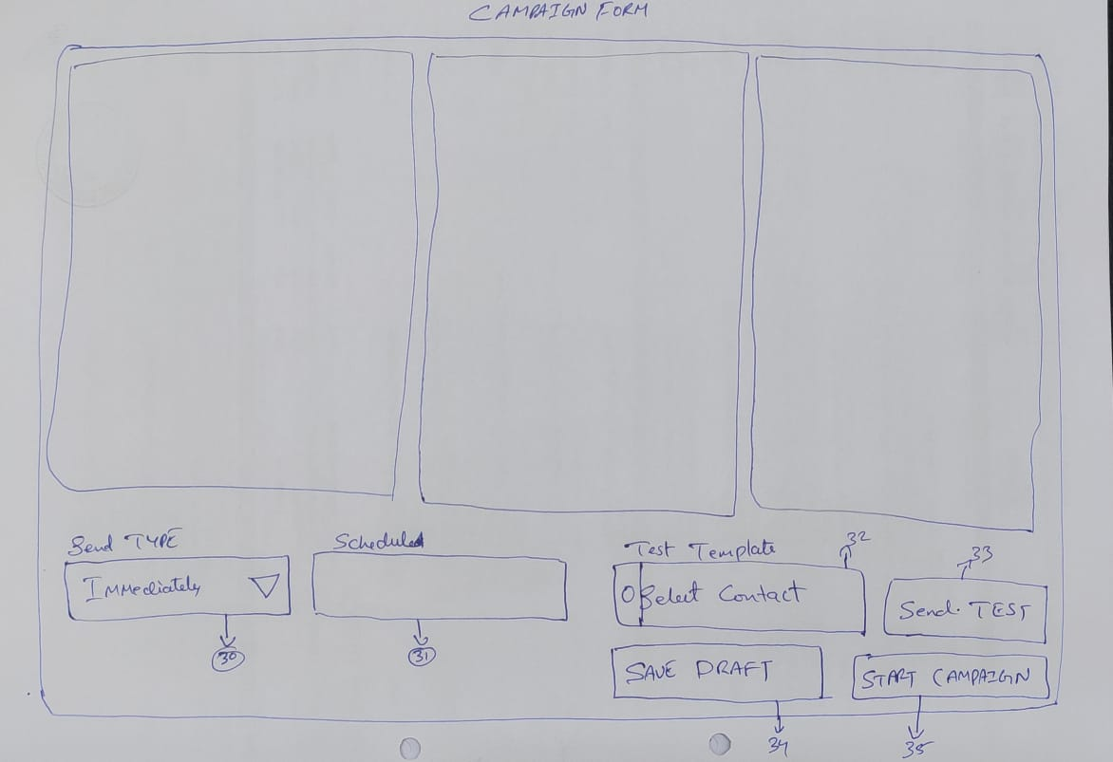
 |  |  |  |  | 30 - Send type = Send Immediately or Schedule
 |  |  |  |  | This will come at the end of the form with dropdown
 |  |  |  |  | Ref > Mped
 |  |  |  |  | selecting [Immediately} option and click on start campaign will start sending messages immediately

 |  |  |  |  | 31 - Selecting schedule from dropdown will open time and date picker to schedule campaign
 |  |  |  |  | Time Picker ref > https://pixinvent.com/demo/vuexy-html-bootstrap-admin-template/html/ltr/vertical-menu-template/form-date-time-picker.html
 |  |  |  |  | 32 > [Search Box] to select contacts to send test message
 |  |  |  |  | 33 > After selecting contacts click on send test will send all three form message to selected contacts
 |  |  |  |  | 34 > Will save message as draft
 |  |  |  |  | 35 > Will execute campaign as per send type

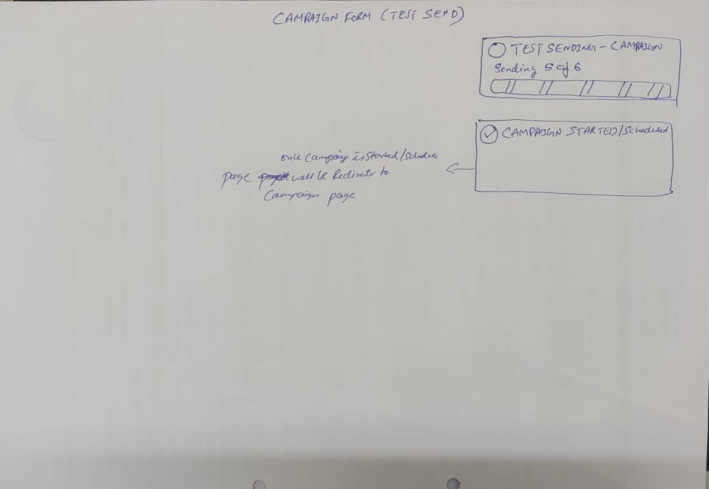
 |  |  |  |  | Confirmation Toaster
 |  |  |  |  | Ref > Show / Hide Animation > Slidedown / slideup >https://pixinvent.com/demo/vuexy-html-bootstrap-admin-template/html/ltr/vertical-menu-template/ext-component-toastr.html
 |  |  |  |  | Test Sending = Executed
 |  |  |  |  | on same screen confirmation

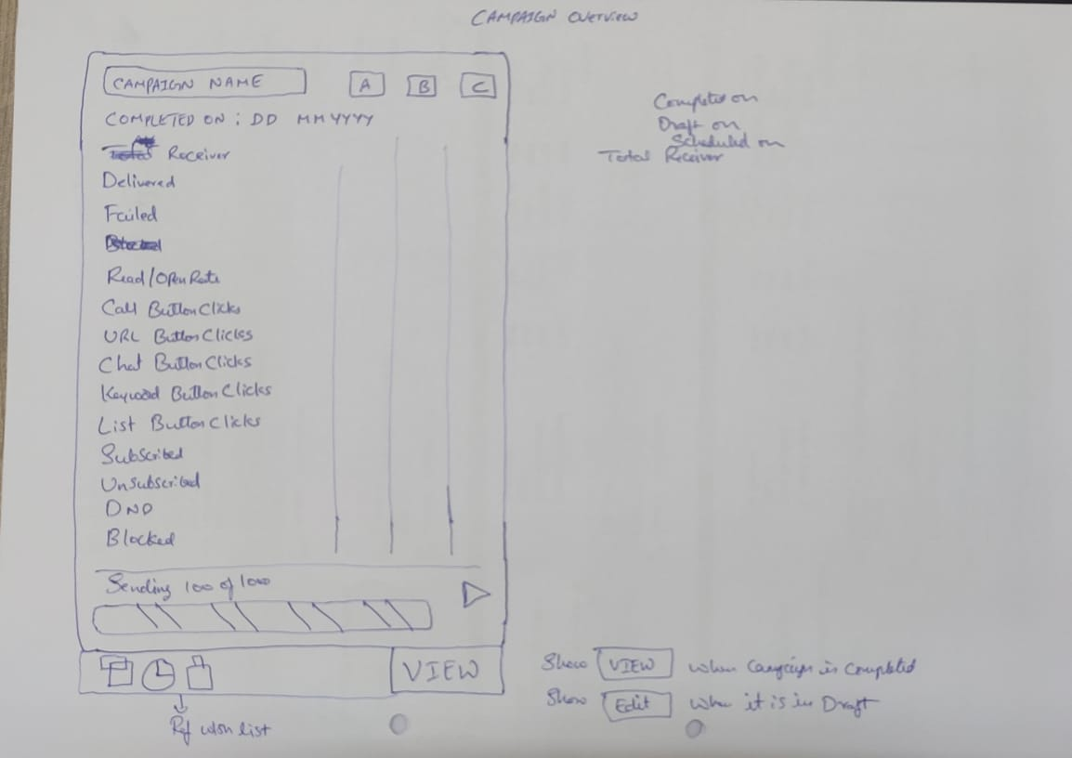

 |  |  |  |  | [View} > This button will show only after Campaign is started or executed only.
 |  |  |  |  | Click on view will direct to respective campaign delivery report

 |  |  |  |  | [Edit} > This button will when campaign is draft or scheduled

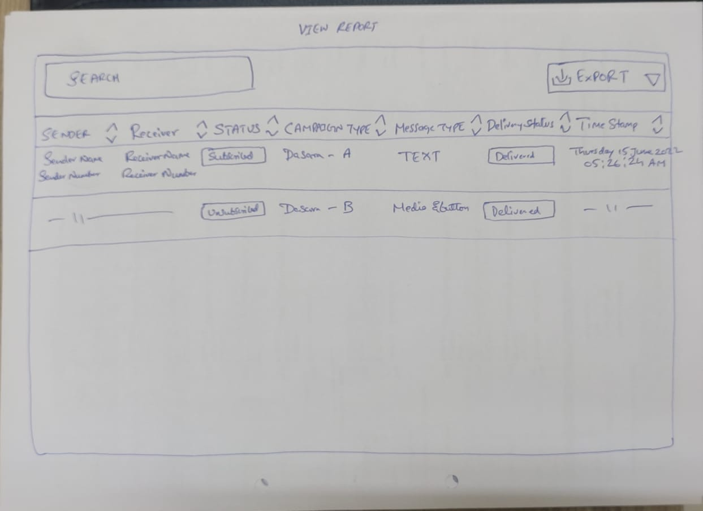

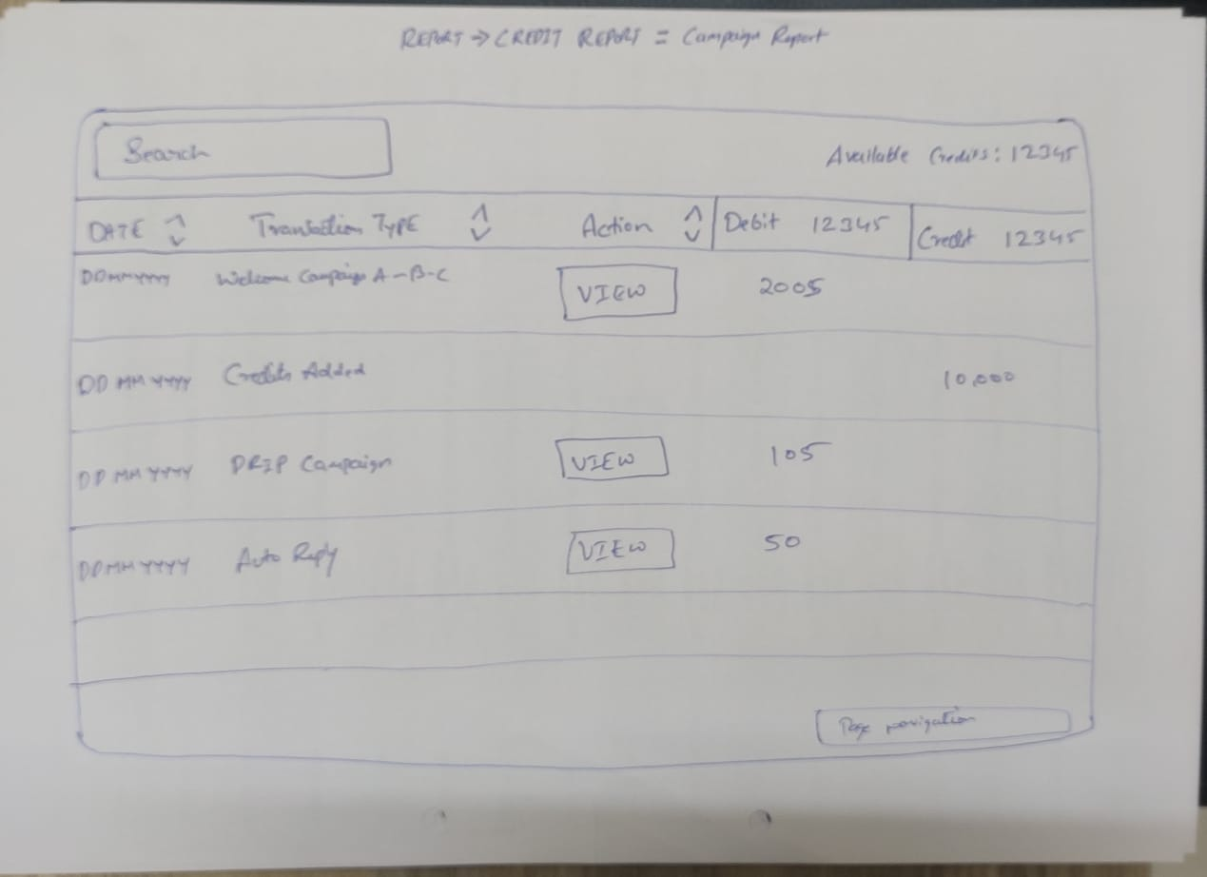

Ref : Campaign Started, Scheduled, Drafted, & Autoreply & Templateiis added Confirmation > SHOW / HIDE ANIMATION
https://pixinvent.com/demo/vuexy-html-bootstrap-admin-template/html/ltr/vertical-menu-template/ext-component-toastr.html

Once a campaign is started, the campaign can be paused & resumed, cannot be edited or modified (It can be modified only in case of scheduled).

Campaign can be duplicated, duplicated copy will be created “copy of [campaign name]” on clicking clone option,

Ref : Button Add >
https://pixinvent.com/demo/vuexy-html-bootstrap-admin-template/html/ltr/vertical-menu-template/form-repeater.html

Ref : URL PHONE Chat > Basic
https://pixinvent.com/demo/vuexy-html-bootstrap-admin-template/html/ltr/vertical-menu-template/form-input-groups.html

Ref : Drag N Drop for added buttons
https://pixinvent.com/demo/vuexy-html-bootstrap-admin-template/html/ltr/vertical-menu-template/ext-component-drag-drop.html

Time Delay Message [ ^] Time Delay Batch [ ^]

Ref : Drag N Drop for added buttons
https://pixinvent.com/demo/vuexy-html-bootstrap-admin-template/html/ltr/vertical-menu-template/ext-component-drag-drop.html

Delivery Report : Delivery report will be available campaign wise, once campaign is over. And can it be exported to excel ?

Export: All, Delivered, Failed, type Pdf & Excel

Report details
Campaign Name Message Type
#Sender Name #Sender Number #CampaignType #A #B #MessageType #Recipient Name #Receiver Number # Status(Subscribed, Unsubscribed, DND, Blocked) #Green Tick #GreyTick #Time Stamp

Report Overview (Campaigns wise) open rate, Button or Template Clickrate, Delivered, Failed, Subscribers, unsubscribers, DND.

Delivery report will disappear after 50 Days.
Refer - mpedia-mbyte for delivery report format..

Delivery report pagination ref : Default Pagination with last & first
https://pixinvent.com/demo/vuexy-html-bootstrap-admin-template/html/ltr/vertical-menu-template/component-pagination.html

