Basics
Chart Basics (Column & Line Charts)

Number of users logged in by Week day
Week day | Number of users logged in
Mon | 256
Tue | 180
Wed | 310
Thu | 218
Fri | 110
Sat | 86
Sun | 102

Number of users logged in by Week day

Aggregation
Aggregating Data in Charts
Automatic aggregation (sum, average, min, max etc.)

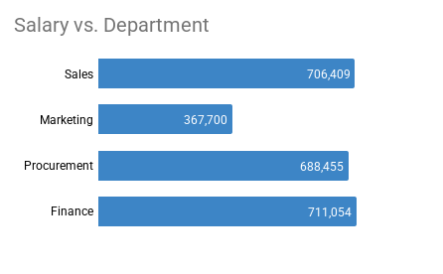
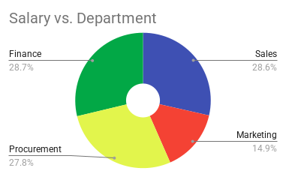
Department | Name | Salary
Sales | Walter Miller | 25,709
Marketing | Alissa Mitchell | 25,600
Procurement | Ann Withers | 23,500
Sales | Kim West | 26,500
Finance | Daniel Garrett | 24,700
Procurement | Robert Marquez | 26,500
Marketing | Vanessa Chavez | 30,600
Procurement | Robert Musser | 28,400
Sales | Jessica Lowe | 32,800
Sales | Evie Williamson | 25,900
Finance | Skye Bennett | 26,900
Finance | Braeden Wilkins | 47,200
Finance | Donald Caldwell | 29,800
Marketing | Amber Stevens | 31,200
Marketing | Matilda Parry | 49,500
Marketing | Jordan Parry | 58,300
Marketing | Charlie Chambers | 36,400
Sales | Tommy Dixon | 38,500
Sales | Robert Hurley | 39,400
Sales | Harry Burke | 42,500
Finance | Richard Elliot | 49,727
Finance | Lukas Hofer | 49,000
Marketing | Judy Bell | 79,600
Marketing | Heidi Medina | 56,500
Procurement | Matthew Ross | 59,900
Procurement | Esme Carney | 48,500
Sales | Zac Fletcher | 41,200
Sales | Kristina Mclean | 52,100
Procurement | Tom Wood | 65,200
Procurement | Betina Bauer | 54,600
Procurement | Cora Briggs | 51,300
Procurement | Mike Saban | 102,500
Finance | Gary Miller | 65,270
Finance | Holly Macdonald | 78,600
Finance | Crystal Doyle | 145,000
Procurement | Corinna Schmidt | 86,055
Sales | Brigitte Bond | 125,600
Finance | Imogen Clarke | 86,500
Finance | Paul Hill | 108,357
Sales | Stevie Bridge | 115,000
Procurement | Alex Collins | 142,000
Sales | Robert Richardson | 141,200

Combo
Combo Charts
Different Series Types in One Graph
Quantity by Product Actual Vs. Budget
 | Quantity
 | Actual | Budget
Laptop bag | 2402 | 2500
Men dress shirt | 5880 | 5100
Men shorts | 2938 | 3200
Men type T simple | 4298 | 4300
Women crop top | 2503 | 2000
Women dress Cocktail | 1174 | 1010
Women dress long | 1794 | 1950
Women type T simple | 1963 | 2500
Unisex tank top | 2661 | 2500

Dashboard Tools
Visualization Tools for Dashboards |  |  |  |  |  | -->
Scrolling Tables, Scorecards, Gauge chart |  |  |  |  |  | CHALLENGE

Division | App | Actual Sales | Target Sales
Game | Kryptis | 7,183 | 8,098 | Total Sales | 95.28% |  | Game | 105.54%
Productivity | Flowrrr | 4,326 | 4,321 |  |  |  | Productivity | 94.73%
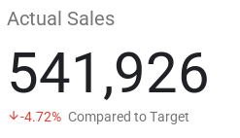
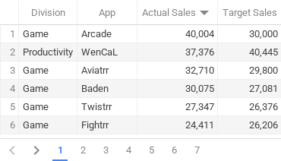
Utility | Amplefio | 6,289 | 9,800 |  |  |  | Utility | 83.05%
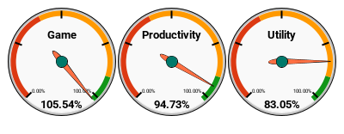
Productivity | Kind Ape | 4,782 | 4,303
Utility | Tanox | 9,034 | 10,500
Productivity | Voltage | 20,819 | 25,000
Utility | Motocyco | 12,512 | 11,222
Productivity | Silvrr | 5,237 | 4,494
Game | Baden | 30,075 | 27,081
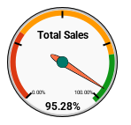
Utility | Minor Liar | 23,516 | 25,834
Game | Five Labs | 7,337 | 7,284
Game | Fightrr | 24,411 | 26,206
Utility | Infic | 10,008 | 9,460
Game | Twistrr | 27,347 | 26,376
Utility | Scrap | 1,663 | 5,500
Utility | Strex | 13,943 | 12,798
Productivity | Blend | 3,839 | 4,133
Productivity | Rehire | 16,070 | 17,049
Game | Hackrr | 14,704 | 15,311
Utility | Misty Wash | 14,743 | 18,000
Productivity | Mirrrr | 11,678 | 13,043
Game | deRamblr | 16,015 | 16,713
Game | Pes | 18,199 | 19,390
Productivity | Inkly | 3,953 | 4,636
Productivity | Didactic | 13,434 | 13,712
Productivity | Pet Feed | 12,052 | 12,550
Utility | Accord | 3,306 | 5,800
Game | Arcade | 40,004 | 30,000
Utility | Atmos | 3,958 | 8,900
Game | Jellyfish | 6,239 | 6,321
Productivity | WenCaL | 37,376 | 40,445
Productivity | Right App | 15,175 | 15,962
Game | Aviatrr | 32,710 | 29,800
Game | Perino | 2,796 | 2,527
Productivity | Sleops | 2,358 | 2,416
Utility | Mosquit | 12,017 | 19,000
Utility | Twenty20 | 18,681 | 19,600
Productivity | Dasring | 5,692 | 5,501
Productivity | Halotot | 15,126 | 13,922
Utility | Commuta | 13,319 | 15,750

Slicers
Adding Slicers to Charts

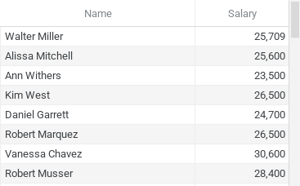
Salary by employee

Challenge
Challenge: Better Dashboards
1. Create a sorted bar chart that shows the top 5 earners of the selected department.
2. Create a table showing all employees of the selected department sorted by salary in ascending order. |  |  | Source Data |  |  | Data Preparation
 |  |  |  |  |  |  | Top 5
 | Procurement |  | Department | Name | Salary |  | Name | Salary
 |  |  | Sales | Walter Miller | 25,709 | 1 | Alex Collins | 142,000
Top 5 Earners |  | All Employees in Procurement | Marketing | Alissa Mitchell | 25,600 | 2 | Mike Saban | 102,500
 |  |  | Procurement | Ann Withers | 23,500 | 3 | Corinna Schmidt | 86,055
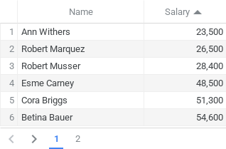
 |  |  | Sales | Kim West | 26,500 | 4 | Tom Wood | 65,200
 |  |  | Finance | Daniel Garrett | 24,700 | 5 | Matthew Ross | 59,900
 |  |  | Procurement | Robert Marquez | 26,500
 |  |  | Marketing | Vanessa Chavez | 30,600
 |  |  | Procurement | Robert Musser | 28,400 |  | All Employees
 |  |  | Sales | Jessica Lowe | 32,800 |  | Name | Salary
 |  |  | Sales | Evie Williamson | 25,900 |  | Ann Withers | 23,500
 |  |  | Finance | Skye Bennett | 26,900 |  | Robert Marquez | 26,500
 |  |  | Finance | Braeden Wilkins | 47,200 |  | Robert Musser | 28,400
 |  |  | Finance | Donald Caldwell | 29,800 |  | Matthew Ross | 59,900
 |  |  | Marketing | Amber Stevens | 31,200 |  | Esme Carney | 48,500
 |  |  | Marketing | Matilda Parry | 49,500 |  | Tom Wood | 65,200
 |  |  | Marketing | Jordan Parry | 58,300 |  | Betina Bauer | 54,600
 |  |  | Marketing | Charlie Chambers | 36,400 |  | Cora Briggs | 51,300
 |  |  | Sales | Tommy Dixon | 38,500 |  | Mike Saban | 102,500
 |  |  | Sales | Robert Hurley | 39,400 |  | Corinna Schmidt | 86,055
 |  |  | Sales | Harry Burke | 42,500 |  | Alex Collins | 142,000
 |  |  | Finance | Richard Elliot | 49,727
 |  |  | Finance | Lukas Hofer | 49,000
 |  |  | Marketing | Judy Bell | 79,600
 |  |  | Marketing | Heidi Medina | 56,500
 |  |  | Procurement | Matthew Ross | 59,900
 |  |  | Procurement | Esme Carney | 48,500
 |  |  | Sales | Zac Fletcher | 41,200
 |  |  | Sales | Kristina Mclean | 52,100
 |  |  | Procurement | Tom Wood | 65,200
 |  |  | Procurement | Betina Bauer | 54,600
 |  |  | Procurement | Cora Briggs | 51,300
 |  |  | Procurement | Mike Saban | 102,500
 |  |  | Finance | Gary Miller | 65,270
 |  |  | Finance | Holly Macdonald | 78,600
 |  |  | Finance | Crystal Doyle | 145,000
 |  |  | Procurement | Corinna Schmidt | 86,055
 |  |  | Sales | Brigitte Bond | 125,600
 |  |  | Finance | Imogen Clarke | 86,500
 |  |  | Finance | Paul Hill | 108,357
 |  |  | Sales | Stevie Bridge | 115,000
 |  |  | Procurement | Alex Collins | 142,000
 |  |  | Sales | Robert Richardson | 141,200

