Notes
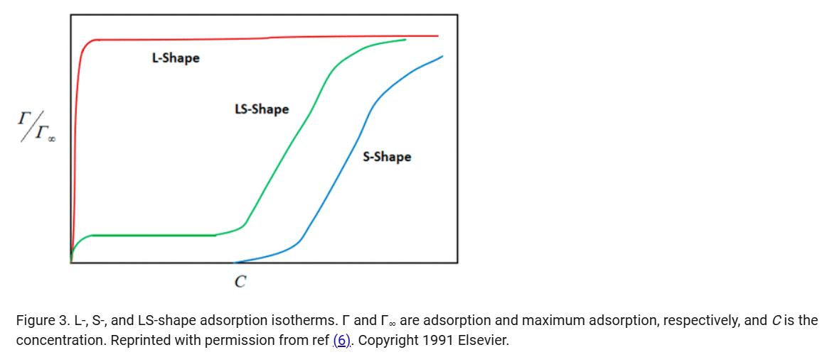
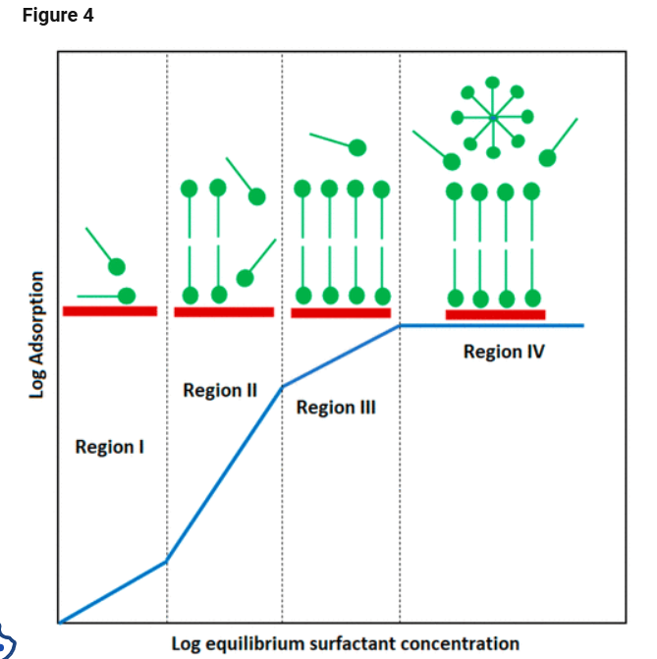
Model Type | Model Name | Formula | Variables | When to Use
Kinetic | Pseudo-First-Order (PFO) | log(qe - qt) = log(qe) - (k1/2.303)t | qe: equilibrium adsorption (mg/g), qt: adsorption at time t (mg/g), k1: rate constant (1/min), t: time (min) | Fast, physical adsorption on accessible surfaces
Kinetic | Pseudo-Second-Order (PSO) | t/qt = 1/(k2*qeÂ²) + t/qe | qe: equilibrium adsorption (mg/g), qt: adsorption at time t (mg/g), k2: rate constant (g/mgÂ·min), t: time (min) | Chemisorption with strong interactions
Kinetic | Elovich | qt = (1/Î²)ln(Î±Î²) + (1/Î²)ln(t) | qt: adsorption at time t (mg/g), Î±: initial rate (mg/gÂ·min), Î²: desorption constant (1/mg) | Heterogeneous surfaces, chemisorption
Kinetic | Brouers-Sotolongo | dq/dt = k*q(t)^n * t^(-a) | q(t): adsorption at time t (mg/g), k: rate constant, n: reaction order, a: fractal index | Nanomaterials, fractal and heterogeneous surfaces
Diffusion | Weberâ€“Morris Intraparticle Diffusion | qt = kid * t^0.5 + C | qt: adsorption at time t (mg/g), kid: intraparticle diffusion rate (mg/gÂ·min^0.5), C: boundary layer effect | When internal diffusion might control the process
Diffusion | Boyd Model | Bt = -0.4977 - ln(1 - F) | Bt: Boyd function, F: fraction of solute adsorbed at time t | Distinguishing film vs intraparticle diffusion control
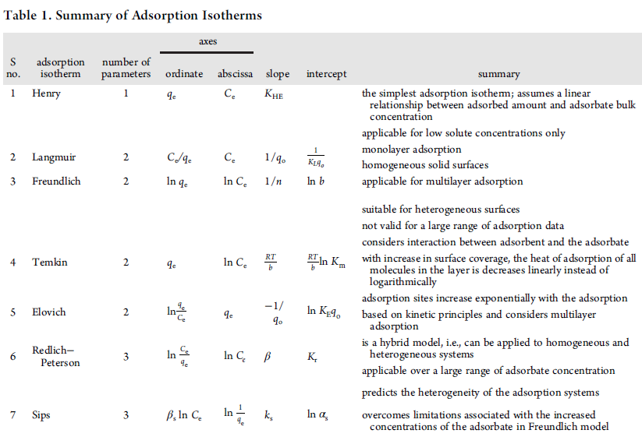
Isotherm | Langmuir | qe = (qmax * KL * Ce) / (1 + KL * Ce) | qe: adsorption at equilibrium (mg/g), qmax: max adsorption (mg/g), KL: Langmuir constant (L/mg), Ce: equilibrium concentration (mg/L) | Monolayer adsorption on a homogeneous surface
Isotherm | Freundlich | qe = KF * Ce^(1/n) | qe: adsorption at equilibrium (mg/g), KF: adsorption capacity (mg/g)(L/mg)^(1/n), n: heterogeneity factor, Ce: equilibrium concentration (mg/L) | Multilayer adsorption on heterogeneous surfaces
Isotherm | Temkin | qe = B * ln(A * Ce) | qe: adsorption at equilibrium (mg/g), B: constant related to heat of adsorption, A: Temkin isotherm constant, Ce: equilibrium concentration (mg/L) | Accounts for adsorbate-adsorbent interactions
Isotherm | Dubininâ€“Radushkevich (D-R) | qe = qmax * exp(-B * Îµ^2) | qe: adsorption at equilibrium (mg/g), qmax: max adsorption (mg/g), B: activity coefficient, Îµ: Polanyi potential | Distinguishing between physical and chemical adsorption

