Clients Requirement
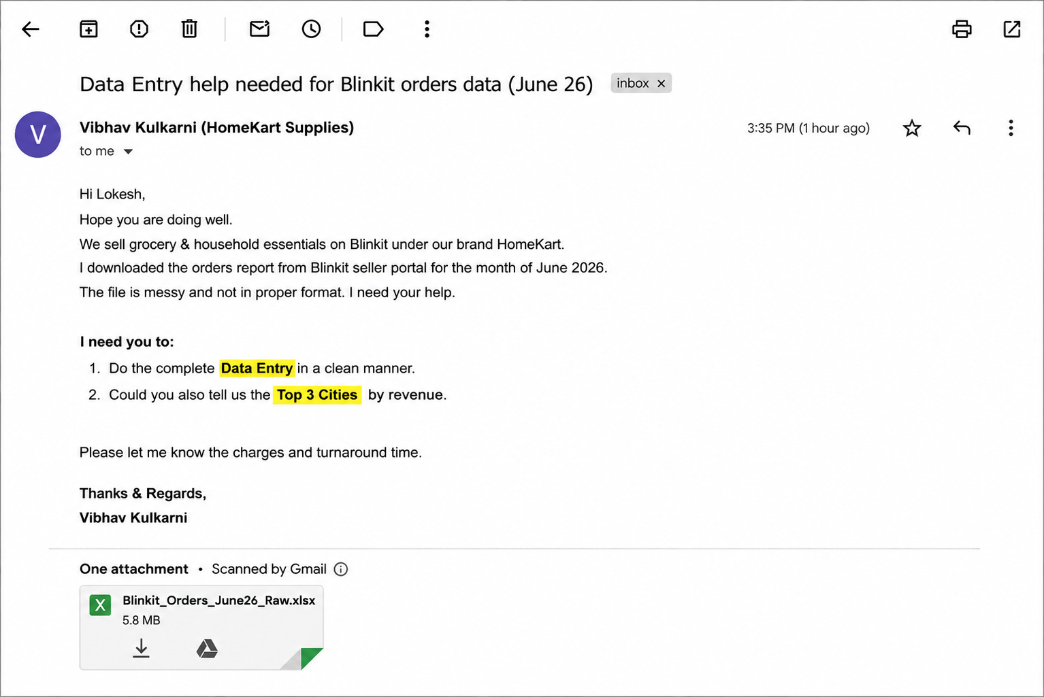
Clients's Requirement

Sheet2
payment mode sales
 | Total
COD | 17506.23
Credit Card | 17109.05
UPI | 28082.06
Wallet | 13533.04
Top 3 cities sales
 | Total
Delhi | 23509.16
Gurgaon | 16052.63
Noida | 15553.8

product wise sales
 | Total
Aachi Chilli Powder 500g | 367.7
Aashirvaad Atta 5kg | 598.35
Aashirvaad Multigrain Atta 5kg | 383.25
Aashirvaad Select Atta 10kg | 561.75
Aashirvaad Sharbati Atta 5kg | 357
Amul Butter 500g | 603.75
Amul Cheese Cubes 200g | 584.24
Amul Cheese Cubes 400g | 535.5
Amul Cheese Slices 400g | 556.5
Amul Cheese Spread 200g | 288.75
Amul Fresh Cream 250ml | 155.02
Amul Gold Milk 1L | 286.65
Amul Lassi 1L | 233.88
Amul Masti Dahi 400g | 123.9
Amul Paneer 200g | 188.55
Amul Taaza Milk 1L | 137.78
Ariel Matic Front Load 2kg | 536.9
B Natural Mixed Fruit Juice 1L | 306.29
B Natural Orange Juice 1L | 294.3
Basmati Rice 5kg | 681.45
Bingo Mad Angles 120g | 162.43
Bingo Tedhe Medhe 150g | 162.43
Bournvita 1kg | 472.5
Bournvita 750g | 414.75
Britannia Bourbon 300g | 162.43
Britannia Bread 400g | 94.32
Britannia Cheese Slices 200g | 357.1
Britannia Good Day Butter Cookies 600g | 309.75
Britannia Marie Gold 800g | 220.8
Cadbury Bournvita 750g | 403.2
Cadbury Celebrations Pack | 315
Cadbury Dairy Milk Crackle 150g | 567
Cadbury Dairy Milk Fruit & Nut 137g | 551.25
Cadbury Dairy Milk Roast Almond | 378
Cadbury Dairy Milk Silk 150g | 1293.5
Cadbury Dairy Milk Silk Bubbly | 388.75
Cadbury Dairy Milk Silk Fruit & Nut | 420
Cadbury Dairy Milk Silk Oreo | 556.5
Catch Black Pepper 100g | 294
Coca Cola 2L | 218
Coca Cola 750ml | 487.8
Coca Cola Zero 2L | 234.35
Coca Cola Zero 750ml | 272.5
Colgate MaxFresh 150g | 404.35
Colgate Mouthwash 500ml | 351.5
Colgate Strong Teeth 200g | 557.09
Colgate Visible White 100g | 330.75
Colgate Visible White 200g | 430.7
Comfort Fabric Conditioner 860ml | 247.8
Dabur Honey 1kg | 418.95
...

