Culvert
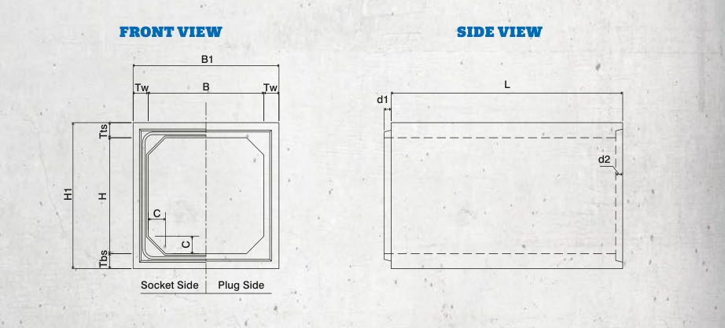
Socket Size =1/2 (Plug Size)
Sizes | B | B1 | H | H1 | L | Tts | Tbs | Tw | C | d1 | d2 | Haunch (4nos.) | Top Slab | Bottom slab + Raft | Walls | Total Box
1200x1200 | 1200 | 1700 | 1200 | 1600 | 2000 | 200 | 200 | 250 | 150 | 60 | 60 | 0.045 | 0.34 | 0.34 | 0.6 | 1.325
1200x1200 | 1200 | 1700 | 1200 | 1700 | 2000 | 250 | 250 | 250 | 150 | 60 | 60 | 0.045 | 0.425 | 0.425 | 0.6 | 1.495
1200x1200 | 1200 | 1700 | 1200 | 1800 | 2000 | 300 | 300 | 250 | 150 | 60 | 60 | 0.045 | 0.51 | 0.51 | 0.6 | 1.665
1200x1350 | 1200 | 1700 | 1350 | 1750 | 2000 | 200 | 200 | 250 | 150 | 60 | 60 | 0.045 | 0.34 | 0.34 | 0.675 | 1.4
1200X1350 | 1200 | 1700 | 1350 | 1750 | 2000 | 200 | 200 | 250 | 150 | 60 | 60 | 0.045 | 0.34 | 0.34 | 0.675 | 1.4
1200X1350 | 1200 | 1700 | 1350 | 1950 | 2000 | 300 | 300 | 250 | 150 | 60 | 60 | 0.045 | 0.51 | 0.51 | 0.675 | 1.74
1200x1500 | 1200 | 1700 | 1500 | 1900 | 2000 | 200 | 200 | 250 | 150 | 60 | 60 | 0.045 | 0.34 | 0.34 | 0.75 | 1.475
1200x1500 | 1200 | 1700 | 1500 | 2000 | 2000 | 250 | 250 | 250 | 150 | 60 | 60 | 0.045 | 0.425 | 0.425 | 0.75 | 1.645
1200x1500 | 1200 | 1700 | 1500 | 2100 | 2000 | 300 | 300 | 250 | 150 | 60 | 60 | 0.045 | 0.51 | 0.51 | 0.75 | 1.815
1200X1800 | 1200 | 1700 | 1800 | 2200 | 2000 | 200 | 200 | 250 | 150 | 60 | 60 | 0.045 | 0.34 | 0.34 | 0.9 | 1.625
1200X1800 | 1200 | 1700 | 1800 | 2300 | 2000 | 250 | 250 | 250 | 150 | 60 | 60 | 0.045 | 0.425 | 0.425 | 0.9 | 1.795
1200X1800 | 1200 | 1700 | 1800 | 2400 | 2000 | 300 | 300 | 250 | 150 | 60 | 60 | 0.045 | 0.51 | 0.51 | 0.9 | 1.965
1500x1500 | 1500 | 2000 | 1500 | 1900 | 2000 | 200 | 200 | 250 | 150 | 60 | 60 | 0.045 | 0.4 | 0.4 | 0.75 | 1.595
1500x1500 | 1500 | 2000 | 1500 | 2000 | 2000 | 250 | 250 | 250 | 150 | 60 | 60 | 0.045 | 0.5 | 0.5 | 0.75 | 1.795
1500x1500 | 1500 | 2000 | 1500 | 2100 | 2000 | 300 | 300 | 250 | 150 | 60 | 60 | 0.045 | 0.6 | 0.6 | 0.75 | 1.995
1500x1600 | 1500 | 2000 | 1600 | 2000 | 2000 | 200 | 200 | 250 | 150 | 60 | 60 | 0.045 | 0.4 | 0.4 | 0.8 | 1.645
1500x1600 | 1500 | 2000 | 1600 | 2100 | 2000 | 250 | 250 | 250 | 150 | 60 | 60 | 0.045 | 0.5 | 0.5 | 0.8 | 1.845
1500x1600 | 1500 | 2000 | 1600 | 2200 | 2000 | 300 | 300 | 250 | 150 | 60 | 60 | 0.045 | 0.6 | 0.6 | 0.8 | 2.045
1500x1700 | 1500 | 2000 | 1700 | 2100 | 2000 | 200 | 200 | 250 | 150 | 60 | 60 | 0.045 | 0.4 | 0.4 | 0.85 | 1.695
1500x1700 | 1500 | 2000 | 1700 | 2200 | 2000 | 250 | 250 | 250 | 150 | 60 | 60 | 0.045 | 0.5 | 0.5 | 0.85 | 1.895
1500x1700 | 1500 | 2000 | 1700 | 2300 | 2000 | 300 | 300 | 250 | 150 | 60 | 60 | 0.045 | 0.6 | 0.6 | 0.85 | 2.095
1500x1800 | 1500 | 2000 | 1800 | 2200 | 2000 | 200 | 200 | 250 | 150 | 60 | 60 | 0.045 | 0.4 | 0.4 | 0.9 | 1.745
1500x1800 | 1500 | 2000 | 1800 | 2300 | 2000 | 250 | 250 | 250 | 150 | 60 | 60 | 0.045 | 0.5 | 0.5 | 0.9 | 1.945
1500x1800 | 1500 | 2000 | 1800 | 2400 | 2000 | 300 | 300 | 250 | 150 | 60 | 60 | 0.045 | 0.6 | 0.6 | 0.9 | 2.145
1500x1900 | 1500 | 2000 | 1900 | 2300 | 2000 | 200 | 200 | 250 | 150 | 60 | 60 | 0.045 | 0.4 | 0.4 | 0.95 | 1.795
1500x1900 | 1500 | 2000 | 1900 | 2400 | 2000 | 250 | 250 | 250 | 150 | 60 | 60 | 0.045 | 0.5 | 0.5 | 0.95 | 1.995
1500X1900 | 1500 | 2000 | 1900 | 2500 | 2000 | 300 | 300 | 250 | 150 | 60 | 60 | 0.045 | 0.6 | 0.6 | 0.95 | 2.195
1500X2000 | 1500 | 2000 | 2000 | 2400 | 2000 | 200 | 200 | 250 | 150 | 60 | 60 | 0.045 | 0.4 | 0.4 | 1 | 1.845
1500X2000 | 1500 | 2000 | 2000 | 2500 | 2000 | 250 | 250 | 250 | 150 | 60 | 60 | 0.045 | 0.5 | 0.5 | 1 | 2.045
1500X2000 | 1500 | 2000 | 2000 | 2600 | 2000 | 300 | 300 | 250 | 150 | 60 | 60 | 0.045 | 0.6 | 0.6 | 1 | 2.245
2000X2000 | 2000 | 2400 | 2000 | 2400 | 2000 | 200 | 200 | 200 | 200 | 80 | 80 | 0.08 | 0.48 | 0.48 | 0.8 | 1.84
2000X2000 | 2000 | 2500 | 2000 | 2500 | 2000 | 250 | 250 | 250 | 200 | 80 | 80 | 0.08 | 0.625 | 0.625 | 1 | 2.33
2000X2000 | 2000 | 2600 | 2000 | 2600 | 2000 | 300 | 300 | 300 | 200 | 80 | 80 | 0.08 | 0.78 | 0.78 | 1.2 | 2.84
2000X2000 | 2000 | 2400 | 2000 | 2450 | 2000 | 200 | 250 | 200 | 200 | 80 | 80 | 0.08 | 0.48 | 0.6 | 0.8 | 1.96
2000X2000 | 2000 | 2400 | 2000 | 2500 | 2000 | 200 | 300 | 200 | 200 | 80 | 80 | 0.08 | 0.48 | 0.72 | 0.8 | 2.08
2000X2000 | 2000 | 2500 | 2000 | 2550 | 2000 | 250 | 300 | 250 | 200 | 80 | 80 | 0.08 | 0.625 | 0.75 | 1 | 2.455
2000X2000 | 2000 | 2400 | 2000 | 2500 | 2000 | 250 | 250 | 200 | 200 | 80 | 80 | 0.08 | 0.6 | 0.6 | 0.8 | 2.08
2000X2000 | 2000 | 2500 | 2000 | 2600 | 2000 | 300 | 300 | 250 | 200 | 80 | 80 | 0.08 | 0.75 | 0.75 | 1 | 2.58
2600X2600 | 2600 | 3100 | 2600 | 3100 | 1500 | 250 | 250 | 250 | 300 | 80 | 80 | 0.18 | 0.775 | 0.775 | 1.3 | 3.03
2600X2600 | 2600 | 3200 | 2600 | 3200 | 1500 | 300 | 300 | 300 | 300 | 80 | 80 | 0.18 | 0.96 | 0.96 | 1.56 | 3.66
2600X2600 | 2600 | 3300 | 2600 | 3300 | 1500 | 350 | 350 | 350 | 300 | 80 | 80 | 0.18 | 1.155 | 1.155 | 1.82 | 4.31
2600X2600 | 2600 | 3100 | 2600 | 3150 | 1500 | 300 | 250 | 300 | 300 | 80 | 80 | 0.18 | 0.93 | 0.775 | 1.56 | 3.445
3000x3000 | 3000 | 3600 | 3000 | 3600 | 1000 | 300 | 300 | 300 | 300 | 80 | 80 | 0.18 | 1.08 | 1.08 | 1.8 | 4.14
3000x3000 | 3000 | 3700 | 3000 | 3700 | 1000 | 350 | 350 | 350 | 300 | 80 | 80 | 0.18 | 1.295 | 1.295 | 2.1 | 4.87
3000x3000 | 3000 | 3800 | 2600 | 3250 | 1000 | 300 | 350 | 300 | 300 | 80 | 80 | 0.18 | 1.14 | 1.33 | 1.56 | 4.21
3000x3000 | 3000 | 3800 | 2600 | 3300 | 1000 | 350 | 350 | 300 | 300 | 80 | 80 | 0.18 | 1.33 | 1.33 | 1.56 | 4.4

Retaining wall
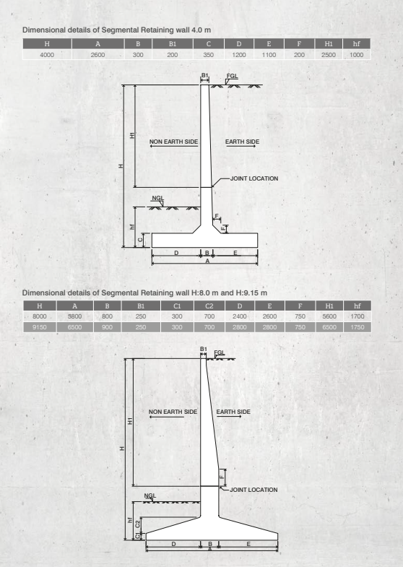
H | A | B | B1 | C | D | E | F | H1 | hf
4000 | 2600 | 300 | 200 | 350 | 1200 | 1100 | 200 | 2500 | 1000

H | A | B | B1 | C1 | C2 | D | E | F | H1 | hf
8000 | 5800 | 800 | 250 | 300 | 700 | 2400 | 2600 | 750 | 5600 | 1700
9150 | 6500 | 900 | 250 | 300 | 700 | 2800 | 2800 | 750 | 6500 | 1750

Raft Concrete qty |  | 4
Minor Haunches |  | 0.02
Stem |  | 0.2875 | 250
 |  | 4.3075 | 4m r wall

 |  | 8m | 9.15m
Raft Concrete qty |  | 1.74 | 4.55
Raft Slant Portion |  | 1.68
Stem

Drain
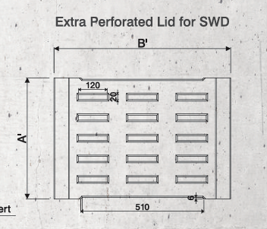
Size (mm) | Dimensions of U-shape drain (mm)
axb | L | A | B | H | a | b | c | d | e | f | QTY
300 x 300 | 2000 | 540 | 420 | 480 | 300 | 300 | 110 | 70 | 70 | 280 | 0.22
450 x 450 | 2000 | 700 | 590 | 660 | 450 | 450 | 130 | 80 | 80 | 430 | 0.33
600 x 600 | 2000 | 860 | 730 | 835 | 600 | 600 | 145 | 90 | 90 | 550 | 0.45
750 x 750 | 2000 | 1050 | 890 | 1000 | 750 | 750 | 150 | 100 | 100 | 690 | 0.60
900 x 900 | 2000 | 1200 | 1070 | 1170 | 900 | 900 | 150 | 120 | 120 | 830 | 0.78
1200 x 1200 | 2000 | 1500 | 1340 | 1470 | 1200 | 1200 | 150 | 120 | 120 | 1100 | 0.99

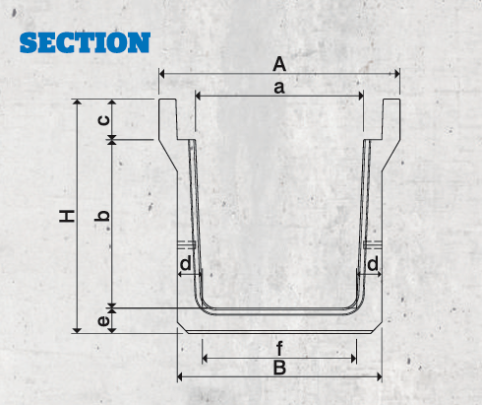

Size of Drain | Lid Dimension (mm)
axb | A' | B' | C' | Qty
300 x 300 | 500 | 410 | 110 | 0.1498
450 x 450 | 500 | 572 | 130 | 0.226
600 x 600 | 500 | 732 | 145 | 0.3036
750 x 750 | 500 | 902 | 150 | 0.3838
900 x 900 | 500 | 1052 | 150 | 0.4564 |  |  |  |  |  |  |  | 0.0024
1200 x 1200 | 500 | 1330 | 150 | 0.5906

Chamber (800x800)
Chamber Sizes |  | Drain Size | Box Culvert | Hume Pipe | Lid Qty | Chamber Qty | Net Qty
H (mm) |  | (mm) | (mm) | (mm) | (cum) | (cum) | (cum)
800 x 800 | 600 | DUSD 300 x 300 - DUSD 750 x 750 & PUSD 300 x 300 - PUSD 750 x 750 |  | Up to 600 Ø | 0.26 | 0.54 | 0.80
 | 800 |  | Box-300 x 300 |  | 0.26 | 0.72 | 0.98
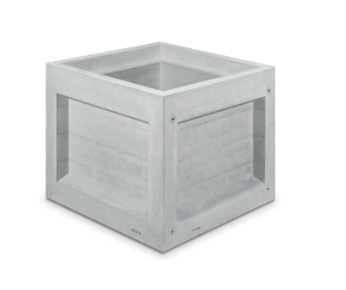
 | 1200 |  | Box-500 x 200 |  | 0.26 | 0.90 | 1.16
 | 1200 |  | Box-600 x 600 |  | 0.26 | 1.08 | 1.34
 | 1400 |  | Box-800 x 800 |  | 0.26 | 1.26 | 1.52
 | 1600 |  |  |  | 0.26 | 1.44 | 1.70
 | 1800 |  |  |  | 0.26 | 1.62 | 1.89
 | 2000 |  |  |  | 0.26 | 1.81 | 2.07

Dimensions of Lid
Width of lid (Half Segment) |  | 471 | Input
Length of lid (Half Segment) |  | 944 | Input
Thickness of lid (Half Segment) |  | 300 | Input
Qty of lid (Half Segment) |  | 0.13 | Output
Considering Full Segment |  | 0.27 | Output
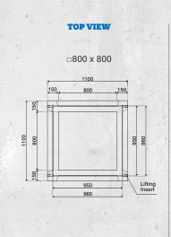
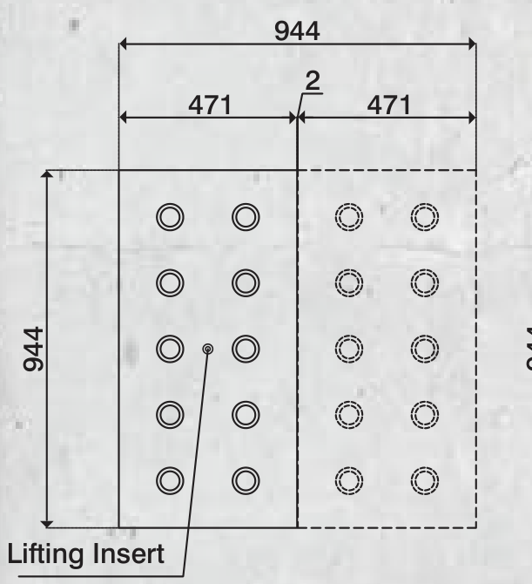
Diameter of Hole of lid (Ø) |  | 50 | Input
Spacing considered (mm) horizontally |  | 250 | Input
Spacing considered (mm) vertically |  | 150 | Input
No of Holes in row |  | 4 | Output
No of Holes in column |  | 6 | Output
Area of one Hole |  | 0.002 | Output
Area of no of holes |  | 0.020 | Output
Concrete Qty of no of holes |  | 0.006 | Output
Area of whole Segment |  | 0.891 | Output
Net Area |  | 0.872 | Output

Net qty for Lid |  | 0.26 | Output

Dimensions of Chamber (600mm Height)
Width of Chamber |  | 150 | 800 | 150 | Input
Length of Chamber |  | 150 | 800 | 150 | Input
Height of Chamber |  |  | 600 |  | Input
Concrete Qty of Chamber |  |  | 0.54 |  | Output

Dimensions of Chamber (800mm Height)
Width of Chamber |  | 150 | 800 | 150 | Input
Length of Chamber |  | 150 | 800 | 150 | Input
Height of Chamber |  |  | 800 |  | Input
Concrete Qty of Chamber |  |  | 0.72 |  | Output

Dimensions of Chamber (1000mm Height)
Width of Chamber |  | 150 | 800 | 150 | Input
Length of Chamber |  | 150 | 800 | 150 | Input
Height of Chamber |  |  | 1000 |  | Input
Concrete Qty of Chamber |  |  | 0.90 |  | Output

Dimensions of Chamber (1200mm Height)
Width of Chamber |  | 150 | 800 | 150 | Input
Length of Chamber |  | 150 | 800 | 150 | Input
Height of Chamber |  |  | 1200 |  | Input
Concrete Qty of Chamber |  |  | 1.08 |  | Output

Dimensions of Chamber (1400mm Height)
Width of Chamber |  | 150 | 800 | 150 | Input
Length of Chamber |  | 150 | 800 | 150 | Input
Height of Chamber |  |  | 1400 |  | Input
Concrete Qty of Chamber |  |  | 1.26 |  | Output

Dimensions of Chamber (1600mm Height)
Width of Chamber |  | 150 | 800 | 150 | Input
Length of Chamber |  | 150 | 800 | 150 | Input
Height of Chamber |  |  | 1600 |  | Input
Concrete Qty of Chamber |  |  | 1.44 |  | Output

Dimensions of Chamber (1800mm Height)
Width of Chamber |  | 150 | 800 | 150 | Input
Length of Chamber |  | 150 | 800 | 150 | Input
Height of Chamber |  |  | 1800 |  | Input
Concrete Qty of Chamber |  |  | 1.62 |  | Output

Dimensions of Chamber (2000mm Height)
Width of Chamber |  | 150 | 800 | 150 | Input
Length of Chamber |  | 150 | 800 | 150 | Input
Height of Chamber |  |  | 2000 |  | Input
Concrete Qty of Chamber |  |  | 1.81 |  | Output

Chamber (1000x1000)
Chamber Sizes |  | Drain Size | Box Culvert | Hume Pipe | Lid Qty | Chamber Qty | Net Qty
H (mm) |  | (mm) | (mm) | (mm) | (cum) | (cum) | (cum)
1000 x 1000 | 800 | DUSD 300 x 300 - DUSD 900 x 900 & PUSD 300 x 300 PUSD 900 x 900 | Box- 300 x 300, Box- 500 x 500 Box- 600 x 600 Box- 800 x 800 Box- 600 x 100 | Up to 800 Ø | 0.19 | 1.15 | 1.34
 | 1000 |  |  |  | 0.19 | 1.44 | 1.63
 | 1200 |  |  |  | 0.19 | 1.73 | 1.92
 | 1400 |  |  |  | 0.19 | 2.02 | 2.20

Dimensions of Lid
Width of lid (Half Segment) |  | 572 | Input
Length of lid (Half Segment) |  | 572 | Input
Thickness of lid (Half Segment) |  | 300 | Input
Qty of lid (Half Segment) |  | 0.10 | Output
Considering Full Segment |  | 0.20 | Output
Diameter of Hole of lid (Ø) |  | 50 | Input
Spacing considered (mm) horizontally |  | 150 | Input
Spacing considered (mm) vertically |  | 125 | Input
No of Holes in row |  | 8 | Output
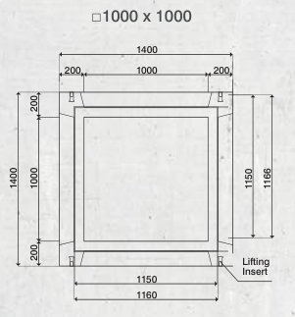
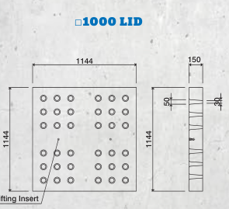
No of Holes in column |  | 5 | Output
Area of one Hole |  | 0.002 | Output
Area of no of holes |  | 0.026 | Output
Concrete Qty of no of holes |  | 0.008 | Output
Area of whole Segment |  | 0.327 | Output
Net Area |  | 0.302 | Output

Net qty for Lid |  | 0.19 | Output

Dimensions of Chamber (800mm Height)
Width of Chamber |  | 200 | 1000 | 200 | Input
Length of Chamber |  | 200 | 1000 | 200 | Input
Height of Chamber |  |  | 800 |  | Input
Concrete Qty of Chamber |  |  | 1.15 |  | Output

Dimensions of Chamber (1000mm Height)
Width of Chamber |  | 200 | 1000 | 200 | Input
Length of Chamber |  | 200 | 1000 | 200 | Input
Height of Chamber |  |  | 1000 |  | Input
Concrete Qty of Chamber |  |  | 1.44 |  | Output

Dimensions of Chamber (1200mm Height)
Width of Chamber |  | 200 | 1000 | 200 | Input
Length of Chamber |  | 200 | 1000 | 200 | Input
Height of Chamber |  |  | 1200 |  | Input
Concrete Qty of Chamber |  |  | 1.73 |  | Output

Dimensions of Chamber (1400mm Height)
Width of Chamber |  | 200 | 1000 | 200 | Input
Length of Chamber |  | 200 | 1000 | 200 | Input
Height of Chamber |  |  | 1400 |  | Input
Concrete Qty of Chamber |  |  | 2.02 |  | Output

Chamber (1600x1400)
Chamber Sizes |  | Drain Size | Box Culvert | Hume Pipe | Lid Qty | Chamber Qty | Net Qty
H (mm) |  | (mm) | (mm) | (mm) | (cum) | (cum) | (cum)
1600 x 1400 | 1800 | DUSD 300 x 300, - DUSD 1200 x 1200, & PUSD 300 x 300 - PUSD 900 x 900 | Box- 300 x 300, Box- 500 x 500 Box- 600 x 600 Box- 800 x 800 Box- 600 x 1000 | 600 Ø - 1200 Ø | 0.46 | 1.15 | 1.61

 | 2000 |  |  |  | 0.46 | 1.44 | 1.90

Dimensions of Lid
Width of lid (Half Segment) |  | 871 | Input
Length of lid (Half Segment) |  | 871 | Input
Thickness of lid (Half Segment) |  | 300 | Input
Qty of lid (Half Segment) |  | 0.23 | Output
Considering Full Segment |  | 0.46 | Output
Diameter of Hole of lid (Ø) |  | 0 | Input
Spacing considered (mm) horizontally |  | 150 | Input
Spacing considered (mm) vertically |  | 125 | Input |  | 1742 | 871
No of Holes in row |  | 12 | Output
No of Holes in column |  | 7 | Output
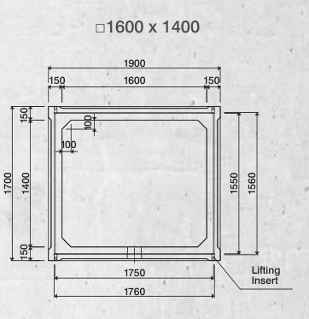
Area of one Hole |  | 0.000 | Output
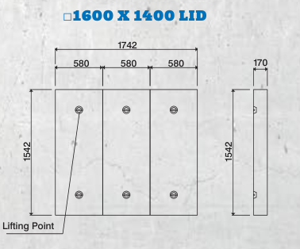
Area of no of holes |  | 0.000 | Output
Concrete Qty of no of holes |  | 0.000 | Output
Area of whole Segment |  | 0.759 | Output
Net Area |  | 0.759 | Output

Net qty for Lid |  | 0.46 | Output

Dimensions of Chamber (1800mm Height)
Width of Chamber |  | 200 | 1000 | 200 | Input
Length of Chamber |  | 200 | 1000 | 200 | Input
Height of Chamber |  |  | 800 |  | Input
Concrete Qty of Chamber |  |  | 1.15 |  | Output

Dimensions of Chamber (2000mm Height)
Width of Chamber |  | 200 | 1000 | 200 | Input
Length of Chamber |  | 200 | 1000 | 200 | Input
Height of Chamber |  |  | 1000 |  | Input
Concrete Qty of Chamber |  |  | 1.44 |  | Output

Toe wall
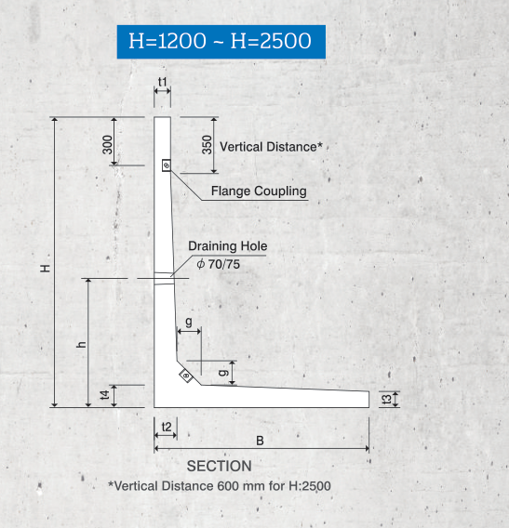
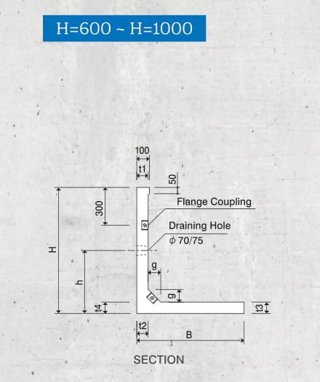
Height (mm) | Dimensions
 | Input values |  |  |  |  |  |  |  | Output
 | B | t1 | t2 | t3 | t4 | g | h | L | Raft | Stem + Haunch Portion | Qty
600 | 680 | 70 | 70 | 70 | 70 | 100 | 300 | 2000 | 0.0476 | 0.0471 | 0.0947
800 | 760 | 80 | 80 | 80 | 80 | 100 | 400 | 2000 | 0.0608 | 0.0676 | 0.1284
1000 | 850 | 90 | 90 | 90 | 90 | 100 | 500 | 2000 | 0.0765 | 0.0919 | 0.1684
1200 | 970 | 100 | 100 | 100 | 100 | 120 | 600 | 2000 | 0.097 | 0.1244 | 0.2214
1800 | 1330 | 100 | 140 | 100 | 140 | 150 | 800 | 2000 | 0.133 | 0.2217 | 0.3547
2000 | 1450 | 100 | 140 | 100 | 140 | 150 | 800 | 2000 | 0.145 | 0.2457 | 0.3907
2250 | 1600 | 100 | 170 | 100 | 170 | 180 | 900 | 2000 | 0.16 | 0.3132 | 0.4732
2500 | 1750 | 100 | 170 | 100 | 170 | 180 | 900 | 2000 | 0.175 | 0.34695 | 0.52195

