Installation Process
Step 1
 | Open Your browser and search with python The result window's First Link Click them
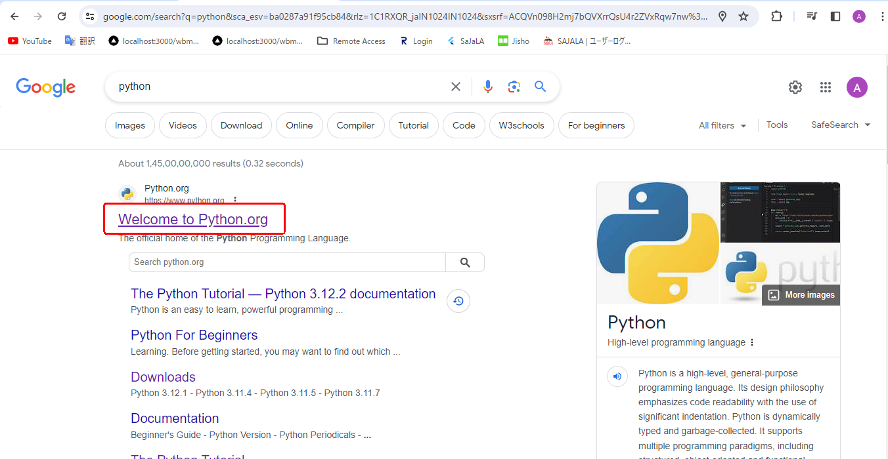

Step 2 | Click to Downloads On Navigation Bar
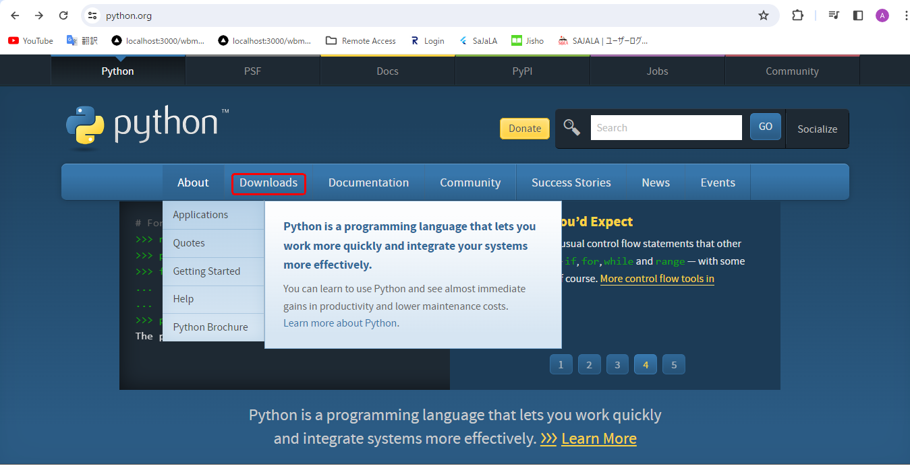

 | After Click You can seen to latest Version download file for downloaded Zpage And click To Download Python.
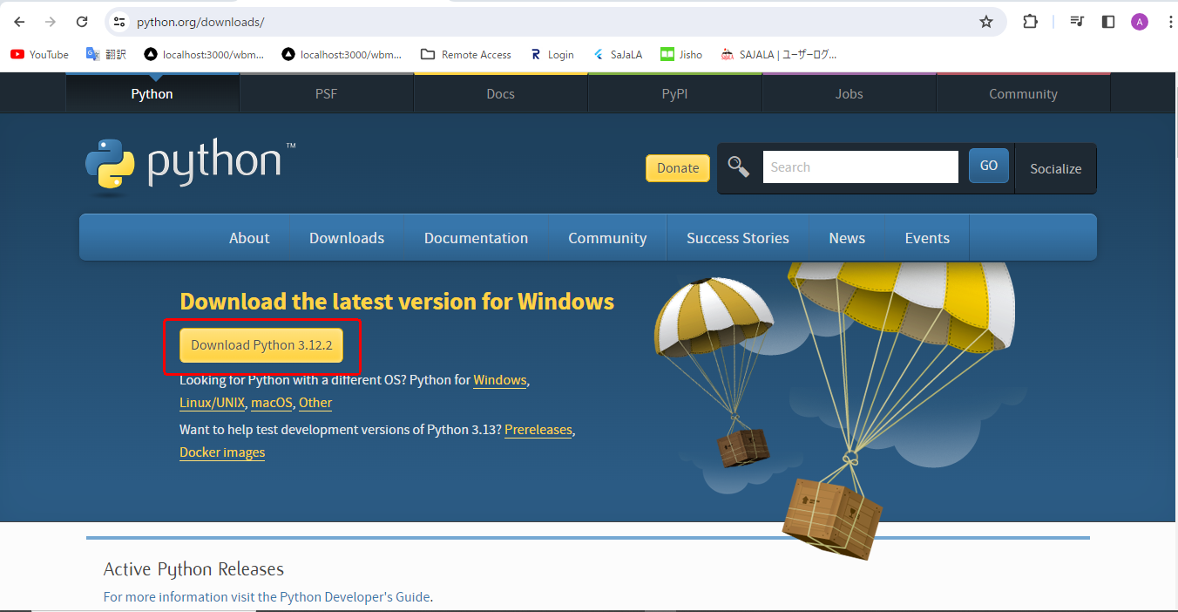

 |  |  | →

 | After Compliting Download process click to open exe file
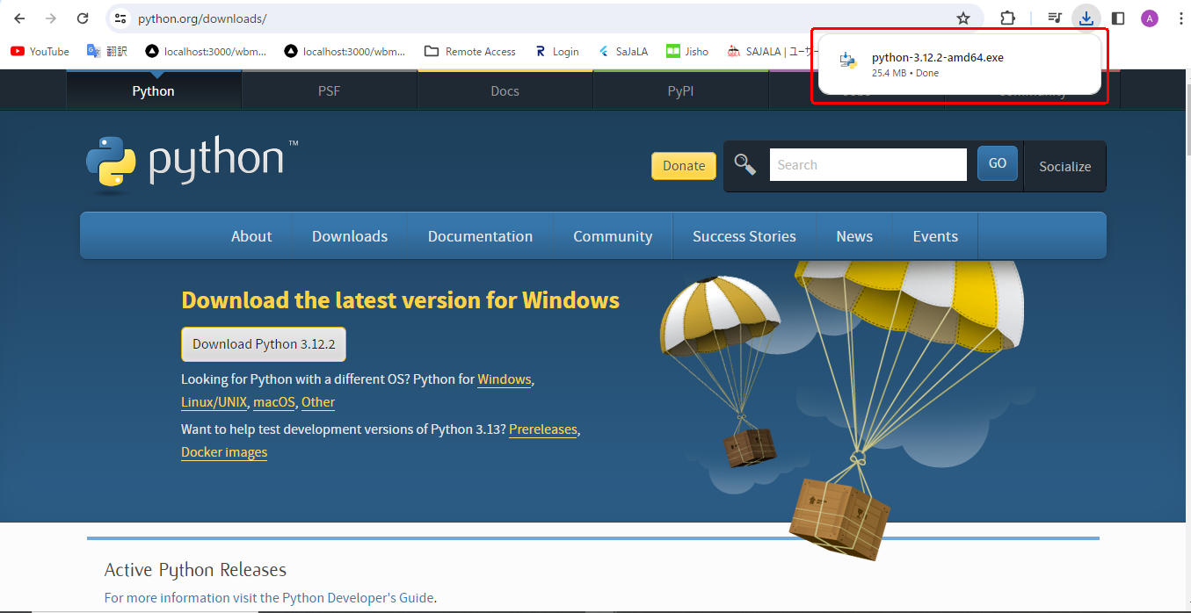

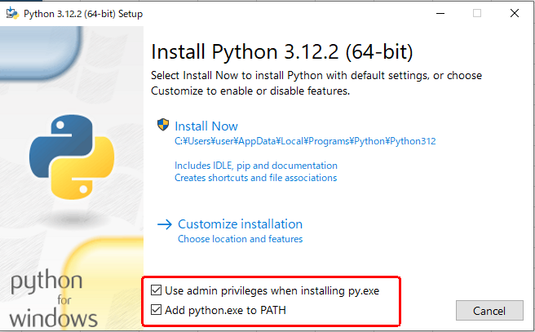

 | And Then Click to Install Now
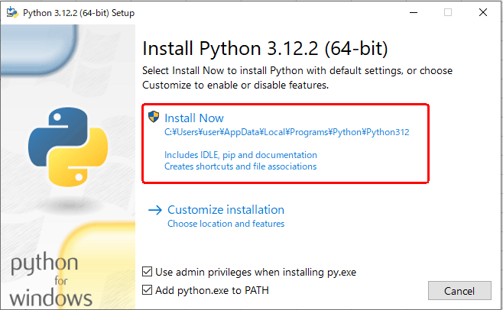

 | You can seen to Downloading Process in your window
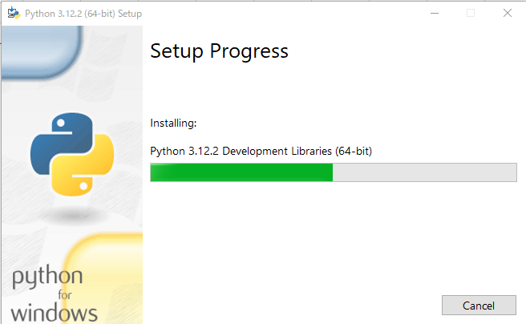

 | After Completed Download Process Click Close.
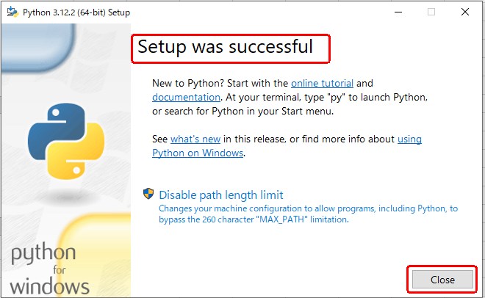

 | Open To Window SearchBar and commant on idle And Click Open



 | You click Open After You can eanable to see on Python Devlopment Tool
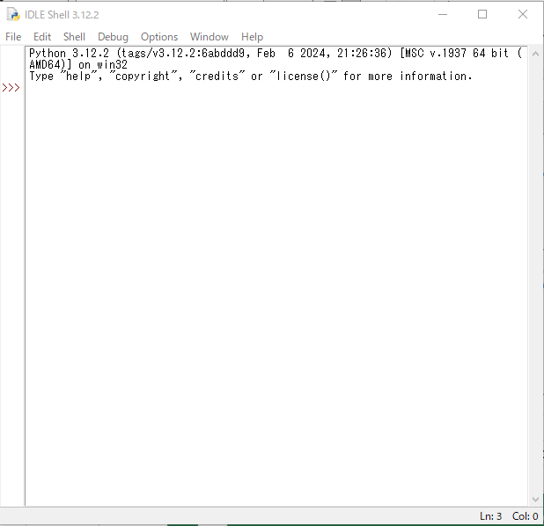

 | Run Check : Tyoe on following code for your terminal
 |  | print("UserName")

 | After Enter To Aboue code after click Enter You can seen to following Output in your screen
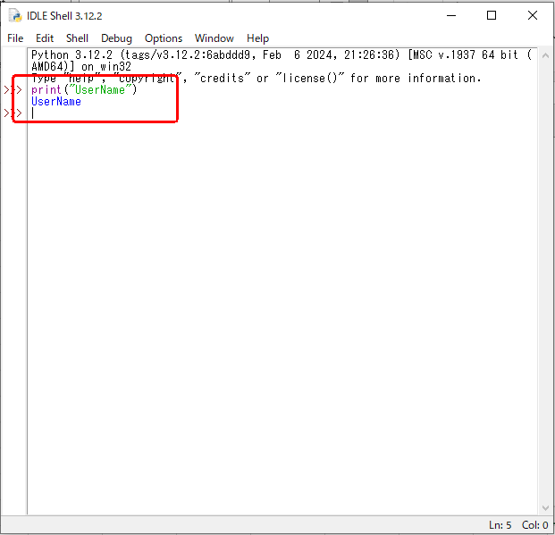

 |  | print Method

variables
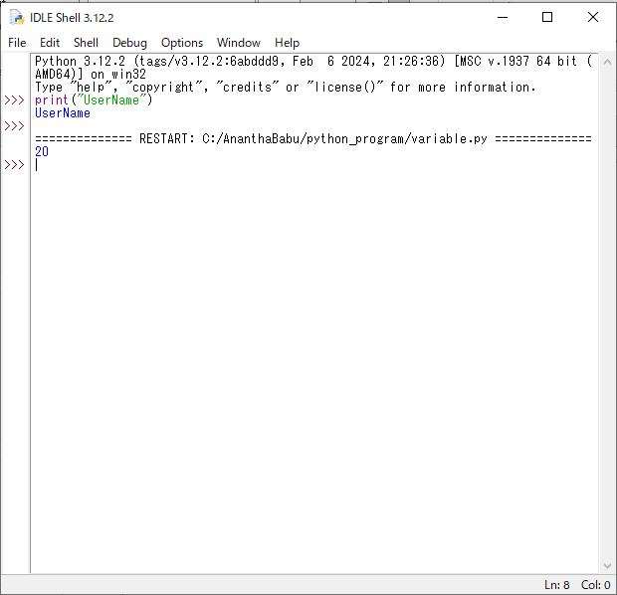
Storage container = Variable
Container Name = variable Name

 | First Click You terminal As Create new file

 | And You can seen to New Window
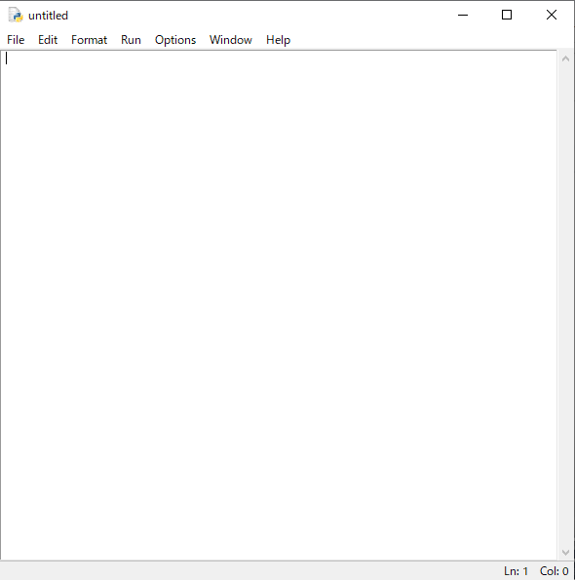

 | Click File → Save AS → Select Location → Ctrate Folder with set Name On Python → save to Name For Veriable
 |  | After Save File You can seen to file Name On .py
 |  | .py Is referance to The Pathon File.
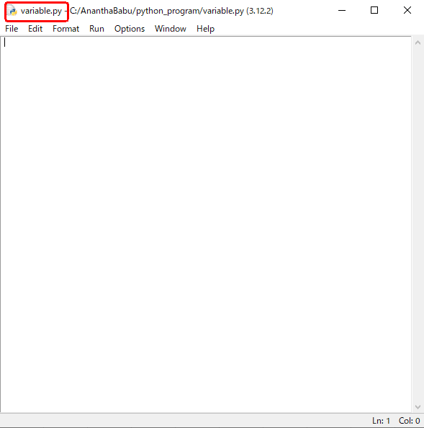

 | Write a Following Code
 |  | a=10
 |  | b=10
 |  | print(a+b)

 | Definsition :
 |  | a,b are variable name
 |  | q,b are Store value for 10.
 |  | print the value for addition to a,b
 |  | then the result Value For 10+10 = 20.

 | How to Run


 | After Click Run Module You can seen to followomg Output

dataType
Python consider to twoType
 | Number
 | String
Find With type(variable_name)
For Exapmle int
 | Check with previews program I would change change some common changes
 |  | a=10
 |  | print(type(a))
 | Execute this two line For Python
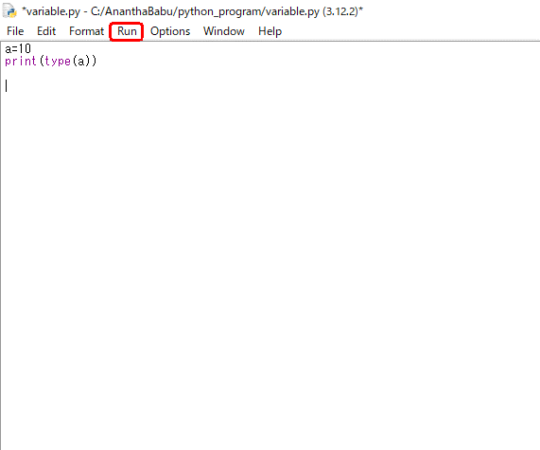

 | The Output is
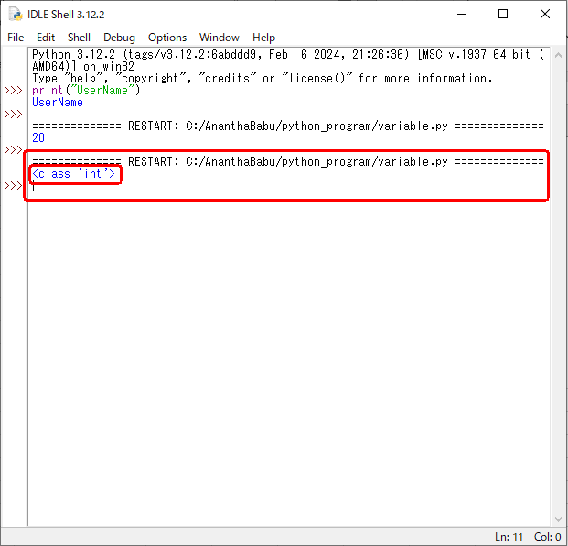

 |  | The Type is consider to int type ,python is automatically regaganished for that type
 |  |  | <class 'int'>
 |  |  | This line int is a data Type
For Example String
 | Check with previews program I would change change some common changes
 |  | a="User"
 |  | print(type(a))
 | Execute this two line For Python using Click R5 also Run The project
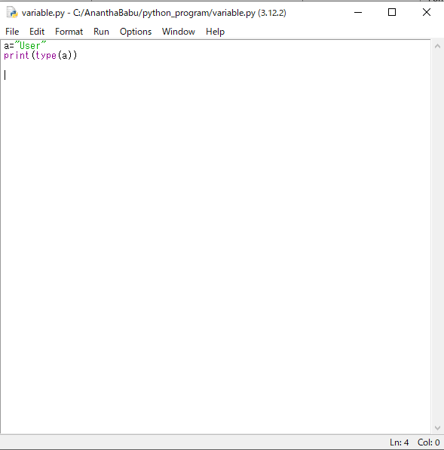

 |  | Click R5 After See to following image

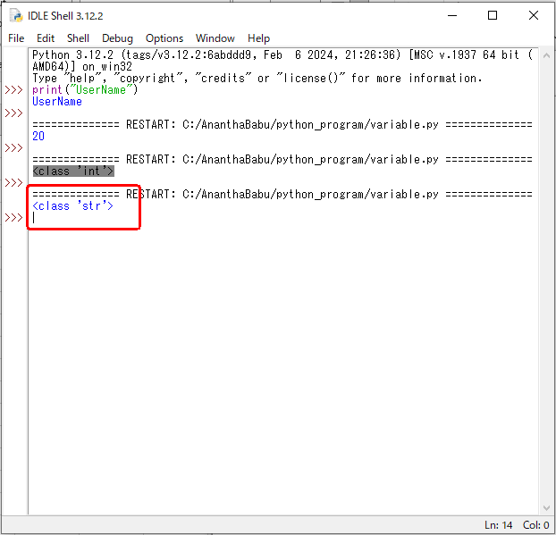

 |  | The Type is consider to String type ,python is automatically regaganished for that type
 |  |  | <class 'str'>
 |  |  | This line in String so the data Type is show on str

Operator
Operator:
 | In Python programming, Operators in general are used to perform operations on values and variables.
 |  | OPERATORS: These are the special symbols. Eg- + , * , /, etc.
 |  | OPERAND: It is the value on which the operator is applied.

 | Types of Operators in Python
 |  | 1. Arithmetic Operators
 |  | 2. Comparison Operators
 |  | 3. Logical Operators
 |  | 4. Bitwise Operators
 |  | 5. Assignment Operators
 |  | 6. Identity Operators and Membership Operators

 | 1. Arithmetic Operators in Python
 | There are 7 arithmetic operators in Python. The lists are given below:
 |  | Operator | Description | Syntax
 |  | + | Addition: adds two operands | x + y
 |  | – | Subtraction: subtracts two operands | x – y
 |  | * | Multiplication: multiplies two operands | x * y
 |  | / | Division (float): divides the first operand by the second | x / y
 |  | // | Division (floor): divides the first operand by the second | x // y
 |  | % | Modulus: returns the remainder when the first operand is divided by the second | x % y
 |  | ** | Power (Exponent): Returns first raised to power second | x ** y

 |  | Precedence of Arithmetic Operators in Python
 |  |  | Let us see the precedence and associativity of Python Arithmetic operators.
 |  |  | Operator | Description | Associativity
 |  |  | ** | Exponentiation Operator | right-to-left
 |  |  | %, *, /, // | Modulos, Multiplication, Division, and Floor Division | left-to-right
 |  |  | +, – | Addition and Subtraction operators | left-to-right
 |  | Python Arithmetic Operators Examples
 |  |  | Addition Operator
 |  |  |  | In Python, + is the addition operator. It is used to add 2 values.

 |  |  |  |  | val1 = 2
 |  |  |  |  | val2 = 3

 |  |  |  |  | # using the addition operator
 |  |  |  |  | res = val1 + val2
 |  |  |  |  | print(res)

 |  |  |  | Output:
 |  |  |  |  | 5

 |  |  | Subtraction Operator
 |  |  |  | In Python, – is the subtraction operator. It is used to subtract the second value from the first value.
 |  |  |  |  | val1 = 2
 |  |  |  |  | val2 = 3

 |  |  |  |  | # using the subtraction operator
 |  |  |  |  | res = val1 - val2
 |  |  |  |  | print(res)

 |  |  |  | Output:
 |  |  |  |  | -1

 |  |  | Multiplication Operator
 |  |  |  | In Python, * is the multiplication operator. It is used to find the product of 2 values.
 |  |  |  |  | val1 = 2
 |  |  |  |  | val2 = 3

 |  |  |  |  | # using the multiplication operator
 |  |  |  |  | res = val1 * val2
 |  |  |  |  | print(res)

 |  |  |  | Output :
 |  |  |  |  | 6

 |  |  | Division Operator
 |  |  |  | In Python, / is the division operator. It is used to find the quotient when the first operand is divided by the second.
 |  |  |  |  | val1 = 3
 |  |  |  |  | val2 = 2

 |  |  |  |  | # using the division operator
 |  |  |  |  | res = val1 / val2
 |  |  |  |  | print(res)
 |  |  |  | Output:
 |  |  |  |  | 1.5

 |  |  | Modulus Operator
 |  |  |  | In Python, % is the modulus operator. It is used to find the remainder when the first operand is divided by the second.
 |  |  |  |  | val1 = 3
 |  |  |  |  | val2 = 2

 |  |  |  |  | # using the modulus operator
 |  |  |  |  | res = val1 % val2
 |  |  |  |  | print(res)

 |  |  |  | Output:
 |  |  |  |  | 1

 |  |  | Exponentiation Operator
 |  |  |  | In Python, ** is the exponentiation operator.
 |  |  |  | It is used to raise the first operand to the power of the second.
 |  |  |  |  | val1 = 2
 |  |  |  |  | val2 = 3

 |  |  |  |  | # using the exponentiation operator
 |  |  |  |  | res = val1 ** val2
 |  |  |  |  | print(res)
 |  |  |  | Definsition
 |  |  |  |  | val1 is value
 |  |  |  |  | val2 is define to multiplication size.
 |  |  |  | The output For 2**3
 |  |  |  | 2*2*2 = 8

 |  |  |  | another val1 =5,Val2 =2
 |  |  |  | It is reflat to 5*5 = 25

 |  |  | Floor Division Operator
 |  |  |  | In Python, // is used to conduct the floor division.
 |  |  |  | It is used to find the floor of the quotient when the first operand is divided by the second.
 |  |  |  |  | val1 = 3
 |  |  |  |  | val2 = 2

 |  |  |  |  | # using the floor division
 |  |  |  |  | res = val1 // val2
 |  |  |  |  | print(res)
 |  |  |  | Output:
 |  |  |  |  | 1

 | 2.Relational Operators in Python
 |  | Relational operators are used for comparing the values.
 |  | It either returns True or False according to the condition.
 |  | These operators are also known as Comparison Operators.
 |  | Operator | Description | Syntax
 |  | > | Greater than: True if the left operand is greater than the right | x > y
 |  | < | Less than: True if the left operand is less than the right | x < y
 |  | == | Equal to: True if both operands are equal | x == y
 |  | != | Not equal to – True if operands are not equal | x != y
 |  | >= | Greater than or equal to: True if left operand is greater than or equal to the right | x >= y
 |  | <= | Less than or equal to: True if left operand is less than or equal to the right | x <= y

 |  | Now Let’s see each Relational Operator one by one.
 |  | 1) Greater than: This operator returns True if the left operand is greater than the right operand.
 |  |  | Syntax:
 |  |  |  | x > y
 |  |  | Example:
 |  |  |  | a = 9
 |  |  |  | b = 5

 |  |  |  | # Output
 |  |  |  | print(a > b)
 |  |  | Output:
 |  |  |  | True

 |  | 2) Less than: This operator returns True if the left operand is less than the right operand.
 |  |  | Syntax:
 |  |  |  | x < y
 |  |  | Example:
 |  |  |  | a = 9
 |  |  |  | b = 5

 |  |  |  | # Output
 |  |  |  | print(a < b)
 |  |  | Output:
 |  |  |  | False

 |  | 3) Equal to: This operator returns True if both the operands are equal i.e. if both the left and the right operand are equal to each other.
 |  |  | Syntax:
 |  |  |  | x == y
 |  |  | Example:
 |  |  |  | a = 9
 |  |  |  | b = 5

 |  |  |  | # Output
 |  |  |  | print(a == b)
 |  |  | Output:
 |  |  |  | False

 |  | 4) Not equal to: This operator returns True if both the operands are not equal.
 |  |  | Syntax:
 |  |  |  | x != y
 |  |  | Example:
 |  |  |  | a = 9
 |  |  |  | b = 5

 |  |  |  | # Output
 |  |  |  | print(a != b)
 |  |  | Output:
 |  |  |  | True

 |  | 5) Greater than or equal to: This operator returns True if the left operand is greater than or equal to the right operand.
 |  |  | Syntax:
 |  |  |  | x >= y
 |  |  | Example:
 |  |  |  | a = 9
 |  |  |  | b = 5

 |  |  |  | # Output
 |  |  |  | print(a >= b)
 |  |  | Output:
 |  |  |  | True

 |  | 6) Less than or equal to: This operator returns True if the left operand is less than or equal to the right operand.
 |  |  | Syntax:
 |  |  |  | x <= y
 |  |  | Example:
 |  |  |  | a = 9
 |  |  |  | b = 5

 |  |  |  | # Output
 |  |  |  | print(a <= b)
 |  |  | Output:
 |  |  |  | false

 | 3.Logical operators in Python
 |  | In Python, Logical operators are used on conditional statements (either True or False). They perform Logical AND, Logical OR, and Logical NOT operations.
 |  | OPERATOR | DESCRIPTION | SYNTAX | Example
 |  | and | Returns True if both the operands are true | x and y | x>7 and x>10
 |  | or | Returns True if either of the operands is true | x or y | x<7 or x>15
 |  | not | Returns True if the operand is false | not x | not(x>7 and x> 10)

 |  | Truth Table for Logical Operators in Python

 |  | Logical AND operator in Python
 |  |  | The logical AND operator returns True if both the operands are True else it returns False.
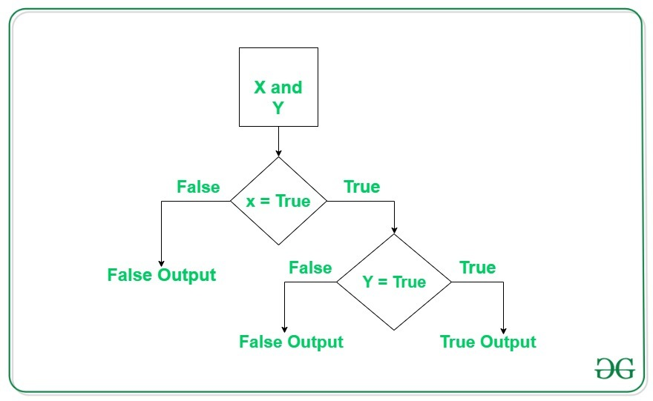

 |  | Logical AND operator in Python Examples:
 |  |  | Let’s look at some Python AND operator programs, and understand the workings of AND operator.
 |  |  | Example 1:
 |  |  |  | # Python program to demonstrate
 |  |  |  | # logical and operator
 |  |  |  | a = 10
 |  |  |  | b = 10
 |  |  |  | c = -10
 |  |  |  | if a > 0 and b > 0:
 |  |  |  | print("The numbers are greater than 0")
 |  |  |  | if a > 0 and b > 0 and c > 0:
 |  |  |  | print("The numbers are greater than 0")
 |  |  |  | else:
 |  |  |  | print("Atleast one number is not greater than 0")

 |  |  | Output

 |  |  | Example 2:
 |  |  |  | # Python program to demonstrate
 |  |  |  | # logical and operator
 |  |  |  | a = 10
 |  |  |  | b = 12
 |  |  |  | c = 0
 |  |  |  | if a and b and c:
 |  |  |  | print("All the numbers have boolean value as True")
 |  |  |  | else:
 |  |  |  | print("Atleast one number has boolean value as False")

 |  |  | Output

 |  |  | Note: If the first expression is evaluated to be false while using the AND operator, then the further expressions are not evaluated.

 |  | Logical OR operator in Python
 |  |  | Let’s look at some Python OR operator program to understand it’s workings
 |  |  | Example 1:
 |  |  |  | # Python program to demonstrate
 |  |  |  | # logical or operator
 |  |  |  | a = 10
 |  |  |  | b = -10
 |  |  |  | c = 0
 |  |  |  | if a > 0 or b > 0:
 |  |  |  | print("Either of the number is greater than 0")
 |  |  |  | else:
 |  |  |  | print("No number is greater than 0")
 |  |  |  | if b > 0 or c > 0:
 |  |  |  | print("Either of the number is greater than 0")
 |  |  |  | else:
 |  |  |  | print("No number is greater than 0")
 |  |  | Output

 |  |  | Example 2:
 |  |  |  | # Python program to demonstrate
 |  |  |  | # logical and operator
 |  |  |  | a = 10
 |  |  |  | b = 12
 |  |  |  | c = 0
 |  |  |  | if a or b or c:
 |  |  |  | print("Atleast one number has boolean value as True")
 |  |  |  | else:
 |  |  |  | print("All the numbers have boolean value as False")
 |  |  | Output

 |  | Logical NOT operator in Python
 |  |  | The logical not operator works with a single boolean value. If the boolean value is True it returns False and vice-versa.
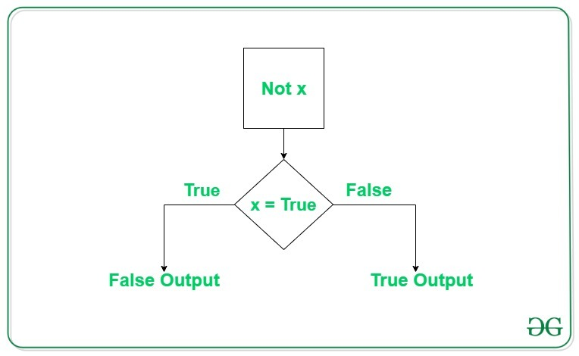

 |  |  | Logical NOT operator in Python Examples
 |  |  | Let’s look at this Python NOT operator program to understand its working.
 |  |  | Example:
 |  |  |  | # Python program to demonstrate
 |  |  |  | # logical not operator
 |  |  |  | a = 10

 |  |  |  | if not a:
 |  |  |  |  | print("Boolean value of a is True")
 |  |  |  | if not (a%3 == 0 or a%5 == 0):
 |  |  |  |  | print("10 is not divisible by either 3 or 5")
 |  |  |  | else:
 |  |  |  |  | print("10 is divisible by either 3 or 5")

 |  |  | Output

 | Operator 's are + , - , / , * , =

 | You Can able to operate addition,subraction, division And mutiplication using variable this calledas Opeation
 | Foe Example :
 |  | a = 10
 |  | b= 20
 |  | c = a+b
 |  | print(c)
 | Defintion :
 |  | a,b are variable Name and c also variable Name
 |  | But c is addtion for variable from a,b
 |  | this is declare as operarion process

 | Run Aboue Code For Terminal
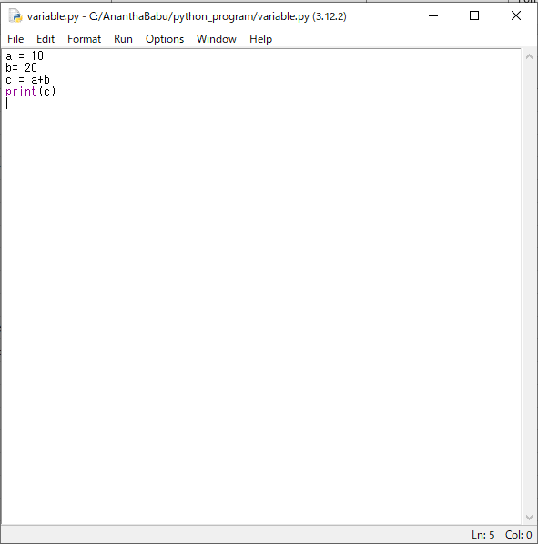

 | After Click R5
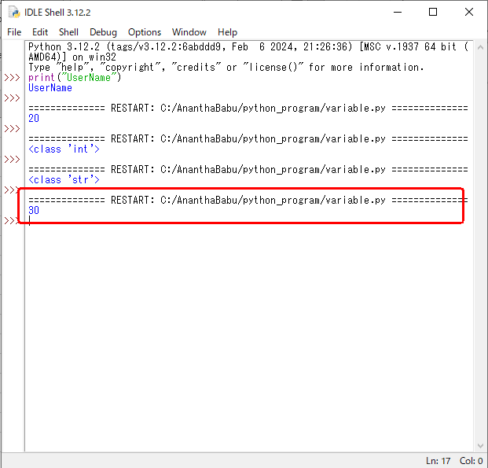

 |  | This c variable value for add a+b in 10+20 so,the output for 30 is show on terminal

Casting
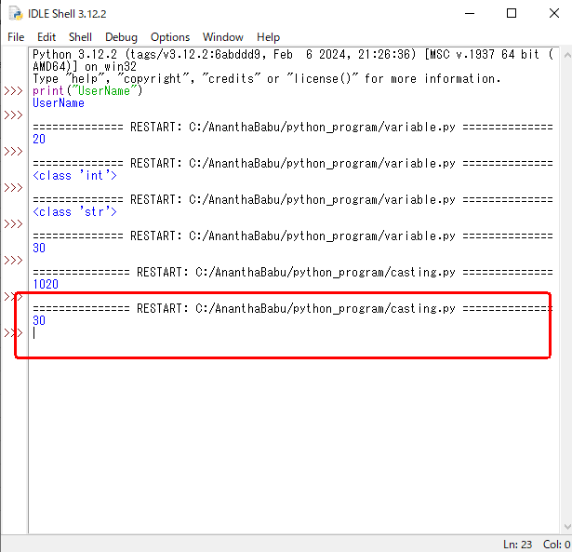
Casting
 | There may be times when you want to specify a type on to a variable.
 | This can be done with casting.
 | Python is an object-orientated language, and as such it uses classes to define data types, including its primitive types.

 | Casting in python is therefore done using constructor functions:
 |  | int() - constructs an integer number from an integer literal, a float literal (by removing all decimals), or a string literal (providing the string represents a whole number)
 |  | float() - constructs a float number from an integer literal, a float literal or a string literal (providing the string represents a float or an integer)
 |  | str() - constructs a string from a wide variety of data types, including strings, integer literals and float literals

 | Integers:
 |  | x = int(1) # x will be 1
 |  | y = int(2.8) # y will be 2
 |  | z = int("3") # z will be 3

 | Floats:
 |  | x = float(1) # x will be 1.0
 |  | y = float(2.8) # y will be 2.8
 |  | z = float("3") # z will be 3.0
 |  | w = float("4.2") # w will be 4.2

 | Strings:
 |  | x = str("s1") # x will be 's1'
 |  | y = str(2) # y will be '2'
 |  | z = str(3.0) # z will be '3.0'

 | Syntex:
 |  | "10"(String) => int("10") = 10

 | With Out Casting Example :
 |  | This code is consider to String variables, using addtion Operator
 |  |  | a = "10"
 |  |  | b="20"
 |  |  | c = a+b
 |  |  | print(c)

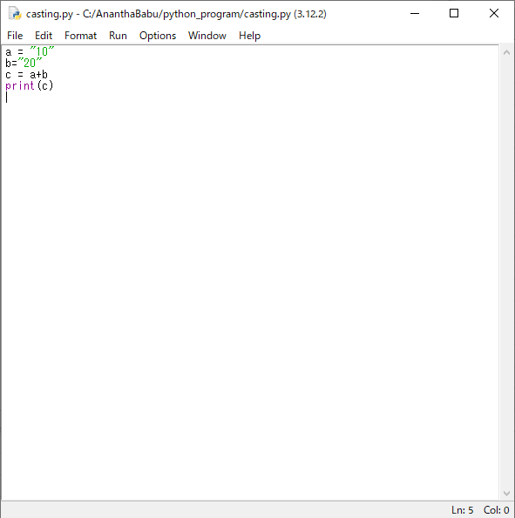

 |  | The Output for a,b both are consider as a string so,the output for add two string to show fro
 |  |  | "10"+"20" = "1020" for the following output
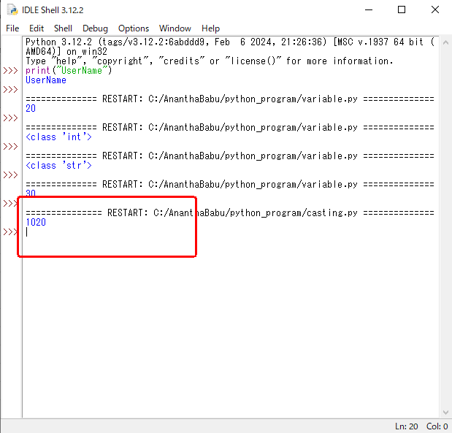

 | Casting Example :
 |  | Run The Following code
 |  |  | a = int("10")
 |  |  | b = int("20")
 |  |  | c = a+b
 |  |  | print(c)

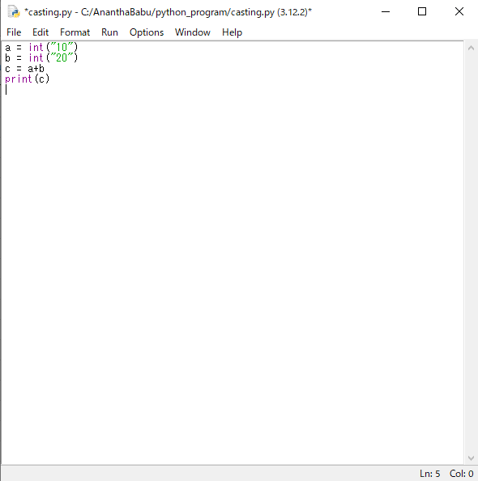

 |  | The Output for a,b both are consider as a string but,int method change the values are int so,the output for add two string to show from
 |  |  | int("10")+int("20") = "30" for the following output

INPUT IO
How to Get Input From USER?
 | In Python, we request user input using the input() function.
 | This set of code is requesting for user input, and will store it in the message variable.
 | Note: Inputs are automatically saved as strings.
 | For Example code:
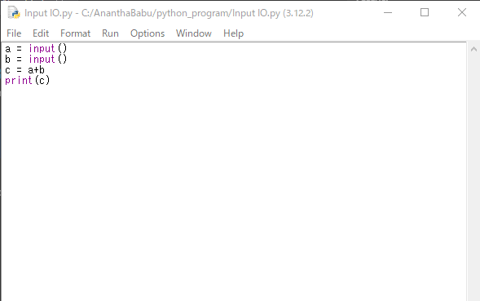
 |  | a = input()
 |  | b = input()
 |  | c = a+b
 |  | print(c)

 | OUTPUT :
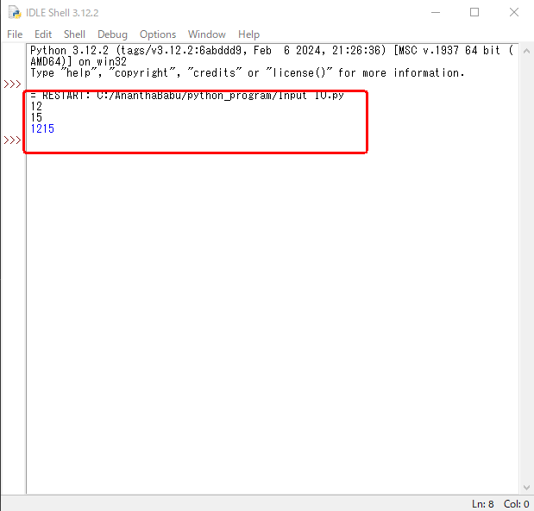

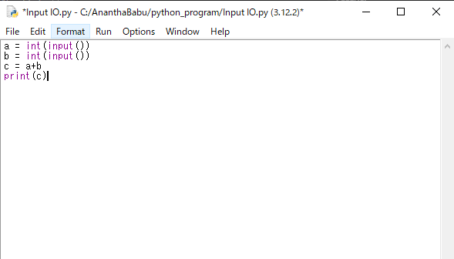
 | Therefore, always convert to integers before doing any math operators like addition / subtraction.
 | For Example code:
 |  | a = int(input())
 |  | b = int(input())
 |  | c = a+b
 |  | print(c)

 | OUTPUT :
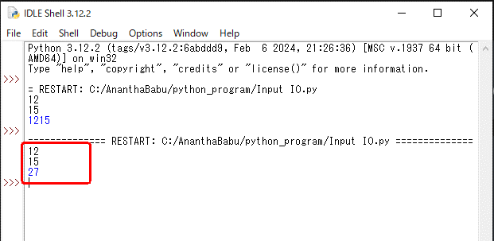

Try To Your self
1) | Get Input for variable name and age. Print it
 | Sample Input :
 |  | USER
 |  | 22
 | Sample Output :
 |  | "My Name Is : USER"
 |  | "My Age Is : 22"

 |  | After Complite Please check to following Link Code:
 |  |  | Answer Code for question 1

2) | Get Input for variable name, age and address. Print it
 | Sample Input :
 |  | USER
 |  | 22
 |  | Tirunelveli,Tamilnadu
 | Sample Output :
 |  | "My Name Is : USER"
 |  | "My Age Is : 22"
 |  | "My Address Is : Tirunelveli,Tamilnadu"

 |  | After Complite Please check to following Link Code:
 |  |  | Answer Code For Question 2

3) | Get Integer input for variable a,b,c.
 | Multiply all 3 variables(a*b*c)
 | Add all 3 variables(a+b+c)
 | Divide the Multiplied value by Added values
 | Print it.

 | Sample Input :
 |  | 2
 |  | 3
 |  | 4
 | Sample Output :
 |  | 2.6

4) | Get input for variable name , score,department
 | Get Score for 100;
 | Divide 100/10
 | Print it.

 | Sample Input :
 |  | "Enter User Name : " Ananth
 |  | "Enter User Score : " 65
 |  | "Enter User Department : " Computer
 | Sample Output :
 |  | "My Name Is Ananth"
 |  | My Score Is 6.5/10"
 |  | "My Department Is Computer"

 |  | After Complite Please check to following Link Code:
 |  |  | Answer Code For Question 4

IF ELSE
IF ELSE
 | In Python, the if-else statement is used to execute a block of code conditionally.
 | Here's the basic syntax:
 |  | if condition:
 |  | # Block of code to execute if the condition is True
 |  | else:
 |  | # Block of code to execute if the condition is False
 | Here's how it works:
 |  | The if statement checks a condition. If the condition evaluates to True, the code block immediately following the if statement is executed.
 |  | If the condition is False, the code block following the else statement is executed (if an else block is provided).
 |  | The else block is optional.
 |  | If omitted, the code block under the if statement will be executed if the condition is True, and nothing will be executed if the condition is False.

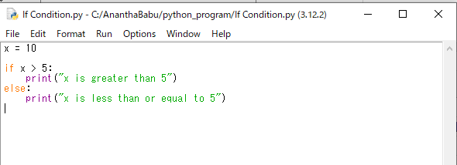
 | Here's a simple example:
 |  | x = 10

 |  | if x > 5:
 |  | print("x is greater than 5")
 |  | else:
 |  | print("x is less than or equal to 5")
 |  | In this example, if the value of x is greater than 5, it prints "x is greater than 5". Otherwise, it prints "x is less than or equal to 5".
 | Output :

 | Sample For Simple Programs :
 |  | If Statement run based on boolean conditon check
 |  | Sample 1 :
 |  |  |  | if(True):
 |  |  |  | print("Yes")
 |  |  |  | else :
 |  |  |  | print("No")

 |  |  | Output :

 |  | Sample 2 :
 |  |  | if(False):
 |  |  | print("Yes")
 |  |  | else :
 |  |  | print("No")

 |  |  | Output :

 |  | Sample 3 : |  | " == " is One of the Comparation Operator
 |  |  |  | print("win" == "win")
 |  |  | Output :

 |  | Sample 4 : |  | " == " is One of the Comparation Operator
 |  |  |  | print("win" == "winn")
 |  |  | Output :

 |  | Sample 5 :
 |  |  |  | rcb = "win"
 |  |  |  | if(rcb == "win"):
 |  |  |  | print("Ee sala cup namade")
 |  |  |  | else:
 |  |  |  | print("Valakam pola namaku cub illa")

 |  |  | Output :

 |  |  | If block or else block,only one of them will work according to the condition.

Try To Your self
 | 5) | Get User Input for variable meghna,If Meghna == "Died"
 |  | Print "Surya meets Priya"
 |  | Else "Surya weds Meghna"

 |  | After Complite Please check to following Link Code:
 |  |  | Answer Code For Question 5

 | 6) | Get User Input for variable mark,If mark >35, print pass, Else print Fail

 |  | Sample Input:
 |  |  | Mark:34
 |  | Sample Output :
 |  |  | "Fail"

 |  | After Complite Please check to following Link Code:
 |  |  | Answer Code For Question 6

 | 7) | Get input for variable income. If income is greaterthen 7000
 |  | Scolarship is available.
 |  | Else not Eligible for Schollarship

 |  | Sample Input:
 |  |  | Income : 7200
 |  | Sample Output :
 |  |  | "Not eligible For Scholarship"

 |  | After Complite Please check to following Link Code:
 |  |  | Answer Code For Question 7

Modulus operator
 | In Python, the % symbol is the modulus operator.
 | It returns the remainder of the division of the left operand by the right operand.
 | The purpose of using % in Python is to perform modulus arithmetic.

 | Here's a basic example:
 |  | result = 10 % 3
 |  | print(result) # Output will be 1

 |  | In this example, 10 % 3 calculates the remainder when 10 is divided by 3.
 |  | The result is 1 because 3 goes into 10 three times (3 * 3 = 9) with a remainder of 1.
 | The modulus operator is commonly used in programming for various purposes, such as:
 |  | Checking for divisibility:
 |  |  | You can determine whether one number is divisible by another if the remainder of their division is zero.
 |  | Performing cyclical operations:
 |  |  | For example, when you want to cycle through a sequence of values, such as days of the week or months of the year.
 |  | Handling indexing or wrapping:
 |  |  | Modulus can be used to ensure that an index stays within the bounds of an array or list.
 |  |  | For example, to wrap around when reaching the end of a circular buffer.

AnswerForQuestions
Question 1 : | Get Input for variable name and age. Print it
Answer:
 | Get Input for variable name and age.
 |  | name = input()
 |  | age = input()
 | Print it.
 |  | print("My Name is : "+name)
 |  | print("My Age Is :"+age)
 |  |  | (OR)
 |  | print("My Name is : ",name)
 |  | print("My Age Is :",age)

 | Answer Code:
 |  | name = input()
 |  | age = input()
 |  | print("My Name is : ", name)
 |  | print("My Age Is :", age)

 | OUTPUT:
 |  | Enter Name and click Enter
 |  | Enter Age and click enter
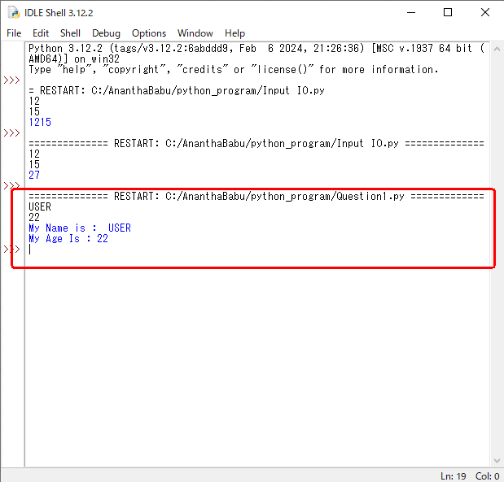

Question 2 : | Get Input for variable name, age and address. Print it
Answer:
 | Get Input for variable name, age and address.
 |  | name = input()
 |  | age = input()
 |  | address = input()
 | Print it
 |  | print("My Name is : "+name)
 |  | print("My Age Is :"+age)
 |  | print("My Address Is :"+ address)
 |  |  | (OR)
 |  | print("My Name is : ",name)
 |  | print("My Age Is :",age)
 |  | print("My Address Is :", address)

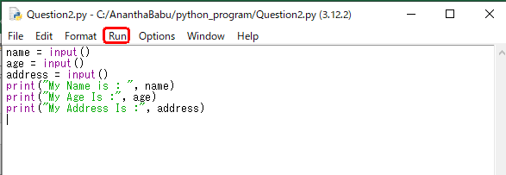
 | Answer Code:
 |  | name = input()
 |  | age = input()
 |  | address = input()
 |  | print("My Name is : ", name)
 |  | print("My Age Is :", age)
 |  | print("My Address Is :", address)

 | OUTPUT:
 |  | Enter Name and click Enter
 |  | Enter Age and click enter
 |  | Enter Address and click enter
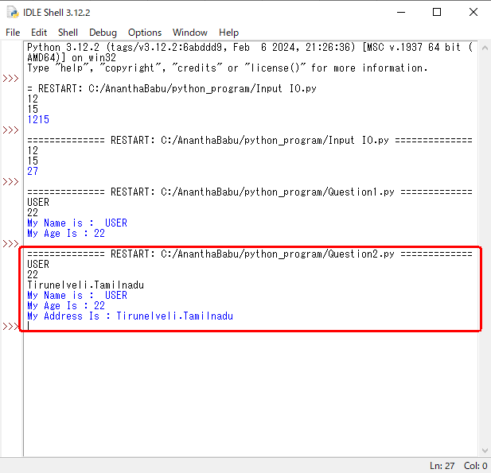

Question 3 : | Get Integer input for variable a,b,c.
 | Multiply all 3 variables(a*b*c)
 | Add all 3 variables(a+b+c)
 | Divide the Multiplied value by Added values
 | Print it.
Answer:
 | Step 1: | Get Integer input for variable a,b,c.
 |  | a = int(input())
 |  | b = int(input())
 |  | c = int(input())

 | Step 2: | Multiply all 3 variables(a*b*c)
 |  | multi = a*b*c

 | Step 3: | Add all 3 variables(a+b+c)
 |  | addtion = a+b+c

 | Step 4: | Divide the Multiplied value by Added values
 |  | division = multi/addtion

 | Step 5: | Print it.
 |  | print(division)

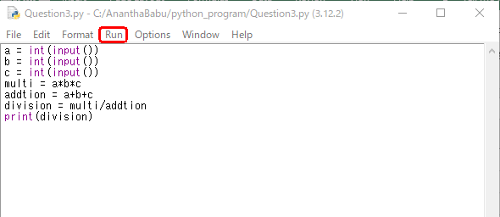
 | Answer Code:
 |  | a = int(input())
 |  | b = int(input())
 |  | c = int(input())
 |  | multi = a*b*c
 |  | addtion = a+b+c
 |  | division = multi/addtion
 |  | print(division)

 | OUTPUT:
 |  | Enter a value and click Enter
 |  | Enter b Value and click enter
 |  | Enter c value and click enter
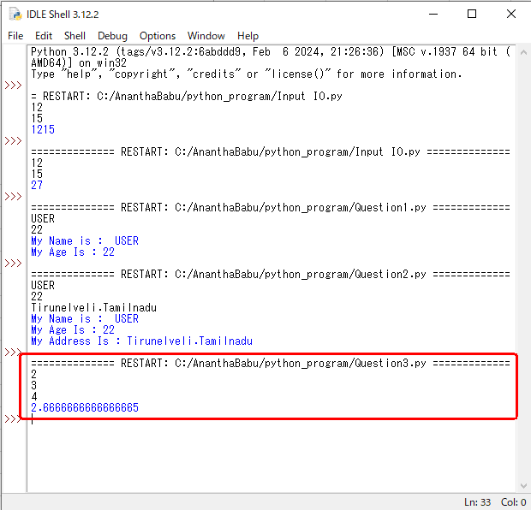

 | Output Explanation:
 |  | 2*3*4 = 24
 |  | 2+3+4 = 9
 |  | 24/9 = 2.6

Question 4 : | Get input for variable name , score,department
 | Get Score for 100;
 | Divide 100/10
 | Print it.

Answer: | Get input for variable name , score,department
 |  | name = input("Enter User Name : " )
 |  | score =int(input("Enter User Score : "))
 |  | department = input("Enter User Department : ")
 | Get Score for 100;
 |  | Input Value is lessthen or equal for 100.
 | Divide 100/10
 |  | divided_score = score/10
 | Print it.
 |  | print("My Name Is ",name)
 |  | print("My Score Is",divided_score,"/10")
 |  | print("My Department Is ",department)

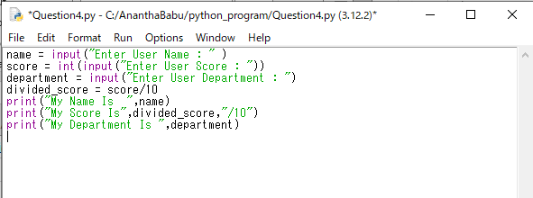
 | Answer Code:
 |  | name = input("Enter User Name : " )
 |  | score = int(input("Enter User Score : "))
 |  | department = input("Enter User Department : ")
 |  | divided_score = score/10
 |  | print("My Name Is ",name)
 |  | print("My Score Is",divided_score,"/10")
 |  | print("My Department Is ",department)

 | OUTPUT:
 |  | Enter namevalue and click Enter
 |  | Enter score Value and click enter
 |  | Enter department value and click enter

Question 5 : | Get User Input for variable meghna,If Meghna == "Died"
 | Print "Surya meets Priya"
 | Else "Surya weds Meghna"

Answer: | Get User Input for variable meghna
 |  | maghna = input()
 | If Meghna == "Died"
 |  | if(maghna== "Died") :
 | Print "Surya meets Priya"
 |  | Print("Surya meets Priya")
 | Else "Surya weds Meghna"
 |  | else:
 |  | print("Surya Weds Meghna")

 | Answer Code:
 |  | maghna = input("Meghna Died Or Not : ")
 |  | if(maghna == "Died"):
 |  | print("Surya Meets priya")
 |  | else:
 |  | print("Surya Weds Meghna")

 | OUTPUT:
 |  | Enter "Died" in python Editor

 |  | Not Enter "Died" type to any other Text in python Editor

Question 6 : | Get User Input for variable mark,If mark >35, print pass, Else print Fail

Answer: | Get User Input for variable mark
 |  | mark = input()
 | If mark >35
 |  | if(mark > 35):
 | print pass
 |  | print("Pass")
 | Else print Fail
 |  | else:
 |  | print("Fail")

 | Answer Code:
 |  | mark =int(input("Mark :")) |  |  | // mark compare to greater check So It will be consider as Integer
 |  | if(mark > 35):
 |  | print("Pass")
 |  | else:
 |  | print("Fail")

 | OUTPUT:
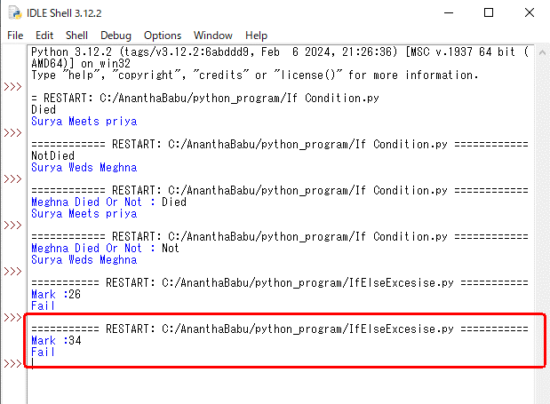
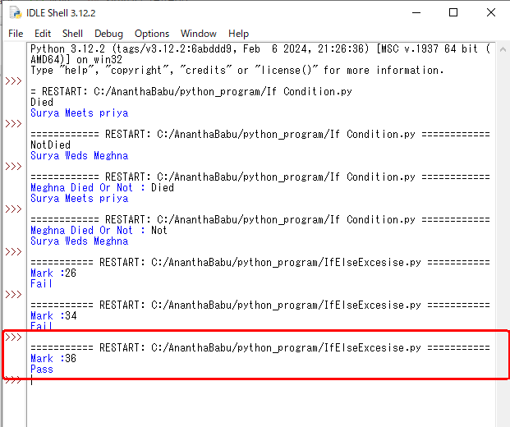

 |  |  |  |  |  |  | run again file

Question 7 : | Get input for variable income. If income is greaterthen 7000
 | Scolarship is available.
 | Else not Eligible for Schollarship

Answer: | Get input for variable income.
 |  | income = input() |  | // create a veriable For income
 | If income is greaterthen 7000
 |  | if(income >7000): |  | // Check income is greater then 7000
 | If income is greaterthen 7000 print Scolarship is available.
 |  | print("Scolarship is available") |  |  |  | // if condition is true print this
 | Else not Eligible for Schollarship
 |  | else: |  |  |  | // if condition not satisfied print this
 |  | print("Not eligible For Scolarship")

 | Answer Code:
 |  | income= int(input("Income Is : "))
 |  | if(income>7000):
 |  | print("Scolarship is available")
 |  | else:
 |  | print("Not eligible For Scolarship")

 | OUTPUT:
 |  | Enter income Is ; 7001

 |  | Else Enter Income Is : 6500

