Sheet1
Cisco Installation
 | LINK : | https://olemiss.edu/helpdesk/vpn/windows.html

Step 1

Step 2

Step 3

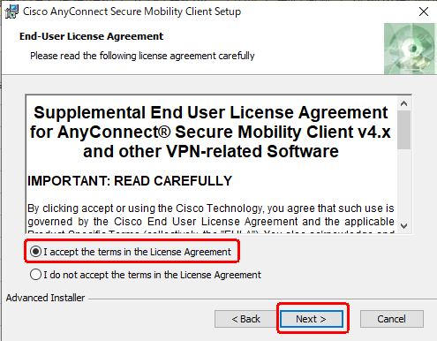

 | select the I accept radioButton and click next

Step 4
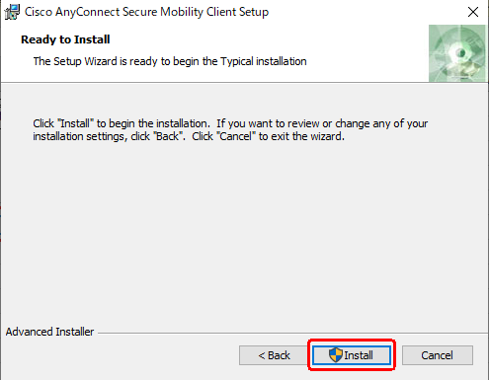

 | 1. Click Install
 | 2. click はい in the popup

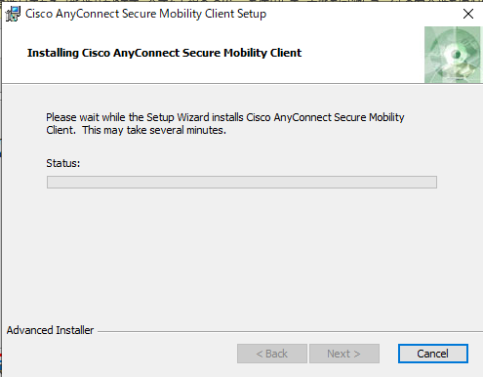

Step 5

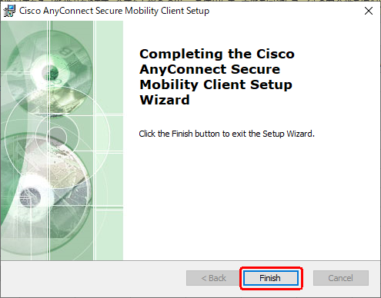

Step 6
 | Open Cisco from start menu

Step 7

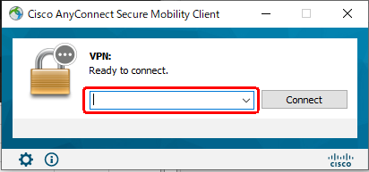

 | Paste the given below link
 |  | wakayama-wired-hzjntwtvvr.dynamic-m.com

 | Now click the connect button

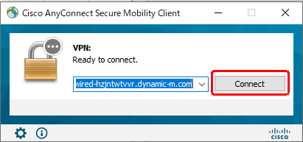

 |  |  |  | UserNames and Password

 | UserName: |  | raseen_f@microbit.co.jp | Email : mailto:madona_m@microbit.co.jp
 | Pass: |  | Mdraseen123@ | Password : madona@0507

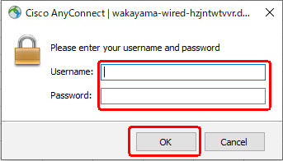
 |  |  |  | Email: mailto:raseen_f@microbit.co.jp
 |  |  |  | Password: Mdraseen123@

 |  |  |  | Email : mailto:anish@proposal.co.jp
 |  |  |  | Password: 6rEh2npx

 |  |  |  | userId : mailto:sastha@proposal.co.jp
 |  |  |  | Password: 8aZnqwt5

 |  |  |  | userId : mailto:a.asir@proposal.co.jp
 |  | Click accept |  | password : Samasir@26

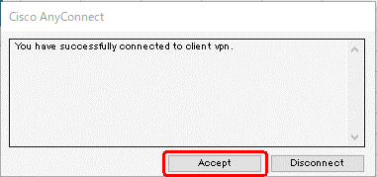
 |  |  |  | Email: mailto:v-raja@proposal.co.jp
 |  |  |  | Password : mbVignesh

 |  | Paste this link in chrome or any Browser
 |  | Test Link: | http://10.128.0.11/login/

