Sheet2
Struts2
The struts 2 framework is used to develop MVC-based web application
Struts framework:
It is used to develop Model-View-Controller (MVC) architecture based web applications.

MVC

Struts is an open source framework that extends the Java Servlet API and employs a Model, View, Controller (MVC) architecture.

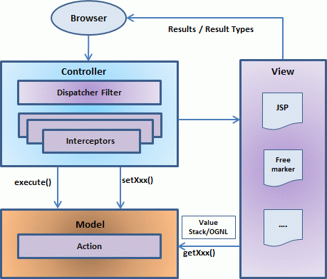

 |  | Struts 2 Features

Struts 2 Features

Struts 2 provides many features that were not in struts 1. The important features of struts 2 framework are as follows:

1) | Configurable MVC components
2) | POJO based actions
3) | AJAX support
4) | Integration support
5) | Various Result Types
6) | Various Tag support
7) | Theme and Template suppor

1) Configurable MVC components

In struts 2 framework, we provide all the components (view components and action) information in struts.xml file
If we need to change any information, we can simply change it in the xml file.

2) POJO based actions

In struts 2, action class is POJO (Plain Old Java Object) i.e. a simple java class. Here, you are not forced to implement any interface or inherit any class.

3) AJAX support

Struts 2 provides support to ajax technology. It is used to make asynchronous request i.e. it doesn't block the user
It sends only required field data to the server side not all. So it makes the performance fast.

4) Integration Support

We can simply integrate the struts 2 application with hibernate, spring, tiles etc. frameworks.

5) Various Result Types

We can use JSP, freemarker, velocity etc. technologies as the result in struts 2.
JSP
Jakarta Server Pages (JSP; formerly JavaServer Pages)

6) Various Tag support

Struts 2 provides various types of tags such as UI tags, Data tags, control tags etc to ease the development of struts 2 application.

7) Theme and Template support

Struts 2 provides three types of theme support: xhtml, simple and css_xhtml.
The xhtml is default theme of struts 2. Themes and templates can be used for common look and feel.

Model 1 and Model 2 (MVC) Architecture

1 | Model 1 Architecture
2 | Model 2 (MVC) Architecture

Model 1 Architecture

Servlet and JSP are the main technologies to develop the web applications.
Problem in Servlet technology

Advantage of Model 1 Architecture

Easy and Quick to develop web application

Disadvantage of Model 1 Architecture

Navigation control is decentralized
Time consuming
Hard to extend

