Document
Pagage Name : | com.lowagie.text.Document
Referance Link: | http://www.java2s.com/example/java-api/com/itextpdf/text/pagesize/a4-35.html#google_vignette

Page Setup :
 | new Document(PageSize.A4, 36, 36, 30, 20);

 | PageSize.A4 | ⇒ | Page Size
 | 36 | ⇒ | Top margine
 | 36 | ⇒ | Right margin
 | 30 | ⇒ | Bottom margin
 | 20 | ⇒ | Left margin

Page Size :
 | This project we can use to only A4 Page Size, That will be separate to two types,there are follow
 | 1.PageSize.A4
 | 2.PageSize.A4.rotate()

 | 1.PageSize.A4 : | ⇒ | PORTRAIT
 | 2.PageSize.A4.rotate() | ⇒ | LANDSCAPE

Type Of Method :
 | Common Using Methods On Document :
 |  | Open()
 |  | isOpen()
 |  | close()
 |  | add()
 |  | newPage()
 |  | setPageSize()
 |  | setMargins()

 | Open()
 |  | The line document.open(); is used to open the document for writing content.
 |  | In the iText library, the open() method is called on a Document object to start adding content to the document.

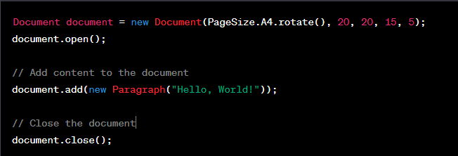

 | isOpen()
 |  | The document.isOpen() method is used to check whether the document is currently open for writing content or not.
 |  | It returns a boolean value indicating the open status of the document.

 | close()
 |  | The document.close() method is used to close the document after you have finished adding content.
 |  | When you call document.close(), it finalizes the document, saves it, and releases any resources associated with it.
 |  | Closing the document is an important step to ensure that all the content is properly written and the document is ready for further processing or viewing.

 |  | For example:
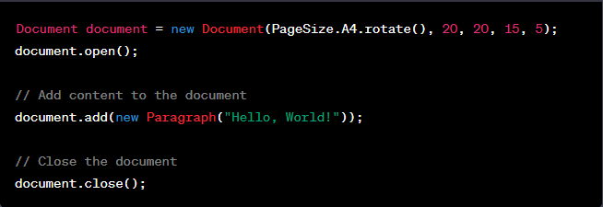

 |  |  | In this example, after opening the document with document.open(), a "Hello, World!" paragraph is added to the document using the add() method.
 |  |  | Finally, document.close() is called to close the document.
 |  |  | It is important to note that once you have closed the document using document.close(), you cannot add any further content to it. If you need to add more content, youwill have to create a new instance of the Document class and open it again using It is important to note that once you have closed the document using document.close(), you cannot add any further content to it. If you need to add more content, you will have to create a new instance of the Document class and open it again using document.open().

 | add()
 |  | The document.add() method is used to add content to the document.
 |  | It allows you to insert various elements such as text, images, tables, and other components into the PDF document.
 |  | For example:
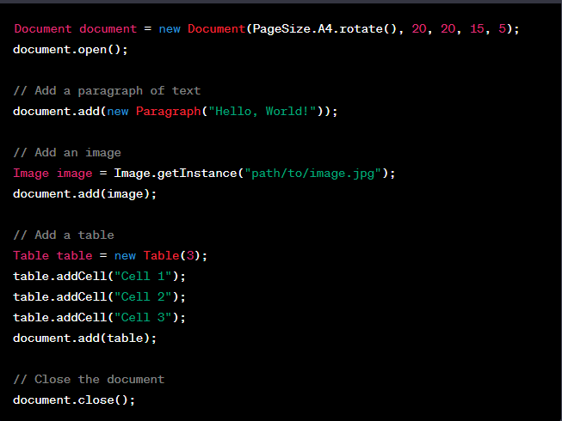

 |  |  | // Add an image
 |  |  | Image image = Image.getInstance("path/to/image.jpg");
 |  |  | document.add(image);
 |  |  |  | An image is added using the Image class.
 |  |  |  | The path to the image file is provided as a parameter to Image.getInstance(), and the resulting image object is added to the document using document.add().
 |  |  | // Add a table
 |  |  | Table table = new Table(3);
 |  |  | table.addCell("Cell 1");
 |  |  | table.addCell("Cell 2");
 |  |  | table.addCell("Cell 3");
 |  |  | document.add(table);
 |  |  |  | A table is added using the Table class.
 |  |  |  | The table is initialized with 3 columns, and cells with content are added to each column using table.addCell().
 |  |  |  | Finally, the table is added to the document using document.add().

 | newPage()
 |  | The document.newPage() method is used to start a new page in the document.
 |  | When you call document.newPage(), it creates a new page and continues adding content from the top of the new page.

 |  | Here's an example of how you can use document.newPage() to start a new page in the document:
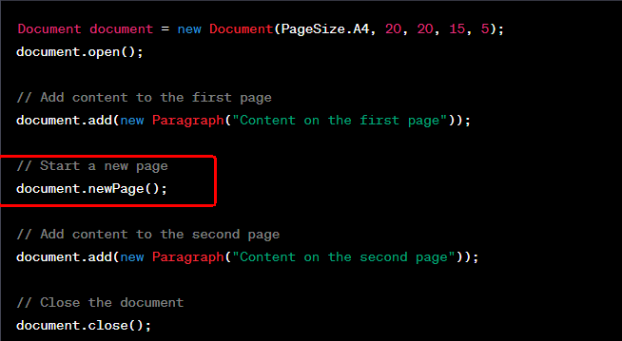

 |  |  | In this example, after opening the document with document.open(), content is added to the first page using document.add().
 |  |  | Then, document.newPage() is called to start a new page.
 |  |  | After that, content is added to the second page using document.add().
 |  |  | Finally, the document is closed with document.close().
 |  |  | By using document.newPage(), you can control the layout of your document and insert page breaks at specific points to organize your content across multiple pages.

 | setPageSize()
 |  | In iText, the page size is typically set during the creation of the Document object by passing the desired PageSize to its constructor.
 |  | For example :
 |  |  | document.setPageSize(PageSize.A4.rotate());
 |  |  | In this example, PageSize.A4.rotate() specifies the page size as A4 in landscape orientation.
 |  |  | The rotate() method is called on the A4 constant to rotate the page by 90 degrees.
 |  |  | If you want to change the page size after creating the Document object, you would need to create a new Document instance with the desired page size.

 | setMargins()
 |  | The document.setMargins() method is used to set the margins of the document.
 |  | It allows you to specify the size of the top, right, bottom, and left margins for the pages in the document.
 |  | For example :

 |  | In this example, a new Document object is created with PageSize.A4 as the page size and initial margins of 20 points on all sides.
 |  | Then, the document.setMargins() method is called to set the margins to 30 points for the top margin, 40 points for the right margin, 50 points for the bottom margin, and 60 points for the left margin.
 |  | By adjusting the values passed to document.setMargins(), you can control the spacing and layout of your document's content within the specified margins

 |  | They are using splite to use setMargins()
 |  |  | top() | ⇒ | set TopMargins for page.
 |  |  | left() | ⇒ | set LeftMargins for page.
 |  |  | right() | ⇒ | set RightMargins for page.
 |  |  | buttom() | ⇒ | set ButtomMargins for page.
 |  |  | for example :

Table
Pagage Name : | com.lowagie.text.Table
Referance Link: | https://www.tabnine.com/code/java/classes/com.lowagie.text.Table
Introduction :
 | The com.lowagie.text.Table class is used to create tables in a PDF document using the iText library.
 | It allows you to define and manage tables with rows and columns.
 | com.lowagie.text.Table is part of an older version of iText (iText 2.x)
 | components and methods associated with the Table class:
 | Rows and Cells:
 |  | A table consists of rows (com.lowagie.text.Row) that contain cells (com.lowagie.text.Cell).
 |  | You can add rows to the table using the addRow() method, and add cells to rows using the addCell() method.
 |  | Cells can contain text or other elements such as images or nested tables.
 | Table Properties:
 |  | The Table class provides various methods to customize the table's appearance and behavior, such as setting the number of columns, width, alignment, padding, and borders.
 |  | Some commonly used methods include setColumns() to set the number of columns, setWidths() to define the column widths, setAlignment() to set the table alignment, and setBorder() to apply borders to the table.
 | Cell Properties:
 |  | The Cell class provides methods to customize the appearance of individual cells within the table, such as setting content, font, alignment, padding, and borders.
 |  | You can use methods like setHorizontalAlignment(), setVerticalAlignment(), setPadding(), and setBorder() on the Cell objects to adjust their properties.

 | Componends Of Using Project:
 |  | setWidth(100f);
 |  | setWidths( new float[] {17f,83f} );
 |  | setBorder(Rectangle.NO_BORDER);
 |  | setDefaultCellBorder(Rectangle.NO_BORDER);
 |  | setDefaultHorizontalAlignment(Element.ALIGN_CENTER);
 |  | setDefaultVerticalAlignment(Element.ALIGN_MIDDLE);
 |  | setPadding(1.0f);
 |  | addCell(Cell);
 |  | setOffset(1);

 |  | setWidth()
 |  |  | The setWidth() method is used to set the width of a table in the com.lowagie.text.Table class.
 |  |  | The method takes a float value representing the desired width of the table.
 |  |  | In the context of com.lowagie.text.Table, the width can be specified in various units such as points, inches, centimeters, or percentages of the available space.
 |  |  | For example :

 |  |  |  | In the example above, we create a Table object with 5 columns using new Table(5).
 |  |  |  | Then, we use the setWidth() method to set the width of the table to 100f points.
 |  |  |  | This means the table will have a fixed width of 100 points.
 |  |  |  | You can specify the width value according to your requirements, using other units such as inches (100f * 72 for 100 inches), centimeters (100f * 72 / 2.54 for 100 centimeters), or percentages (100f * availableWidthPercentage / 100 for a specific percentage of the available width).

 |  |  |  | If you need to set specific widths for individual columns, you can use methods like setWidths() or setWidthPercentage() on the Table object.

 |  | setWidths()
 |  |  | The setWidths() method in the com.lowagie.text.Table class is used to set the widths of individual columns within a table.
 |  |  | It takes a float array as a parameter, where each element represents the desired width of a column.
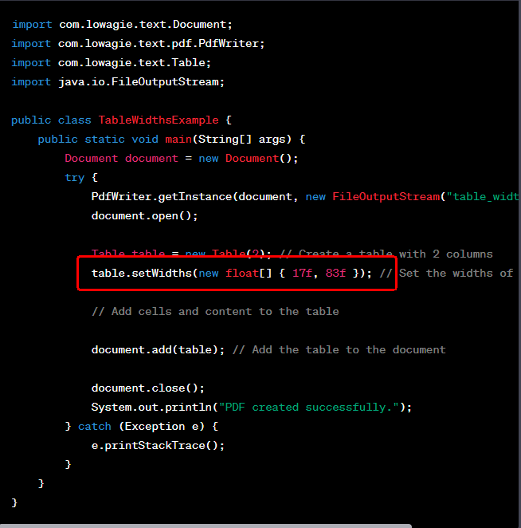

 |  |  | In the example above, we create a Table object with 2 columns using new Table(2).
 |  |  | Then, we use the setWidths() method to set the widths of the columns.
 |  |  | In this case, we pass new float[] { 17f, 83f } to setWidths().
 |  |  | This means the first column will have a width of 17% of the table's total width, while the second column will have a width of 83%.
 |  |  | By specifying the column widths using the setWidths() method, you can have fine-grained control over the individual column sizes within the table.

 |  | setBorder()
 |  |  | The setBorder() method in the com.lowagie.text.Table class is used to set the border of a table.
 |  |  | It allows you to define the presence and style of borders around the table and its cells.
 |  |  | This method is takes an integer parameter representing the border value.
 |  |  | The border value can be one of the following constants defined in the com.lowagie.text.Rectangle class:
 |  |  |  | Rectangle.NO_BORDER: Removes all borders from the table and its cells.
 |  |  |  | Rectangle.BOX: Sets a border around the table and its cells.
 |  |  |  | Rectangle.TOP: Sets a border at the top of the table and its cells.
 |  |  |  | Rectangle.BOTTOM: Sets a border at the bottom of the table and its cells.
 |  |  |  | Rectangle.LEFT: Sets a border at the left of the table and its cells.
 |  |  |  | Rectangle.RIGHT: Sets a border at the right of the table and its cells.
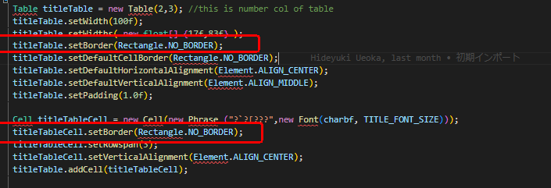

 |  |  |  | we use the setBorder() method to set the border of the table and its cells to Table.NO_BORDER.
 |  |  |  | This will apply to remove border around the entire table.
 |  |  |  | For example, using Table.NO_BORDER will remove all borders, while using Table.TOP will set a border only at the top of the table.

 |  | setDefaultCellBorder()
 |  |  | In the com.lowagie.text.Table class, the setDefaultCellBorder() method is used to set the default border for all cells within the table.
 |  |  | The setDefaultCellBorder() method in com.lowagie.text.Table takes an integer parameter representing the border value.
 |  |  | The border value can be one of the following constants defined in the com.lowagie.text.Rectangle class:
 |  |  |  | Rectangle.NO_BORDER: Removes the border from all cells within the table.
 |  |  |  | Rectangle.BOX: Sets a border around all cells within the table.
 |  |  |  | Rectangle.TOP: Sets a border at the top of all cells within the table.
 |  |  |  | Rectangle.BOTTOM: Sets a border at the bottom of all cells within the table.
 |  |  |  | Rectangle.LEFT: Sets a border at the left of all cells within the table.
 |  |  |  | Rectangle.RIGHT: Sets a border at the right of all cells within the table.

 |  |  |  | we use the setDefaultCellBorder() method to remove the border from all cells within the table by passing Rectangle.NO_BORDER as the parameter.
 |  |  |  | By setting the default cell border, you can control the border style for all cells within the table unless overridden by specific border settings on individual cells.

 |  | setDefaultHorizontalAlignment()
 |  |  | In the com.lowagie.text.Table class, the setDefaultHorizontalAlignment() method is used to set the default horizontal alignment for all cells within the table.
 |  |  | The setDefaultHorizontalAlignment() method in com.lowagie.text.Table takes an integer parameter representing the alignment value.
 |  |  | The alignment value can be one of the constants defined in the com.lowagie.text.Element class:
 |  |  |  | Element.ALIGN_LEFT: Sets the default horizontal alignment of cells to the left.
 |  |  |  | Element.ALIGN_CENTER: Sets the default horizontal alignment of cells to the center.
 |  |  |  | Element.ALIGN_RIGHT: Sets the default horizontal alignment of cells to the right.

 |  |  |  | we use the setDefaultHorizontalAlignment() method to set the default horizontal alignment for all cells within the table by passing Element.ALIGN_CENTER as the parameter.
 |  |  |  | This will horizontally center align the content of all cells in the table.

 |  |  |  | By setting the default horizontal alignment, all cells within the table will inherit this alignment unless explicitly overridden by individual cell settings using setHorizontalAlignment() on specific Cell objects.
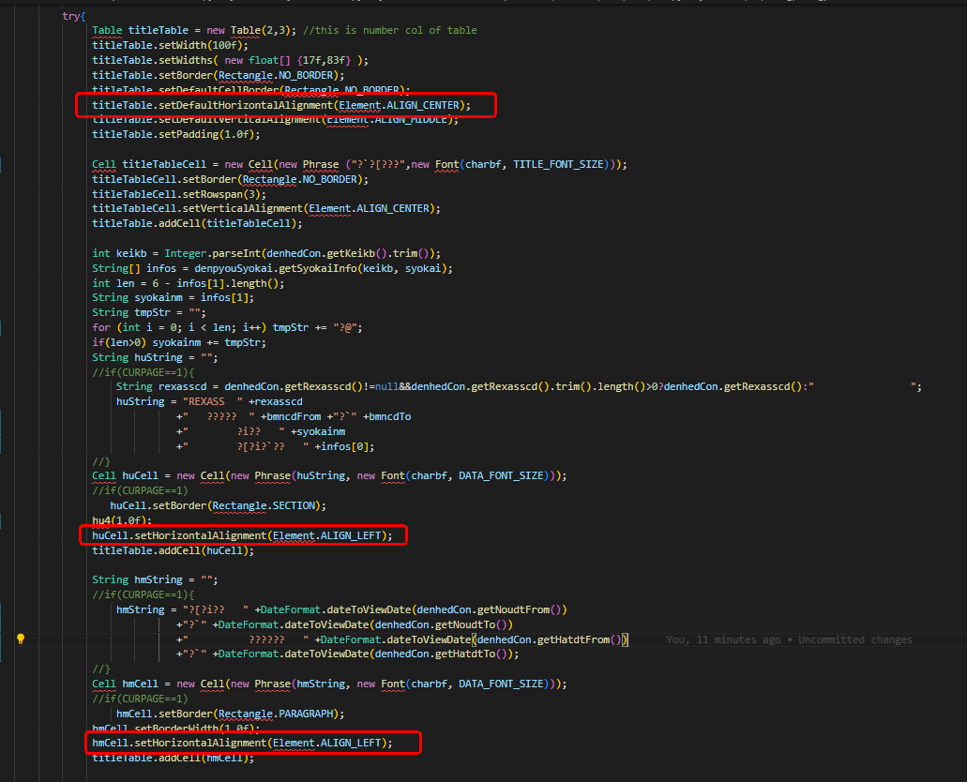

 |  |  |  | That will be change to perticular cell in harizontalAlignment we change to set value on table.

 |  | setDefaultVerticalAlignment()
 |  |  | The method setDefaultVerticalAlignment(int alignment) in the com.lowagie.text.Table class sets the default vertical alignment for the cells in the table.
 |  |  | The alignment parameter specifies how the content of the cells should be vertically aligned within each cell.
 |  |  | It is similare as setDefaultHorizontalAlignment()
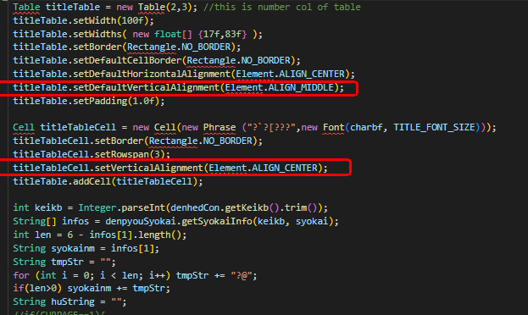

 |  | setPadding()
 |  |  | In iText, the setPadding() method is used to set the padding around the cells within a table. Padding refers to the space between the cell content and the cell boundaries.
 |  |  | The padding value is specified as a float parameter.

 |  |  | In the example table.setPadding(1.0f), a padding value of 1.0f is set.
 |  |  | The f indicates that the value is a floating-point number.
 |  |  | The unit of measurement for the padding value is typically points (pt) in iText.

 |  | addCell()
 |  |  | In iText, the Table.addCell() method is used to add a cell to a table.
 |  |  | It allows you to add individual cells with content to the table.

 |  |  | we use the addCell() method on the Table object and pass each Cell object as a parameter.
 |  |  | This adds the cells to the table in the order they are added.
 |  |  | After adding the cells to the table, we add the table to the Document using the document.add(table) statement.

 |  | setOffset()
 |  |  | https://www.tabnine.com/code/java/methods/com.lowagie.text.Table/setOffset
 |  |  | This method is used to set the offset of the table.
 |  |  | The offset represents the number of points (1/72 inch) by which the table should be shifted vertically from its default position.
 |  |  | A positive offset value moves the table downward, while a negative offset value moves it upward.
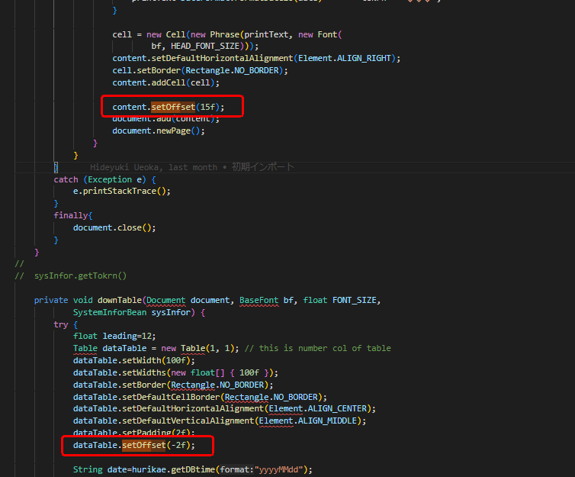

 |  |  | In the above code, 15f is the offset value set for the table, which means there will be a space of 15 points between the top edge of the table and the baseline of the first row.

CELL
Pagage Name : | com.lowagie.text.Cell
Referance Link: | https://www.tabnine.com/code/java/classes/com.lowagie.text.Cell

Introdction :
 | we use the com.lowagie.text.Cell class to create and customize a cell.
 | The cell contains a Phrase with the text "Cell Content".
 | The background color, border width, horizontal alignment, and vertical alignment of the cell are set accordingly.
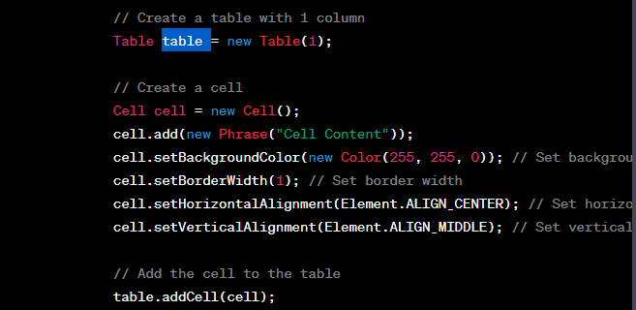

 | Components :
 |  | setHorizontalAlignment(Element.ALIGN_LEFT);
 |  | setVerticalAlignment(Element.ALIGN_BOTTOM);
 |  | setBorder(Rectangle.NO_BORDER);
 |  | setBorderWidth(1.0f);
 |  | setColspan(4);
 |  | setRowspan(2);
 |  | setLeading(0.01f);

 | setHorizontalAlignment()
 |  | The setHorizontalAlignment() method is a part of the Cell class in the iText library (specifically the com.lowagie.text package),
 |  |  | which is used for creating and manipulating PDF documents in Java.
 |  | The setHorizontalAlignment() method allows you to set the horizontal alignment of the content within a cell in a PDF table.
 |  | It takes an integer parameter that represents the alignment value.

 |  | The alignment value can be one of the following constants defined in the Element class:
 |  |  | Element.ALIGN_LEFT: Aligns the content to the left of the cell.
 |  |  | Element.ALIGN_CENTER: Centers the content horizontally within the cell.
 |  |  | Element.ALIGN_RIGHT: Aligns the content to the right of the cell.
 |  |  | Element.ALIGN_JUSTIFIED: Justifies the content within the cell.

 |  |  | We use the setHorizontalAlignment() method to set the horizontal alignment of the cell's content to Element.ALIGN_CENTER, which centers the text within the cell.

 | setVerticalAlignment()
 |  | It is similare as setHorizontalAlignment(),But setVerticalAlignment() method to set the vertical alignment of the cell's content.
 |  | The alignment value can be one of the following constants defined in the Element class:
 |  |  | Element.ALIGN_TOP: Aligns the content to the top of the cell.
 |  |  | Element.ALIGN_MIDDLE: Vertically centers the content within the cell.
 |  |  | Element.ALIGN_BOTTOM: Aligns the content to the bottom of the cell.
 |  |  | Element.ALIGN_BASELINE: Aligns the content to the baseline of the cell.

 |  |  | We then use the setVerticalAlignment() method to set the vertical alignment of the cell's content to Element.ALIGN_BOTTOM, which bottoms the text vertically within the cell.

 | setBorder()
 |  | The setBorder() method is a part of the Cell class in the iText library (specifically the com.lowagie.text package) used for creating and manipulating PDF documents in Java.
 |  | The setBorder() method allows you to set the border of a cell in a PDF table.
 |  | It takes an integer parameter that represents the border value.
 |  | The border value can be one of the following constants defined in the PdfPCell class:
 |  |  | Rectangle.NO_BORDER: Removes all borders from the cell.
 |  |  | Rectangle.TOP: Sets the top border of the cell.
 |  |  | Rectangle.BOTTOM: Sets the bottom border of the cell.
 |  |  | Rectangle.LEFT: Sets the left border of the cell.
 |  |  | Rectangle.RIGHT: Sets the right border of the cell.
 |  |  | Rectangle.BOX: Sets all four borders of the cell.

 |  |  | We then use the setBorder() method to set the border of the cell to Rectangle.NO_BORDER, which removes all borders from the cell.
 |  |  | Finally, we add the cell to the table, and the table to the document.
 |  |  | After running this code, it will generate a PDF file cell that has no visible borders.

 | setBorderWidth()
 |  | The setBorderWidth() method allows you to set the width of the border for a cell in a PDF table.
 |  | It takes a float value as a parameter, representing the width of the border in points.

 |  | We use the setBorderWidth() method to set the border width of the cell to 1.0f, which represents 1 point in measurement.
 |  | This will result in a cell with a border of 1-point width.
 |  | You can adjust the border width by providing a different float value to the setBorderWidth() method.
 |  | For example, setBorderWidth(0.5f) would set the border width to 0.5 points, and setBorderWidth(2.0f) would set the border width to 2 points.

 | setColspan()
 |  | The setColspan() method is a part of the Cell class in the iText library (specifically the com.lowagie.text package) used for creating and manipulating PDF documents in Java.
 |  | The setColspan() method allows you to set the number of columns that a cell should span in a PDF table.
 |  | It takes an integer parameter indicating the number of columns to span.

 |  | We use the setColspan() method to set the colspan of the cell to 4, indicating that it should span 4 columns in the table.
 |  | By adjusting the value provided to the setColspan() method, you can control how many columns a cell should span in the table.
 |  | For example, setColspan(2) would make the cell span 2 columns, and setColspan(6) would make the cell span all 6 columns of the table.

 | setRowspan()
 |  | This is similare as setColspan(), But The setRowspan() method allows you to set the number of rows that a cell should span in a PDF table.
 |  | For example :
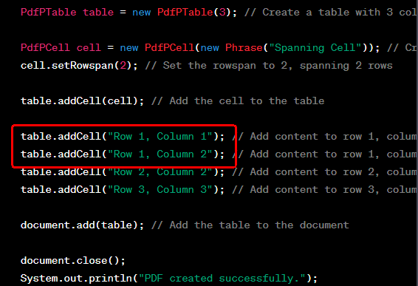

 |  | We use the setRowspan() method to set the rowspan of the cell to 2, indicating that it should span 2 rows in the table.
 |  | Next, we add the spanning cell to the table. Afterward, we add additional cells to the table in subsequent rows and columns.
 |  | In this example, we add content to row 1, column 1; row 1, column 2; row 2, column 2; and row 3, column 3.
 |  | By adjusting the value provided to the setRowspan() method, you can control how many rows a cell should span in the table.

 | setLeading()
 |  | The setLeading() method allows you to set the leading (line spacing) between lines of text within a cell in a PDF table.
 |  | It takes a float value as a parameter, representing the leading value in points.
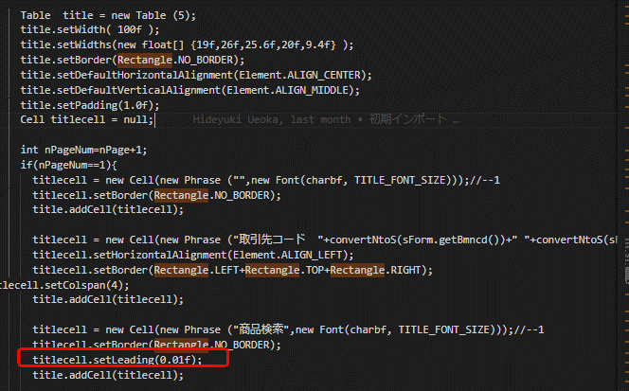

 |  | We use the setLeading() method on the Phrase object to set the leading (line spacing) between lines of text to 0.01f, which represents 1 point in measurement.
 |  | You can adjust the leading value by providing a different float value to the setLeading() method.
 |  | For example, setLeading(2.0f) would set the leading to 2 points, resulting in larger line spacing between lines of text.

pdf.BaseFont
Pagage Name : | com.lowagie.text.pdf.BaseFont
Referance Link: | https://www.tabnine.com/code/java/classes/com.lowagie.text.pdf.BaseFont
Introduction :
 | The com.lowagie.text.pdf.BaseFont class in iText is responsible for handling the base font operations in PDF documents.
 | It provides methods to load and work with different types of fonts, such as TrueType, Type 1, and OpenType fonts, for use in PDF generation.

 | This project we can used for most in one componend for the BaseFont.
 |  | createFont("HeiseiKakuGo-W5","UniJIS-UCS2-H", false);

 | createFont()
 |  | This method allows you to create and configure font objects that can be used for text rendering in PDF documents.
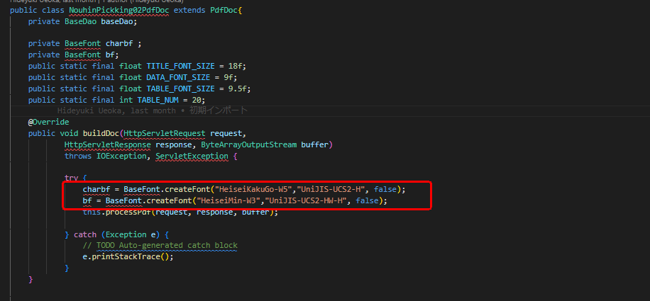

 |  | In the above example, we create a PDF document and use the BaseFont.createFont method to create a BaseFont object named BaseFont
 |  | The method takes the following parameters:
 |  | fontName (String): "HeiseiKakuGo-W5"
 |  |  | This parameter specifies the name or path of the font file.
 |  |  | In this case, "HeiseiKakuGo-W5" refers to a specific font named Heisei Kaku Gothic, which is commonly used for Japanese text.
 |  | encoding (String):"UniJIS-UCS2-H"
 |  |  | This parameter indicates the encoding of the font.
 |  |  | In this example, "UniJIS-UCS2-H" represents the Unicode (UCS-2) encoding for Japanese text.
 |  |  | It's commonly used to handle characters in Japanese scripts.
 |  | embedded (boolean): false
 |  |  | This parameter determines whether the font should be embedded within the PDF document.
 |  |  | When set to false, the font is not embedded, meaning that the PDF viewer needs to have access to the font externally to display the text correctly.
 |  |  | If set to true, the font will be embedded within the PDF, ensuring consistent rendering across different viewers.

pdf.PdfWriter
Pagage Name : | com.lowagie.text.pdf.PdfWriter
Referance Link: | https://www.tabnine.com/code/java/classes/com.lowagie.text.pdf.PdfWriter
Introduction :
 | The com.lowagie.text.pdf.PdfWriter class in the iText library is used to write and generate PDF documents.
 | It provides methods to create a PDF document, add content to it, and save it to a file or an output stream.
 | Here's a brief explanation of the PdfWriter class and its usage:
 | Create an instance of PdfWriter:
 |  | To create a PdfWriter instance, you need to provide a Document object and an output destination, such as a FileOutputStream or a ServletOutputStream.
 |  | The PdfWriter class follows the singleton pattern, meaning that you typically use the static getInstance method to obtain an instance.
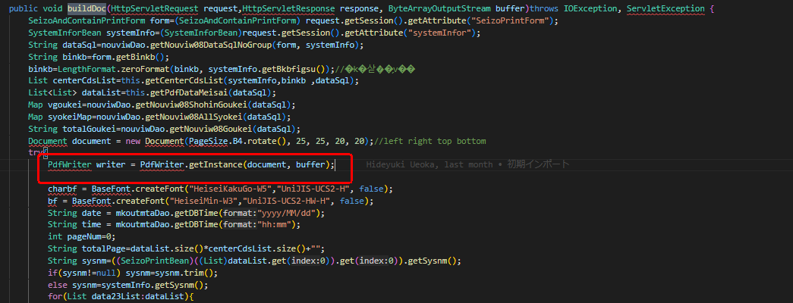

 |  | It allows you to create a PDF writer that writes the PDF content to a specified output stream, such as a byte array or a ByteBuffer.
 |  | document (Document):
 |  |  | The Document object represents the PDF document you want to generate.
 |  | buffer (OutputStream/ByteBuffer):
 |  |  | The buffer parameter specifies the output stream or buffer where the PDF content will be written.
 |  |  | It can be an instance of OutputStream, such as FileOutputStream, ByteArrayOutputStream, or ServletOutputStream, or it can be a ByteBuffer from the java.nio package.

 | getDirectContent()
 |  | direct content of a PDF document.
 |  | The direct content provides a low-level API for adding graphical elements, such as lines, shapes, and text, directly to the PDF page.

 |  | setLineWidth()
 |  |  | In this line, writer.getDirectContent() returns the PdfContentByte instance associated with the PdfWriter. setLineWidth(1f) sets the line width to 1 unit.
 |  |  | The line width determines the thickness of the subsequent drawing operations.
 |  | ellipse()
 |  |  | It will be draws an ellipse shape using the direct content of the PdfWriter.
 |  |  | ellipse(523f, 698f, 550f, 710f) is a method of the PdfContentByte class.
 |  |  | It draws an ellipse shape on the PDF page.
 |  |  | The four parameters represent the coordinates of two opposite corners of the bounding rectangle that surrounds the ellipse.
 |  |  | In this case, the coordinates (523, 698) and (550, 710) specify the top-left and bottom-right corners of the bounding rectangle.
 |  | stroke()
 |  |  | stroke() is a method of the PdfContentByte class.
 |  |  | It is called to stroke (draw) the previously defined graphical elements on the PDF page.
 |  |  | he stroke() method does not require any parameters.

 | addJavaScript()
 |  | addJavaScript(jAction) is a method of the PdfWriter class.
 |  | It is used to add a JavaScript action to the PDF document.
 |  | The JavaScript action can be created using the com.lowagie.text.pdf.PdfAction.javaScript() method.

 |  | The JavaScript action is added to the PDF document using writer.addJavaScript(jAction).
 |  | When the PDF is opened, the JavaScript code will be executed, and displayed.

pdf.BarcodeEAN
Pagage Name : | com.lowagie.text.pdf.BarcodeEAN
Referance Link: | https://www.tabnine.com/code/java/classes/com.lowagie.text.pdf.BarcodeEAN
Introduction :
 | The com.lowagie.text.pdf.BarcodeEAN class in the iText library is used to generate barcodes in the EAN (European Article Number) format.
 | EAN barcodes are widely used for product identification and are commonly seen on retail products.
 | Some important methods include:
 |  | setCodeType(BarcodeEAN.EAN13);
 |  | setCode(code);
 |  | setGuardBars(false);
 |  | setChecksumText(true);
 |  | setTextAlignment(Element.ALIGN_RIGHT);
 |  | setStartStopText(false);
 |  | createImageWithBarcode(writer.getDirectContent(), null, null);

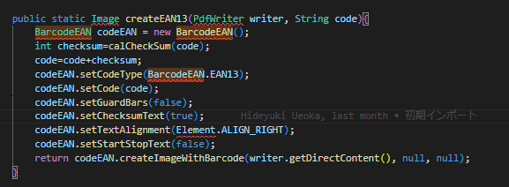

 |  | setCodeType()
 |  |  | The setCodeType() method in the BarcodeEAN class is used to specify the barcode type to be generated.
 |  |  | The barcode type can be either BarcodeEAN.EAN8 or BarcodeEAN.EAN13.
 |  |  | We create a BarcodeEAN instance with a barcode value of "1234567890123" and specify the barcode type as BarcodeEAN.EAN13 using the setCodeType() method.
 |  |  | For example, an EAN-13 barcode requires a 13-digit number as the barcode value.

 |  | setCode()
 |  |  | The setCode() method in the BarcodeEAN class is used to set the barcode value or code that will be encoded in the generated barcode.
 |  |  | The code can be a numeric string consisting of digits.
 |  |  | The barcodeValue is a 13-digit numeric string representing the code that will be encoded in the barcode.

 |  | setGuardBars()
 |  |  | The setGuardBars() method in the BarcodeEAN class is used to control whether guard bars are included in the generated barcode.
 |  |  | Guard bars are additional bars placed at the beginning and end of the barcode that help with accurate scanning.
 |  |  | we disable the guard bars by calling setGuardBars(false).
 |  |  | By setting the argument to false, we indicate that the generated barcode should not include guard bars.

 |  | setChecksumText()
 |  |  | The setChecksumText() method in the BarcodeEAN class is used to determine whether the checksum digit should be included as part of the barcode text.
 |  |  | The checksum digit is a calculated digit that helps ensure the accuracy of the barcode.
 |  |  | we call setChecksumText(true) to include the checksum digit as part of the barcode text.

 |  | setTextAlignment()
 |  |  | The setTextAlignment() method in the BarcodeEAN class is used to specify the alignment of the barcode text relative to the barcode itself.
 |  |  | It accepts an alignment constant from the Element class, which provides alignment options such as ALIGN_LEFT, ALIGN_CENTER, and ALIGN_RIGHT.
 |  |  | we call setTextAlignment(Element.ALIGN_RIGHT) to align the barcode text to the right side of the barcode.

 |  | setStartStopText()
 |  |  | The setStartStopText() method in the BarcodeEAN class is used to control whether the start and stop characters should be included in the barcode text.
 |  |  | The start and stop characters are special characters placed at the beginning and end of the barcode to indicate the start and end of the barcode data.
 |  |  | we call setStartStopText(false) to disable the inclusion of start and stop characters in the barcode text.

 |  | createImageWithBarcode()
 |  |  | The createImageWithBarcode() method in the BarcodeEAN class is used to create an Image object with the barcode rendered on it.
 |  |  | This method takes three parameters:
 |  |  |  | We pass writer.getDirectContent() as the first parameter to obtain the PdfContentByte object associated with the writer.
 |  |  |  | The second and third parameters, null and null, are for the barcode color and background color, respectively.
 |  |  | The createImageWithBarcode() method generates an Image object with the barcode rendered on it. We then add this image to the document using document.add(image).

Exception
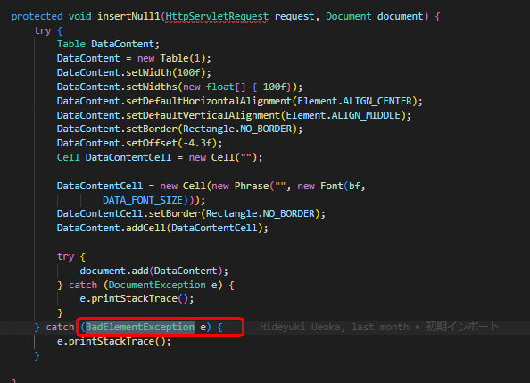
Pagage Name : | com.lowagie.text.DocumentException
Introduction :
 | The com.lowagie.text.DocumentException class is an exception that can be thrown when there is an error or an exception related to the Document class in the iText library.
 | It is a checked exception, meaning that it must be explicitly declared or handled in a try-catch block.
 | DocumentException can be thrown in various situations, such as:
 |  | Errors related to the creation or manipulation of a Document object.
 |  | Issues with the PDF generation process, such as invalid or unsupported operations.
 |  | Problems with the input or output streams when working with PDF documents.
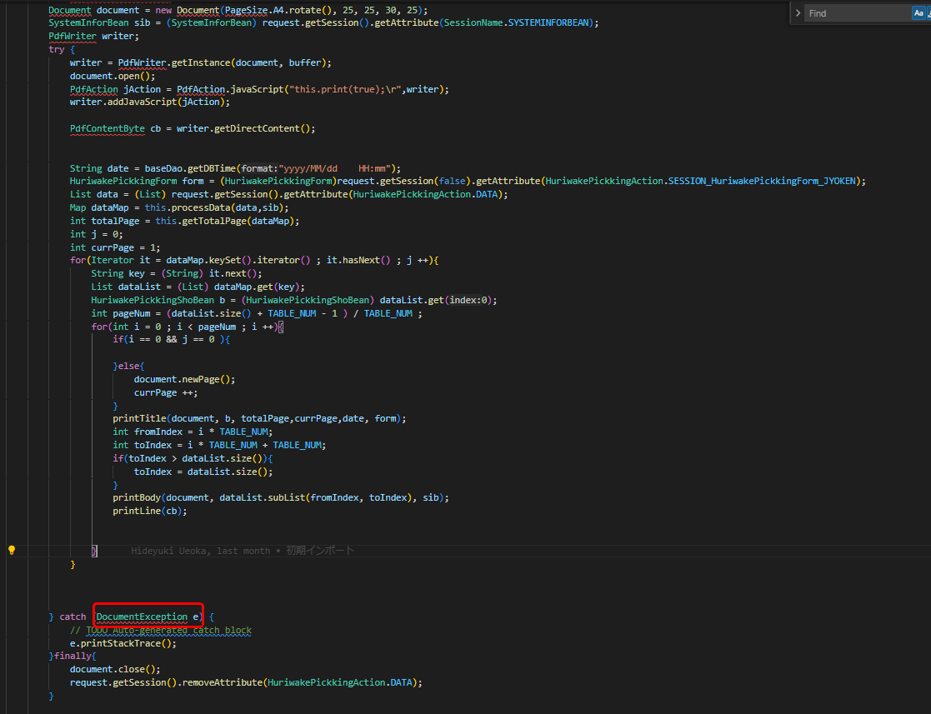

 |  | It will solve to try catch.

Pagage Name : | com.lowagie.text.BadElementException
Introduction :
 | The com.lowagie.text.BadElementException class is an exception that can be thrown when there is an error or an exception related to the creation or manipulation of an image or element in iText.
 | It is a checked exception, meaning that it must be explicitly declared or handled in a try-catch block.
 | Here's an explanation of the BadElementException class:
 | Extends Exception:
 |  | The BadElementException class is a subclass of the standard Java Exception class. It inherits all the properties and behaviors of the Exception class.

 | Common Causes:
 |  | BadElementException can be thrown in various situations, such as:
 |  |  | Errors related to creating an Image object from a file or a byte array.
 |  |  | Issues with the format or structure of the image data.
 |  |  | Problems with the image file itself, such as being corrupted or unsupported.

 | Handling BadElementException:
 |  | When working with images or elements in iText, it is important to handle BadElementException appropriately.
 |  | his can be done by surrounding the code that may throw BadElementException with a try-catch block and handling the exception accordingly.
 |  | Alternatively, you can declare throws BadElementException in the method signature to propagate the exception to the calling code.

