Gold Size
Nanomaterial | Shape | Size (nm) | Cell type | Cell Upatake | Functional Group | Capping Agent | Cytotoxicity (mg/ml) | Observation | Reference

Gold NP | Rod | 2.6 (AR) | 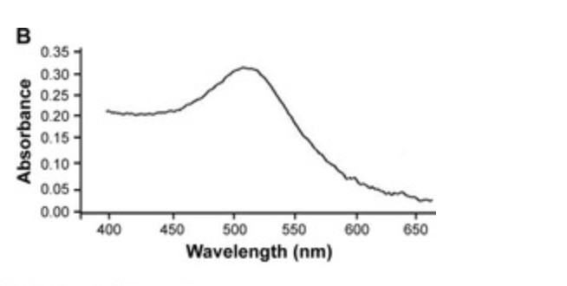 Hela |  |  | PEG | 90% | PEG-coated gold nanorods have a higher cellular uptake compared to CTAB-functionalized gold nanorods. | https://pubs.acs.org/doi/abs/10.1021/acsabm.9b00986
 |  | 3.2 (AR) |  |  |  |  | >80% and <90%
 |  | 5.4 (AR) |  |  |  |  | >90% and <100%
 |  | 11.5 (AR) |  |  |  |  | >90% and <100%
 |  | 2.6 (AR) |  |  | ammonium surfactant | CTAB | >0% and <10%
 |  | 3.2 (AR) |  |  |  |  | 50%
 |  | 5.4 (AR) |  |  |  |  | >0% and <10%
 |  | 11.5 (AR) |  |  |  |  | 60%
 | Sphere | 3nm |  |  |  | Citrate | 65 ± 5 mg mL -1 | The cell viability test shows distinguishable cytotoxic effect for AuNps of sizes 3 nm, 8 nm, and 30 nm but the nanoparticles 5 nm, 6 nm, 10 nm, 17 nm, and 45 nm are three to four fold viable to cell lines even at higher concentrations and long term exposure | List of issues Toxicological & Environmental Chemistry (tandfonline.com)
 |  | 5nm |  |  |  |  | 182 ± 4
 |  | 6nm |  |  |  |  | 198 ± 4
 |  | 8nm |  |  |  |  | 78 ± 4
 |  | 10nm |  |  |  |  | 216 ± 6 | have demonstrated that the use of different surface coatings does not influence the toxicity induced by AuNps in HeLa cells and suggested that the lack of toxicity was because AuNps were stored intracellularly in membrane bound vesicles, and therefore particles could not directly interfere with the nuclei or with other cytoplasmic organelles and induce toxic events.
 |  | 17nm |  |  |  |  | 287 ± 6
 |  | 30nm |  |  |  |  | 57 ± 2
 |  | 45nm |  |  |  |  | 192 ± 4
 |  | 50nm |  | 50 nm particles has Highest celllular uptake |  | Radiation Sensitizers | 1.X10^9 gold nanoparticles/ml | Size 50 nm has the higehest cellular uptake | https://www.jstor.org/stable/pdf/40605584.pdf?refreqid=fastly-default%3Afc889048c1eff9553dd41759b2cc4c0d&ab_segments=0%2Fbasic_search_gsv2%2Fcontrol&origin=&initiator=&acceptTC=1
 |  | 14 nm |  |  |  |  | 1 X 10^8 goldnanoparticles/ml
 |  | 74nm |  |  |  |  | 1 X 10^7 goldnanoparticles/ml
 |  | 25 nM |  |  | Thiol (–SH) | PEG | 2.8 × 105 cells per well) |  | https://jstor.org/stable/pdf/26506331.pdf?refreqid=fastly-default%3Af813d55e59a4ffcfcee8770af1da56a4&ab_segments=0%2Fbasic_search_gsv2%2Fcontrol&origin=&initiator=&acceptTC=1
 |  | 25 nM |  |  |  |  | 3.5 × 104 cells per well
 |  | 3–10 nm |  |  | amino/acetamido group and secondary hydroxyl groups | chitosan (CH) | 75 µM- 85% cell viability loss | 75 µM, which increased with the concentration, reaching 85% and 100% of cell viability loss, respectively, at 150 µM | https://www.tandfonline.com/doi/full/10.2147/IJN.S165289 | The absorption spectra of gold nanoparticles (GNP) and RNA were taken by an UV-visible spectrophotometer (Carry 400, Varian) operated at a resolution of 2 nm
 |  |  |  |  |  |  | 150 - 100% cell viability loss
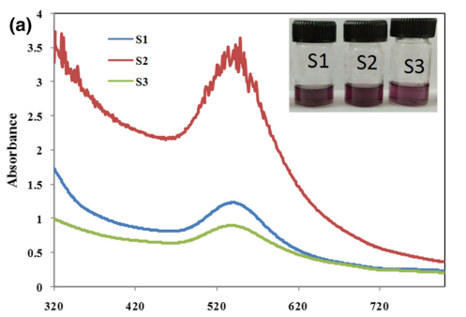
 |  | 10-20nm |  |  |  | Pongamia pinnata extract | 50 microg/mL | We also investigated that variation in HAuCl4 concentration (ranging from 0.25 to 1 mM) for better optimization of AuNPs formation does not bring much changes in the anticancer potential of these AuNPs in HeLa cells. | Emerging Antineoplastic Plant-Based Gold Nanoparticle Synthesis: A Mechanistic Exploration of their Anticancer Activity Toward Cervical Cancer Cells | Journal of Cluster Science (springer.com)

 |  |  |  |  |  |  | 75
 |  |  |  |  |  |  | 100

 | spherical | 110.1 ± 5.3 nm |  | T-Au-PEG>Au-[PLL-g-PEG]-BA>T-Au-PEG |  | polyethylene glycol (PEG) | 25.37 µM | in the HeLa cells, the highest G0/G1 arrest was observed for T-Au-PEG-BA, recording a 1.83-fold increase compared to that for T-Au-[PLL-g-PEG] (1.48-fold), further demonstrating the efficacy of the targeted nanocomplexes over the free drug. | https://www.ncbi.nlm.nih.gov/pmc/articles/PMC8150271/#B21-ijms-22-05072
 |  | 97.1 ± 2.5 nm |  |  |  |  | 6.51 µM
 |  | 147.2 ± 4.7 nm |  |  |  | poly-L-lysine-graft-polyethylene glycol (PLL-g-PEG) | 23.64 µM
 |  | 119.2 ± 3.5 nm |  |  |  |  | 3.26 µM
 |  | 97.1 ± 2.5 nm | HEK 293 |  |  | polyethylene glycol (PEG) | 32.4 μM | normal HEK293 cells, recording an IC50 value of 32.4 μM compared to >80 μM recorded for
 |  | 119.2 ± 3.5 nm |  |  |  | poly-L-lysine-graft-polyethylene glycol (PLL-g-PEG) | 80 μM
 | SPHERE | 43 NM | HELA |  |  |  | 1.9 × 10−5 M m | while in the cases of gold nanospheres, we found that only at concentrations below 1.9 × 10−5 M metabolic activity was normal. Our preliminary results did not indicate any perceivable harmful toxicity to cell membrane, cytoskeleton or nucleus due to our nanospheres at 1.9 × 10−5 Mthese authors also found that spherical gold nanoparticles were more efficiently ingested than nanorods, but in this case, nanorods showed lower toxicity. | https://www.hindawi.com/journals/jnm/2019/7518482/
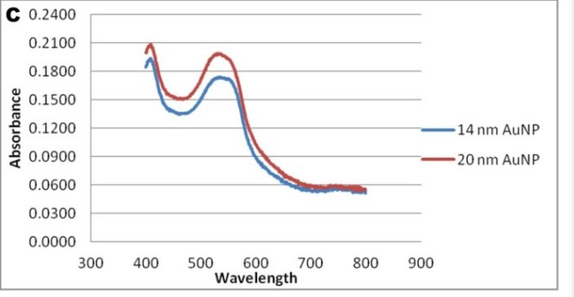
 | NANORODS | 17.2 × 37.8 nm |  |  |  |  | 2.9 × 10−7 M to 3.0 × 10−4 M
 | SPHERE | 14nm | HEK-293 |  |  | Sodium citrate | >100ug/ml | The article reported that none of the assays showed any significant cytotoxicity of AuNPs up to 100 μg/ml, which was the highest concentration tested. But when refered to some other articles generally smaller ones have more toxicity compared to larger ones. So if we we increase concentration to greater than 100ug/ml then 14nm size NP will show more toxicty. However, the article did find that the uptake of AuNPs in HEK 293 cells was size-dependent, with 20 nm AuNPs showing higher uptake than 14 nm AuNPs after 24 hours of exposure | https://link.springer.com/article/10.1186/1743-8977-10-50

 |  | 20nm |  |  |  |  | >100(ug/ml)

 |  |  |  | 20 nm AuNPs showing higher uptake than 14 nm AuNPs after 24 hours of exposure
 |  | 14nm | hela | The results were expressed as the percentage of intracellular Au relative to the total content of Au, both as the intracellular concentration of Au atoms (mM) and as intracellular concentration of NPs (AuNPs/mL). |  | citrate | 5 μM | For the 14 nm spheres, we noticed that citrate-capped nanospheres were more toxic than the MUA-capped spheres, with a significant decrease in cell viability already noticed at 5 lM (p < 0.05), while in the case of the larger 50 nm spheres, this difference in cytotoxicity was also noticed but only at concentrations higherthan 40 mM (p < 0.01). A sizedependent toxicity was also noticed, with 14 nmnanospheres presenting higher toxicity than 50 nm nanospheres (p < 0.05), independent of capping agent | https://sci-hub.ru/10.1080/17435390.2019.1621398

 |  |  |  |  |  | MUA-capped

 |  | 50nm |  |  |  | citrate | 40 μM

 |  |  |  |  |  | MUA-capped

Gold nm | quasi-spherical | 10nm | hela cells |  |  | CTAB | 50 μg × ml−1 | gold NPs of 15 nm in size are nontoxic at up to 60-fold higher concentrations | https://pubs.rsc.org/en/content/articlehtml/2013/nr/c3nr01550e
 |  | 30nm | hela cells |  |  |  | 25 μg × ml−1
Gold nm | spherical | 3.7 nm | hela cells |  |  | PEG and MPA | 0.08-100 µM | Presence of the particles in the nucleus without obvious cytotoxicity | https://journals.sagepub.com/doi/full/10.1177/1091581819863130
 |  | 89.3 nm | hek 293 |  |  | bacitracin | 2.5 ×10−1 to 2.5 × 10−6 mM | Unfunctionalized-AuNPs were more cytotoxic than the functionalized (Bacitracin-AuNPs)
Gold nm | nanorod | 65 nm | hela cells |  |  | CTAB | 0.5 mM | HeLa cells incubated with PEG-stabilized Au NRs at concentrations up to 0.5 mM survived with more than 90% viability after 24 h, as per MTT assay. | https://sci-hub.se/https://doi.org/10.1002/jat.4061
Gold nm | rod | 65 × 11 nm | hela |  |  | CTAB | 0.5 mM | 80% cell death with 0.05 mM CTAB-coated nanorods, only 10% cell death at 0.5 mM PEG-coated nanorods | https://sci-hub.se/https://pubs.acs.org/doi/abs/10.1021/ar800035u
 | sphere | 18 nm | hela |  |  | CTAB |  | gold nanoparticles did not cause significant gene-expression patterns or cyotoxicity even though they were internalized in the cells.

