Dashboard
 | Count of Fecal Coliform (MPN/100ml) (Min) | Count of Fecal Coliform (MPN/100ml) (Max)
4 | 2 | 2
6 | 2 | 2
6.1 | 1 | 1
7 | 2 | 2
7.1 | 1 | 1
7.3 | 1 | 1
8 | 1 | 1
8.3 | 1 | 1
8.5 | 1 | 1
8.6 | 1 | 1
8.9 | 1 | 1
9 | 2 | 2
9.2 | 1 | 1
9.4 | 1 | 1
10 | 2 | 2
11 | 2 | 2
11.2 | 1 | 1
11.3 | 1 | 1
11.4 | 1 | 1
11.7 | 2 | 2
12 | 4 | 4
12.2 | 1 | 1
13 | 6 | 6
13.5 | 3 | 3
13.8 | 2 | 2
14 | 8 | 8
15 | 8 | 8
16 | 2 | 2
16.2 | 1 | 1
16.6 | 2 | 2
17 | 15 | 15
17.1 | 1 | 1
17.3 | 1 | 1
18 | 22 | 22
18.5 | 2 | 2
18.7 | 1 | 1
19 | 41 | 41
19.2 | 1 | 1
19.5 | 3 | 3
20 | 71 | 71
20.4 | 1 | 1
21 | 48 | 48
22 | 37 | 37
22.5 | 3 | 3
23 | 25 | 25
23.2 | 1 | 1
24 | 44 | 44
25 | 135 | 135
26 | 28 | 28
27 | 35 | 35
...
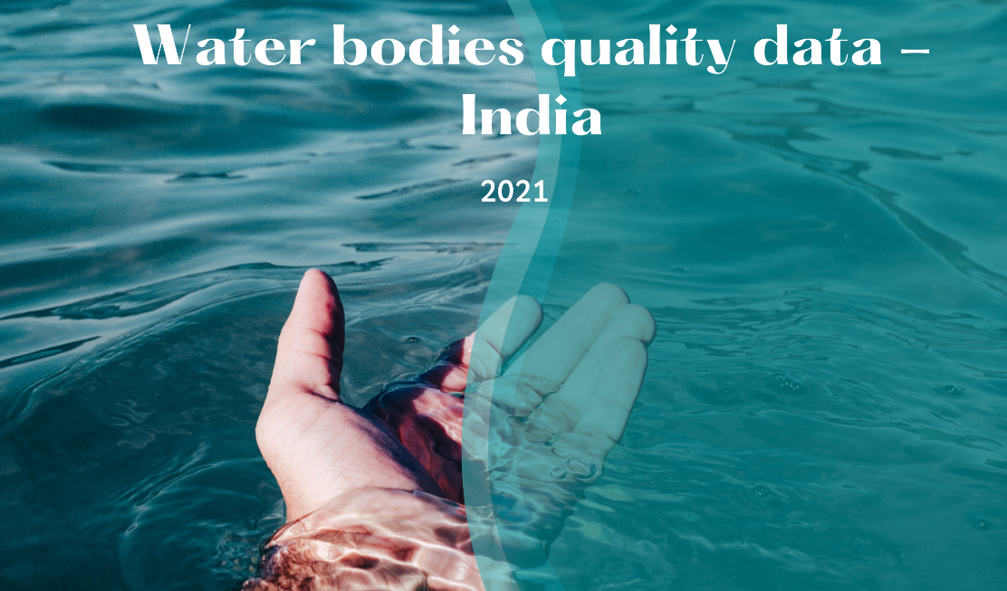
 | Total
LAKE | 2967.9
POND | 822.7
TANK | 1016.2
Wetland | 171.3
 | Total
LAKE | 2578.4
POND | 722
TANK | 889.2
Wetland | 147.2

 | Count of Conductivity (?mhos/cm) (Min) | Count of Conductivity (?mhos/cm) (Max) | Count of BOD (mg/L) (Min) | Count of BOD (mg/L) (Max)
ANDHRA PRADESH | 25 | 25 | 25 | 25
ASSAM | 45 | 45 | 45 | 45
BIHAR | 5 | 5 | 5 | 5
CHANDIGARH | 1 | 1 | 1 | 1
CHHATTISGARH |  |  | 2 | 2
DELHI | 3 | 3 | 3 | 3
GOA | 9 | 9 | 9 | 9
GUJARAT | 21 | 21 | 21 | 21
HARYANA | 4 | 4 | 4 | 4
HIMACHAL PRADESH | 5 | 5 | 5 | 5
JAMMU & KASHMIR | 10 | 10 | 10 | 10
JAMMU & KASHMIR | 20 | 20 | 20 | 20
JHARKHAND | 6 | 6 | 6 | 6
KARNATAKA | 165 | 165 | 165 | 165
KERALA | 18 | 18 | 18 | 18
LAKSHADWEEP | 3 | 3 | 3 | 3
MADHYA PRADESH | 14 | 14 | 14 | 14
MADHYA PRADESH | 21 | 21 | 21 | 21
MANIPUR | 18 | 18 | 18 | 18
MEGHALAYA | 7 | 7 | 7 | 7
MIZORAM | 4 | 4 | 4 | 4
NAGALAND | 2 | 2 | 2 | 2
ODISHA | 15 | 15 | 15 | 15
PUDUCHERRY | 3 | 3 | 3 | 3
PUNJAB | 3 | 3 | 3 | 3
RAJASTHAN | 20 | 20 | 20 | 20
TAMIL NADU | 9 | 9 | 9 | 9
TELANGANA | 125 | 125 | 125 | 125
TRIPURA | 18 | 18 | 18 | 18
UTTAR PRADESH | 4 | 4 | 4 | 4
UTTARAKHAND | 2 | 2 | 2 | 2
WEST BENGAL | 13 | 13 | 13 | 13
 | Group1 - LAKE | Group1 - POND | Group1 - TANK | Group1 - Wetland
ANDHRA PRADESH | 3 |  | 1 | 21
ASSAM | 17 | 27 | 1
BIHAR | 3 | 2
CHANDIGARH | 1
CHHATTISGARH | 1 | 1
DELHI | 3
GOA | 9
GUJARAT | 18 | 2 | 1
HARYANA | 3 | 1
HIMACHAL PRADESH | 5
JAMMU & KASHMIR | 10
JAMMU & KASHMIR | 20
JHARKHAND | 2 | 4
KARNATAKA | 76 |  | 89
KERALA | 16 | 2
LAKSHADWEEP |  | 3
MADHYA PRADESH | 8 | 6
MADHYA PRADESH | 14 | 6 | 1
MANIPUR | 5 | 13
MEGHALAYA | 7
MIZORAM | 1 | 2 | 1
NAGALAND | 2
ODISHA | 7 | 8
PUDUCHERRY | 3
PUNJAB | 3
RAJASTHAN | 19 | 1
TAMIL NADU | 8 |  | 1
TELANGANA | 79 | 13 | 33
TRIPURA | 8 | 10
UTTAR PRADESH | 2 | 2
UTTARAKHAND | 2
WEST BENGAL | 13
 | Group1 - LAKE - Count of Nitrate N + Nitrite N(mg/L) (Min) | Group1 - LAKE - Count of Nitrate N + Nitrite N(mg/L) (Max) | Group1 - POND - Count of Nitrate N + Nitrite N(mg/L) (Min) | Group1 - POND - Count of Nitrate N + Nitrite N(mg/L) (Max) | Group1 - TANK - Count of Nitrate N + Nitrite N(mg/L) (Min) | Group1 - TANK - Count of Nitrate N + Nitrite N(mg/L) (Max) | Group1 - Wetland - Count of Nitrate N + Nitrite N(mg/L) (Min) | Group1 - Wetland - Count of Nitrate N + Nitrite N(mg/L) (Max)
ANDHRA PRADESH | 3 | 3 |  |  | 1 | 1 | 21 | 21
ASSAM | 17 | 17 | 27 | 27 | 1 | 1
BIHAR | 3 | 3 | 2 | 2
CHANDIGARH | 1 | 1
CHHATTISGARH | 1 | 1 | 1 | 1
DELHI | 3 | 3
GOA | 9 | 9
GUJARAT | 18 | 18 | 2 | 2 | 1 | 1
HARYANA | 3 | 3 | 1 | 1
HIMACHAL PRADESH | 5 | 5
JAMMU & KASHMIR | 10 | 10
JAMMU & KASHMIR | 20 | 20
JHARKHAND | 2 | 2 | 4 | 4
KARNATAKA | 76 | 76 |  |  | 89 | 89
KERALA | 16 | 16 | 2 | 2
LAKSHADWEEP |  |  | 3 | 3
MADHYA PRADESH | 8 | 8 | 6 | 6
MADHYA PRADESH | 14 | 14 | 6 | 6 | 1 | 1
MANIPUR | 5 | 5 | 13 | 13
MEGHALAYA | 7 | 7
MIZORAM | 1 | 1 | 2 | 2 | 1 | 1
NAGALAND | 2 | 2
ODISHA | 7 | 7 | 8 | 8
PUDUCHERRY | 3 | 3
PUNJAB | 3 | 3
RAJASTHAN | 19 | 19 | 1 | 1
TAMIL NADU | 8 | 8 |  |  | 1 | 1
TELANGANA | 79 | 79 | 13 | 13 | 33 | 33
TRIPURA | 8 | 8 | 10 | 10
UTTAR PRADESH | 2 | 2 | 2 | 2
UTTARAKHAND | 2 | 2
WEST BENGAL | 13 | 13

