Dashboard

Bubble Cleaning - Facebook Analysis 2019-2020

Users Reached
 | 2019 | 2020
January | 0 | 5
February |  | 2509
March | 2 | 2035
April | 1 | 3413
May | 3 | 2225
June | 4 | 1941
July | 6 | 54
August | 0 | 27
September | 7 | 14
October | 1 | 14
November | 9 | 7
December | 5 | 19
Engagements (clicks, shares, ect)
 | 2019 | 2020
January | 0 | 0
February |  | 107
March | 1 | 115
April | 2 | 179
May | 1 | 118
June | 1 | 82
July | 0 | 1
August | 1 | 5
September | 0 | 2
October | 2 | 1
November | 1 | 3
December | 0 | 0
Number of times a post is displayed
 | 2019 | 2020
January | 0 | 6
February |  | 2928
March | 44 | 2523
April | 1 | 4168
May | 17 | 3047
June | 12 | 2652
July | 61 | 129
August | 0 | 166
September | 23 | 78
October | 2 | 123
November | 166 | 39
December | 22 | 104

Average users Reached per unpaid post per day Feb-Jun 2020
 | Friday | Thursday | Wednesday | Monday | Tuesday | Saturday | Sunday
 | 161 | 166 | 181 | 182 | 186 | 187 | 193
Reach and engagement conv. rate for Ads - 2020
 | total reach | eng. conv. rate
25-34 | 211 | 0.14218009479
35-44 | 574 | 0.088850174216
45-54 | 852 | 0.071596244131
55-64 | 396 | 0.065656565657
Organic Reach per month 2020
February | 1374
March | 2029
April | 1988
May | 2217
June | 1939
Others | 125

Demographics
 | February 2020
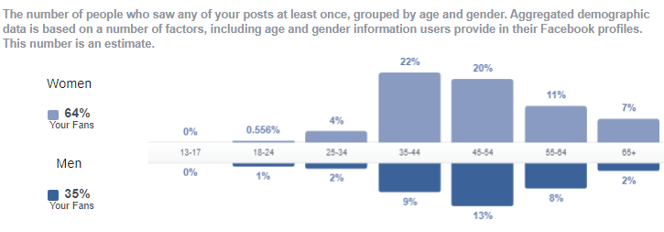

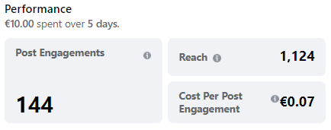
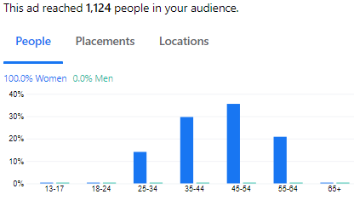
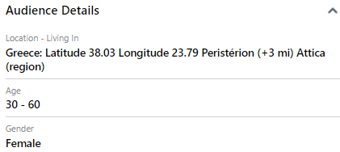
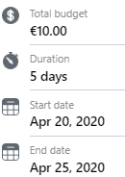

 |  |  |  |  |  |  |  |  | Paid Posts
campaign | Age | Gender | Reach | Impressions | Frequency | Results engagement | Cost per Result | Amount Spent (EUR) | Age | total reach | total impr | total engag | eng. conv. rate
Apr | 25-34 | female | 158 | 200 | 1.2658227848 | 28 | 0.06 | 1.61 | 25-34 | 211 | 268 | 30 | 14.2%
Apr | 35-44 | female | 333 | 427 | 1.2822822823 | 45 | 0.07 | 3.28 | 35-44 | 574 | 772 | 51 | 8.9%
Apr | 45-54 | female | 399 | 541 | 1.3558897243 | 51 | 0.07 | 3.78 | 45-54 | 852 | 1208 | 61 | 7.2%
Apr | 55-64 | female | 234 | 306 | 1.3076923077 | 20 | 0.07 | 1.33 | 55-64 | 396 | 554 | 26 | 6.6%
Feb | 25-34 | female | 53 | 68 | 1.2830188679 | 2 | 0.10 | 0.19 | Totals | 2033 | 2802 | 168 | 8.3%
Feb | 35-44 | female | 241 | 345 | 1.4315352697 | 6 | 0.16 | 0.96
Feb | 45-54 | female | 453 | 667 | 1.472406181 | 10 | 0.17 | 1.70 | The best age group of viewers is 35-44 with 22% of total but the best engagement conv. rate is in group 25-34, 14.2%. However, the age group 25-34 is the worst of viewers 4% of total. So, we keep advertising to 25-34 because of the high engag. conv. rate and we can reduce the age group 55-64 since thwy have the worse convertion rate in engagement
Feb | 55-64 | female | 162 | 248 | 1.5308641975 | 6 | 0.09 | 0.56
 |  |  | 2033 | 2802 | 11 | 168 | 1 | 13

Reach and engagement conv. rate
 | total reach | eng. conv. rate
25-34 | 211 | 0.14218009479
35-44 | 574 | 0.088850174216
45-54 | 852 | 0.071596244131
55-64 | 396 | 0.065656565657

