Sheet1
THE INPUT PARAMETERS OF PROGRAM WERE ADAPTED TO THE SIZE OF L2 CACHE OF OUR CPU
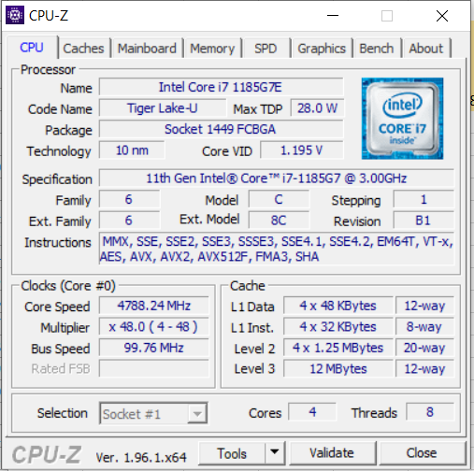
 | L1 |  | L2

 | 32 | KB | 1.25 | MB
cache size | 32768 | Bytes | 1310720 | Bytes

target volume |  | < L1 |  | L2+1kb (>L2)
volume to copy |  | 64 | Bytes | 1311744 | Bytes

times to copy a volume |  | 1311744 | x | 64 | x

result workload |  | 83951616 | Bytes | 83951616 | Bytes

time to copy, ns
average |  | 1134633 |  | 3727950
a:b |  | 1 | : | 3.3

