Sheet1
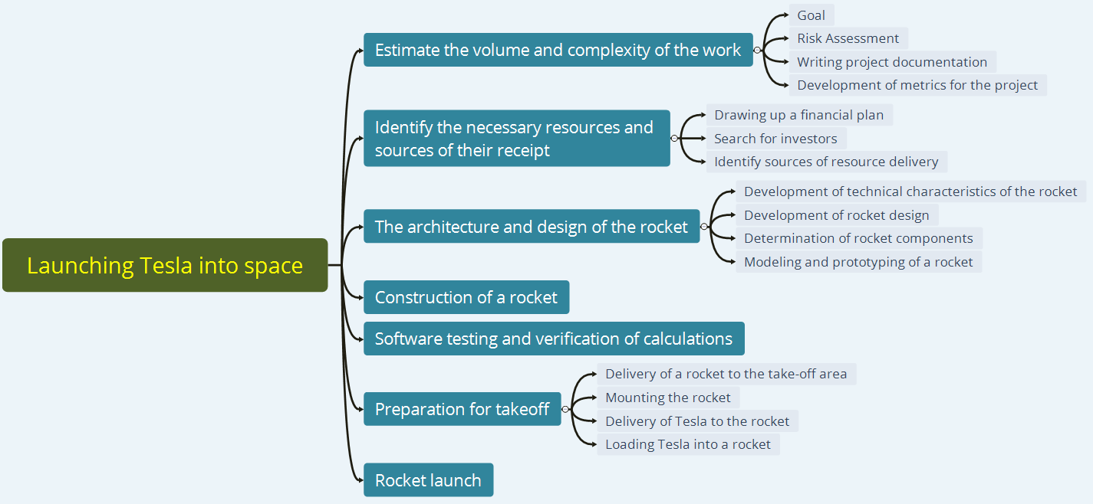
№ | Launching Tesla into space
1 | Estimate the volume and complexity of the work |  | 1 year
1.1 |  | Goal | 3 days
1.2 |  | Risk Assessment | 7 days
1.3 |  | Writing project documentation | 9 months
1.4 |  | Development of metrics for the project | 2 moths and 20 days
2 | Identify the necessary resources and sources of their receipt |  | 1year
2.1 |  | Drawing up a financial plan | 2 weeks
2.2 |  | Search for investors | 9 months
2.3 |  | Identify sources of resource delivery | 2 months 2 weeks
3 | The architecture and design of the rocket |  | 2 years
3.1 |  | Development of technical characteristics of the rocket | 1 months
3.2 |  | Development of rocket design | 2 months
3.3 |  | Determination of rocket components | 1 year 2 months
3.4 |  | Modeling and prototyping of a rocket | 7 months
4 | Construction of a rocket |  | 1 year
5 | Software testing and verification of calculations |  | 2 years
6 | Preparation for takeoff |  | 9 houers
6.1 |  | Delivery of a rocket to the take-off area | 5 houers
6.2 |  | Mounting the rocket | 2 houers
6.3 |  | Delivery of Tesla to the rocket | 1 houers
6.4 |  | Loading Tesla into a rocket | 1 houer
7 | Rocket launch |  | 1 houer
 |  |  | 7 years

 | (7 + 4 * 10 + 14)/6=10 years | Three-point estimation

 |  |  | исправить вре. В одной единице

