Sheet1
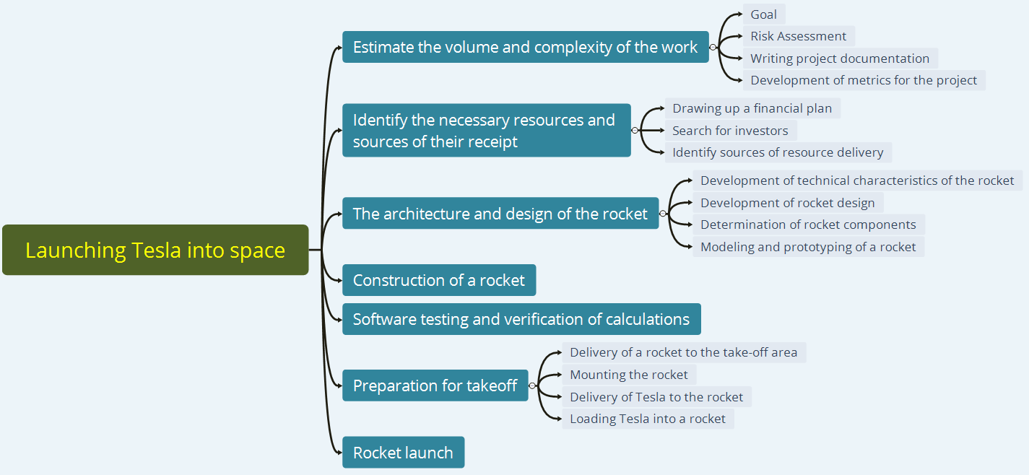
№ | Launching Tesla into space
1 | Estimate the volume and complexity of the work |  | 8757 hours | (8700 + 16000 + 4 * 9000) /6 = 10116 (10116)
1.1 |  | Goal | 72 hours | (65 + 130 + 4 * 72)/6 = 79
1.2 |  | Risk Assessment | 160 hours | (150 + 270 + 4 * 160)/6 = 176
1.3 |  | Writing project documentation | 6600 hours | (6400 + 13000 + 4 * 6700)/6 = 7653
1.4 |  | Development of metrics for the project | 1925 hours | (1850 + 3600 + 4 * 1950)/6 = 2208
2 | Identify the necessary resources and sources of their receipt |  | 9151 hours | (8300 + 18000 + 4 * 9000)/6 = 10083 (10083)
2.1 |  | Drawing up a financial plan | 336 hours | (230 + 560 + 4 * 360)/6 = 383
2.2 |  | Search for investors | 6795 hours | (6200 + 12000 + 4 * 6700) /6 = 7500
2.3 |  | Identify sources of resource delivery | 2020 hours | (1800 + 3600 + 4 * 1968) / 6 =2200
3 | The architecture and design of the rocket |  | 17556 hours | (16000 + 30000 + 4 * 16500) / 6 = 18666 (18666)
3.1 |  | Development of technical characteristics of the rocket | 720 hours | (650 + 1400 + 4 * 700) / 6 = 825
3.2 |  | Development of rocket design | 1450 hours | (1250 + 2700 + 4 * 1350) / 6 = 1558
3.3 |  | Determination of rocket components | 10250 hours | (9000 + 18000 + 4 * 10000) /6 =10700
3.4 |  | Modeling and prototyping of a rocket | 5136 hours | (4500 + 9000 + 4 * 5000) / 6 = 5583
4 | Construction of a rocket |  | 8790 hours | (8400 + 17000 + 4 * 8800) / 6 = 10100
5 | Software testing and verification of calculations |  | 17900 hours | (16500 + 30000 + 4 * 17000) / 6 = 17416
6 | Preparation for takeoff |  | 9 hours | (6 + 18 + 4 * 10) / 6 = 11 (11)
6.1 |  | Delivery of a rocket to the take-off area | 5 hours | (3 + 7 + 4 * 5) / 6 = 5
6.2 |  | Mounting the rocket | 2 hours | (1 + 3 + 4 * 2) / 6 = 2
6.3 |  | Delivery of Tesla to the rocket | 1 hours | (1 + 4 + 4 * 2) / 6 = 2
6.4 |  | Loading Tesla into a rocket | 1 hours | (1 + 4 + 4 * 2) / 6 = 2
7 | Rocket launch |  | 1 hours | (1 + 4 + 4 * 2) / 6 = 2
 |  |  | 62164 hours | 66394 hours

 |  |  |  | (1 optimistic + 1 pessimistic + 4 real) / 6

Sheet3
1.9
Regression
Total | Closed Issues | Reopen Issues | Reopen Rate, % | Decline Issues | Decline Rate, % | Blocked | Blocked Rate, % | Critical | Major
207 | 196 | 68 | 26 | 23 | 12 | 7 | 2,9 | 13 | 14

It is recommended to pay attention to regression testing in connection with a large number of bugs found in previously implemented and tested functionality

New functional
Total | Closed Issues | Reopen Issues | Reopen Rate, % | Decline Issues | Decline Rate, % | Blocked | Blocked Rate, % | Critical | Major
154 | 121 | 30 | 19 | 14 | 11 | 8 | 1,9 | 6 | 2

Decline Rate = (Decline Issues/Closed Issues)*100 %
Decline Rate = (23/196)*100%

Reopen Rate =(Reopen Bugs+Closed Bugs) /Reopen Bugs *100%
Reopen Rate =(68/(68+196))*100%

Blocked Rate = (Total/Blocked)*100%
Blocked Rate= (207/7)*100%

Decline Rate = (Decline Issues/Closed Issues)*100 %
Decline Rate = (14/121)*100%

Reopen Rate =(Reopen Bugs+Closed Bugs) /Reopen Bugs *100%
Reopen Rate =(30/ (30+121))*100%

Blocked Rate = (Total/Blocked)*100% |  |  |  |  |  |  |  |  |  | По всем дефектам |  |  |  |  |  | По новим дефектам
Blocked Rate= (154/8)*100% |  |  |  |  |  |  |  |  |  | Статус | Количество | Критич | Висок | Средн | Мин | Статус | Количество | Критич | Висок | Средн | Мин
 |  |  |  |  |  |  |  |  |  | Исправл | 280 | 30 | 70 | 100 | 80 | Исправл | 28 | 3 | 7 | 10 | 8
 | описать результаты рассчетов |  |  |  |  |  |  |  |  | провер | 170 | 50 | 20 | 50 | 50 | провер | 17 | 5 | 2 | 5 | 5
 | построить графики |  |  |  |  |  |  |  |  | откр зан. | 20 | 0 | 10 | 10 | 0 | откр зан. | 2 | 0 | 1 | 1 | 0
 |  |  |  |  |  |  |  |  |  | Найдено. | 360 | 50 | 110 | 80 | 120 | Найдено. | 36 | 5 | 11 | 8 | 12
 | dashboard в джире |  |  |  |  |  |  |  |  | Отклон | 40 | 0 | 0 | 10 | 30 | Отклон | 4 | 0 | 0 | 1 | 3

