Bug
id | Summary | Description | Environment | Priority
1 | The link on the website identified only by color or when you selected by mouse | Steps: 1. Open the website http://cnap-pl.gov.ua/index.php 2. Look at the links (Fro example: "Центр надання адміністративних послуг") Acctual result: 1. The website http://cnap-pl.gov.ua/index.php has been opened 2. The links identified only by a color with a low contrast level compared to the rest of the text Expected result: 1. The website http://cnap-pl.gov.ua/index.php should be opened 2. The color contrast ratio between the link text and the surrounding text should be at least 3:1, or the additional visual cues should be underlining the link or making it bold. | OS: Windows 10 x64 Enterprise Browser: Google Chrome Version 69.0.3497.100 | High | 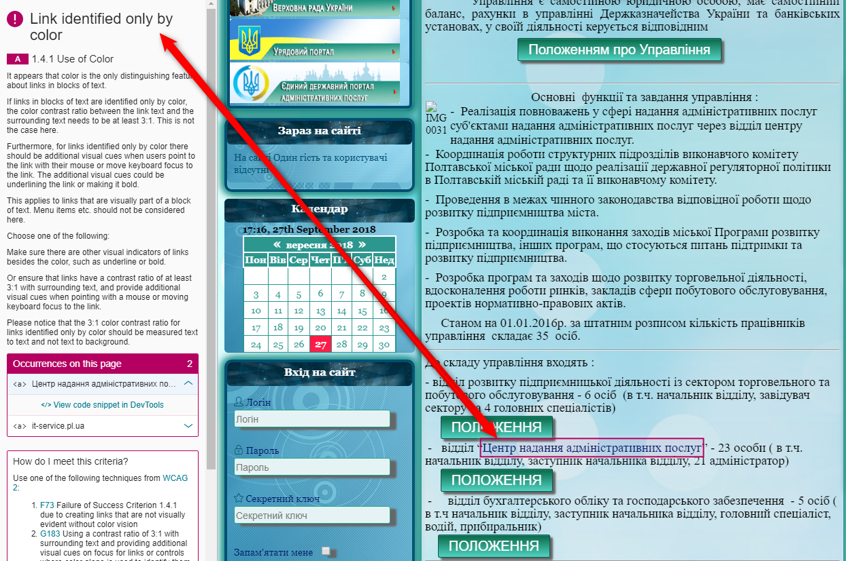
2 | The Color contrast is insufficient on the website | Steps: 1. Open the website http://cnap-pl.gov.ua/index.php 2. For example, look at the calendar area. Acctual result: 1. The website http://cnap-pl.gov.ua/index.php has been opened 2. Insufficient contrast between text and its background Expected result: 1. The website http://cnap-pl.gov.ua/index.php should be opened 2. The contrast ratio should be at least 4.5:1 for normal text and 3:1 for large text. | OS: Windows 10 x64 Enterprise Browser: Google Chrome Version 69.0.3497.101 | High |  | 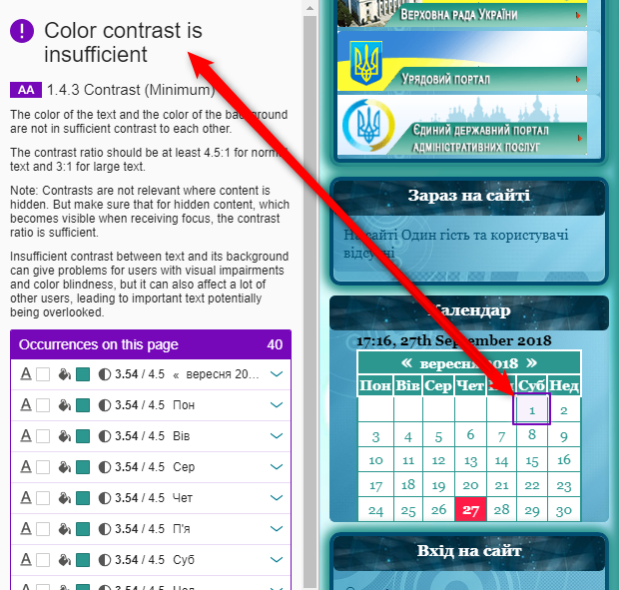
3 | The Images should not contain embedded text | Steps: 1. Open the website http://cnap-pl.gov.ua/index.php 2. For example, look at the header of the site. Acctual result: 1. The website http://cnap-pl.gov.ua/index.php has been opened 2. The site header contained embedded text Expected result: 1. The website http://cnap-pl.gov.ua/index.php should be opened 2. The Images should not contain embedded text | OS: Windows 10 x64 Enterprise Browser: Google Chrome Version 69.0.3497.102 | High
4 | The website does not have any indicating for the tabbing sequence | Steps: 1. Open the website http://cnap-pl.gov.ua/index.php 2. Press "Tab" button on the keyboard Acctual result: 1. The website http://cnap-pl.gov.ua/index.php has been opened 2. The tabbing sequence without any indication Expected result: 1. The website http://cnap-pl.gov.ua/index.php should be opened 2. The tabbing sequence should be with indication of which element user is in current moment if he use "Tab" button | OS: Windows 10 x64 Enterprise Browser: Google Chrome Version 69.0.3497.103 | High | 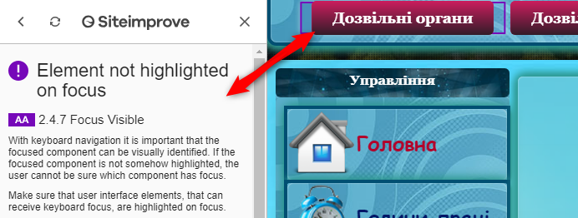
5 | The website does not have "Search" button in Search input field | Steps: 1. Open the website http://cnap-pl.gov.ua/index.php 2. Pay attention on the "Search" button in Search input field Acctual result: 1. The website http://cnap-pl.gov.ua/index.php has been opened 2. The "Search" button is missed in the Search input field Expected result: 1. The website http://cnap-pl.gov.ua/index.php should be opened 2. The "Search" button should be in the Search input field | OS: Windows 10 x64 Enterprise Browser: Google Chrome Version 69.0.3497.104 | High | 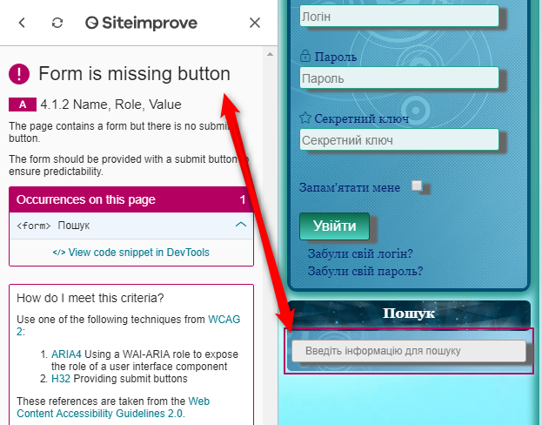
6 | The Color contrast is insufficient in the Search field | Steps: 1. Open the website http://cnap-pl.gov.ua/index.php 2. Pay attention on the label in the Search field Acctual result: 1. The website http://cnap-pl.gov.ua/index.php has been opened 2. Insufficient contrast between text and its background Expected result: 1. The website http://cnap-pl.gov.ua/index.php should be opened 2. The contrast ratio should be at least 4.5:1 for normal text and 3:1 for large text. | OS: Windows 10 x64 Enterprise Browser: Google Chrome Version 69.0.3497.105 | High | 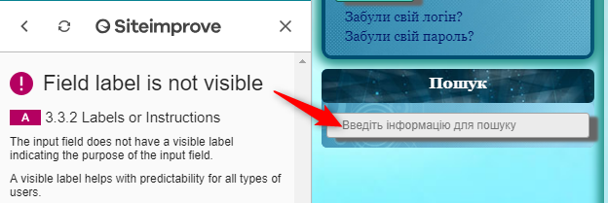
7 | The Color contrast is insufficient in the "Enter to the site" area | Steps: 1. Open the website http://cnap-pl.gov.ua/index.php 2. Pay attention on the label in the "Enter to the site" area Acctual result: 1. The website http://cnap-pl.gov.ua/index.php has been opened 2. Insufficient contrast between text and its background in the "Логін", "Пароль", "Секретний ключ" fields. Expected result: 1. The website http://cnap-pl.gov.ua/index.php should be opened 2. The contrast ratio should be at least 4.5:1 for normal text and 3:1 for large text. | OS: Windows 10 x64 Enterprise Browser: Google Chrome Version 69.0.3497.106 | High | 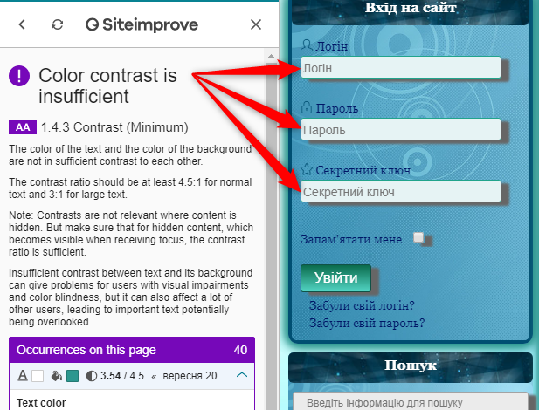
8 | iFrame does not have a description | Steps: 1. Open the website http://cnap-pl.gov.ua/index.php 2. Pay attention on description for IFrame Acctual result: 1. The website http://cnap-pl.gov.ua/index.php has been opened 2. iFrame does not have a description Expected result: 1. The website http://cnap-pl.gov.ua/index.php should be opened 2. iFrame should be with a description | OS: Windows 10 x64 Enterprise Browser: Google Chrome Version 69.0.3497.107 | High | 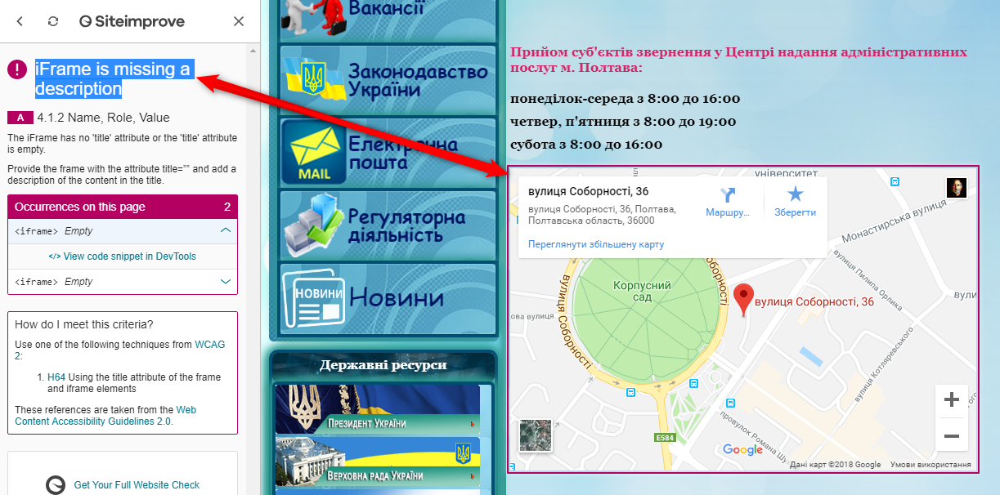
9 | Link text user for multiple different destinations | Steps: 1. Open the website http://cnap-pl.gov.ua/index.php 2. Click on the "Головна" button 3. Click on the image of the house Acctual result: 1. The website http://cnap-pl.gov.ua/index.php has been opened 2. The Home page is opened 3. The home page is opened in context window Expected result: 1. The website http://cnap-pl.gov.ua/index.php should be opened 2. The Home page should be opened in the same window 3. The Home page should be opened in the same window | OS: Windows 10 x64 Enterprise Browser: Google Chrome Version 69.0.3497.108 | High | 