Sheet1
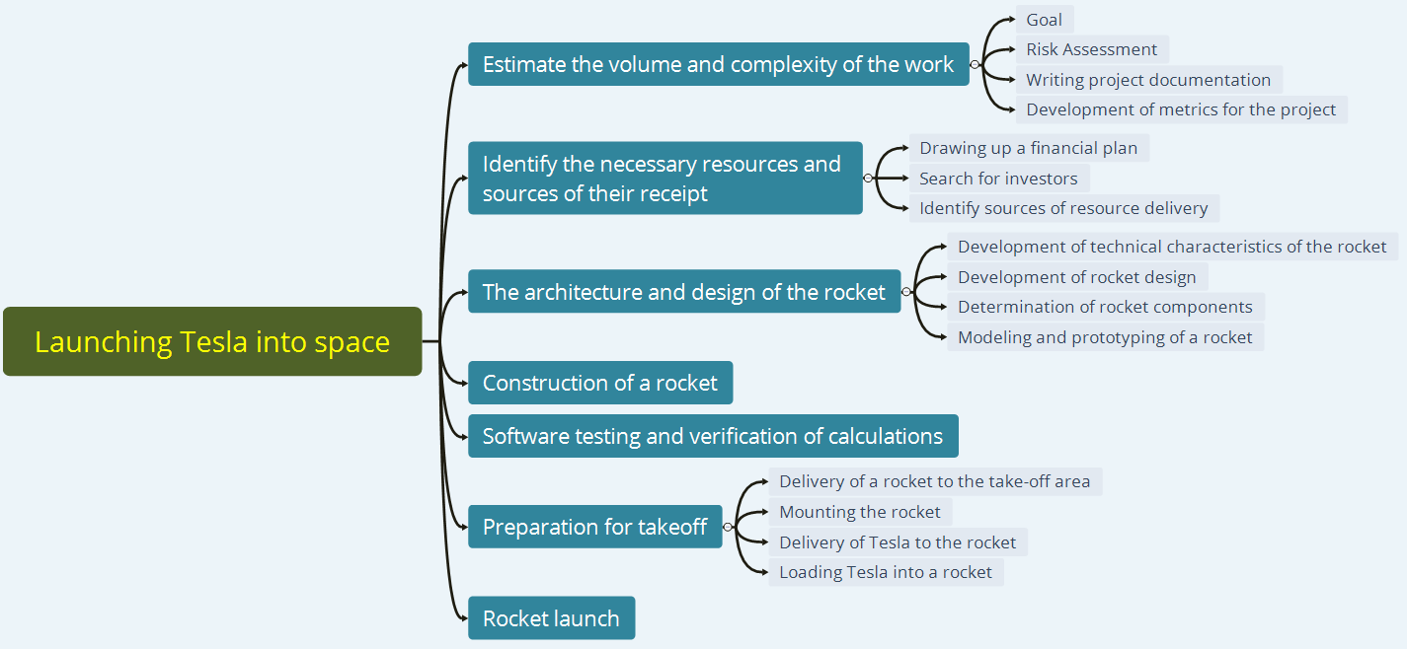
№ | Launching Tesla into space
1 | Estimate the volume and complexity of the work |  | 8757 hours | (8700 + 16000 + 4 * 9000) /6 = 10116 (10116)
1.1 |  | Goal | 72 hours | (65 + 130 + 4 * 72)/6 = 79
1.2 |  | Risk Assessment | 160 hours | (150 + 270 + 4 * 160)/6 = 176
1.3 |  | Writing project documentation | 6600 hours | (6400 + 13000 + 4 * 6700)/6 = 7653
1.4 |  | Development of metrics for the project | 1925 hours | (1850 + 3600 + 4 * 1950)/6 = 2208
2 | Identify the necessary resources and sources of their receipt |  | 9151 hours | (8300 + 18000 + 4 * 9000)/6 = 10083 (10083)
2.1 |  | Drawing up a financial plan | 336 hours | (230 + 560 + 4 * 360)/6 = 383
2.2 |  | Search for investors | 6795 hours | (6200 + 12000 + 4 * 6700) /6 = 7500
2.3 |  | Identify sources of resource delivery | 2020 hours | (1800 + 3600 + 4 * 1968) / 6 =2200
3 | The architecture and design of the rocket |  | 17556 hours | (16000 + 30000 + 4 * 16500) / 6 = 18666 (18666)
3.1 |  | Development of technical characteristics of the rocket | 720 hours | (650 + 1400 + 4 * 700) / 6 = 825
3.2 |  | Development of rocket design | 1450 hours | (1250 + 2700 + 4 * 1350) / 6 = 1558
3.3 |  | Determination of rocket components | 10250 hours | (9000 + 18000 + 4 * 10000) /6 =10700
3.4 |  | Modeling and prototyping of a rocket | 5136 hours | (4500 + 9000 + 4 * 5000) / 6 = 5583
4 | Construction of a rocket |  | 8790 hours | (8400 + 17000 + 4 * 8800) / 6 = 10100
5 | Software testing and verification of calculations |  | 17900 hours | (16500 + 30000 + 4 * 17000) / 6 = 17416
6 | Preparation for takeoff |  | 9 hours | (6 + 18 + 4 * 10) / 6 = 11 (11)
6.1 |  | Delivery of a rocket to the take-off area | 5 hours | (3 + 7 + 4 * 5) / 6 = 5
6.2 |  | Mounting the rocket | 2 hours | (1 + 3 + 4 * 2) / 6 = 2
6.3 |  | Delivery of Tesla to the rocket | 1 hours | (1 + 4 + 4 * 2) / 6 = 2
6.4 |  | Loading Tesla into a rocket | 1 hours | (1 + 4 + 4 * 2) / 6 = 2
7 | Rocket launch |  | 1 hours | (1 + 4 + 4 * 2) / 6 = 2
 |  |  | 62164 hours | 66394 hours

 |  |  |  | (1 optimistic + 1 pessimistic + 4 real) / 6

Sheet3
Regression
Regression
Total | 207
Closed Issues | 139
Decline Issues | 23
Decline Rate, % | 12
Regression
Total | 207
Closed Issues | 139
Blocked | 7
Blocked Rate, % | 2.9
Regression
Total | 207
Closed Issues | 139
Critical | 13
Major | 14
Regression
Total | Closed Issues | Reopen Issues | Reopen Rate, % | Decline Issues | Decline Rate, % | Blocked | Blocked Rate, % | Critical | Major
207 | 139 | 68 | 26 | 23 | 12 | 7 | 2.9 | 13 | 14

New functional
Total | Closed Issues | Reopen Issues | Reopen Rate, % | Decline Issues | Decline Rate, % | Blocked | Blocked Rate, % | Critical | Major
154 | 124 | 30 | 19 | 14 | 11 | 8 | 1.9 | 6 | 2

 |  |  |  |  |  |  |  |  |  | High level of reopened issues | Average level of declined bugs | Low level of blocked bugs |  | A large number of bugs with Major and Critical type
Decline Rate = (Decline Issues/Closed Issues)*100 %
Decline Rate = (23/196)*100%
 |  |  |  |  |  |  |  |  |  | It is recommended to pay attention to regression testing in connection with a large number of bugs found in previously implemented and tested functionality

New functional
New functional
Total | 154
Closed Issues | 124
Decline Issues | 14
Decline Rate, % | 11
New functional
Total | 154
Closed Issues | 124
Blocked | 8
Blocked Rate, % | 1.9
New functional
Total | 154
Closed Issues | 124
Critical | 6
Major | 2
Reopen Rate =(Reopen Bugs+Closed Bugs) /Reopen Bugs *100%
Reopen Rate =(68/(68+196))*100%

Blocked Rate = (Total/Blocked)*100%
Blocked Rate= (207/7)*100%
1.9

Decline Rate = (Decline Issues/Closed Issues)*100 %
Decline Rate = (14/121)*100%

Reopen Rate =(Reopen Bugs+Closed Bugs) /Reopen Bugs *100%
Reopen Rate =(30/ (30+121))*100%

Blocked Rate = (Total/Blocked)*100% |  |  |  |  |  |  |  |  |  | Medium level of reopened bugs | Low level of declined bugs |  | Low level of blocked bugs | Low level of bugs with Major and Critical type
Blocked Rate= (154/8)*100%

 |  |  |  |  |  |  |  |  |  | During the development of the new functionality, several errors were found, which means that the functionality was well integrated with the rest of the program

