Sheet1
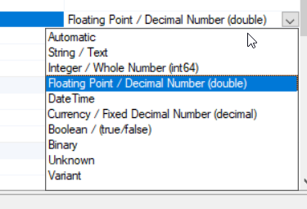
String | Integer | Floating Point | DateTime | Currency | Boolean
Test | 42 | 42.42 | 2020-01-01 | 42.42 kr. | FALSE

