Sleep
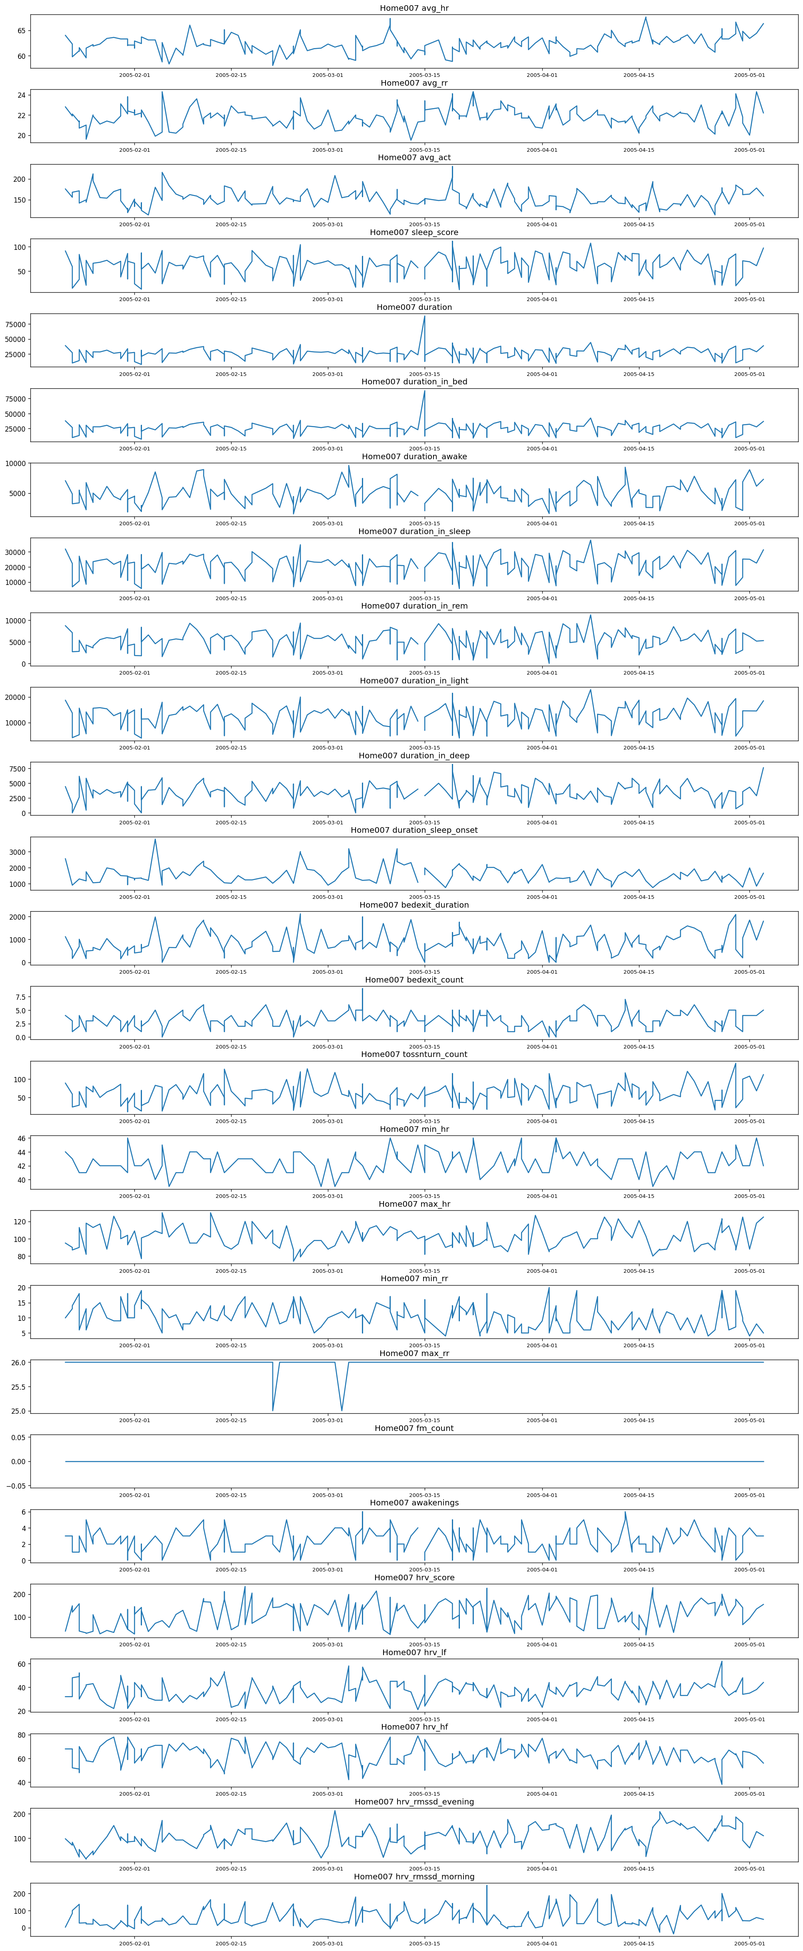
Sleep
from | to | avg_hr | avg_rr | avg_act | sleep_score | duration | duration_in_bed
int - time | int - time | float | float | float | int | int | int
duration_awake | duration_in_sleep | duration_in_rem | duration_in_light | duration_in_deep | duration_sleep_onset | bedexit_duration | bedexit_count
int | int | int | int | int | int | int | int
tossnturn_count | from_gmt_offset | hrv_rmssd_morning
int | int | float

 | Home | n | min | max | mean | median | mode | stdev
 | 1 | 309 | 1 | 3 | 2.03 | 2 | 2 | 0.59
 | 2 | 248 | 1 | 3 | 1.16 | 1 | 1 | 0.46 |  |  |  |  |  |  | Variable | Value | Type
 | 7 | 136 | 1 | 2 | 1.99 | 2 | 2 | 0.08 |  |  |  |  |  |  | from | 11/5/04 | datetime
 | Average | 231 | 1 | 2.6666666667 | 1.7266666667 | 1.6666666667 | 1.6666666667 | 0.37666666667 | 11.610972222 |  |  |  |  |  | avg_hr | 75.2 | float
 | Total | 693 |  |  |  |  |  |  |  |  |  |  |  |  | avg_rr | 15.6 | float
 |  |  |  |  |  |  |  |  |  |  |  |  |  |  | duration_in_rem | 8210 | int
 |  |  |  |  |  |  |  |  |  |  |  |  |  |  | sleep_score | 68 | int
 |  |  |  |  |  |  |  |  |  |  |  |  |  |  | hrv_rmssd_morning | 104.2 | float
 | Home002 | avg_hr | avg_rr | avg_act | sleep_score | duration | duration_in_bed | duration_awake | duration_in_sleep | duration_in_rem | duration_in_light | duration_in_deep | duration_sleep_onset | bedexit_duration | awakenings | 12 | int
 | count | 36 | 36 | 36 | 36 | 36 | 36 | 36 | 36 | 36 | 36 | 36 | 36 | 36
 | mean | 59.283333333 | 15.144444444 | 67.363888889 | 96.777777778 | 37452.111111 | 36306.166667 | 5643.3333333 | 31805.833333 | 8010 | 18235 | 5560.8333333 | 2590.8333333 | 1145.9444444 | *hrv = heart rate variability
 | std | 1.7411818646 | 0.93730447697 | 17.33549872 | 19.7384485 | 7189.4797737 | 6741.1818315 | 2421.9366513 | 6227.7317013 | 2238.8581273 | 3606.4977075 | 1423.3709987 | 1130.3991078 | 974.29168247
 | min | 56.3 | 13 | 48.3 | 24 | 11671 | 11671 | 1980 | 7680 | 0 | 4740 | 2850 | 330 | 0
 | percentiles
 | 0.25 | 57.975 | 14.6 | 58.65 | 88.75 | 34191.5 | 33718.75 | 3952.5 | 29587.5 | 7020 | 16882.5 | 4440 | 1815 | 428.75
 | 0.5 | 58.95 | 15 | 64.55 | 97.5 | 38668.5 | 37017.5 | 5670 | 32490 | 8265 | 18840 | 5625 | 2700 | 987.5
 | 0.75 | 60.45 | 15.75 | 71.375 | 109 | 41799.5 | 41003.25 | 6712.5 | 35017.5 | 9622.5 | 20520 | 6255 | 3270 | 1604.25
 | max | 62.7 | 17.6 | 146.4 | 130 | 47371 | 45516 | 11370 | 41460 | 11460 | 24930 | 8430 | 4470 | 3891
 |  | min_hr | max_hr | min_rr | max_rr | fm_count | awakenings | hrv_score | hrv_lf | hrv_hf | hrv_rmssd_evening | hrv_rmssd_morning | bedexit_count | tossnturn_count
 | count | 36 | 36 | 36 | 36 | 36 | 36 | 36 | 36 | 36 | 27 | 27 | 36 | 36
 | mean | 44.222222222 | 98.25 | 5 | 24.861111111 | 0.13888888889 | 1.4722222222 | 48.027777778 | 31.583333333 | 43.416666667 | 43.603703704 | 40.414814815 | 2.5555555556 | 48.833333333
 | std | 2.4390994956 | 11.755545804 | 1.1212238212 | 1.6928889556 | 0.42445109278 | 1.4240006242 | 43.583408449 | 19.168985367 | 25.917864771 | 25.537159674 | 16.646475804 | 2.1306530782 | 11.505278292
 | min | 39 | 74 | 4 | 20 | 0 | 0 | 0 | 0 | 0 | 13.3 | 7.8 | 0 | 28
 | percentiles
 | 0.25 | 43 | 88.5 | 4 | 23.75 | 0 | 1 | 21 | 21.75 | 32.25 | 26.7 | 29.35 | 1 | 41
 | 0.5 | 44 | 99 | 5 | 26 | 0 | 1 | 45 | 40 | 57 | 36.9 | 40.1 | 2 | 48.5
 | 0.75 | 45.25 | 106.25 | 5 | 26 | 0 | 2 | 57.25 | 43 | 60 | 57.65 | 55.1 | 3.25 | 55
 | max | 50 | 120 | 9 | 26 | 2 | 5 | 201 | 57 | 71 | 132.2 | 72.7 | 10 | 76

 | Home007 | avg_hr | avg_rr | avg_act | sleep_score | duration | duration_in_bed | duration_awake | duration_in_sleep | duration_in_rem | duration_in_light | duration_in_deep | duration_sleep_onset | bedexit_duration |  |  | Sleep Variables Measured
 | count | 100 | 100 | 100 | 99 | 100 | 100 | 99 | 99 | 99 | 99 | 99 | 99 | 100 |  |  | avg_hr | avg_rr | avg_act | sleep_score
 | mean | 62.557678176 | 21.591422982 | 152.37329148 | 72.858585859 | 31117.883838 | 30139.850729 | 5636.0606061 | 25130.606061 | 6364.2424242 | 14700.30303 | 4066.0606061 | 1558.1818182 | 978.03310926 |  |  | duration | duration_in_bed | duration_awake | duration_in_sleep
 | std | 1.4964312499 | 0.88167810131 | 19.279601536 | 14.287864196 | 6027.9466071 | 5924.1983222 | 1509.9931194 | 4367.4154824 | 1553.2152898 | 2768.0323279 | 1298.0219002 | 545.07509993 | 465.93809885 |  |  | duration_in_rem | duration_in_light | duration_in_deep | duration_sleep_onset
 | min | 58.4 | 19.5 | 112.9 | 24 | 10759 | 10759 | 2250 | 8520 | 1560 | 5580 | 1380 | 750 | 0 |  |  | bedexit_duration | min_hr | max_hr | min_rr
 | percentiles |  |  |  |  |  |  |  |  |  |  |  |  |  |  |  | max_rr | fm_count | awakenings | hrv_score
 | 0.25 | 61.7 | 21 | 139.175 | 62.5 | 27665.75 | 26778.5 | 4515 | 22365 | 5370 | 13275 | 3210 | 1170 | 645 |  |  | hrv_lf | hrv_hf | hrv_rmssd_evening | hrv_rmssd_morning
 | 0.5 | 62.5 | 21.65 | 149.65 | 71 | 30941.5 | 29635 | 5610 | 24630 | 6300 | 14670 | 3990 | 1470 | 901.5 |  |  | bedexit_count | tossnturn_count
 | 0.75 | 63.325 | 22.1 | 161.925 | 84 | 34006.75 | 33221.25 | 6585 | 28185 | 7350 | 16245 | 4845 | 1845 | 1238.75
 | max | 67.6 | 24.3 | 215.7 | 111 | 65676.383829 | 65499.072903 | 9600 | 37770 | 11250 | 22860 | 8160 | 3780 | 2117
 |  | min_hr | max_hr | min_rr | max_rr | fm_count | awakenings | hrv_score | hrv_lf | hrv_hf | hrv_rmssd_evening | hrv_rmssd_morning | bedexit_count | tossnturn_count
 | count | 100 | 100 | 100 | 100 | 100 | 99 | 100 | 100 | 100 | 100 | 100 | 100 | 100
 | mean | 42.201641937 | 104.40674535 | 8.815670383 | 25.99 | 0 | 3.0606060606 | 101.0309772 | 35.812313424 | 64.187686576 | 104.80055161 | 42.969128617 | 3.7459965796 | 74.915047778
 | std | 1.5107728054 | 12.28550107 | 2.9619157769 | 0.1 | 0 | 1.1677484162 | 54.220916237 | 7.6141355082 | 7.6141355082 | 41.559490948 | 37.896027419 | 1.3162127491 | 23.141287458
 | min | 39 | 80 | 4 | 25 | 0 | 0 | 25 | 21 | 45 | 17.3 | -36.1 | 0 | 13
 | percentiles
 | 0.25 | 41 | 93.75 | 6 | 26 | 0 | 2 | 51 | 30 | 57.75 | 71.525 | 16.175 | 3 | 60.75
 | 0.5 | 42 | 105 | 9 | 26 | 0 | 3 | 89.5 | 35 | 65 | 103.9 | 34.7 | 4 | 70.5
 | 0.75 | 43 | 113.25 | 11 | 26 | 0 | 4 | 152.25 | 42.25 | 70 | 136.1 | 62.35 | 5 | 87
 | max | 46 | 130 | 15 | 26 | 0 | 6 | 214 | 55 | 79 | 212.3 | 157.9 | 9 | 143

Sleep Sensor

 |  |  |  |  |  |  |  |  |  |  |  |  |  |  |  |  |  |  |  |  | time
 | from | to | avg_hr | avg_rr | avg_act | sleep_score
 | int - time | int - time | float | float | float | int
 | duration | duration_in_bed | duration_awake | duration_in_sleep | duration_in_rem | duration_in_light
 | int | int | int | int | int | int
 | duration_in_deep | duration_sleep_onset | bedexit_duration | bedexit_count | tossnturn_count | from_gmt_offset
 | int | int | int | int | int | int
 | min_hr | max_hr | min_rr | max_rr | fm_count | awakenings
 | int | int | int | int | int | int
 | hrv_score | hrv_lf | hrv_hf | hrv_rmssd_evening | hrv_rmssd_morning | home
 | int | int | int | float | int | home_id
 | sensor
 | id

Water Sensor
 | time | volume | home | sensor | day | hour
 | int - time | float | home_id | sensor_id | int | int

Electricity Sensor

 | functions | purpose
Data Cleaning & Pre-Processing (Ordered)

 | transform_sleeptimeFrom | convert the times of all sensors into datetime objects, which enables the processing of the objects through specific manipulation methods.
 | transform_sleeptimeTo
 | transform_timewater
 | transform_timeelectricity
 | round_time | round the times to their nearest hour. We apply the same readings to all the pertient hours if the data is give in a date range
 | rounded_range
 | remove_repeats_sleep | Some of the data contains readigs that are duplicate, we verify their duplicity by ensuring the relevant readings give the exact same value

Data Pre-Processing
 | normalize_columns | Column-wise normalization of features
 | harmonize_sleep_readings
 | create_series

values for the day

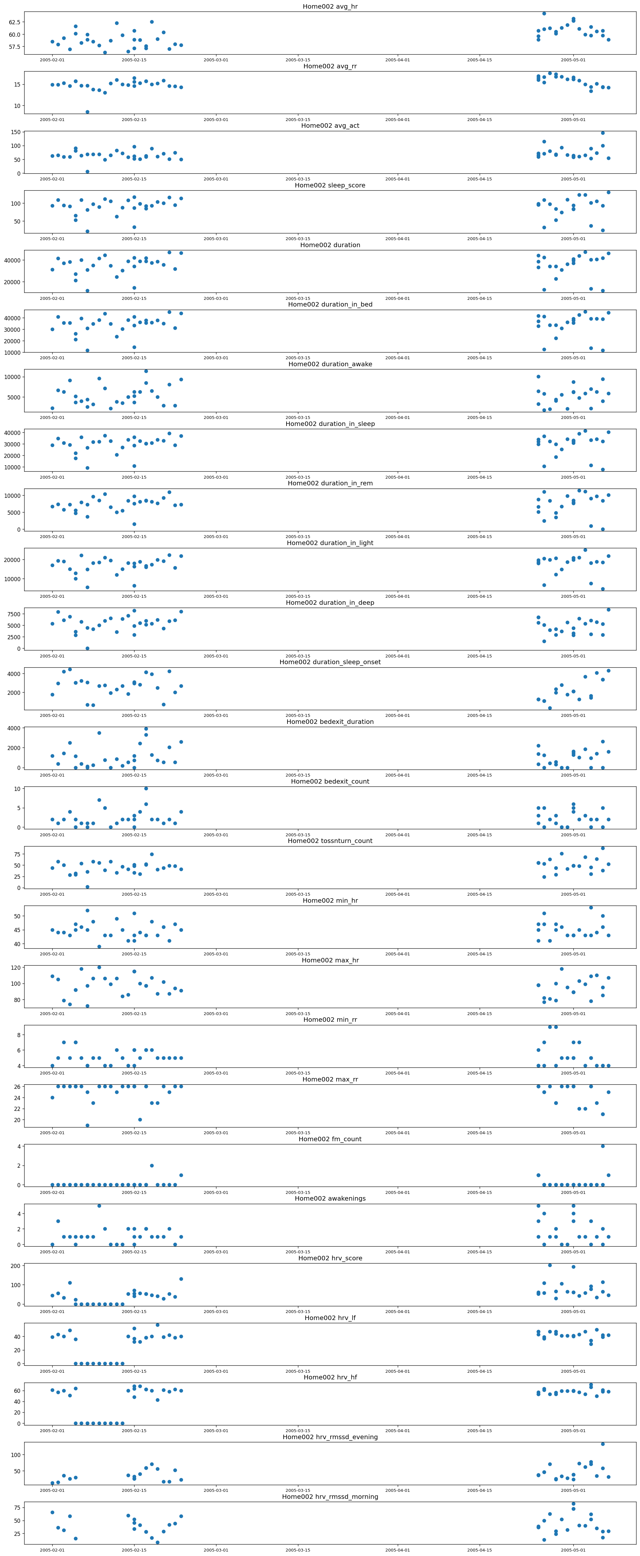
Home 002 |  |  |  |  |  |  | Home007

Water
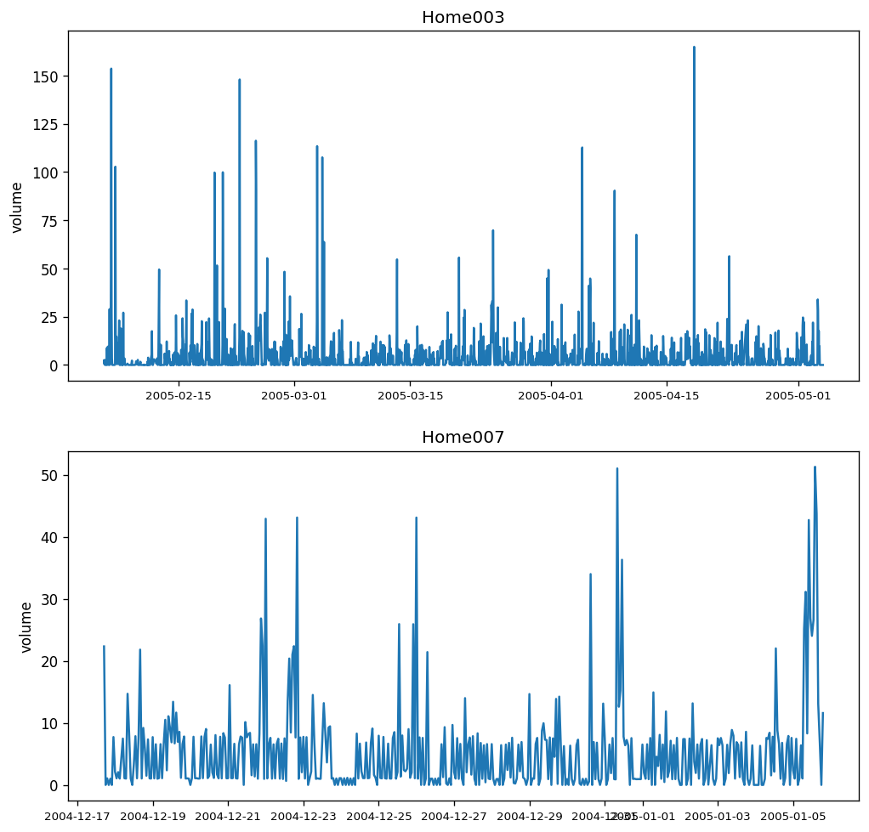
Hourly Readings

Home | n | min | max | mean | stdev | Days
3 | 1938 | 0 | 164.91 | 4.81 | 11.89 | 11.89
7 | 457 | 0 | 51.29 | 5.34 | 7.57 | 7.57
Average | 1197.5 | 0 | 108.1 | 5.075 | 9.73 | 9.73
Total | 2395

Variable | Value | Type
time | 11/5/04 | datetime
volume | 85.06 | float
avg_rr | 15.6 | float
duration_in_rem | 8210 | int
sleep_score | 68 | int
hrv_rmssd_morning | 104.2 | float
awakenings | 12 | int

Electricity
home003
 |  |  |  |  |  |  |  |  | home002
hourly readings

Home | n | min | max | mean | median | stdev
2 | 2574 | 0.039 | 10384.528 | 719.7528 | 472.74 | 874.33545
3 | 13592 | 0.003 | 8049 | 424.8133 | 56.403 | 708.010053
6 | 4101 | 0.003 | 4039.855 | 226.4 | 88.894 | 478.54255
Average | 6755.6666667 | 0.015 | 7491.1276667 | 456.9887 | 206.01233333 | 686.96268433
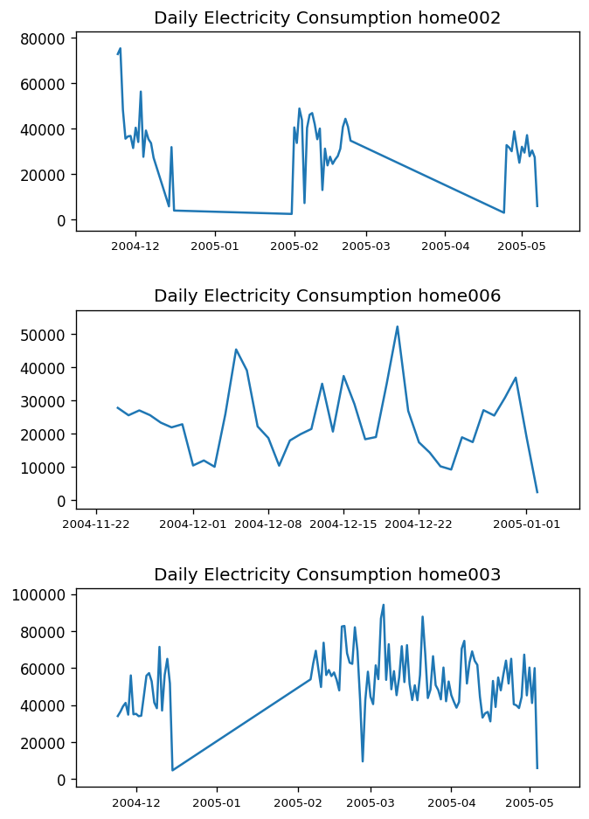
Total | 20267

 |  |  |  |  |  |  |  |  |  | Eat Drink Devices | coffee maker 2 | coffee maker 3 | coffee maker 4 | furnace | microwave
 |  |  |  |  |  |  |  |  |  |  | fridge | fridge 2 | fridge 3 | fridge 4 | stove
 |  |  |  |  |  |  |  |  |  | Other devices | heat 1 | heat 5 | motor 1 | device 1 | dryer
 |  |  |  |  |  |  |  |  |  |  | heat 2 | heat 6 | motor 2 | device 2 | dryer 2
 |  |  |  |  |  |  |  |  |  |  | heat 3 | heat 7 | light 1 | device 4 | always on
 |  |  |  |  |  |  |  |  |  |  | heat 4 | consumption | light 2 | washer | ac

 |  |  |  |  |  |  |  |  |  |  |  | Electricity Device Lists

 |  |  |  |  |  |  |  |  |  | Home 2 Devices | always on | consumption | device 1 | heat 1, 2 | motor 1 | fridge 1, 2, 3, 4
 |  |  |  |  |  |  |  |  |  | home 3 Devices | ac | always on | coffee maker 2, 3, 4 | consumption | device 1, 2, 4 | dryer 1, 2 | washer
 |  |  |  |  |  |  |  |  |  |  | furnace | heat 1, 2, 3, 4, 5, 6 | light 1 | microwave | motor 1, 2 | motor 2
 |  |  |  |  |  |  |  |  |  | Home 6 Devices | always on | consumption | device 1, 2 | fridge 1, 2, 3 | heat 1, 2, 3, 4 | light 1, 2 | microwave
 |  |  |  |  |  |  |  |  |  |  | motor 1, 2 | stove

Home003 |  |  |  |  |  |  | Home002 |  |  |  |  |  |  |  |  | Home006
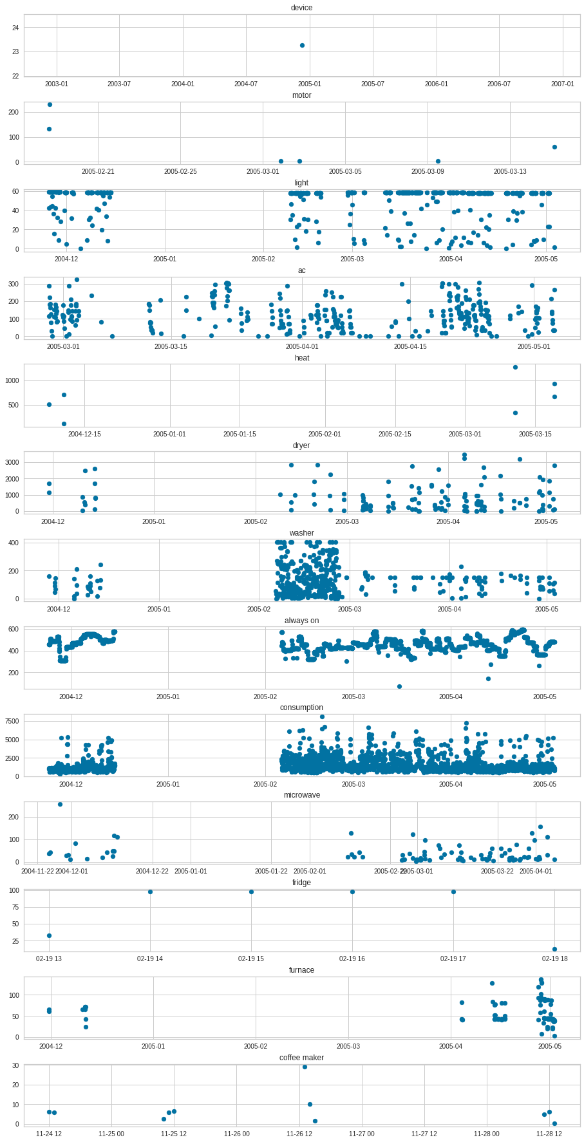
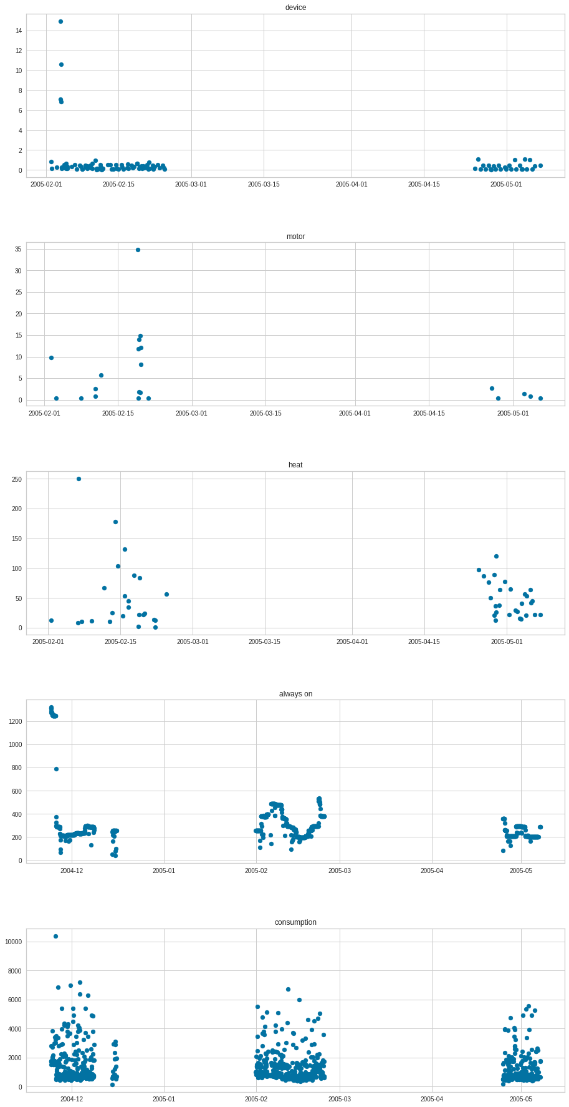
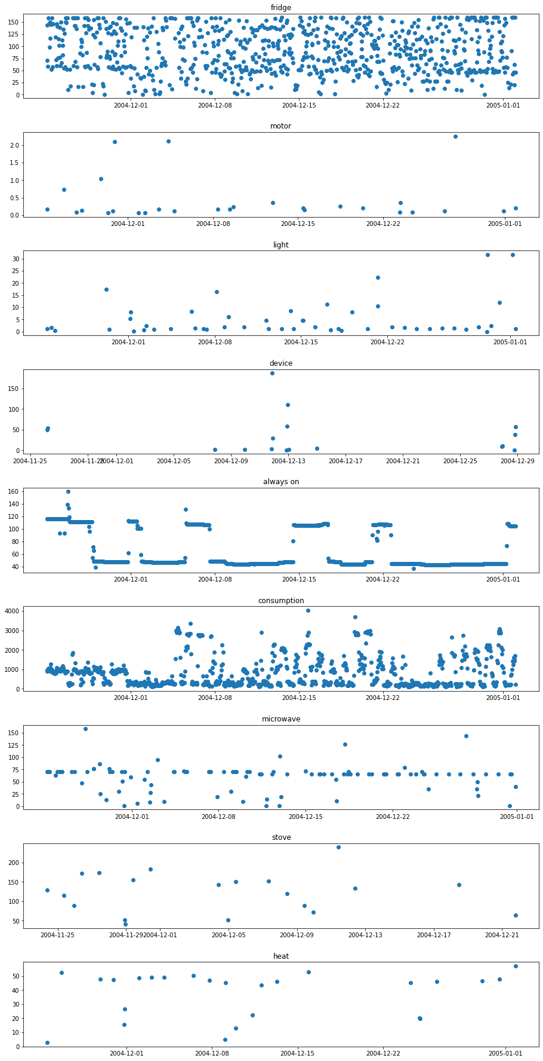

 |  |  |  |  |  |  |  | Home006

Follow-up Calls
Follow-up Calls |  |  |  |  |  |  |  | participant_id | redcap_event_name | fu_date
Healthcare Utilization | Total Qs | 8 |  |  |  |  |  | HS-001 | fc0w1_1_arm_1 | 2003-11-02 | 1
Questions Used | Have you been to the doctor's office, emergency room, or hospital since we last spoke? |  |  |  |  |  |  | HS-001 | fc0w1_2_arm_1 | 2003-11-03 | 1
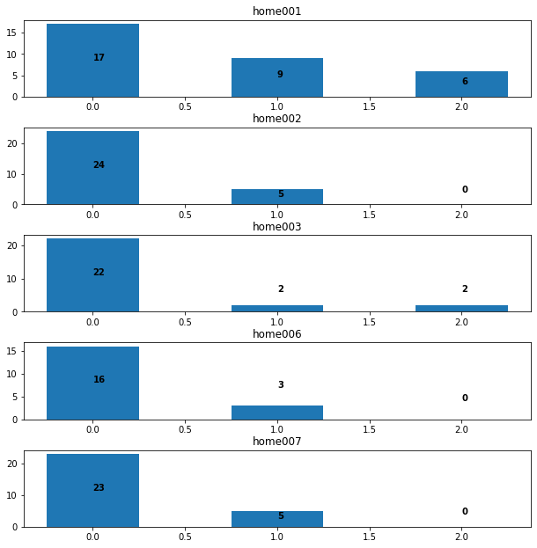
Coding | none = 0 | scheduled = 1 | uncheduled = 2 |  |  |  |  | HS-001 | fc0w1_3_arm_1 | 2003-11-04 | 1
 |  |  |  |  |  |  |  | HS-001 | fc0w1_4_arm_1 | 2003-11-05 | 3
Home | n | min | max | mean | median | mode | stdev | HS-001 | fc0w1_5_arm_1 | 2003-11-08 | 3 |  | 130
1 | 32 | 0 | 2 | 0.65 | 0 | 0 | 0.78 | HS-001 | fc0w2_1_arm_1 | 2003-11-11 | 5
2 | 29 | 0 | 1 | 0.17 | 0 | 0 | 0.38 | HS-001 | fc0w2_2_arm_1 | 2003-11-16 | 2
3 | 26 | 0 | 2 | 0.23 | 0 | 0 | 0.58 | HS-001 | fc0w2_3_arm_1 | 2003-11-18 | 6
6 | 19 | 0 | 1 | 0.15 | 0 | 0 | 0.37 | HS-001 | fc0w3_1_arm_1 | 2003-11-24 | 7
7 | 28 | 0 | 1 | 0.17 | 0 | 0 | 0.39 | HS-001 | fc0w4_1_arm_1 | 2003-12-01 | 7
Average | 26.8 | 0 | 1.4 | 0.274 | 0 | 0 | 0.5 | HS-001 | fc0w5_1_arm_1 | 2003-12-08 | 7
Total | 134 |  |  |  |  |  |  | HS-001 | fc0w6_1_arm_1 | 2003-12-15 | 7
 |  |  |  |  |  |  |  | HS-001 | fc0w7_1_arm_1 | 2003-12-22 | 7
 |  |  |  |  |  |  |  | HS-001 | fc0w8_1_arm_1 | 2003-12-29 | 21
 |  |  |  |  |  |  |  | HS-001 | fcm03a_arm_1 | 2004-01-19 | 14
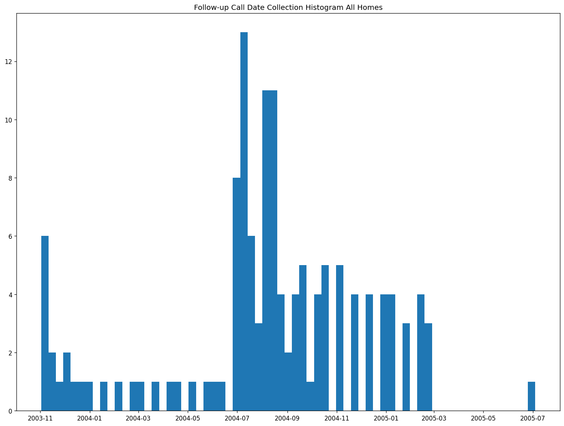
 |  |  |  |  |  |  |  | HS-001 | fcm03b_arm_1 | 2004-02-02 | 21
 |  |  |  |  |  |  |  | HS-001 | fcm04a_arm_1 | 2004-02-23 | 14
 |  |  |  |  |  |  |  | HS-001 | fcm04b_arm_1 | 2004-03-08 | 14
 |  |  |  |  |  |  |  | HS-001 | fcm05a_arm_1 | 2004-03-22 | 14
 |  |  |  |  |  |  |  | HS-001 | fcm05b_arm_1 | 2004-04-05 | 14
 |  |  |  |  |  |  |  | HS-001 | fcm06a_arm_1 | 2004-04-19 | 14
 |  |  |  |  |  |  |  | HS-001 | fcm06b_arm_1 | 2004-05-03 | 21
 |  |  |  |  |  |  |  | HS-001 | fcm07a_arm_1 | 2004-05-24 | 14
 |  |  |  |  |  |  |  | HS-001 | fcm07b_arm_1 | 2004-06-07 | 7
 |  |  |  |  |  |  |  | HS-001 | fcm08a_arm_1 | 2004-06-14 | 14
 |  |  |  |  |  |  |  | HS-001 | fcm08b_arm_1 | 2004-06-28 | 40
 |  |  |  |  |  |  |  | HS-001 | fcm09a_arm_1 | 2004-08-07 | 32
 |  |  |  |  |  |  |  | HS-001 | fcm09b_arm_1 | 2004-09-08 | 14
 |  |  |  |  |  |  |  | HS-001 | fcm10a_arm_1 | 2004-09-22 | 14
 |  |  |  |  |  |  |  | HS-001 | fcm10b_arm_1 | 2004-10-06 | 14
 |  |  |  |  |  |  |  | HS-001 | fcm11a_arm_1 | 2004-10-20 | 20
 |  |  |  |  |  |  |  | HS-001 | fcm11b_arm_1 | 2004-11-09 |  | 12.032258065 | 30
 |  |  |  |  |  |  |  | HS-002 | fc0w1_1_arm_1 | 2004-06-30 | 3 | 0.23076923077
 |  |  |  |  |  |  |  | HS-002 | fc0w1_2_arm_1 | 2004-07-03 | 1
 |  |  |  |  |  |  |  | HS-002 | fc0w1_3_arm_1 | 2004-07-04 | 1
 |  |  |  |  |  |  |  | HS-002 | fc0w1_4_arm_1 | 2004-07-05 | 1
 |  |  |  |  |  |  |  | HS-002 | fc0w1_5_arm_1 | 2004-07-06 | 4
 |  |  |  |  |  |  |  | HS-002 | fc0w2_1_arm_1 | 2004-07-10 | 3
 |  |  |  |  |  |  |  | HS-002 | fc0w2_2_arm_1 | 2004-07-13 | 1
 |  |  |  |  |  |  |  | HS-002 | fc0w2_3_arm_1 | 2004-07-14 | 4
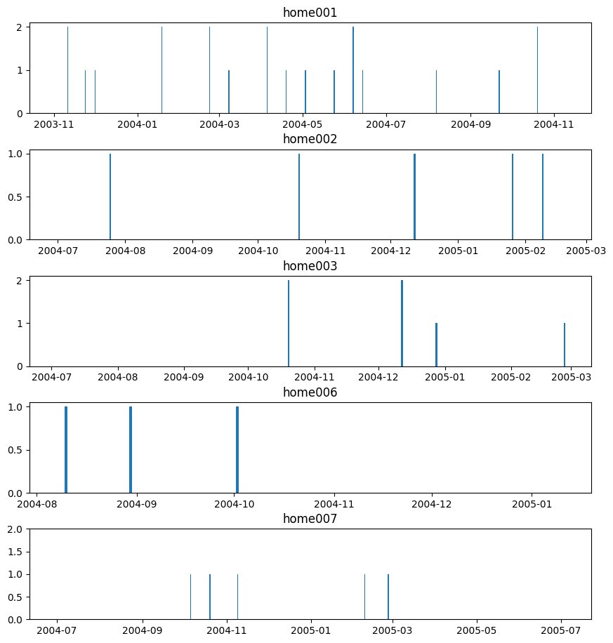
 |  |  |  |  |  |  |  | HS-002 | fc0w3_1_arm_1 | 2004-07-18 | 7
 |  |  |  |  |  |  |  | HS-002 | fc0w4_1_arm_1 | 2004-07-25 | 8
 |  |  |  |  |  |  |  | HS-002 | fc0w5_1_arm_1 | 2004-08-02 | 6
 |  |  |  |  |  |  |  | HS-002 | fc0w5_2_arm_1 | 2004-08-08 | 2
 |  |  |  |  |  |  |  | HS-002 | fc0w6_1_arm_1 | 2004-08-10 | 1
 |  |  |  |  |  |  |  | HS-002 | fc0w6_2_arm_1 | 2004-08-11 | 5
 |  |  |  |  |  |  |  | HS-002 | fc0w7_1_arm_1 | 2004-08-16 | 2
 |  |  |  |  |  |  |  | HS-002 | fc0w7_2_arm_1 | 2004-08-18 | 7
 |  |  |  |  |  |  |  | HS-002 | fc0w8_1_arm_1 | 2004-08-25 | 11
 |  |  |  |  |  |  |  | HS-002 | fc0w8_2_arm_1 | 2004-09-05 | 15
 |  |  |  |  |  |  |  | HS-002 | fcm03a_arm_1 | 2004-09-20 | 16
 |  |  |  |  |  |  |  | HS-002 | fcm03b_arm_1 | 2004-10-06 | 14
 |  |  |  |  |  |  |  | HS-002 | fcm04a_arm_1 | 2004-10-20 | 20
 |  |  |  |  |  |  |  | HS-002 | fcm04b_arm_1 | 2004-11-09 | 15
 |  |  |  |  |  |  |  | HS-002 | fcm05a_arm_1 | 2004-11-24 | 18
 |  |  |  |  |  |  |  | HS-002 | fcm05b_arm_1 | 2004-12-12 | 16
 |  |  |  |  |  |  |  | HS-002 | fcm06a_arm_1 | 2004-12-28 | 14
 |  |  |  |  |  |  |  | HS-002 | fcm06b_arm_1 | 2005-01-11 | 15
 |  |  |  |  |  |  |  | HS-002 | fcm07a_arm_1 | 2005-01-26 | 14
 |  |  |  |  |  |  |  | HS-002 | fcm07b_arm_1 | 2005-02-09 | 0
 |  |  |  |  |  |  |  | HS-002 | fcm08a_arm_1 | 2005-02-09 | 10 | 8.0689655172 | 28
 |  |  |  |  |  |  |  | HS-002 | fcm08b_arm_1 | 2005-02-19 |  |  | 0.21538461538
 |  |  |  |  |  |  |  | HS-003 | fc0w1_1_arm_1 | 2004-07-03 | 1
 |  |  |  |  |  |  |  | HS-003 | fc0w1_2_arm_1 | 2004-07-04 | 1
 |  |  |  |  |  |  |  | HS-003 | fc0w1_3_arm_1 | 2004-07-05 | 1
 |  |  |  |  |  |  |  | HS-003 | fc0w1_4_arm_1 | 2004-07-06 | 1
 |  |  |  |  |  |  |  | HS-003 | fc0w1_5_arm_1 | 2004-07-07 | 3
 |  |  |  |  |  |  |  | HS-003 | fc0w2_1_arm_1 | 2004-07-10 | 3
 |  |  |  |  |  |  |  | HS-003 | fc0w2_2_arm_1 | 2004-07-13 | 1
 |  |  |  |  |  |  |  | HS-003 | fc0w2_3_arm_1 | 2004-07-14 | 4
 |  |  |  |  |  |  |  | HS-003 | fc0w3_1_arm_1 | 2004-07-18 | 7
 |  |  |  |  |  |  |  | HS-003 | fc0w4_1_arm_1 | 2004-07-25 | 8
 |  |  |  |  |  |  |  | HS-003 | fc0w5_1_arm_1 | 2004-08-02 | 6
 |  |  |  |  |  |  |  | HS-003 | fc0w6_1_arm_1 | 2004-08-08 | 6
 |  |  |  |  |  |  |  | HS-003 | fc0w6_2_arm_1 | 2004-08-14 | 4
 |  |  |  |  |  |  |  | HS-003 | fc0w7_1_arm_1 | 2004-08-18 | 4
 |  |  |  |  |  |  |  | HS-003 | fc0w7_2_arm_1 | 2004-08-22 | 3
 |  |  |  |  |  |  |  | HS-003 | fc0w8_1_arm_1 | 2004-08-25 | 14
 |  |  |  |  |  |  |  | HS-003 | fc0w8_2_arm_1 | 2004-09-08 | 14
 |  |  |  |  |  |  |  | HS-003 | fcm03a_arm_1 | 2004-09-22 | 14
 |  |  |  |  |  |  |  | HS-003 | fcm03b_arm_1 | 2004-10-06 | 14
 |  |  |  |  |  |  |  | HS-003 | fcm04a_arm_1 | 2004-10-20 | 20
 |  |  |  |  |  |  |  | HS-003 | fcm04b_arm_1 | 2004-11-09 | 15
 |  |  |  |  |  |  |  | HS-003 | fcm05a_arm_1 | 2004-11-24 | 18
 |  |  |  |  |  |  |  | HS-003 | fcm05b_arm_1 | 2004-12-12 | 16
 |  |  |  |  |  |  |  | HS-003 | fcm06a_arm_1 | 2004-12-28 | 14
 |  |  |  |  |  |  |  | HS-003 | fcm06b_arm_1 | 2005-01-11 | 15
 |  |  |  |  |  |  |  | HS-003 | fcm07a_arm_1 | 2005-01-26 | 14
 |  |  |  |  |  |  |  | HS-003 | fcm07b_arm_1 | 2005-02-09 | 17 |  | 8.8148148148 | 27
 |  |  |  |  |  |  |  | HS-003 | fcm08a_arm_1 | 2005-02-26 |  |  |  | 0.20769230769
 |  |  |  |  |  |  |  | HS-006 | fc0w1_1_arm_1 | 2004-08-07 | 1
 |  |  |  |  |  |  |  | HS-006 | fc0w1_2_arm_1 | 2004-08-08 | 1
 |  |  |  |  |  |  |  | HS-006 | fc0w1_3_arm_1 | 2004-08-09 | 1
 |  |  |  |  |  |  |  | HS-006 | fc0w1_4_arm_1 | 2004-08-10 | 1
 |  |  |  |  |  |  |  | HS-006 | fc0w1_5_arm_1 | 2004-08-11 | 3
 |  |  |  |  |  |  |  | HS-006 | fc0w2_1_arm_1 | 2004-08-14 | 2
 |  |  |  |  |  |  |  | HS-006 | fc0w2_2_arm_1 | 2004-08-16 | 2
 |  |  |  |  |  |  |  | HS-006 | fc0w2_3_arm_1 | 2004-08-18 | 5
 |  |  |  |  |  |  |  | HS-006 | fc0w3_1_arm_1 | 2004-08-23 | 7
 |  |  |  |  |  |  |  | HS-006 | fc0w4_1_arm_1 | 2004-08-30 | 9
 |  |  |  |  |  |  |  | HS-006 | fc0w5_1_arm_1 | 2004-09-08 | 14
 |  |  |  |  |  |  |  | HS-006 | fc0w6_1_arm_1 | 2004-09-22 | 10
 |  |  |  |  |  |  |  | HS-006 | fc0w7_1_arm_1 | 2004-10-02 | 18
 |  |  |  |  |  |  |  | HS-006 | fc0w8_1_arm_1 | 2004-10-20 | 20
 |  |  |  |  |  |  |  | HS-006 | fcm03a_arm_1 | 2004-11-09 | 15
 |  |  |  |  |  |  |  | HS-006 | fcm03b_arm_1 | 2004-11-24 | 18
 |  |  |  |  |  |  |  | HS-006 | fcm04a_arm_1 | 2004-12-12 | 16
 |  |  |  |  |  |  |  | HS-006 | fcm04b_arm_1 | 2004-12-28 | 14 | 8.7222222222 | 18
 |  |  |  |  |  |  |  | HS-006 | fcm05a_arm_1 | 2005-01-11
 |  |  |  |  |  |  |  | HS-007 | fc0w1_1_arm_1 | 2004-06-30
 |  |  |  |  |  |  |  | HS-007 | fc0w1_3_arm_1 | 2004-07-04 | 4
 |  |  |  |  |  |  |  | HS-007 | fc0w1_4_arm_1 | 2004-07-05 | 1
 |  |  |  |  |  |  |  | HS-007 | fc0w1_5_arm_1 | 2004-07-06 | 1
 |  |  |  |  |  |  |  | HS-007 | fc0w2_1_arm_1 | 2004-07-10 | 4
 |  |  |  |  |  |  |  | HS-007 | fc0w2_2_arm_1 | 2004-07-13 | 3
 |  |  |  |  |  |  |  | HS-007 | fc0w2_3_arm_1 | 2004-07-14 | 1
 |  |  |  |  |  |  |  | HS-007 | fc0w3_1_arm_1 | 2004-07-18 | 4
 |  |  |  |  |  |  |  | HS-007 | fc0w4_1_arm_1 | 2004-07-25 | 7
 |  |  |  |  |  |  |  | HS-007 | fc0w5_1_arm_1 | 2004-08-02 | 8
 |  |  |  |  |  |  |  | HS-007 | fc0w6_1_arm_1 | 2004-08-08 | 6
 |  |  |  |  |  |  |  | HS-007 | fc0w6_2_arm_1 | 2004-08-11 | 3
 |  |  |  |  |  |  |  | HS-007 | fc0w7_1_arm_1 | 2004-08-16 | 5
 |  |  |  |  |  |  |  | HS-007 | fc0w7_2_arm_1 | 2004-08-18 | 2
 |  |  |  |  |  |  |  | HS-007 | fc0w8_1_arm_1 | 2004-08-21 | 3
 |  |  |  |  |  |  |  | HS-007 | fc0w8_2_arm_1 | 2004-09-08 | 18
 |  |  |  |  |  |  |  | HS-007 | fcm03a_arm_1 | 2004-09-22 | 14
 |  |  |  |  |  |  |  | HS-007 | fcm03b_arm_1 | 2004-10-06 | 14
 |  |  |  |  |  |  |  | HS-007 | fcm04a_arm_1 | 2004-10-20 | 14
 |  |  |  |  |  |  |  | HS-007 | fcm04b_arm_1 | 2004-11-09 | 20
 |  |  |  |  |  |  |  | HS-007 | fcm05a_arm_1 | 2004-11-24 | 15
 |  |  |  |  |  |  |  | HS-007 | fcm05b_arm_1 | 2004-12-12 | 18
 |  |  |  |  |  |  |  | HS-007 | fcm06a_arm_1 | 2004-12-28 | 16
 |  |  |  |  |  |  |  | HS-007 | fcm06b_arm_1 | 2005-01-11 | 14
 |  |  |  |  |  |  |  | HS-007 | fcm07a_arm_1 | 2005-01-26 | 15
 |  |  |  |  |  |  |  | HS-007 | fcm07b_arm_1 | 2005-02-09 | 14
 |  |  |  |  |  |  |  | HS-007 | fcm08a_arm_1 | 2005-02-26 | 17
 |  |  |  |  |  |  |  | HS-007 | fc0w1_2_arm_1 | 2005-07-04 | 128 | 13.666666667 | 27

Daily Logs
Total Qs | 28
used | 5
Composite Questions
 | Increased Respiratory Symptoms
q1 | Shortness of breath
q2 | Amount of sputum
q3 | Thickness/darkness of sputum
q4 | Cough
*scale 1- less ; 2- same ; 3- more

 | Wellbeing
 | On a scale of 1-10, with '10' being your best possible health and '1' being severe illness that would cause you to call 911, how did you feel yesterday? | (Transformed into Increase/decrease/constant)
 | Compared to the day before, my overall activity level yesterday was
 | Compared to the day before, my appetite yesterday was
* scale 1, Much lower | 2, A little lower | 3, About the same | 4, A little higher | 5, Much higher

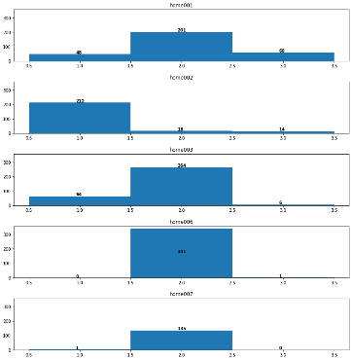
 | 242 | 1 | 3 | 1.18 | 2 | 2 | 0.51
Q1 STATS
Home | n | min | max | mean | median | mode | stdev
2 | 334 | 1 | 4 | 1.83 | 3 | 3 | 0.43
3 | 242 | 1 | 3 | 1.18 | 2 | 2 | 0.51
6 | 136 | 1 | 2 | 1.99 | 2 | 2 | 0.08
7 | 342 | 2 | 3 | 2 | 2 | 2 | 0.05
Average | 263.5 | 1.25 | 3 | 1.75 | 2.25 | 2.25 | 0.2675
Total | 1054

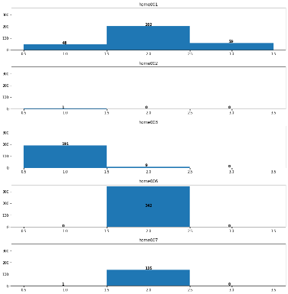
Q2 STATS
Home | n | min | max | mean | median | mode | stdev
2 | 200 | 1 | 2 | 1.045 | 1 | 1 | 0.2
3 | 1 | - | - | - | - | - | -
6 | 136 | 1 | 2 | 1.99 | 2 | 2 | 0.08
7 | 342 | 2 | 2 | 2 | 2 | 2 | 0
Average | 135.8 | 1 | 1.5 | 1.25875 | 1.25 | 1.25 | 0.07
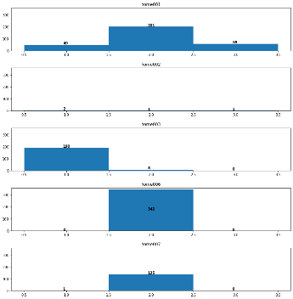
Total | 679

Q3 STATS
Home | n | min | max | mean | median | mode | stdev
2 | 198 | 1 | 2 | 1.04 | 1 | 1 | 0.19
3 | 4 | 1 | 3 | 1.75 | 1 | 1 | 0.95
6 | 136 | 1 | 2 | 1.99 | 2 | 2 | 0.08
7 | 342 | 2 | 2 | 2 | 2 | 2 | 0
Average | 112.66666667 | 1 | 2.3333333333 | 1.5933333333 | 1.3333333333 | 1.3333333333 | 0.40666666667
Total | 680
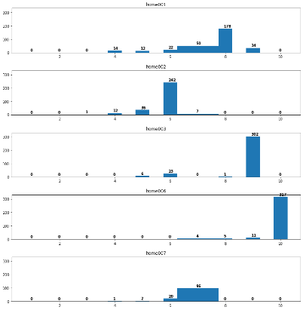
Q4 STATS
Home | n | min | max | mean | median | mode | stdev
2 | 227 | 1 | 2 | 1.04 | 1 | 1 | 0.59
3 | 248 | 1 | 3 | 1.16 | 1 | 1 | 0.46
6 | 136 | 1 | 2 | 1.99 | 2 | 2 | 0.08
7 | 342 | 2 | 2 | 2 | 2 | 2 | 0
Average | 264.75 | 1.25 | 2.75 | 1.7825 | 1.5 | 1.5 | 0.48
Total | 953
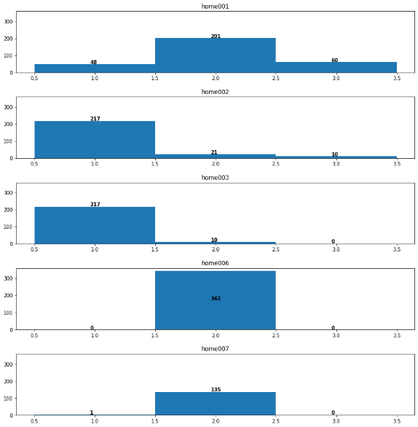
Q - Wellbeing
Home | n | min | max | mean | median | mode | stdev
1 | 310 | 4 | 9 | 7.5 | 8 | 8 | 1.17
2 | 300 | 3 | 7 | 5.8 | 6 | 6 | 0.56
3 | 332 | 5 | 9 | 8.7 | 9 | 9 | 0.91
6 | 337 | 7 | 10 | 9.9 | 10 | 10 | 0.43
7 | 120 | 4 | 7 | 6.77 | 7 | 7 | 0.5
Average | 279.8 | 4.6 | 8.4 | 7.734 | 8 | 8 | 0.714
Total | 1399

