Planilha1
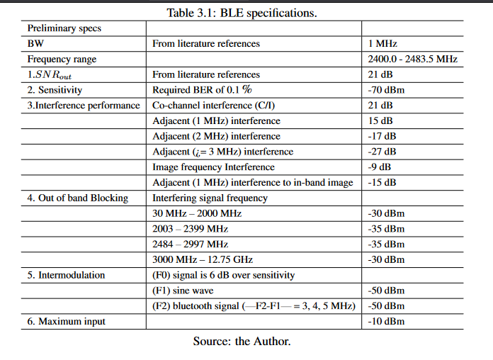
sensibilidade | -102 | sensibilidade | -70 | C/I @1M | 15 | 15
deltaf | 6.00E+05 | deltaf | 3.00E+07 | C/I @2M | -17 | -17
SNR | 9 | SNR | 17 | C/I @3M | -27 | -27
blocking signal | -43 | blocking signal | -67
NF | 10 | NF | 23
bw | 2.00E+05 | bw | 1.00E+06
bw noise | 53.010299957 | bw noise | 60
noisefloor | -110.98970004 | noisefloor | -114

wanted signal above | -99 | In band Noise | -81
LO phase noise @ | -118.01029996 | LO phase noise @1M | -66
 |  | LO phase noise @2M | -98
 |  | LO phase noise @3M | -108

