Sheet1
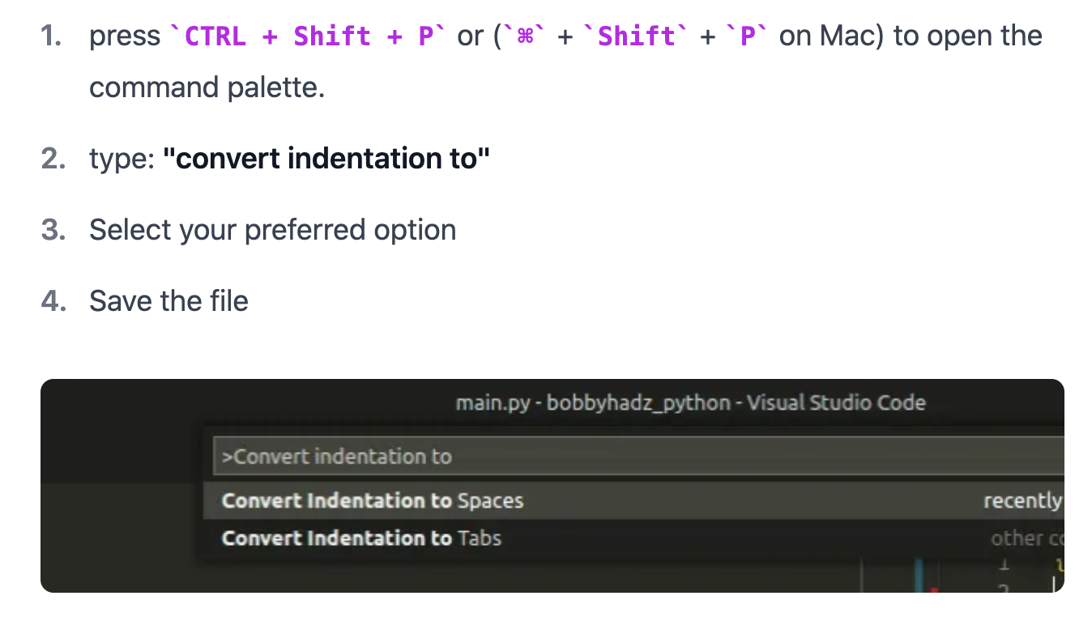
https://docs.conda.io/projects/conda/en/latest/user-guide/install/macos.html
Miniconda installer for macOS.
Miniconda3 macOS Intel x86 64-bit pkg
next untill done or choose where to dl
close termial and reopen | (base).... | <-should have
conda create -n [name] | create a personal env
conda activate [name] | conda activate will go to base
conda install python=3.10
pip install flake8 | flake8 | like norminette but for phyton

command+shift+p
convert indentation to spaces OR tabs
https://bobbyhadz.com/blog/python-indentationerror-unindent-does-not-match-any-outer-indentation-level#:~:text=The%20Python%20%22IndentationError%3A%20unindent%20does,in%20the%20same%20code%20block.
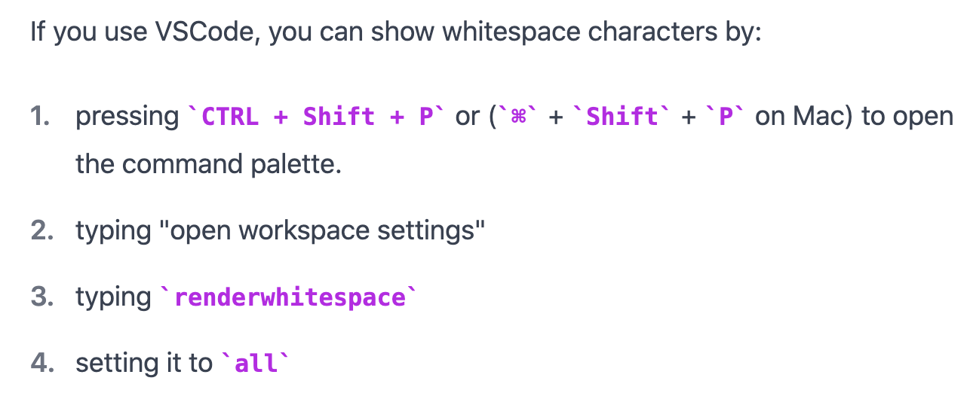
install python on vscode for intelisense
botum right sellect env
conda deactivate all
condac activate urone
check version

setting > space tab > insert spaces

pip install numpy

